Notes
Source | Notes
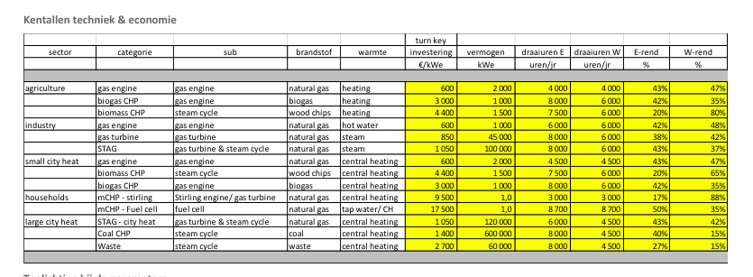

Energymatters

 | 45000 | KW
 | 850 | euro/KW
 | 38 | %

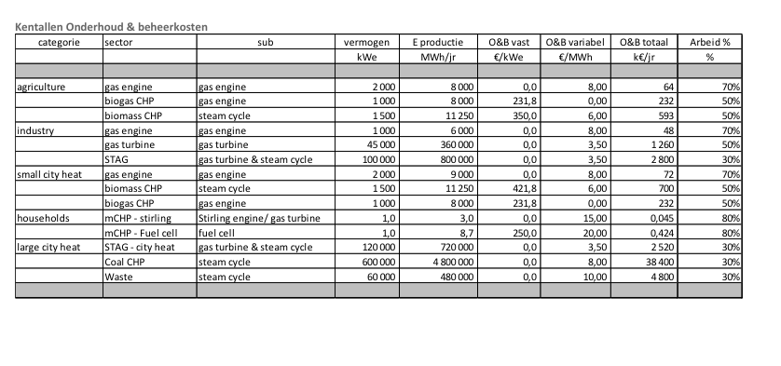

Total O&M | 1260000 | euro/KW
variable O&M | 3.5 | euro/MWh

iea-etsap
p.5

 | 18 | months
 | 25 | yr

