Notes
Sources |  | Notes

cedeltf-ecn-tno

p.64 |  | 0.7 | MJ/km
 |  | 1.4285714286 | km/MJ

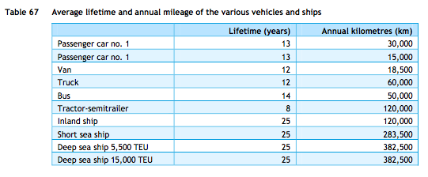

p.84
 |  | 13 | yrs

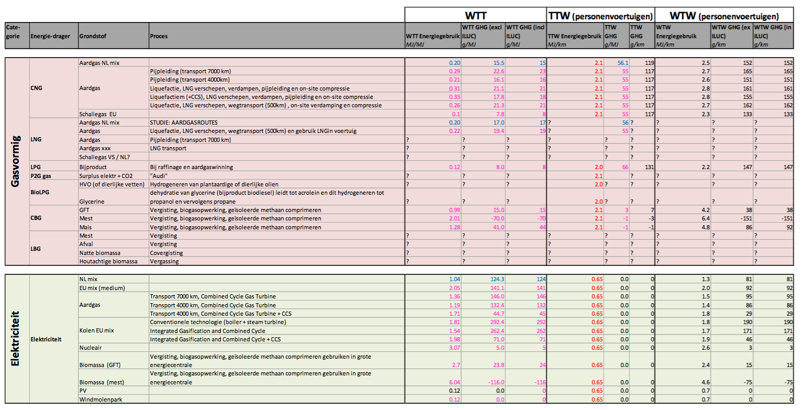

cedelft-ecn-tno2

p.183

 |  | 0.65 | MJ/km
 |  | 1.5384615385 | km/MJ

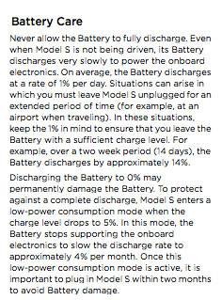
Tesla model s owner's manual |  | 85 | kWh | battery size
p 6.4 |  | 1% |  | storage decay per day
 |  | 0.0418676% | per hour | storage decay


Tesla Model S P100D website anouncement
https://www.tesla.com/nl_NL/blog/new-tesla-model-s-now-quickest-production-car-world?redirect=no

storage volume | 100 | kWh

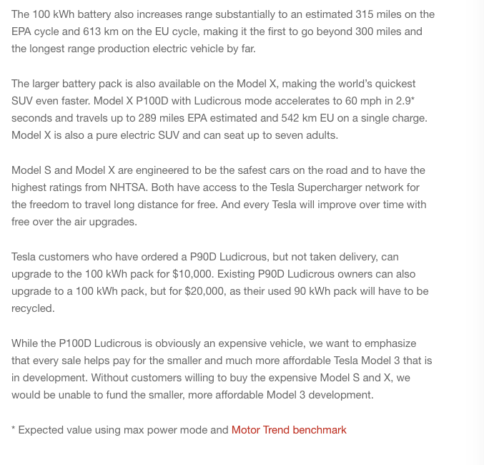

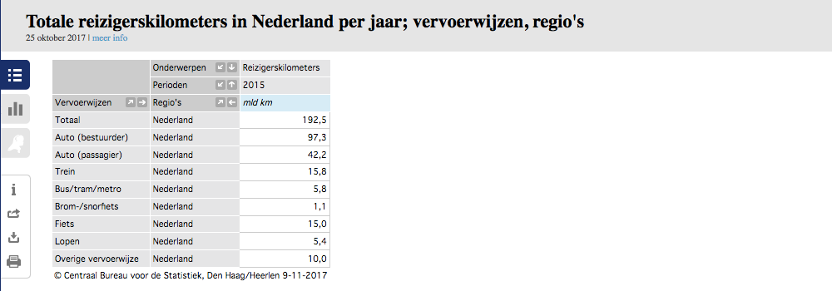
CBS | vehicle km | 105088.9 | mln vehicle km
 |  | 105088900000 | vehicle km
 | passenger km | 139.5 | mld passenger km
 |  | 139500000000 | passenger km

 |  | 1.327 | passenger km/vehicle km

 | output.passenger_kms | 2.0422269585 | passenger km/MJ | cedelft-ecn-tno2

 | output.passenger_kms | 1.8963536043 |  | cedelft-ecn-tno

