Notes
Source | Notes

As hydrogen-fired CCGT CHP is still an emerging technology, detailed technological and financial specifications are not yet available.
Based on expert consultation from BlueTerra, the technological specifications from the hydrogen-fired variant will not deviate significantly from the gas variant.
Therefore, the same technological specs are used for the hydrogen-fired variant with exeption of the investment costs.

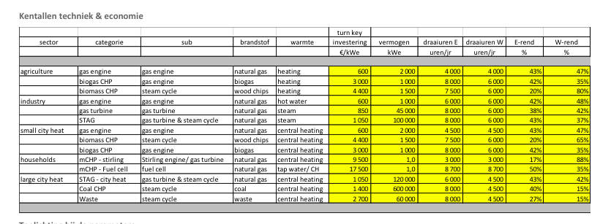
Energymatters
p.1

electricity_output_capacity | 120000 | KWe
 | 120 | MWe
 | 1050 | euro/KWe

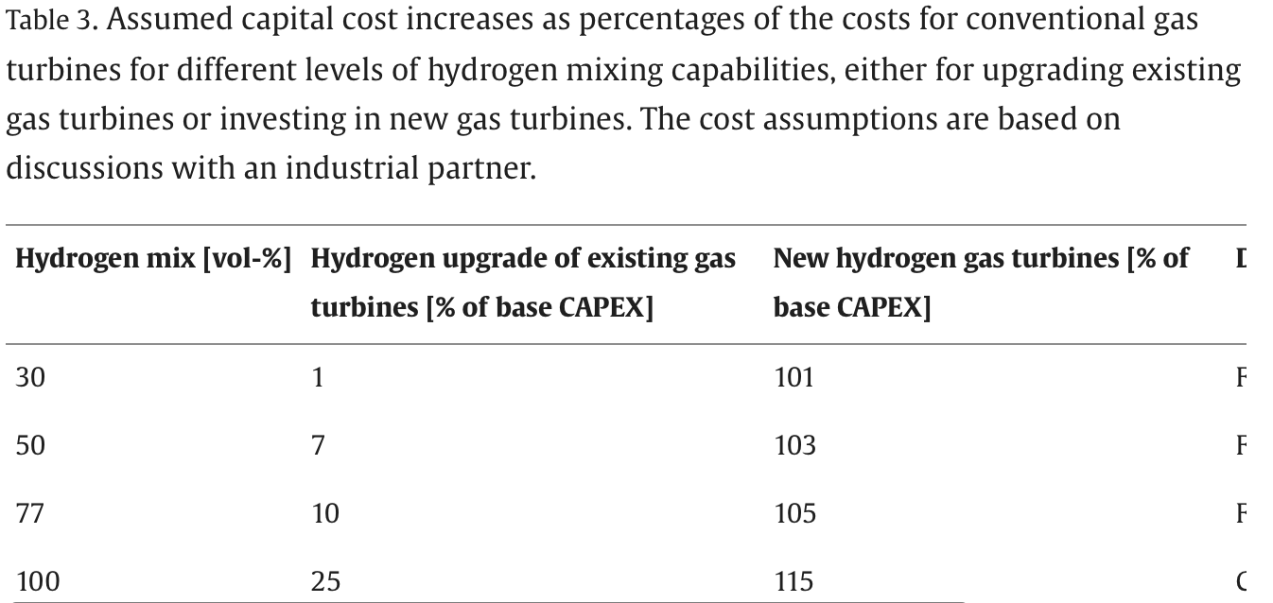

ratio investment cost | 1.15 | hydrogen compared
 |  | to network gas

initial investment cost per KW | 1207.5 | euro/KW

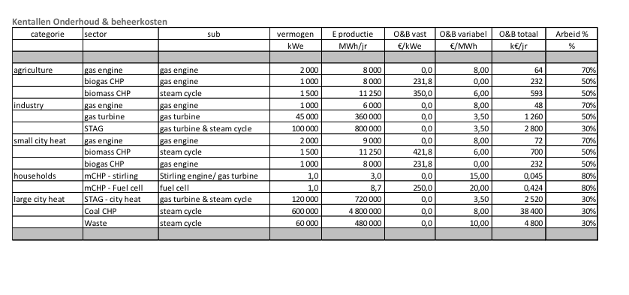
p.5

 | 2520000 | euro/yr
Variable O&M | 3.5 | euro/MWh

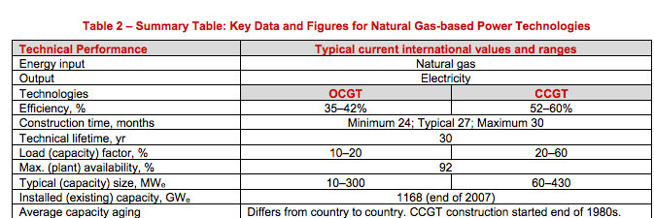
iea-etsap
p.4

 | 30 | months
 | 30 | yr

Ecofys
p.17
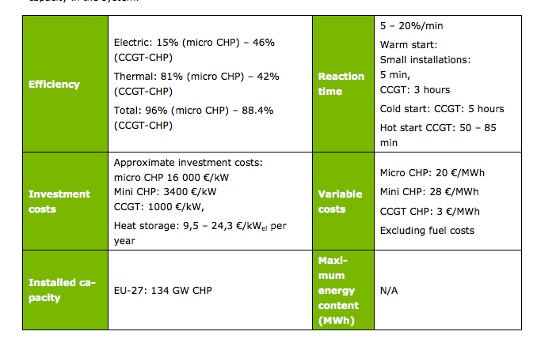

Efficiency CCGT CHP
output.electricity | 0.46
output.steam_hot_water | 0.42

heat_output_capacity | 109.56521739 | MW

Initial investment for network gas | 1000 | euro/KW
Vriable O&M | 3 | euro/MWh

Initial investment for hydrogen | 1150 | euro/KW

