Analysis
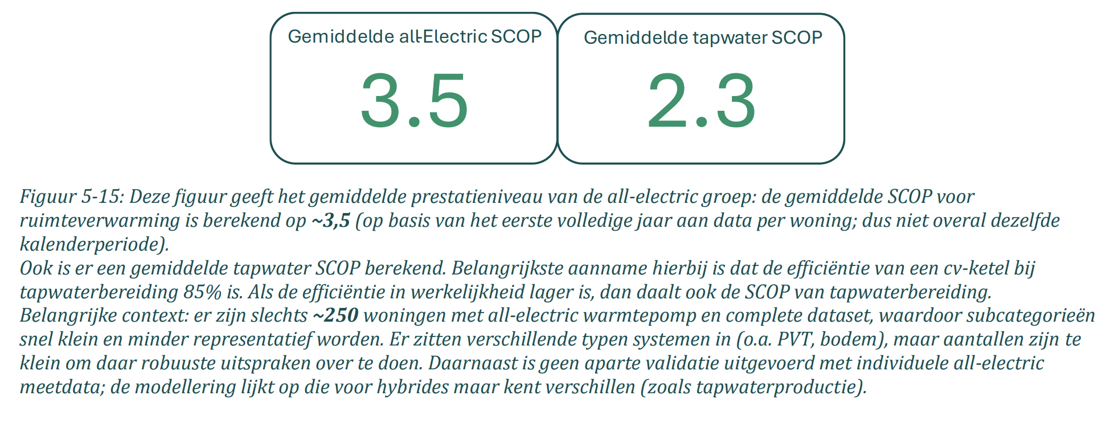
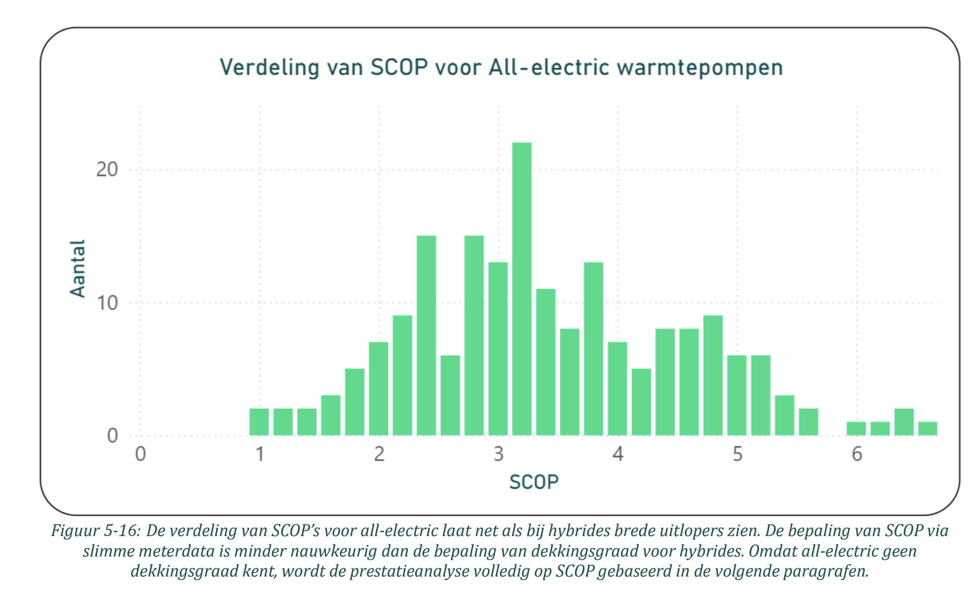
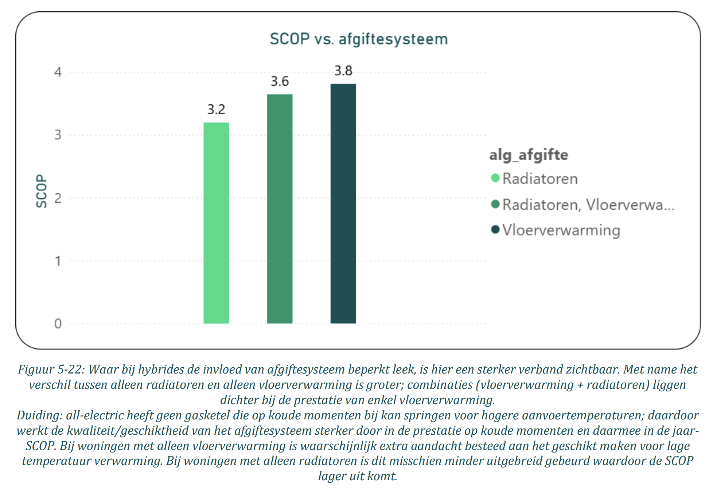
variable | value | unit | comment | source |  | Screenshots
input.ambient_heat | 0.71 |  | The Installatiemonitor tracks smart meter data from households with heat pumps, collected between 01-2023 and 01-2026, and therefore reflects real-world performance. The sample covers 200–250 all-electric and 1,955 hybrid heat pumps with a complete dataset. The average SCOP for space heating with all-electric heat pumps is 3.5, with a wide spread (1 to 6.6). No distinction is made between air, water and ground source, but in the Netherlands most all-electric units are air source. The heat delivery system matters: radiators yield 3.2, floor heating 3.8. A comparable Fraunhofer ISE study in Germany found similar values. As a generic average, 3.5 is adequate. | Main source: | Installatiemonitor 3.0
input.electricity | 0.29 |  |  | Supporting source: | 20 jahre wärmepumpen-monitoring am Fraunhofer ISE

Temperature dependant COP with 40 °C sink temperature
fever.base_cop | 3.06 |  | Bogdanov et al. (2024) give COP formulas as a function of delta T for air, ground and water source heat pumps. The formulas originate from Ruhnau et al. (2019), which used 2016 manufacturer data, but Bogdanov et al. updated the coefficients. The changes are small but the fact they're refised in 2024 improves credibility. While the formula has a quadratic term, the curve is nearly linear in the relevant range (see chart). These attributes should reproduce a SCOP broadly in line with the static value under typical conditions. At the Dutch heat-demand-weighted average outside temperature of ~7 °C, sink temperatures of 35, 40 and 45 °C give a SCOP of 3.8, 3.5 and 3.2 respectively, matching the Installatiemonitor values for floor heating, average, and radiators. We therefore use a sink temperature of 40 °C and derive the COP per degree from the average step between −10 and 15 °C outside temperature. | Main source: | Bogdanov et al. (2024) |  |  | Test formule (ASHP) |  |  |  |  | Test formule (ASHP) |  |  |  |  | Test formule (ASHP)
fever.cop_per_degree | 0.06 |  |  | Supporting source: | Ruhnau et al. (2019) |  |  | Outside temp | Sink temp | delta T | COP | COP (lineair aproximation) | Outside temp | Sink temp | delta T | COP | COP (lineair aproximation) | Outside temp | Sink temp | delta T | COP | COP (lineair aproximation)
 |  |  |  |  |  |  |  | -10 | 35 | 45 | 2.8 | 2.7 | -10 | 40 | 50 | 2.5 | 2.5 | -10 | 45 | 55 | 2.3 | 2.2
 |  |  |  |  |  |  |  | -9 | 35 | 44 | 2.8 | 2.8 | -9 | 40 | 49 | 2.6 | 2.5 | -9 | 45 | 54 | 2.4 | 2.3
 |  |  |  |  |  |  |  | -8 | 35 | 43 | 2.9 | 2.8 | -8 | 40 | 48 | 2.6 | 2.6 | -8 | 45 | 53 | 2.4 | 2.3
 |  |  |  |  |  |  |  | -7 | 35 | 42 | 2.9 | 2.9 | -7 | 40 | 47 | 2.7 | 2.6 | -7 | 45 | 52 | 2.4 | 2.4
 |  |  |  |  |  |  |  | -6 | 35 | 41 | 3.0 | 3.0 | -6 | 40 | 46 | 2.7 | 2.7 | -6 | 45 | 51 | 2.5 | 2.5
 |  |  |  |  |  |  |  | -5 | 35 | 40 | 3.1 | 3.0 | -5 | 40 | 45 | 2.8 | 2.8 | -5 | 45 | 50 | 2.5 | 2.5
 |  |  |  |  |  |  |  | -4 | 35 | 39 | 3.1 | 3.1 | -4 | 40 | 44 | 2.8 | 2.8 | -4 | 45 | 49 | 2.6 | 2.6
 |  |  |  |  |  |  |  | -3 | 35 | 38 | 3.2 | 3.2 | -3 | 40 | 43 | 2.9 | 2.9 | -3 | 45 | 48 | 2.6 | 2.6
 |  |  |  |  |  |  |  | -2 | 35 | 37 | 3.2 | 3.2 | -2 | 40 | 42 | 2.9 | 2.9 | -2 | 45 | 47 | 2.7 | 2.7
 |  |  |  |  |  |  |  | -1 | 35 | 36 | 3.3 | 3.3 | -1 | 40 | 41 | 3.0 | 3.0 | -1 | 45 | 46 | 2.7 | 2.7
 |  |  |  |  |  |  | Base COP | 0 | 35 | 35 | 3.4 | 3.4 | 0 | 40 | 40 | 3.1 | 3.1 | 0 | 45 | 45 | 2.8 | 2.8
 |  |  |  |  |  |  |  | 1 | 35 | 34 | 3.4 | 3.4 | 1 | 40 | 39 | 3.1 | 3.1 | 1 | 45 | 44 | 2.8 | 2.8
 |  |  |  |  |  |  |  | 2 | 35 | 33 | 3.5 | 3.5 | 2 | 40 | 38 | 3.2 | 3.2 | 2 | 45 | 43 | 2.9 | 2.9
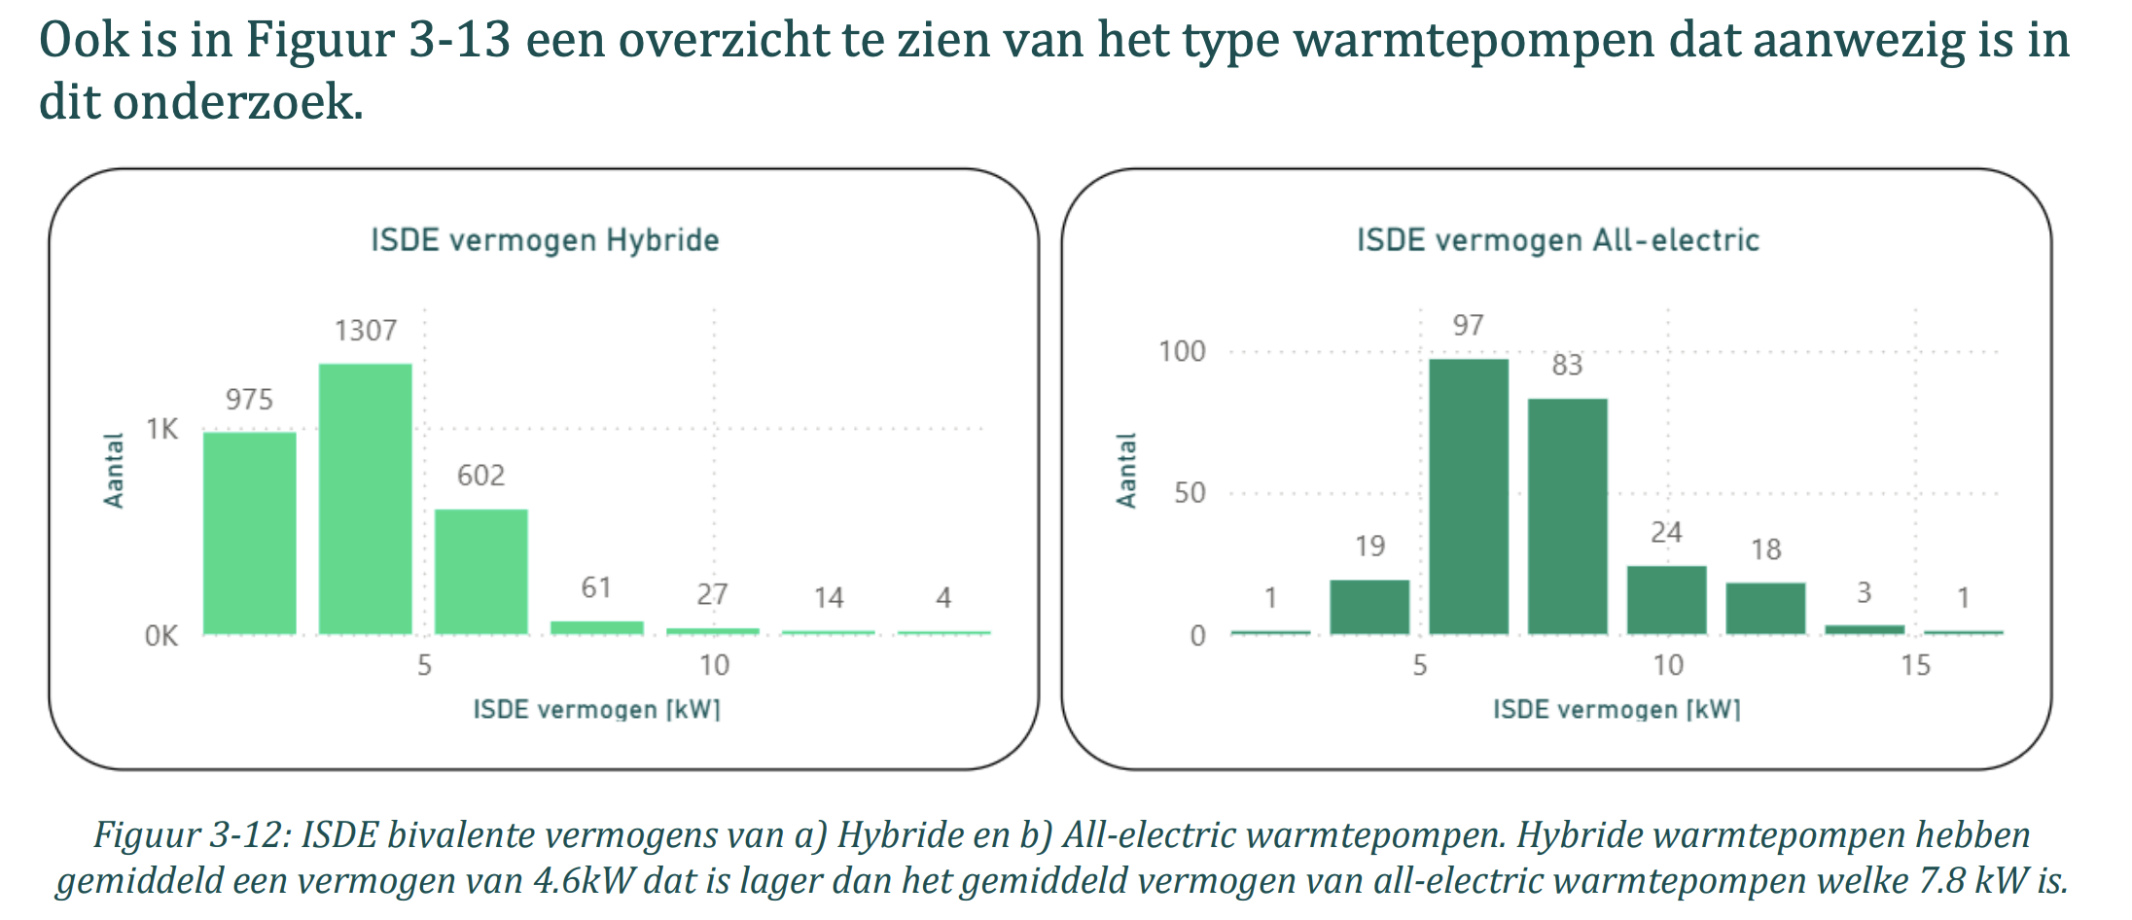
heat_output_capacity | 0.0078 | MW | The average bivalence capacity* of all-electric heat pumps in the Installatiemonitor research was 7.8 kW. The COP at bivalence capacity according to Bogdanov et al. (2024) is 2.7. Which is used to find the electrical capacity. *The capacity of the heat pump at the lowest outdoor temperature point at which the heat pump is declared to have a capacity able to meet 100 % of the heating load without supplementary heater This temperature is often around -7 °C as for the Sinclair SHP-140ICA + SHP-140ECA | Main source: | Installatiemonitor 3.0 |  |  | 3 | 35 | 32 | 3.5 | 3.5 | 3 | 40 | 37 | 3.2 | 3.2 | 3 | 45 | 42 | 2.9 | 2.9
fever.capacity.electricity | 0.0029 | MW |  | Supporting source: | Bogdanov et al. (2024) |  |  | 4 | 35 | 31 | 3.6 | 3.6 | 4 | 40 | 36 | 3.3 | 3.3 | 4 | 45 | 41 | 3.0 | 3.0
 |  |  |  | Supporting source: | Sinclair |  |  | 5 | 35 | 30 | 3.7 | 3.7 | 5 | 40 | 35 | 3.4 | 3.4 | 5 | 45 | 40 | 3.1 | 3.1
 |  |  |  |  |  |  |  | 6 | 35 | 29 | 3.7 | 3.7 | 6 | 40 | 34 | 3.4 | 3.4 | 6 | 45 | 39 | 3.1 | 3.1
 |  |  |  |  |  |  |  | 7 | 35 | 28 | 3.8 | 3.8 | 7 | 40 | 33 | 3.5 | 3.5 | 7 | 45 | 38 | 3.2 | 3.2
 |  |  |  |  |  |  |  | 8 | 35 | 27 | 3.9 | 3.9 | 8 | 40 | 32 | 3.5 | 3.5 | 8 | 45 | 37 | 3.2 | 3.2
 |  |  |  |  |  |  |  | 9 | 35 | 26 | 3.9 | 3.9 | 9 | 40 | 31 | 3.6 | 3.6 | 9 | 45 | 36 | 3.3 | 3.3
 |  |  |  |  |  |  |  | 10 | 35 | 25 | 4.0 | 4.0 | 10 | 40 | 30 | 3.7 | 3.7 | 10 | 45 | 35 | 3.4 | 3.3
 |  |  |  |  |  |  |  | 11 | 35 | 24 | 4.1 | 4.1 | 11 | 40 | 29 | 3.7 | 3.7 | 11 | 45 | 34 | 3.4 | 3.4
 |  |  |  |  |  |  |  | 12 | 35 | 23 | 4.2 | 4.1 | 12 | 40 | 28 | 3.8 | 3.8 | 12 | 45 | 33 | 3.5 | 3.4
 |  |  |  |  |  |  |  | 13 | 35 | 22 | 4.2 | 4.2 | 13 | 40 | 27 | 3.9 | 3.8 | 13 | 45 | 32 | 3.5 | 3.5
 |  |  |  |  |  |  |  | 14 | 35 | 21 | 4.3 | 4.3 | 14 | 40 | 26 | 3.9 | 3.9 | 14 | 45 | 31 | 3.6 | 3.6
 |  |  |  |  |  |  |  | 15 | 35 | 20 | 4.4 | 4.3 | 15 | 40 | 25 | 4.0 | 3.9 | 15 | 45 | 30 | 3.7 | 3.6

 |  |  |  |  |  |  |  | Average COP per degree |  |  | 0.06394 |  | Average COP per degree |  |  | 0.0593 |  | Average COP per degree |  |  | 0.05466
initial_investment | 10590.00 | € / # | Average between min and max | Main source: | Update kengetallen Vesta Mais
fixed_operation_and_maintenance_costs_per_year | 50.00 | € / year | Directly from source
storage.cost_per_mwh | 0.0 | € | Storage costs are assumed to be included in the average investment costs per household in Vesta Mais. The only costs they give are 'costs per house' and storage costs are never specified individually.

technical_lifetime | 15.00 | years |  | Main source: | Factsheet warmtepompen

