Analysis
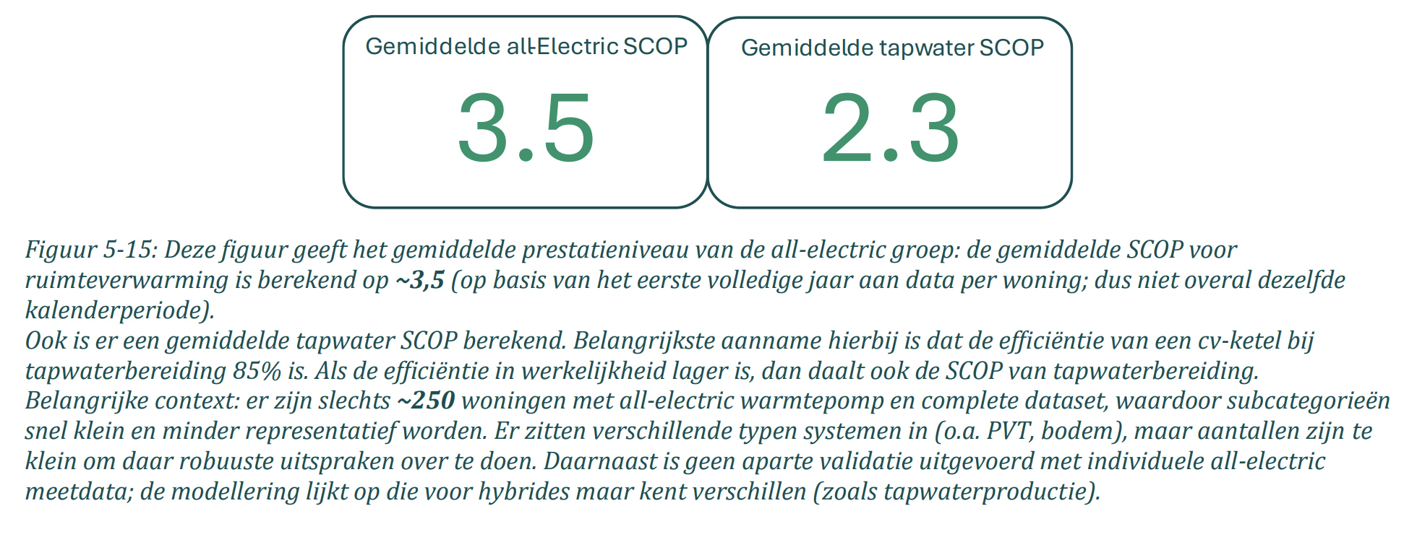
variable | value | unit | comment | source |  | Screenshots
output.useable_heat | 1.00 |  | The Installatiemonitor tracks smart meter data from households with heat pumps, collected between 01-2023 and 01-2026, and therefore reflects real-world performance. The sample covers 200–250 all-electric and 1,955 hybrid heat pumps with a complete dataset. The average SCOP for space heating with all-electric heat pumps is 3.5, for hybrid it is 3.4. The lower value is surprising on first notice since hybrid heat pumps can switch to gas when the outdoor temperature is lowest and the heat pumps performance is at its weakest (resulting in a 'dekkingsgraad' of 78%). However, precisely for this reason the insulation and delivery system is on average more modern in residences with all-electric households. Since the difference is marginal and related to how and where the technology is used, the same SCOP of 3.5 is assumed for hybrids. The 'dekkingsgraad' shows that 22% of the heat is provided by natural gas, with an efficiency of 107% (due to LHV). Of this 22% of heat, 0.07/1.07 is condensation heat, the rest comes from network gas. Because we need inputs that count up to 1, we correct for the condensation to at least keep the ratio between ambient, electricity and gas correct. Hard coded values in calculation: 0.78 = share of heat provided by heatpump (dekkingsgraad), 0.22 = share of heat provided by gas boiler, 3.5 = COP, 1.07 = efficiency gas boiler, 0.07 part of efficiency above 1 (due to condensation). | Main source: | Installatiemonitor 3.0
input.ambient_heat | 0.56
input.electricity | 0.23
input.network_gas | 0.21
Condensation (LHV/HHV correction) | 0.01

Temperature dependant COP with 40 °C sink temperature
fever.base_cop | 3.06 |  | Bogdanov et al. (2024) give COP formulas as a function of delta T for air, ground and water source heat pumps. The formulas originate from Ruhnau et al. (2019), which used 2016 manufacturer data, but Bogdanov et al. updated the coefficients. The changes are small but the fact they're revised in 2024 improves credibility. While the formula has a quadratic term, the curve is nearly linear in the relevant range (see chart). These attributes should reproduce a SCOP broadly in line with the static value under typical conditions. Identical to the all_electric version, a sink temperature of 40 °C is assumed. Combined with an heat-demand-weighted average outside temperature of ~7 °C, this formula finds a COP of 3.5. The COP per degree is derived from the average step between −10 and 15 °C outside temperature. Since the difference in performance between hybrid and all-electric is related to how and where it's used, these values are identical to the all-electric values. | Main source: | Bogdanov et al. (2024) |  |  | Test formule (ASHP) |  |  |  |  | Test formule (ASHP) |  |  |  |  | Test formule (ASHP)
fever.cop_per_degree | 0.06 |  |  | Supporting source: | Ruhnau et al. (2019) |  |  | Outside temp | Sink temp | delta T | COP | COP (lineair aproximation) | Outside temp | Sink temp | delta T | COP | COP (lineair aproximation) | Outside temp | Sink temp | delta T | COP | COP (lineair aproximation)
 |  |  |  |  |  |  |  | -10 | 35 | 45 | 2.8 | 2.7 | -10 | 40 | 50 | 2.5 | 2.5 | -10 | 45 | 55 | 2.3 | 2.2
 |  |  |  |  |  |  |  | -9 | 35 | 44 | 2.8 | 2.8 | -9 | 40 | 49 | 2.6 | 2.5 | -9 | 45 | 54 | 2.4 | 2.3
 |  |  |  |  |  |  |  | -8 | 35 | 43 | 2.9 | 2.8 | -8 | 40 | 48 | 2.6 | 2.6 | -8 | 45 | 53 | 2.4 | 2.3
 |  |  |  |  |  |  |  | -7 | 35 | 42 | 2.9 | 2.9 | -7 | 40 | 47 | 2.7 | 2.6 | -7 | 45 | 52 | 2.4 | 2.4
 |  |  |  |  |  |  |  | -6 | 35 | 41 | 3.0 | 3.0 | -6 | 40 | 46 | 2.7 | 2.7 | -6 | 45 | 51 | 2.5 | 2.5
 |  |  |  |  |  |  |  | -5 | 35 | 40 | 3.1 | 3.0 | -5 | 40 | 45 | 2.8 | 2.8 | -5 | 45 | 50 | 2.5 | 2.5
 |  |  |  |  |  |  |  | -4 | 35 | 39 | 3.1 | 3.1 | -4 | 40 | 44 | 2.8 | 2.8 | -4 | 45 | 49 | 2.6 | 2.6
 |  |  |  |  |  |  |  | -3 | 35 | 38 | 3.2 | 3.2 | -3 | 40 | 43 | 2.9 | 2.9 | -3 | 45 | 48 | 2.6 | 2.6
 |  |  |  |  |  |  |  | -2 | 35 | 37 | 3.2 | 3.2 | -2 | 40 | 42 | 2.9 | 2.9 | -2 | 45 | 47 | 2.7 | 2.7
 |  |  |  |  |  |  |  | -1 | 35 | 36 | 3.3 | 3.3 | -1 | 40 | 41 | 3.0 | 3.0 | -1 | 45 | 46 | 2.7 | 2.7
 |  |  |  |  |  |  | Base COP | 0 | 35 | 35 | 3.4 | 3.4 | 0 | 40 | 40 | 3.1 | 3.1 | 0 | 45 | 45 | 2.8 | 2.8
 |  |  |  |  |  |  |  | 1 | 35 | 34 | 3.4 | 3.4 | 1 | 40 | 39 | 3.1 | 3.1 | 1 | 45 | 44 | 2.8 | 2.8
 |  |  |  |  |  |  |  | 2 | 35 | 33 | 3.5 | 3.5 | 2 | 40 | 38 | 3.2 | 3.2 | 2 | 45 | 43 | 2.9 | 2.9
 |  |  |  |  |  |  |  | 3 | 35 | 32 | 3.5 | 3.5 | 3 | 40 | 37 | 3.2 | 3.2 | 3 | 45 | 42 | 2.9 | 2.9
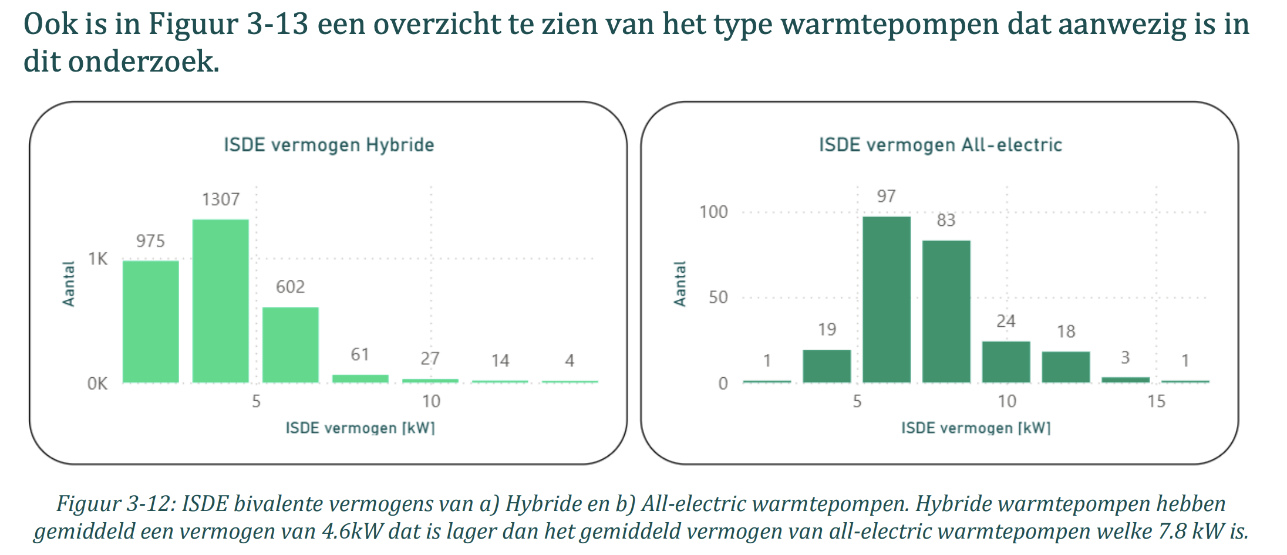
heat.output_capacity (heat pump only) | 0.0046 | MW | The average bivalence capacity* of hybrid heat pumps in the Installatiemonitor research was 4.6 kW. The heat.output_capacity is calculated here but not used, see row 85. The COP at bivalence capacity according to Bogdanov et al. (2024) is 2.7. Which is used to find the electrical capacity. *The capacity of the heat pump at the lowest outdoor temperature point at which the heat pump is declared to have a capacity able to meet 100 % of the heating load without supplementary heater This temperature is often around -7 °C as for the Sinclair SHP-140ICA + SHP-140ECA | Main source: | Installatiemonitor 3.0 |  |  | 4 | 35 | 31 | 3.6 | 3.6 | 4 | 40 | 36 | 3.3 | 3.3 | 4 | 45 | 41 | 3.0 | 3.0
fever.capacity.electricity | 0.0017 | MW |  | Supporting source: | Bogdanov et al. (2024) |  |  | 5 | 35 | 30 | 3.7 | 3.7 | 5 | 40 | 35 | 3.4 | 3.4 | 5 | 45 | 40 | 3.1 | 3.1
 |  |  |  | Supporting source: | Sinclair |  |  | 6 | 35 | 29 | 3.7 | 3.7 | 6 | 40 | 34 | 3.4 | 3.4 | 6 | 45 | 39 | 3.1 | 3.1
 |  |  |  |  |  |  |  | 7 | 35 | 28 | 3.8 | 3.8 | 7 | 40 | 33 | 3.5 | 3.5 | 7 | 45 | 38 | 3.2 | 3.2
 |  |  |  |  |  |  |  | 8 | 35 | 27 | 3.9 | 3.9 | 8 | 40 | 32 | 3.5 | 3.5 | 8 | 45 | 37 | 3.2 | 3.2
 |  |  |  |  |  |  |  | 9 | 35 | 26 | 3.9 | 3.9 | 9 | 40 | 31 | 3.6 | 3.6 | 9 | 45 | 36 | 3.3 | 3.3
 |  |  |  |  |  |  |  | 10 | 35 | 25 | 4.0 | 4.0 | 10 | 40 | 30 | 3.7 | 3.7 | 10 | 45 | 35 | 3.4 | 3.3
 |  |  |  |  |  |  |  | 11 | 35 | 24 | 4.1 | 4.1 | 11 | 40 | 29 | 3.7 | 3.7 | 11 | 45 | 34 | 3.4 | 3.4
 |  |  |  |  |  |  |  | 12 | 35 | 23 | 4.2 | 4.1 | 12 | 40 | 28 | 3.8 | 3.8 | 12 | 45 | 33 | 3.5 | 3.4
 |  |  |  |  |  |  |  | 13 | 35 | 22 | 4.2 | 4.2 | 13 | 40 | 27 | 3.9 | 3.8 | 13 | 45 | 32 | 3.5 | 3.5
 |  |  |  |  |  |  |  | 14 | 35 | 21 | 4.3 | 4.3 | 14 | 40 | 26 | 3.9 | 3.9 | 14 | 45 | 31 | 3.6 | 3.6
 |  |  |  |  |  |  |  | 15 | 35 | 20 | 4.4 | 4.3 | 15 | 40 | 25 | 4.0 | 3.9 | 15 | 45 | 30 | 3.7 | 3.6

 |  |  |  |  |  |  |  | Average COP per degree |  |  | 0.06394 |  | Average COP per degree |  |  | 0.0593 |  | Average COP per degree |  |  | 0.05466

initial_investment | 6931.50 | € / # | Average between min and max | Main source: | Update kengetallen Vesta Mais
fixed_operation_and_maintenance_costs_per_year | 50.00 | € / year | Directly from source

technical_lifetime | 15.00 | years |  | Main source: | Factsheet warmtepompen

fever.cop_cutoff | 2.60 |  | Energy prices originate from older version of this node source analysis. The prices are outdated and should be updated. This update cannot, however, be isolated to this node. Interdependancies must be checked.

 |  |  | Gas price: 81.4 euro /m3
 |  |  | LHV gas: 31.65 GJ / m3
 |  |  | Efficiency gas boiler: 1.07
 |  |  | Costs heat from gas: 2.40362610916715 euro/MJ heat

 |  |  | Electricity price: 22.50 euro / kWh
 |  |  | Costs heat from electricity (for COP 1): 6.25 euro/MJ heat
 |  |  | Threshold COP:
 |  |  | 2.60

fever.capacity.network_gas | 0.022 | MW | Same assumptions as used in households_space_heater_combined_network_gas.converter.ad
output.useable_heat.network_gas | 1.07
 |  |  | Covered more extensively there
 |  |  | In general, capacity for central heating boilers are mostly related to the peak demand caused by tap water. So it makes sense to have the same value for here as tap water is coverd by the gas boiler.
 |  |  | The output is more than one since the lower heating value is used to calculate the efficiency.

heat_output_capacity | 0.024 | MW | In practice either the gas boiler or the heat pump runs, not both at the same time. Therefore the heat_output_capacity is calculated based on the highest capacity of the two is used.

