Analysis
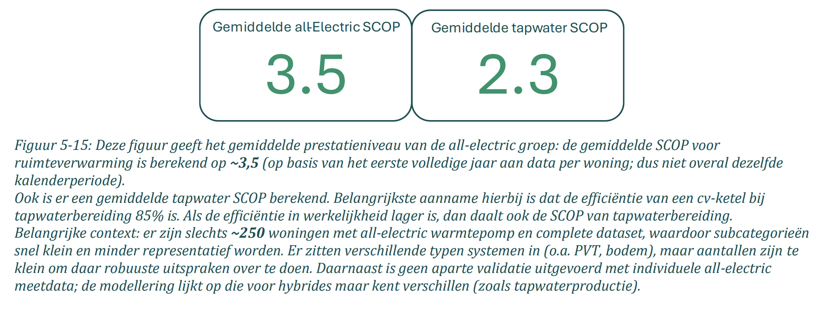
variable | value | unit | comment | source |  | Screenshots
input.ambient_heat | 0.57 |  | The Installatiemonitor tracks smart meter data from households with heat pumps, collected between 01-2023 and 01-2026, and therefore reflects real-world performance. The sample covers 200–250 all-electric and 1,955 hybrid heat pumps with a complete dataset. The average SCOP for tap water is 2.3 | Main source: | Installatiemonitor 3.0
input.electricity | 0.43

Temperature dependant COP with 40 °C sink temperature
fever.base_cop | 2.10 |  | Bogdanov et al. (2024) give COP formulas as a function of delta T for air, ground and water source heat pumps. The formulas originate from Ruhnau et al. (2019), which used 2016 manufacturer data, but Bogdanov et al. updated the coefficients. The changes are small but the fact they're refised in 2024 improves credibility. While the formula has a quadratic term, the curve is nearly linear in the relevant range (see chart). These attributes should reproduce a SCOP broadly in line with the static value under typical conditions. Tap water installations have to heat up to at least 55 °C at the tap, which means the temperature at the tank must be slightly higher, at least. So, we'll use an estimated average of 60 °C. Combined with average outside temperature of ~10 °C a COP of 2.5 is found using the formula. Close to installatiemonitor values. The COP per degree is derived from the average step between −10 and 15 °C outside temperature. | Main source: | Bogdanov et al. (2024) |  |  | Test formule (ASHP)
fever.cop_per_degree | 0.04 |  |  | Supporting source: | Ruhnau et al. (2019) |  |  | Outside temp | Sink temp | delta T | COP | COP (lineair aproximation)
 |  |  |  | Supporting source: | Samenwerkende Drinkwaterbedrijven |  |  | -10 | 60 | 70 | 1.8 | 1.7
 |  |  |  | Supporting source: | KNMI klimaatdashboard |  |  | -9 | 60 | 69 | 1.8 | 1.7
 |  |  |  |  |  |  |  | -8 | 60 | 68 | 1.8 | 1.8
 |  |  |  |  |  |  |  | -7 | 60 | 67 | 1.9 | 1.8
 |  |  |  |  |  |  |  | -6 | 60 | 66 | 1.9 | 1.9
 |  |  |  |  |  |  |  | -5 | 60 | 65 | 1.9 | 1.9
 |  |  |  |  |  |  |  | -4 | 60 | 64 | 2.0 | 1.9
 |  |  |  |  |  |  |  | -3 | 60 | 63 | 2.0 | 2.0
 |  |  |  |  |  |  |  | -2 | 60 | 62 | 2.0 | 2.0
 |  |  |  |  |  |  |  | -1 | 60 | 61 | 2.1 | 2.1
 |  |  |  |  |  |  | Base COP | 0 | 60 | 60 | 2.1 | 2.1
 |  |  |  |  |  |  |  | 1 | 60 | 59 | 2.1 | 2.1
 |  |  |  |  |  |  |  | 2 | 60 | 58 | 2.2 | 2.2
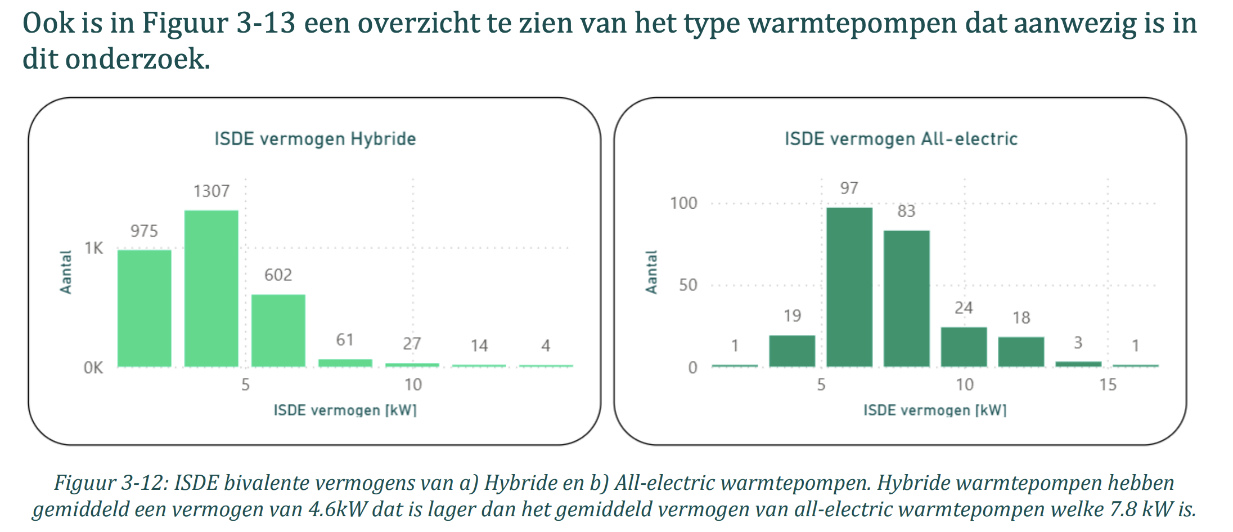
heat_output_capacity | 0.0078 | MW | The average bivalence capacity* of all-electric heat pumps in the Installatiemonitor research was 7.8 kW. The COP at bivalence capacity according to Bogdanov et al. (2024) is 2.7. Which is used to find the electrical capacity. *The capacity of the heat pump at the lowest outdoor temperature point at which the heat pump is declared to have a capacity able to meet 100 % of the heating load without supplementary heater This temperature is often around -7 °C as for the Sinclair SHP-140ICA + SHP-140ECA | Main source: | Installatiemonitor 3.0 |  |  | 3 | 60 | 57 | 2.2 | 2.2
fever.capacity.electricity | 0.0029 | MW |  | Supporting source: | Bogdanov et al. (2024) |  |  | 4 | 60 | 56 | 2.3 | 2.3
 |  |  |  | Supporting source: | Sinclair |  |  | 5 | 60 | 55 | 2.3 | 2.3
 |  |  |  |  |  |  |  | 6 | 60 | 54 | 2.4 | 2.3
 |  |  |  |  |  |  |  | 7 | 60 | 53 | 2.4 | 2.4
 |  |  |  |  |  |  |  | 8 | 60 | 52 | 2.4 | 2.4
 |  |  |  |  |  |  |  | 9 | 60 | 51 | 2.5 | 2.5
 |  |  |  |  |  |  |  | 10 | 60 | 50 | 2.5 | 2.5
 |  |  |  |  |  |  |  | 11 | 60 | 49 | 2.6 | 2.6
 |  |  |  |  |  |  |  | 12 | 60 | 48 | 2.6 | 2.6
 |  |  |  |  |  |  |  | 13 | 60 | 47 | 2.7 | 2.6
 |  |  |  |  |  |  |  | 14 | 60 | 46 | 2.7 | 2.7
 |  |  |  |  |  |  |  | 15 | 60 | 45 | 2.8 | 2.7

 |  |  |  |  |  |  |  | Average COP per degree |  |  | 0.04074
initial_investment | 10590.00 | € / # | Average between min and max | Main source: | Update kengetallen Vesta Mais
fixed_operation_and_maintenance_costs_per_year | 50.00 | € / year | Directly from source
storage.cost_per_mwh | 0.0 | € | Storage costs are assumed to be included in the average investment costs per household in Vesta Mais. The only costs they give are 'costs per house' and storage costs are never specified individually.

technical_lifetime | 15.00 | years |  | Main source: | Factsheet warmtepompen

storage.volume | 0.009 | MWh | Specific heat water: 1.163 Wh/L/K | Source volume tank: | ISSO
 |  |  | Delta T: 60 °C - 10 °C = 50 °C = 50 K (temperatures also used in F16)
 |  |  | Volume storage tank is situation dependent but at least 107L for a household without heat recovery system for the shower. More people, or a bath increase the tank size, heat recovery systems reduce the minimum tank size. As an estimated average we use 150 L.
 |  |  | 0.009

