Analysis
variable | value | unit | comment | source |  | Screenshots

technical_lifetime | 15.00 | years |  | Main source: | Factsheet warmtepompen

fever.capacity.network_gas | 0.02 | MW | Same assumptions as used in households_space_heater_combined_network_gas.converter.ad

 |  |  | Covered more extensively there
 |  |  | In general, capacity for central heating boilers are mostly related to the peak demand caused by tap water. So it makes sense to have the same value for here as tap water is coverd by the gas boiler.

output.useable_heat.network_gas | 0.9 |  | From households_water_heater_combined_network_gas
 |  |  | Efficiency is lower compared to the 107% that is used for space heating using network gas. The main difference is that because of higher temperature, the condensation doesn't occur.

Temperature dependant COP with 40 °C sink temperature
fever.base_cop | 2.10 |  | Bogdanov et al. (2024) give COP formulas as a function of delta T for air, ground and water source heat pumps. The formulas originate from Ruhnau et al. (2019), which used 2016 manufacturer data, but Bogdanov et al. updated the coefficients. The changes are small but the fact they're refised in 2024 improves credibility. While the formula has an exponential term, the curve is nearly linear in the relevant range (see chart). These attributes should reproduce a SCOP broadly in line with the static value under typical conditions. Tap water installations have to heat up to at least 55 °C at the tap, which means the temperature at the tank must be slightly higher, at least. So, we'll use an estimated average of 60 °C. Combined with average outside temperature of ~10 °C a COP of 2.5 is found using the formula. Close to installatiemonitor values. The COP per degree is derived from the average step between −10 and 15 °C outside temperature. | Main source: | Bogdanov et al. (2024)
fever.cop_per_degree | 0.04 |  |  | Supporting source: | Ruhnau et al. (2019) |  |  | Test formule (ASHP)
 |  |  |  | Supporting source: | Samenwerkende Drinkwaterbedrijven |  |  | Outside temp | Sink temp | delta T | COP | COP (lineair aproximation)
 |  |  |  | Supporting source: | KNMI klimaatdashboard |  |  | -10 | 60 | 70 | 1.8 | 1.7
 |  |  |  |  |  |  |  | -9 | 60 | 69 | 1.8 | 1.7
 |  |  |  |  |  |  |  | -8 | 60 | 68 | 1.8 | 1.8
 |  |  |  |  |  |  |  | -7 | 60 | 67 | 1.9 | 1.8
 |  |  |  |  |  |  |  | -6 | 60 | 66 | 1.9 | 1.9
 |  |  |  |  |  |  |  | -5 | 60 | 65 | 1.9 | 1.9
 |  |  |  |  |  |  |  | -4 | 60 | 64 | 2.0 | 1.9
 |  |  |  |  |  |  |  | -3 | 60 | 63 | 2.0 | 2.0
 |  |  |  |  |  |  |  | -2 | 60 | 62 | 2.0 | 2.0
 |  |  |  |  |  |  |  | -1 | 60 | 61 | 2.1 | 2.1
 |  |  |  |  |  |  | Base COP | 0 | 60 | 60 | 2.1 | 2.1
 |  |  |  |  |  |  |  | 1 | 60 | 59 | 2.1 | 2.1
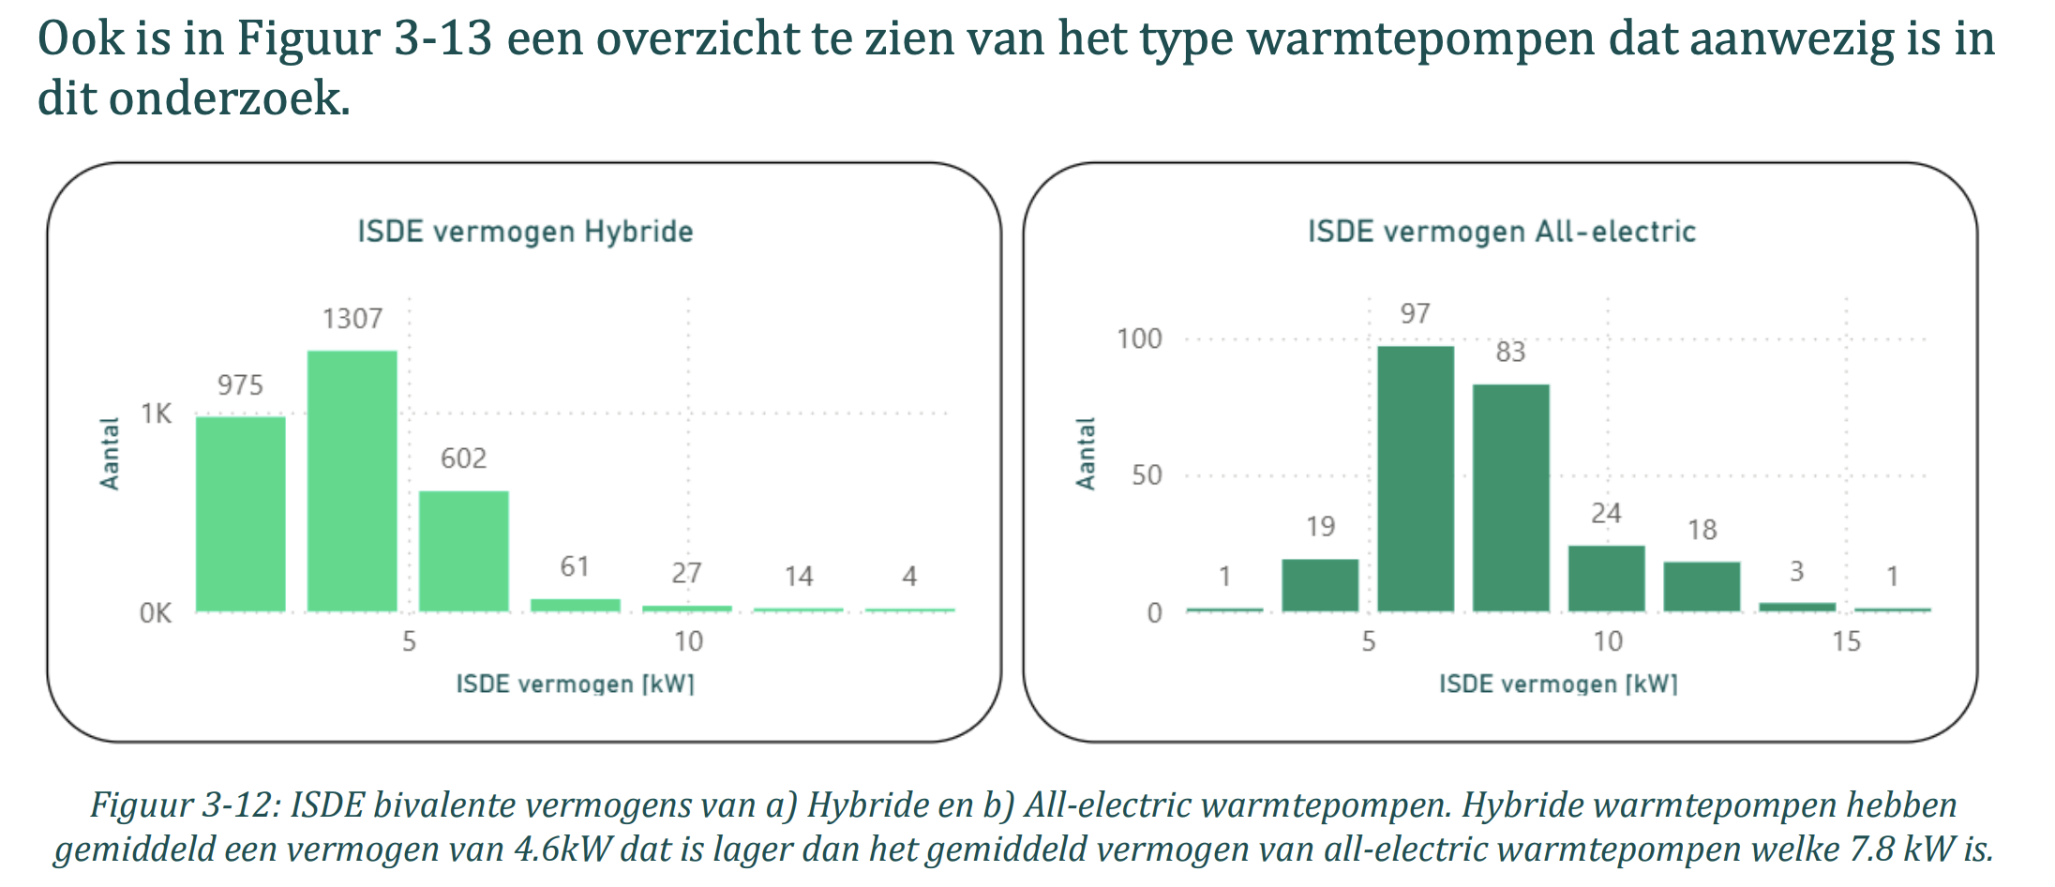
heat_output_capacity | 0.0235 | MW | The average bivalence capacity* of hybrid heat pumps in the Installatiemonitor research was 4.6 kW. The COP at bivalence capacity according to Bogdanov et al. (2024) is 2.7. Which is used to find the electrical capacity. In practice either the gas boiler or the heat pump runs, not both at the same time. Therefore the heat_output_capacity is calculated based on the highest capacity of the two is used. The heat_output_capacity is aligned with the heat_output_capacity of the space heater. Therefore an efficiency of 1.07 is used instead of 0.90 *The capacity of the heat pump at the lowest outdoor temperature point at which the heat pump is declared to have a capacity able to meet 100 % of the heating load without supplementary heater This temperature is often around -7 °C as for the Sinclair SHP-140ICA + SHP-140ECA | Main source: | Installatiemonitor 3.0 |  |  | 2 | 60 | 58 | 2.2 | 2.2
fever.capacity.electricity | 0.0017 | MW |  | Supporting source: | Bogdanov et al. (2024) |  |  | 3 | 60 | 57 | 2.2 | 2.2
 |  |  |  | Supporting source: | Sinclair |  |  | 4 | 60 | 56 | 2.3 | 2.3
 |  |  |  |  |  |  |  | 5 | 60 | 55 | 2.3 | 2.3
 |  |  |  |  |  |  |  | 6 | 60 | 54 | 2.4 | 2.3
 |  |  |  |  |  |  |  | 7 | 60 | 53 | 2.4 | 2.4
 |  |  |  |  |  |  |  | 8 | 60 | 52 | 2.4 | 2.4
 |  |  |  |  |  |  |  | 9 | 60 | 51 | 2.5 | 2.5
 |  |  |  |  |  |  |  | 10 | 60 | 50 | 2.5 | 2.5
 |  |  |  |  |  |  |  | 11 | 60 | 49 | 2.6 | 2.6
 |  |  |  |  |  |  |  | 12 | 60 | 48 | 2.6 | 2.6
 |  |  |  |  |  |  |  | 13 | 60 | 47 | 2.7 | 2.6
 |  |  |  |  |  |  |  | 14 | 60 | 46 | 2.7 | 2.7
 |  |  |  |  |  |  |  | 15 | 60 | 45 | 2.8 | 2.7

 |  |  |  |  |  |  |  | Average COP per degree |  |  | 0.04074

