Analysis
variable | value | unit | comment | source | Screenshots

technical_lifetime | 15.00 | years |  | Factsheet warmtepompen

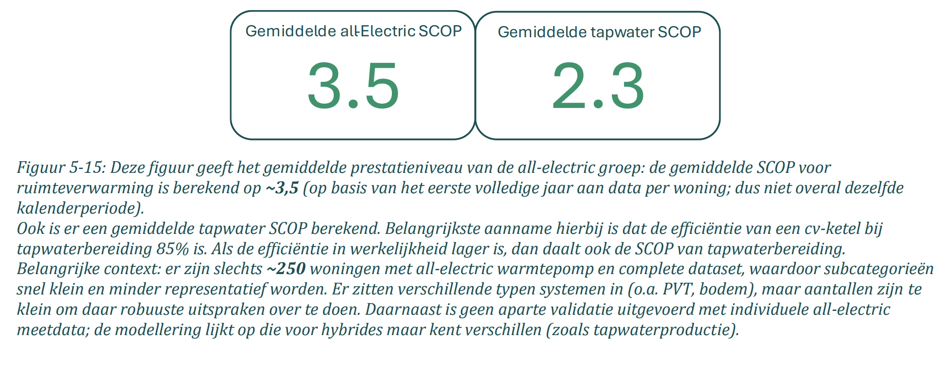
input.ambient_heat | 0.57 |  | The Installatiemonitor tracks smart meter data from households with heat pumps, collected between 01-2023 and 01-2026, and therefore reflects real-world performance. The sample covers 200–250 all-electric and 1,955 hybrid heat pumps with a complete dataset. The average SCOP for tap water is 2.3 | Installatiemonitor 3.0 - De warmtepomp in de gebouwde omgeving
input.electricity | 0.43

