Notes
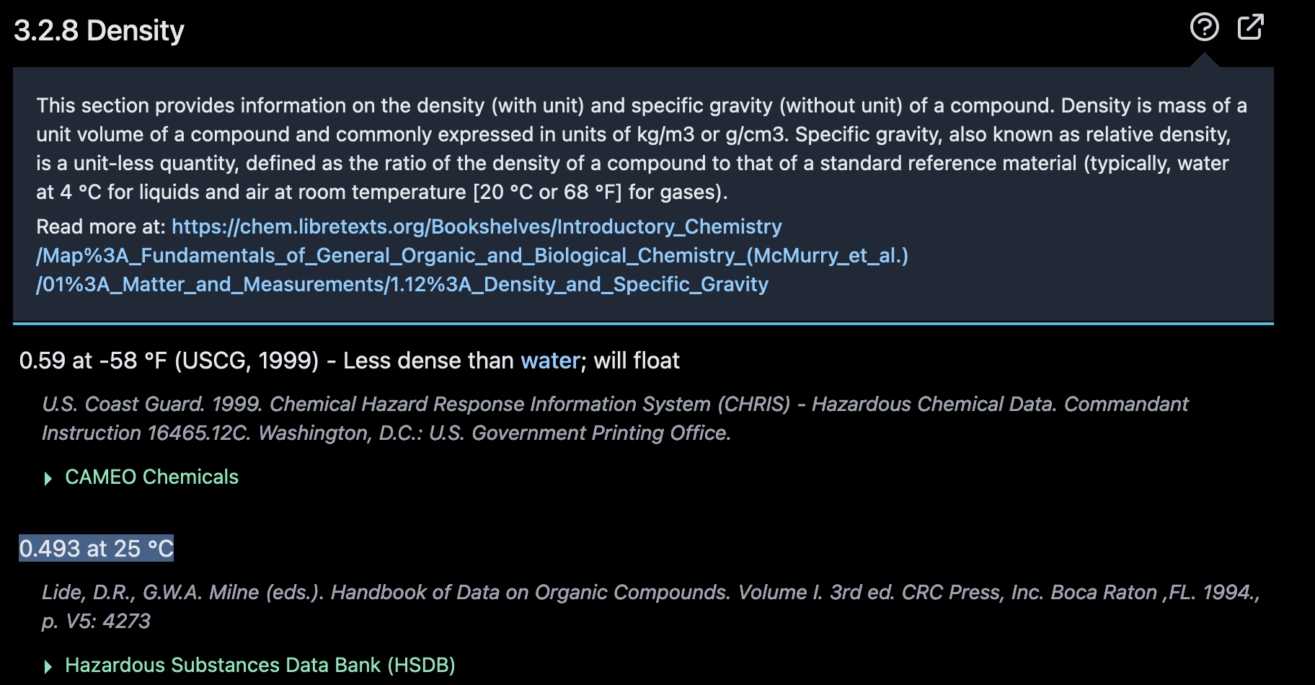
Sources | Attribute | Value | Unit | Notes

TNO | mj_per_kg | 46.53 | MJ/kg | Figure A
 |  |  |  |  | Figure A: LHV of propane
TNO | co2_conversion_per_mj | 0.06448 | kg/MJ | Figure A | Source: | TNO

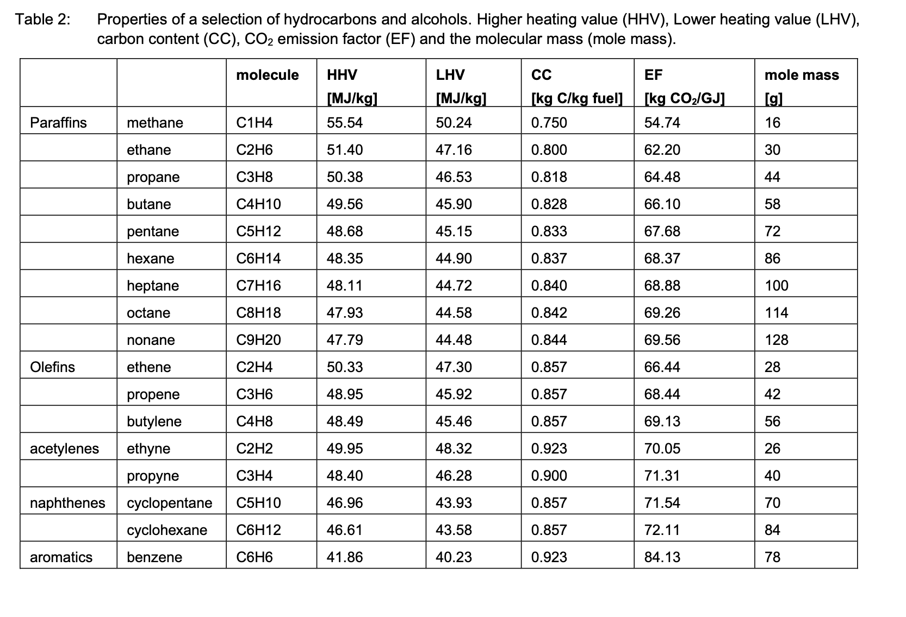
Trading Economics | cost per gallon | 0.72230 | USD/gallon | Figure B. Sold as liquid propane
European Central Bank | Exchange rate | 1.0825 | USD/eur | Figure C. Average of low and high in period 21-2-23 to 21-2-24
 |  | 3.785 | L/gallon
 | cost per liter | 0.17628843649 | eur/L
PubChem | density | 0.493 | kg/L | Figure D. Density of liquid propane in g/cm3 = kg/L
 | cost per kg | 0.35758303547 | eur/kg
 | cost_per_mj | 0.0076849996877 | eur/MJ

 |  |  |  |  | Figure B: propane prices at Mont Belvieu distribution hub, Texas
 |  |  |  |  | Source: | https://tradingeconomics.com/commodity/propane
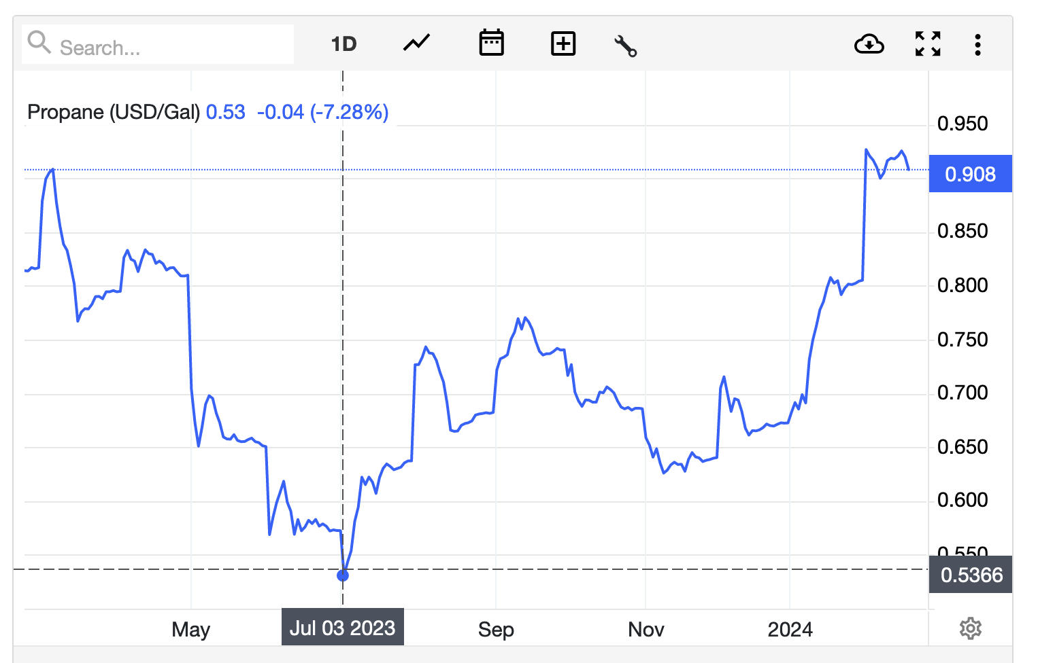
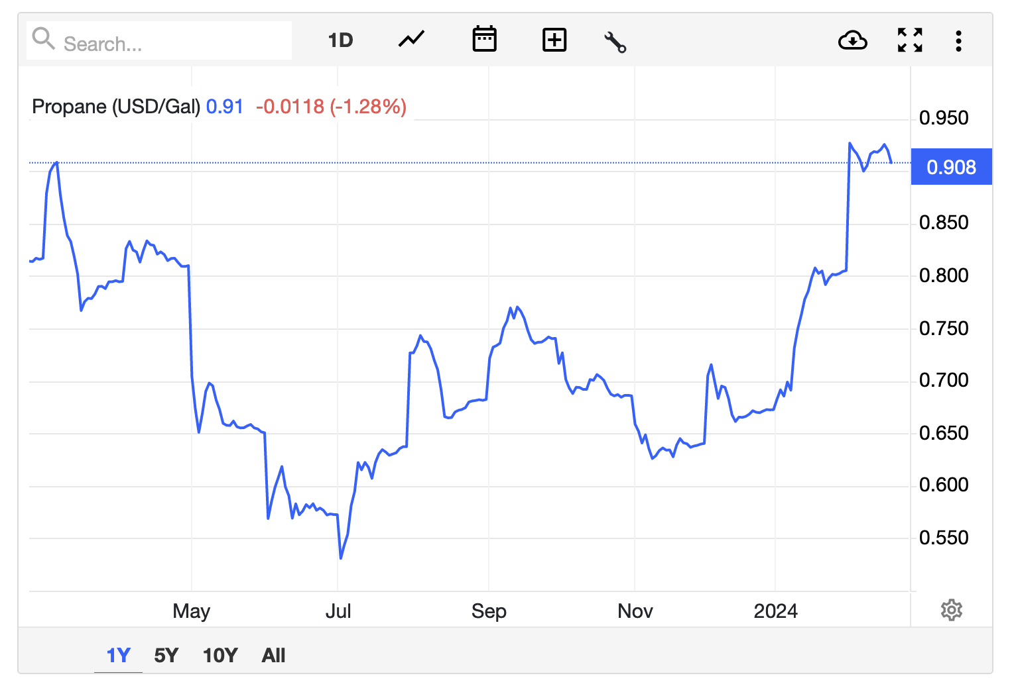

 |  |  |  |  | Figure C: exchange rate between USD and Eur
 |  |  |  |  | Source: | European Central Bank

 |  |  |  |  | Figure D: density of propane
 |  |  |  |  | Source: | pubChem

