Notes
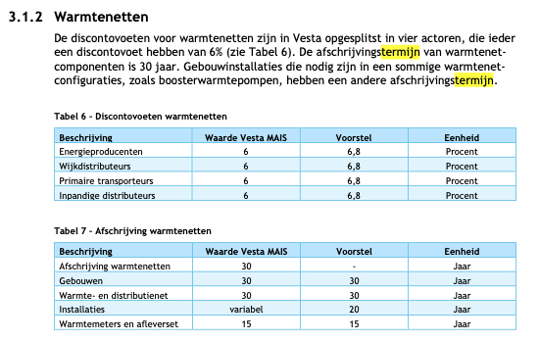
Source |  |  |  |  |  |  |  |  | Figure A
Vesta Functioneel Ontwerp 4.0
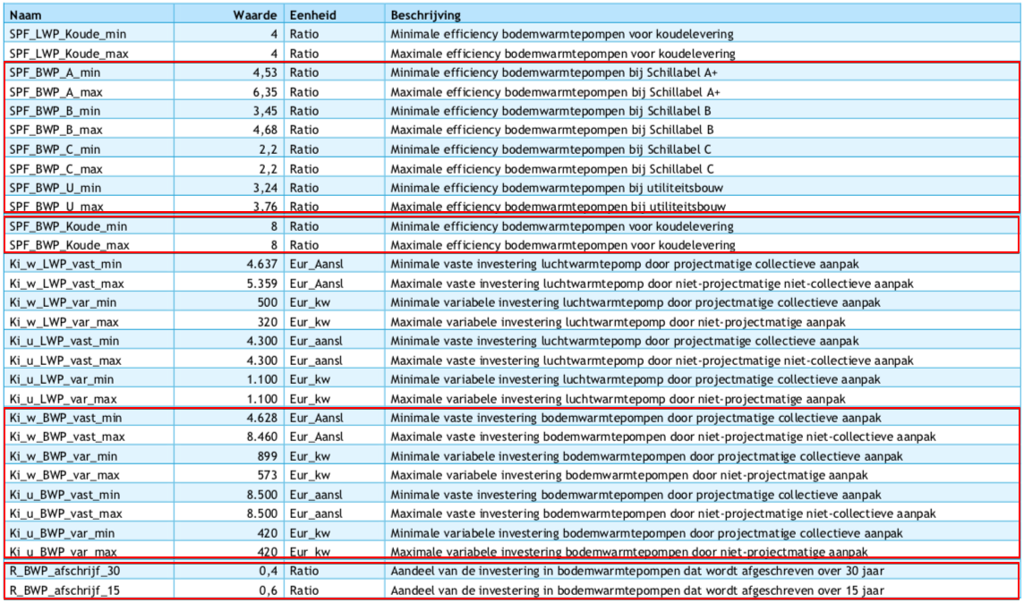
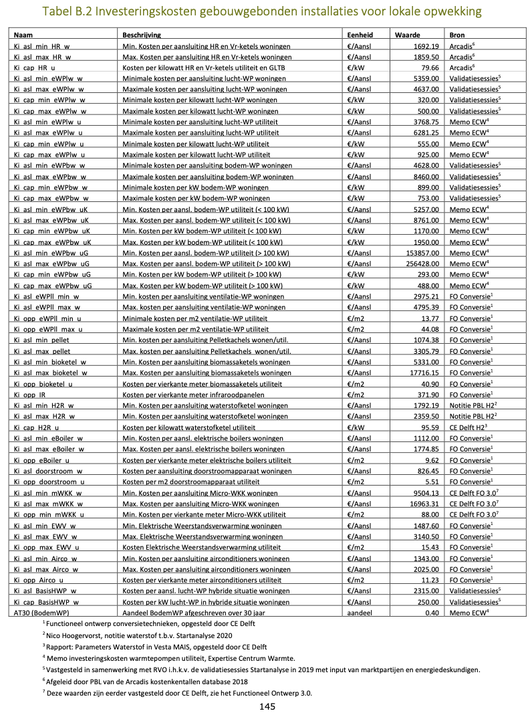
vaste investeringen |  | 8500 | euro/aansluiting
variable investeringen |  | 420 | euro/kW
initial_investment |  | 13120 | euro/unit

Seasonal Performance Factor - min |  | 3.24 | SPF_BWP_U_min
Seasonal Performance Factor - max |  | 3.76 | SPF_BWP_U_max
We nemen de bovenwaarde van deze range aan

input.ambient_heat |  | 0.7340
input.electricity |  | 0.2660

 | Note for this node source analysis
 | The notes below (written Oct 23 by Koen van Bemmelen) were taken by accident (confusion with other node)
 | and are incomplete.
 | They are currently not used in this node source analysis.

Source | Attribute (EN) | Attribute (NL) | Min value | Max value | Value | Unit | Comment | Data reference
Functioneel ontwerp 5.0 Vesta MAIS | Fixed investment costs collective heat pump utility building | Kosten per aansluiting bodem-WP utiliteit | 5257 | 8761 | 7009 | eur/connection | Value <100 kW | Figure A
 | Variable costs collective heat pump utility building | Kosten per kW bodem-WP utiliteit | 1170 | 1950 | 1560 | eur/kW | Value <100 kW | Figure A
 | Full load hours | Vollasturen
 | Technical lifetime | Afschrijftermijn |  |  | 30 | year | 40% of the investment costs is deprecated over 30 years, the rest over 15 years | Figure A

 | SPF collective heat pump utility building | SPF collective heat pump utility building |  |  | 3.61 | factor | Efficiency bodem-WP voor ruimteverwarming utiliteit | Figure B

 |  |  |  |  |  |  |  |  | Figure B

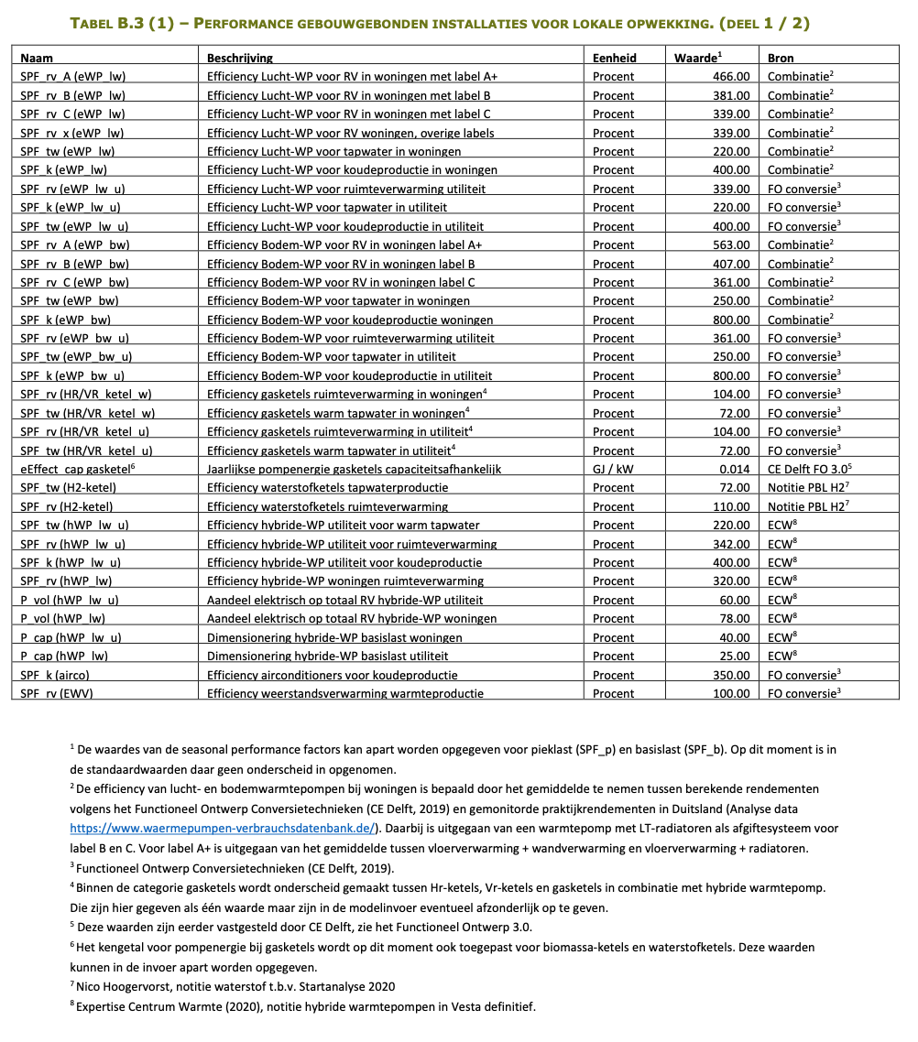

 |  |  |  |  |  |  |  |  | Figure C

