Notes
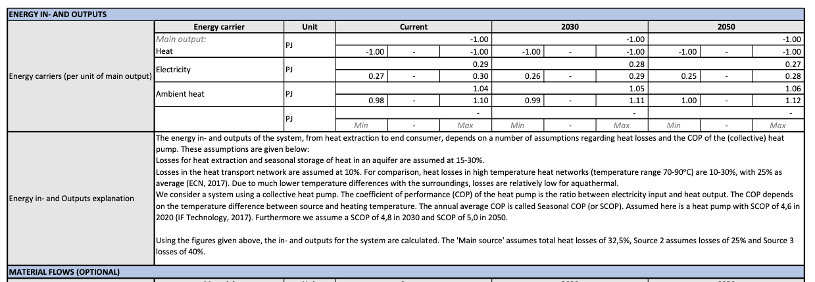
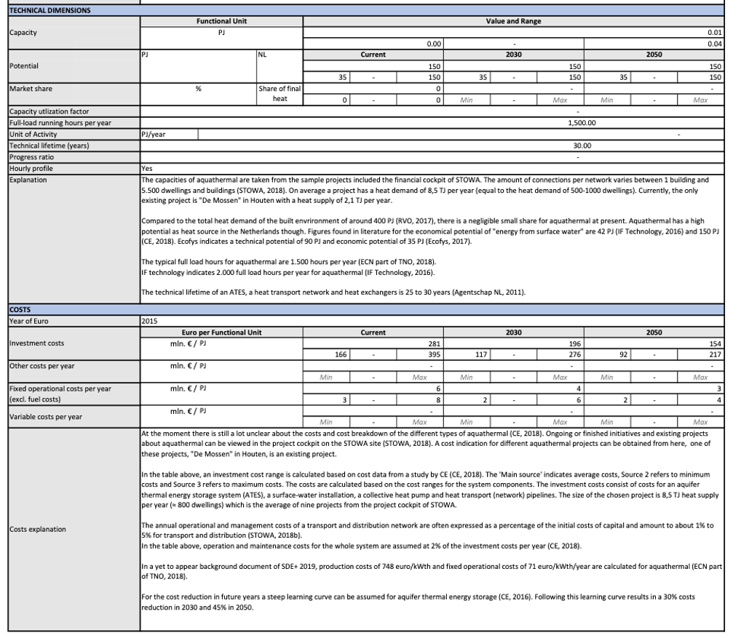
Source | Attribute (EN) | Attribute (NL) | Min value | Max value | Value | Unit | Comment | Data reference
Aquathermal surface water factsheet | Capacity | Jaarlijks geleverde energie | 0.01 | 0.04 | 0.025 | PJ |  | Figure A | Figure A
Aquathermal surface water factsheet | Full load hours | Vollasturen | 1500 | 2000 | 1750 | hours/year | Average of values mentioned in the table | Figure A
Aquathermal surface water factsheet | Technical lifetime | Afschrijftermijn |  |  | 30 | year |  | Figure A
Aquathermal surface water factsheet | Heat output capacity | Vermogen | 1.3888888889 | 7.4074074074 | 4.3981481481 | MW | 0.01-0.04 PJ mentioned in source taken as annual production based on mentioned full load hours | Figure A
Kengetallen aquathermie | SPF aquathermal surface water heat pump utility buildings | SPF TEO warmtepomp utiliteit | 2.7 | 3.9 | 3.3 | factor | Estimated from lines in graph based on 25000 GJ annual production | Figure B
Aquathermal surface water factsheet | SCOP aquathermal surface water heat pump utility buildings | SCOP TEO warmtepomp utiliteit |  |  | 4.6 |  | Mentioned in text, but based on collective system | Figure A

Aquathermal surface water factsheet | Investment costs aquathermal heat pump utility building | Kosten per aansluiting TEO warmtepomp utiliteit | € 4,150,000.00 | € 9,875,000.00 | € 7,012,500.00 | eur/unit | Costs in mln €/PJ taken from 'current' values in table. Costs calculated with average heat output capacity (see above) | Figure A
Kengetallen aquathermie | Investment costs aquathermal heat pump utility building | Kosten per aansluiting TEO warmtepomp utiliteit | € 5,277,777.78 | € 5,717,592.59 | € 5,497,685.19 | eur/unit | Costs in €/kW estimated from lines in graph based on 25000 GJ annual production. Costs calculated with average heat output capacity (see above) | Figure C
Functioneel ontwerp 5.0 Vesta MAIS | Investment costs aquathermal heat pump utility building | Kosten per aansluiting TEO warmtepomp utiliteit | € 960,833.33 | € 1,174,351.85 | € 1,067,592.59 | eur/unit | Based on minimum and maximum values of 'vaste kosten aanleggen TEO bron' en 'kosten per kW voor aanleggen TEO bron, using average heat output capacity calculated above. | Figure F
 | Investment costs aquathermal storage | Kosten per aansluiting WKO bron | € 590,208.33 | € 721,365.74 | € 655,787.04 | eur/unit | Based on minimum and maximum values of 'vaste kosten aanleggen WKO systeem' en 'kosten per kW voor aanleggen WKO systeem', using average heat output capacity calculated above.
Kengetallen aquathermie | Annual operation and maintenance costs aquathermal heat pump utility building | Jaarlijkse onderhouds- en beheerkosten TEO warmtepomp utiliteit | € 114,351.85 | € 123,148.15 | € 118,750.00 | eur/unit/year | Costs in €/kW estimated from lines in graph based on 25000 GJ annual production. Costs calculated with average heat output capacity (see above) | Figure D
Aquathermal surface water factsheet | Annual operation and maintenance costs aquathermal heat pump utility building | Jaarlijkse onderhouds- en beheerkosten TEO warmtepomp utiliteit | € 75,000.00 | € 200,000.00 | € 137,500.00 | eur/unit/year | Fixed operational costs/year. Calculated using average capacity (see above) | Figure A
Functioneel ontwerp 5.0 Vesta MAIS | Annual operation and maintenance costs aquathermal heat pump utility building | Jaarlijkse onderhouds- en beheerkosten TEO warmtepomp utiliteit | € 54,976.85 | € 70,125.00 | € 62,550.93 | eur/unit/year | Based on 'onderhoudspercentage WKO-bron' and the range of investment costs in €/connection | Figure E
Functioneel ontwerp 5.0 Vesta MAIS | Annual operation and maintenance costs aquathermal storage | Jaarlijkse onderhouds- en beheerkosten WKO bronnen |  |  | € 13,115.74 | eur/unit/year | Based on 'onderhoudspercentage WKO-bron' and the range of investment costs in €/connection | Figure E

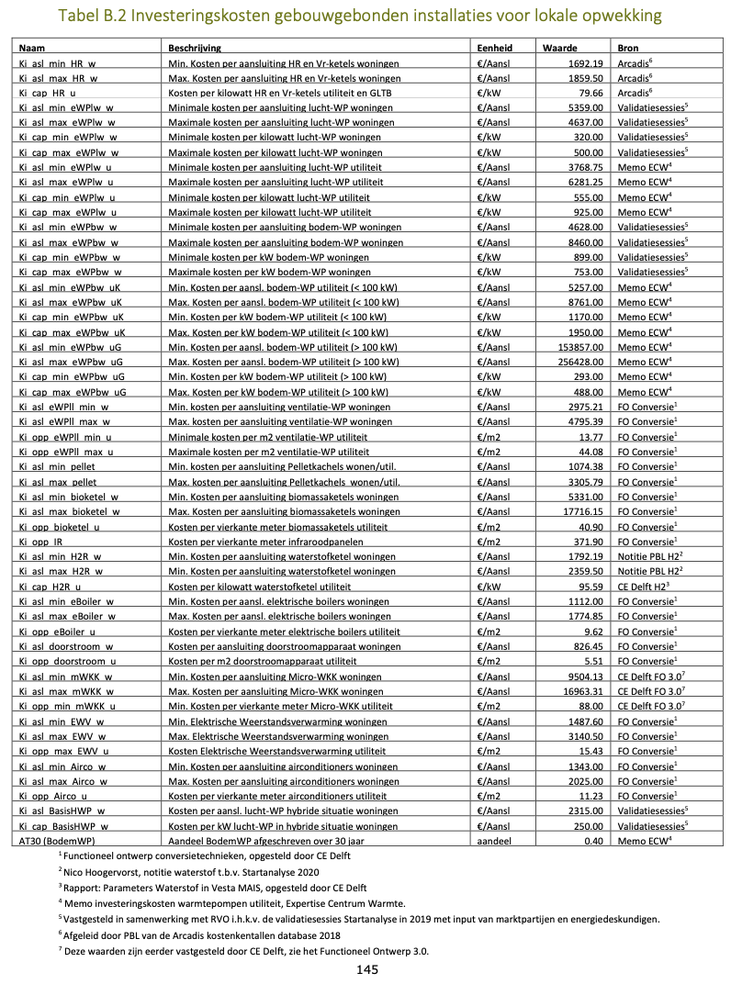

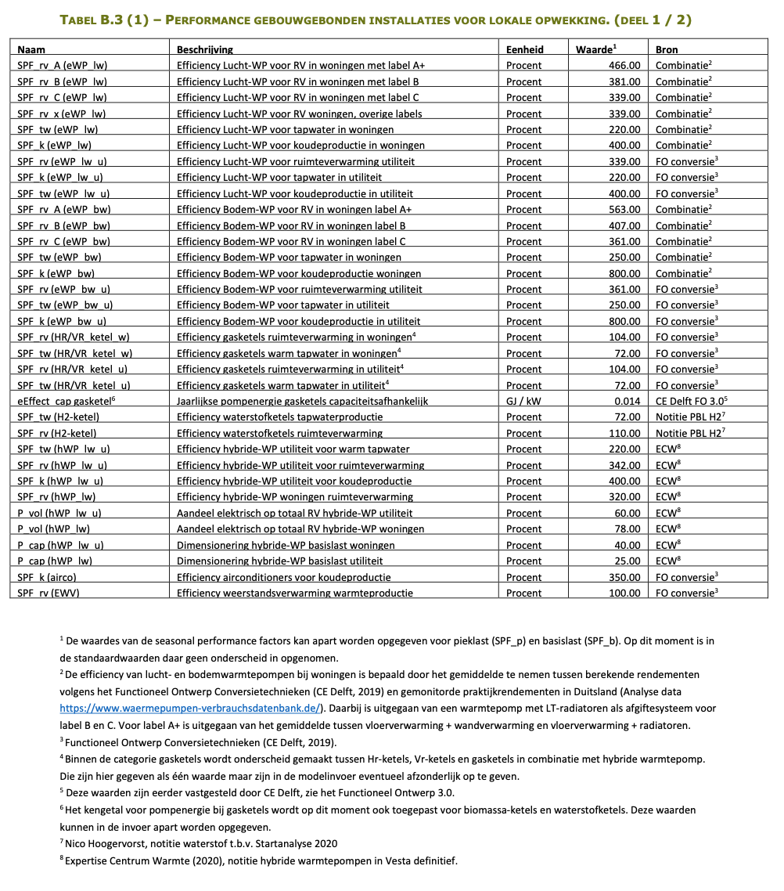

 |  |  |  |  |  |  |  |  | Figure B
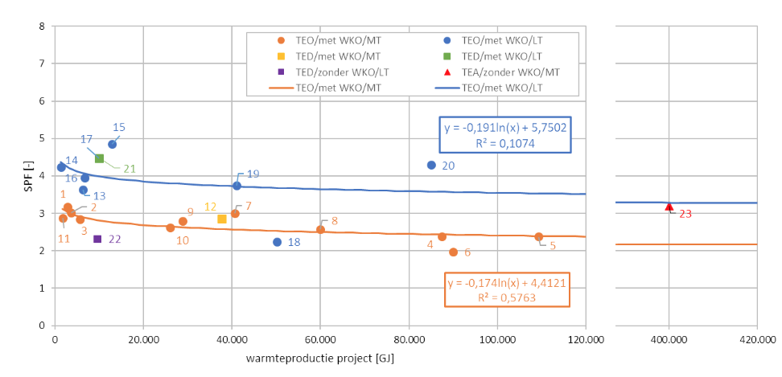

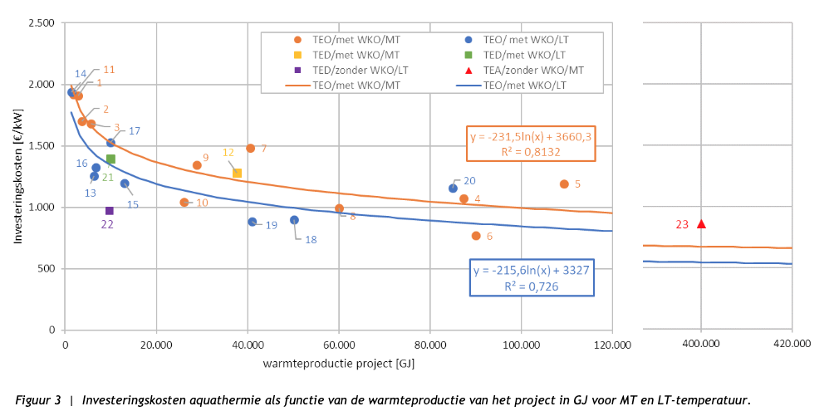
 |  |  |  |  |  |  |  |  | Figure C

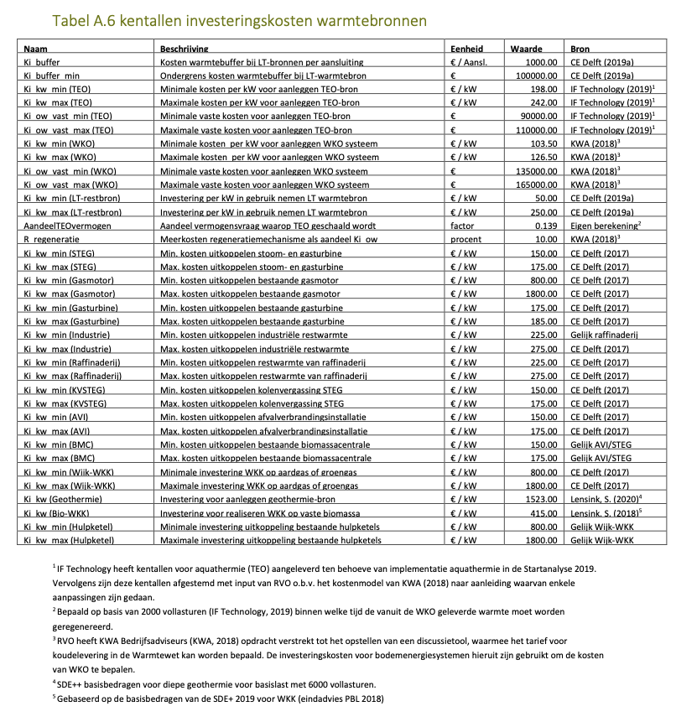

 |  |  |  |  |  |  |  |  | Figure D
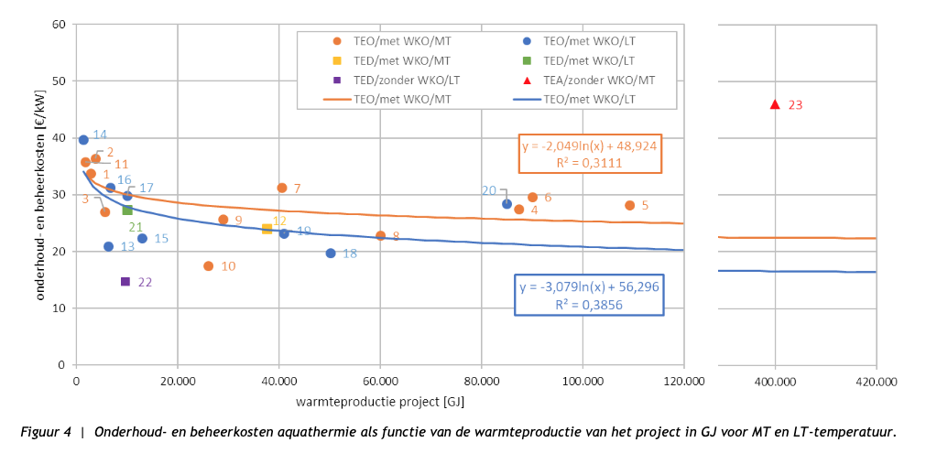

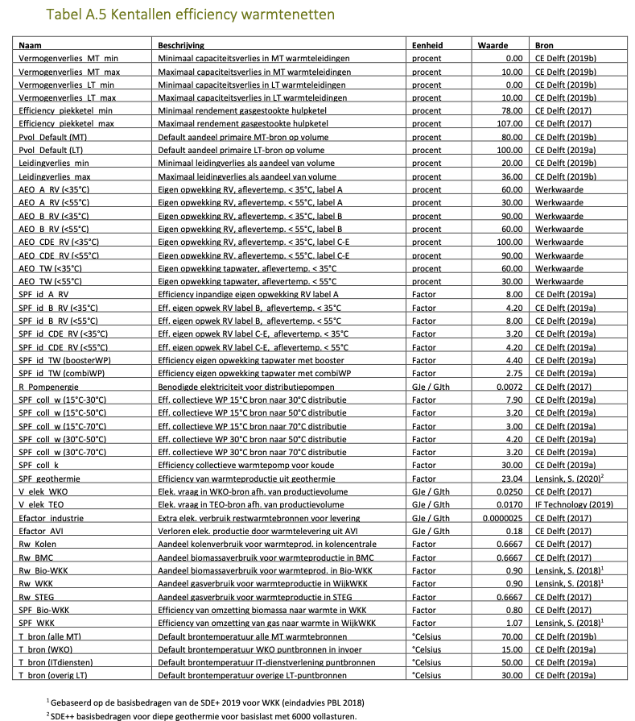

 |  |  |  |  |  |  |  |  | Figure E
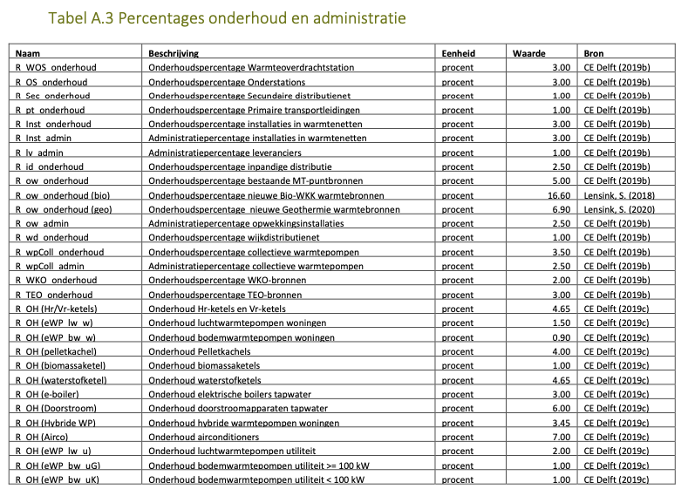

 |  |  |  |  |  |  |  |  | Figure F

