Notes
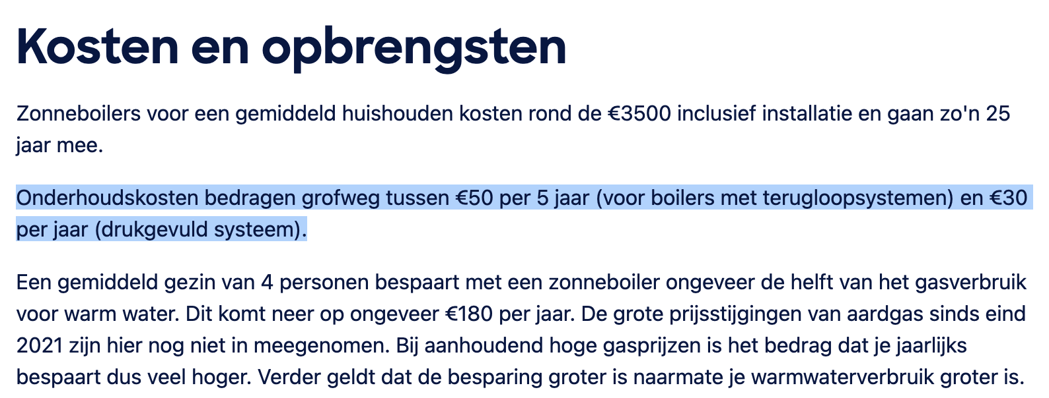
Source | Attribute | Min value | Max value | Value | Unit | Comment
 | land_use_per_unit |  |  | 1.6236 | m2 | Figure B
 | heat_output_capacity |  |  | 0.00113652 | MW | Figure A | Figure A: solar thermal panel characteristics
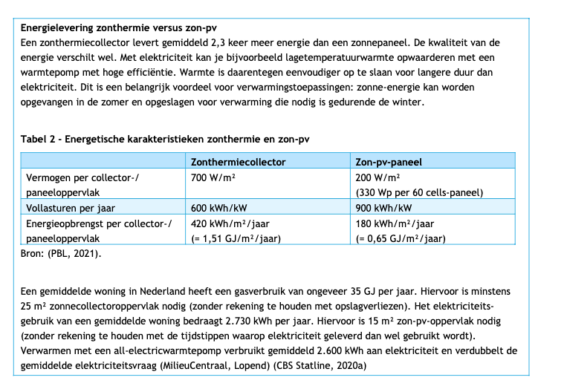
 | initial_investment |  |  | € 600 | eur | Costs per m2 from figure C scaled to Nero collector | Source: | CE Delft
 | output.useable_heat |  |  | 0.48 | factor | Figure B ηcol
 | full_load_hours |  |  | 600 | hours | Figure A
 | technical_lifetime |  |  | 25 | year | Figure D
 | fixed_operation_and_maintenance_costs_per_year | € 10.00 | € 30.00 | € 20.00 | eur/year | Figure E

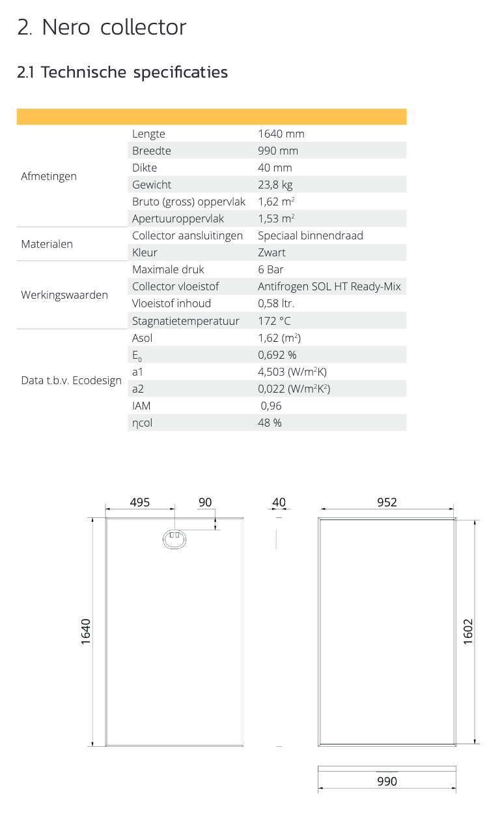
 |  |  |  |  |  |  | Figure B: solar thermal panel characteristics
 |  |  |  |  |  |  | Source: | HR Solar

 |  |  |  |  |  |  | Figure C: solar thermal panel costs
 |  |  |  |  |  |  | Source: | eco2all.nl
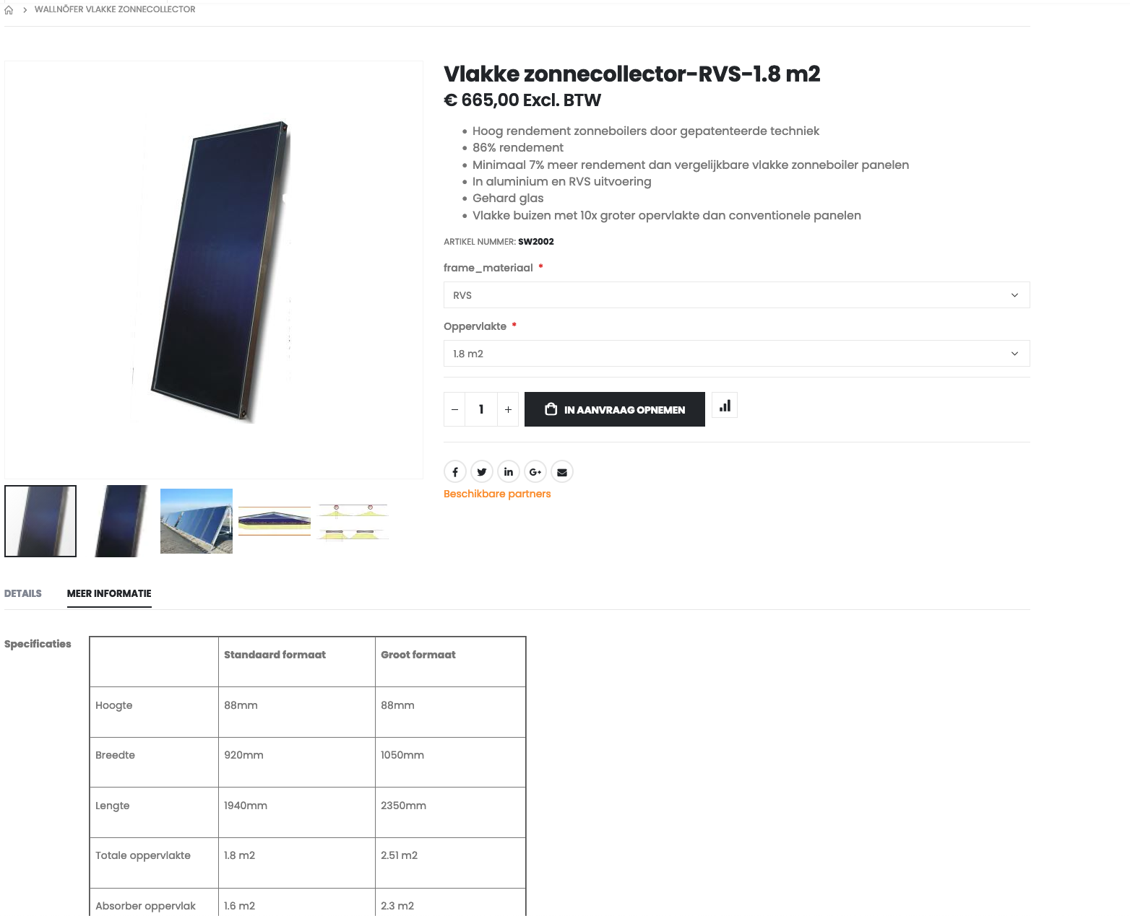

 |  |  |  |  |  |  | Figure D: technical lifetime
 |  |  |  |  |  |  | Source: | NPLW

 |  |  |  |  |  |  | Figure E: O&M costs
 |  |  |  |  |  |  | Source: | https://www.consumentenbond.nl/zonnepanelen/zonneboiler-kosten-opbrengsten

