Appliances split
Source | RVO, energiecijfers databank
link | https://energiecijfers.databank.nl/jive?workspace_guid=0f55ab62-f953-4173-9991-c8dae422b7a4

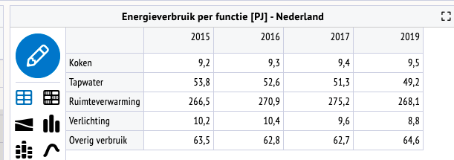

 |  |  | Tapwater vs space heating
 | Tapwater | 49.2 | 15.51%
 | Space heating | 268.1 | 84.49%
 | Lighting | 8.8
 | Other | 64.6

Electricity
Final electricity demand | 84094.05514 | Eurostat 2019 energy balance | Link tot database | Direct link
Electricity demand Cooling | 966 | Eurostat 2019; Disaggregated final energy consumption in households - quantities (nrg_d_hhq) U | https://ec.europa.eu/eurostat/web/energy/data/database | https://appsso.eurostat.ec.europa.eu/nui/show.do?dataset=nrg_d_hhq&lang=en
Electricity demand Cooking | 2880 | Eurostat 2019; Disaggregated final energy consumption in households - quantities (nrg_d_hhq) U | https://ec.europa.eu/eurostat/web/energy/data/database | https://appsso.eurostat.ec.europa.eu/nui/show.do?dataset=nrg_d_hhq&lang=en
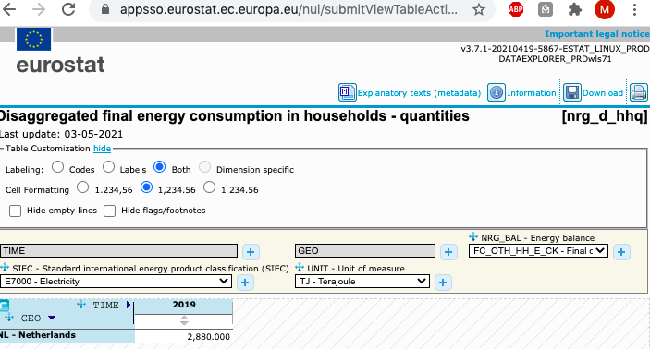
Electricity demand Lighting | 8800 | Energiecijfers | https://energiecijfers.databank.nl//jive?workspace_guid=69c47922-829b-4a2e-9079-9ebf29327929 | https://energiecijfers.databank.nl//jive?workspace_guid=69c47922-829b-4a2e-9079-9ebf29327929
Electricity demand Space Heating | 6129 | Eurostat 2019; Disaggregated final energy consumption in households - quantities (nrg_d_hhq) U | https://ec.europa.eu/eurostat/web/energy/data/database | https://appsso.eurostat.ec.europa.eu/nui/show.do?dataset=nrg_d_hhq&lang=en
Electricity demand Hot Water | 2772 | Eurostat 2019; Disaggregated final energy consumption in households - quantities (nrg_d_hhq) U | https://ec.europa.eu/eurostat/web/energy/data/database | https://appsso.eurostat.ec.europa.eu/nui/show.do?dataset=nrg_d_hhq&lang=en
Final electricity demand (ex cooling , cooking and lighting) | 62547
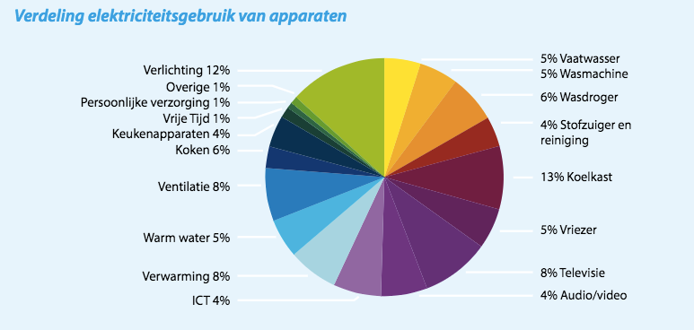
 | Enenrgietrends 2016
vaatwasser | 5.00%
wasmachine | 5.00%
wasdroger | 6.00%
stof. + rest | 4.00%
koelkast | 13.00%
vriezer | 5.00%
televisie | 8.00%
audio/video | 4.00%
ict | 4.00%
verwarming | 8.00%
warmwater | 5.00%
ventilatie
kookapp.
keukenapp. | 4.00%
vrije tijd | 1.00%
pers. verz. | 1.00%
overig | 1.00%
verlichting |  |  | Source: | Energietrends 2016, page 9 (ECN, Energie-Nederland en Netbeheer Nederland)
totaal | 74.00% |  | Hyperlink: | https://refman.energytransitionmodel.com/publications/2068

The numbers from Energietrends 2016 need to be recast on the ETM categories.

Category | Original data | Corrected data | Final electricity demand
Dishwasher | 5.00% | 8.20% | 5126.77
Fridges / Freezers | 18.00% | 29.51% | 18456.37
Washing Machines | 5.00% | 8.20% | 5126.77
Dryers | 6.00% | 9.84% | 6152.12
Television | 8.00% | 13.11% | 8202.83
Computers / Media | 8.00% | 13.11% | 8202.83
Vacuum Cleaners | 4.00% | 6.56% | 4101.42
Others | 7.00% | 11.48% | 7177.48
 |  | 100.00%

Space heating |  |  | 6129.00
Hot water |  |  | 2772.00

Lighting |  |  | 8800.00
Cooking |  |  | 2880.00
Cooling |  |  | 966.47

 |  |  | 84094.06 | TRUE
The numbers in red are used to the 'Final demand per energy carrier' sheet (use Trace Dependents to find their destination)

Heat pumps cooling
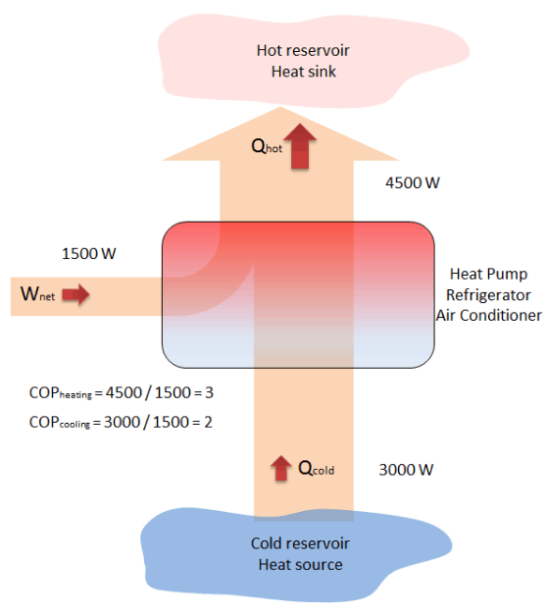
Source: | CBS
Hyperlink: | https://opendata.cbs.nl/#/CBS/nl/dataset/82379NED/table?dl=520DA

Calculations
Onttrekking van koude in 2019
Koeling uit bodemwarmtepompen totaal | 1794 | TJ

Koeling van bodemwarmtepompen huishoudens | 975 | TJ
Vermogen bodemwarmtepompen huishoudens | 87 | MW
Vermogen bodemwarmtepompen overige gebouwen | 73 | MW

Number of heat pumps for heating (air) | 189423 | units | ETM nl 2019
Number of heat pumps for heating (ground) | 62925 | units | ETM nl 2019
Number of residences | 7890000 | units | ETM nl 2019
Share of residences with airco | 6% | % | KEV (2020): " in 2018 bezit slechts 6 procent van de huishoudens een airco."
Number of airco units | 473400 | units

 | Airco | Heat pump (air) | Heat pump (ground) | Unit
Number of units | 473400 | 189423 | 62925 | units
Cooling capacity per unit | 10 | 10 | 10 | kW/unit | ETM currently has 3 kW/unit airco, but assumption is that all cooling units should supply the same cooling demand
Full load hours | 560 | 560 | 560 | h/y | ETM
Useful cooling demand | 2651040 | 1060768.8 | 352380 | MWh/y
Useful cooling demand | 9544 | 3819 | 1269 | TJ
COP | 4 | 4.5 | 19 | - | ETM
Electricity demand | 2386 | 849 | 67 | TJ
Electricity demand scaled | 698 | 248 | 20 | TJ

Assumptions
Based on diagram below.
Heat sink for cooling is where the heat should go, either the ambient air or the ground reservoir.
Heat source for cooling is where the heat should be extracted from, the house.
Assumed that COPcooling is used in the ETM (even though the ETM has not COP for cooling yet, https://github.com/quintel/etmodel/issues/1440)

Assumed that Qcold is equal to "Onttrekking koude uit bodem" and useful cooling demand.

Housing type & insulation (old)
This page contains the following data for in the analyses. The red numbers should be copied to the analyses:
1. insulation start values for households and buildings (area_analysis)
2. number of houses per housing type (area_analysis)
3. percentage per housing type (residences_analysis)
4. average heat demand per housing type (residences_analysis)
How did we calculated this data? (Nora Schinkel & Marlieke Verweij)
- The values for insulation and housing types are calculated based on the BAG2019 data (files: residences_bag20200101.csv & services_bag20200101.csv) and energy label data from EPonline (files: v20201001_csv)
- We have used the scripts in this DB folder: Projects/Inactive/2018_projects/201809_Heat_and_regional_energy_transition/Huizenvoorraad en energielabels per regio (buildings_data_transformation.ipynb, buildings_data_grouped.ipynb, residence_data_grouped.ipynb, residence_data_transformation.ipynb)
- The output of this script can be pasted below.

Output scripts
Households - script: residence_data_grouped.ipynb
woningtype | woningvoorraad_totaal | epi | woningtype_share | woningtype_naam | energielabel
1 | 1023689 | 1.8296963225 | 0.13009588463 | Vrijstaande woning | D
2 | 696110 | 1.9382614905 | 0.088465389637 | Twee-onder-een-kapwoning | D
3 | 1018121 | 1.6412261982 | 0.12938827335 | Hoekwoning | C
4 | 2365618 | 1.6035921813 | 0.30063541409 | Tussenwoning | C
5 | 2765189 | 1.6518244216 | 0.35141503829 | Appartement | C

Buildings - script: buildings_data_grouped.ipynb
naam | waarde
mean_epi | 1.593184281
energielabel | C
reductie | 0.46

Calculating heat demand reduction with average EPI as input
 | Average EPI (source: BAG 2019) |  |  |  |  |  |  |  | Values | key area-file
Apartement | 1.65182 |  |  |  |  |  | 16% |  | 15.67 | insulation_apartments_start_value
Corner | 1.64123 |  |  | 20% |  |  |  |  | 20.06 | insulation_corner_houses_start_value
Detached | 1.82970 |  | 13% |  |  |  |  |  | 13.06 | insulation_detached_houses_start_value
Semi-detached | 1.93826 |  |  |  |  | 13% |  |  | 13.17 | insulation_semi_detached_houses_start_value
Terraced | 1.60359 |  |  |  | 21% |  |  |  | 20.92 | insulation_terraced_houses_start_value

Buildings | 1.59318 |  |  |  |  |  |  | 46% | 46.18 | insulation_buildings_start_value

Table: heat demand reduction vs. EPI (source: https://docs.energytransitionmodel.com/main/insulation)
label | x |  | Detached | Corner | Terraced | Semi-detached | Apartement | Buildings | Energie-Index
G |  | 0% | 0% | 0% | 0% | 0% | 0% |  | > 2.7
F | 2.55 | 8% | 4% | 3% | 3% | 4% | 3% |  | 2.41 - 2.7
E | 2.25 | 15% | 7% | 5% | 5% | 9% | 5% | 0% | 2.11 - 2.40
D | 1.95 | 23% | 11% | 13% | 13% | 13% | 8% | 31% | 1.81 - 2.1
C | 1.6 | 31% | 17% | 21% | 21% | 18% | 17% | 46% | 1.41 - 1.8
B | 1.3 | 38% | 24% | 29% | 29% | 29% | 27% | 54% | 1.21 - 1.4
A | 1 | 46% | 37% | 35% | 37% | 40% | 32% | 64% | 0.81 - 1.2
A+ | 0.7 | 54% | 50% | 42% | 46% | 50% | 38% | 74% | 0.61 - 0.8
A++ | 0.5 | 61% | 59% | 55% | 57% | 60% | 52% |  | 0.41 - 0.6
A+++ |  | 69% | 67% | 69% | 69% | 69% | 67% |  | < 0.4

Heat demand reduction vs. EPI for built environment
 | Detached | Corner | Terraced | Semi-detached | Apartement | lineair | Buildings
x | 0% | 0% | 0% | 0% | 0% | 0%
 | 4% | 3% | 3% | 4% | 3% | 8%
 | 7% | 5% | 5% | 9% | 5% | 15% | 0
 | 11% | 13% | 13% | 13% | 8% | 23% | 0.31
 | 17% | 21% | 21% | 18% | 17% | 31% | 0.46
 | 24% | 29% | 29% | 29% | 27% | 38% | 0.54
 | 37% | 35% | 37% | 40% | 32% | 46% | 0.64
 | 50% | 42% | 46% | 50% | 38% | 54% | 0.74
 | 59% | 55% | 57% | 60% | 52% | 61%
 | 67% | 69% | 69% | 69% | 67% | 69%

Housing types
 | % | # | key area-file
Totaal |  | 7,891,786 | number_of_residences | please fill dashboard with rounded numbers
Apartments | 0.35141503829 | 2773292 | number_of_apartments | please fill dashboard with rounded numbers
Corner houses | 0.12938827335 | 1021105 | number_of_corner_houses | please fill dashboard with rounded numbers
Detached houses | 0.13009588463 | 1026689 | number_of_detached_houses | please fill dashboard with rounded numbers
Semi-detached houses | 0.088465389637 | 698150 | number_of_semi_detached_houses | please fill dashboard with rounded numbers
Terraced houses | 0.30063541409 | 2372550 | number_of_terraced_houses | please fill dashboard with rounded numbers

Average heat demand per housing type

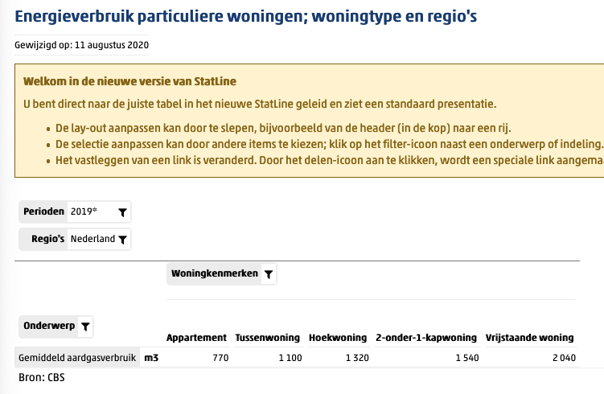
 | m3 | TJ for hot water + space heating | TJ for space heating
Apartments | 770 | 0.0243705 | 0.020592
Corner houses | 1320 | 0.041778 | 0.035300
Detached houses | 2040 | 0.064566 | 0.054555
Semi-detached houses | 1540 | 0.048741 | 0.041183
Terraced houses | 1100 | 0.034815 | 0.029417
Total | 6770

natural gas TJ per m3 (LHV): | 0.00003165

https://opendata.cbs.nl/statline/#/CBS/nl/dataset/81528NED/table?dl=55393

