pattern 수정 report
Gmt Shrinkage Test & Marker Allowance Adjustment Report

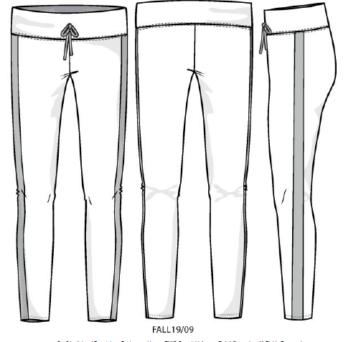
Buyer : JUSTICE |  |  |  |  |  |  |  |  | Color :
Description : |  |  |  |  |  |  |  |  | Lot #:
Sty# / P.O# : 450552

Garment wash | Yes |  | No | Verified shrinkage rate : |  |  |  |  | % in length |  | % in width
Fabric wash | Yes |  | No | Verified sewing allowance : |  |  |  | inch in length |  |  | inch in width

 | SIZE | 10 | Original 패턴 |  |  |  |  |  | 1차 패턴 수정 (1st adjustment) |  |  |  |  |  | 2 차 패턴 수정 2nd adjustment
Gmts Point of m/ments | SIZE SPEC | Tol | Pattern measured | Difference +/- | GMT measurement |  |  |  | allowance adjustment 패턴 수정분 | Pattern measured 변경 부위 패턴 측정 | 1st finalized pattern 1차 최종패턴 | GMT measurement |  |  | allowance adjustment 패턴 수정분 | Pattern measured변경 부위 패턴 측정 | 2nd finalized pattern 2차 최종패턴 | GMT measurement
 |  |  |  |  | 1 | 2 | 3 |  |  |  |  | 1 | 2 | 3 |  |  |  | 1 | 2 | 3
WAIST ELASTIC HEIGHT | 0.5 | 0 | 0.5 |  |  |  |  |  |  |  | 0.5
WAISTBAND HEIGHT--WIDE WAIST | 3 | 0.25 | 3 | 0 |  |  |  |  |  |  | 3
WAIST RELAXED (1/2)--LEGGING | 11 | 0.375 | 11 | 0 |  |  |  |  |  |  | 11
WAIST RELAXED @ SEAM (1/2)-LEGGING | 12 | 0.375 | 12 | 0 |  |  |  |  |  |  | 12
WAIST EXTENDED AT TOP EDGE- (1/2 MINIMUM)--LEGGING | 15.5 | 0 | 15.5 | 0 |  |  |  |  |  |  | 15.5
LOW HIP POSITION FROM TOP EDGE - LEGGING | 5.5 | 0 | 5.5 | 0 |  |  |  |  |  |  | 5.5
LOW HIP @ HIP POSITION (1/2)--LEGGING | 13 | 0.375 | 13 | 0 |  |  |  |  |  |  | 13
FRONT RISE TO TOP EDGE--LEGGING | 8 | 0.25 | 8 | 0 |  |  |  |  | -0.125 |  | 7.875
BACK RISE TO TOP EDGE--LEGGING | 10.5 | 0.25 | 10.3125 | -0.1875 |  |  |  |  | -0.125 |  | 10.1875
THIGH @ CROTCH POINT (1/2)--LEGGING | 7.625 | 0.25 | 7.625 | 0 |  |  |  |  |  |  | 7.625
KNEE POSITION FROM CROTCH POINT | 10 | 0 | 10 | 0 |  |  |  |  |  |  | 10
KNEE (1/2)--LEGGING | 5 | 0.375 | 5 | 0 |  |  |  |  |  |  | 5
INSEAM LENGTH - 22" -FULL -LEGGING | 23.5 | 0.375 | 23.5 | 0 |  |  |  |  | 0.25 |  | 23.75
LEG OPENING (1/2) -19"-FULLSKINNY/ LEGGING/JOGGER | 3.5 | 0.125 | 3.5 | 0 |  |  |  |  | -0.25 |  | 3.25
MINIMUM LEG OPENING EXTENDED (1/2)--LEGGING | 5.5 | 0 | 5.5 | 0 |  |  |  |  |  |  | 5.5
CUFF HEIGHT | 0.75 | 0 | 0.75 | 0 |  |  |  |  |  |  | 0.75
SIDE PANEL WIDTH *VENDOR ADVISE GRADE | 2 | 0.25 | 2 | 0 |  |  |  |  |  |  | 2

 | POM needed : |  |  |  |  |  |  |  | POM needed : |  |  |  |  |  | POM needed :
 | Date : 16/07/2019 |  |  |  |  |  |  |  | Date : 19/07/2019 |  |  |  |  |  | Date :
 |  |  |  |  |  |  |  |  | \

 |  |  |  | Sigh by Cutting mgr |  |  |  |  | Sign by Production mgr
Sigh by Pattern maker

