Archetype_1
...
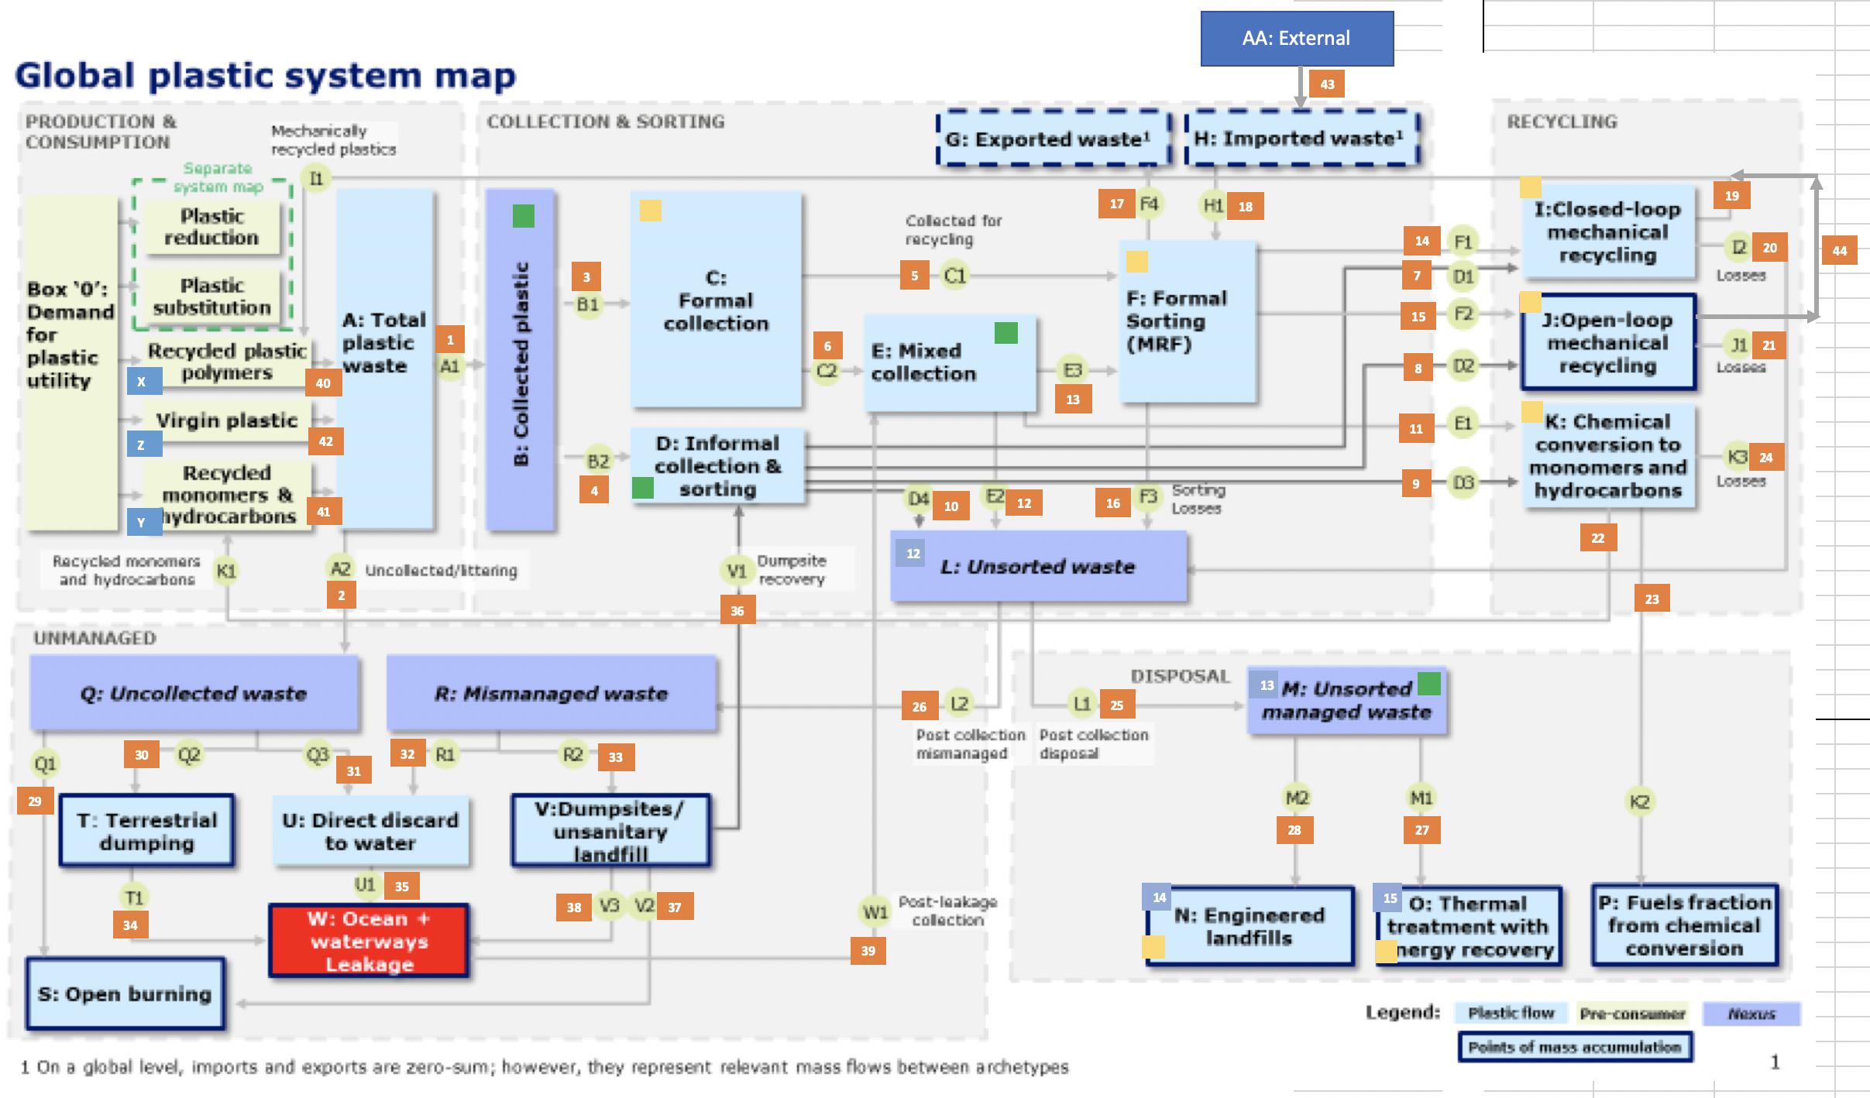
...
 | How much does OL change (mt) per mt increase in x | How much change in flow (x) is required to reduce OL by 1 mt | Flow (Mt) | Maximum OL Change
'Driving flow', x | y=Ocean leakage
1. 'Collected | -1.64E-01 | 6.09 | 87.1119 | 14.294191671
2. 'Uncollected | 3.99E-01 | -2.50 | 0.038283 | -0.01528601907
3. Formal Collection | 2.07E-03 | -483.19 | 87.0022 | -0.18005975312
4. Informal Collection | 0.00E+00 | - | 0.1101904 | -
5: collected for recycling | -1.45E-03 | 691.85 | 34.4298 | 0.04976483292
6: | 1.45E-03 | -691.85 | 52.5607 | -0.07597123578
7: Inform --> CL-MR | 0.00E+00 | - | 0.06334456 | -
9: Informal --> Chemical conversion | #NUM! | - | 0 | -
10: Informal --> Unsorted | 1.75E-03 | -570.58 | 0.00958898 | -1.6805646348E-05
11: Mixed collection --> Chemical conversion | 0.00E+00 | - | 0.56266 | -
13: Mixed collection --> Formal sorting | #NUM! | - | 0 | -
14: Formal --> CL-MR | 9.54E-05 | -10479.54 | 14.29623 | -0.0013642034515
16: Formal sorting losses | 1.83E-03 | -545.29 | 9.13903 | -0.016760067117
17: exports | -8.91E-04 | 1122.13 | 7.3798 | 0.006576582568
18: imports | 0.00E+00 | - | 5.1836 | -
19: | -2.32E-03 | 431.74 | 10.46023 | 0.024227984726
20: CL-MR losses | 2.32E-03 | -431.74 | 3.868781 | -0.0089608705522
44: | -2.87E-03 | 347.87 | 6.83252 | 0.019640761992
21: OL-MR losses | 2.87E-03 | -347.87 | 2.52706 | -0.007264286676
22: P2P | #NUM! | - | 0 | -
24: Chemical conversion losses | 4.41E-03 | -226.90 | 0.151891 | -0.0006694140152
25: Unsorted waste --> Managed waste | -9.52E-02 | 10.50 | 64.8704 | 6.1783866368
26: | 9.52E-02 | -10.50 | 2.43077 | -0.23151139634
27: | 0.00E+00 | - | 37.8799 | -
28: Landfill | 0.00E+00 | - | 27.1716 | -
...
CAPEX | CAPEX | CAPEX | CAPEX | CAPEX | CAPEX | CAPEX | PRICE | PRICE | PRICE | PRICE | PRICE |  | REVENUES | REVENUES | REVENUES | REVENUES | REVENUES | REQ_INVESTMENT | REQ_INVESTMENT | REQ_INVESTMENT | REQ_INVESTMENT | REQ_INVESTMENT | REQ_INVESTMENT | REQ_INVESTMENT
Engineered landfills | Reduce - Eliminate | Reduce - Reuse | Reduce - New Delivery Models | Substitute - Paper | Substitute - Coated paper | Substitute - Compostables | Closed loop MR | Open loop MR | Chemical conversion (P2P) | Chemical conversion (P2F) | Thermal treatment energy sale (per tonne of plastic) |  | Closed loop MR | Open loop MR | Chemical conversion (P2P) | Chemical conversion (P2F) | Thermal treatment energy sale (per tonne of plastic) | Virgin plastic production | Plastic conversion | Formal collection | Informal collection | Formal sorting | Closed loop MR | Open loop MR
53 | 54 | 55 | 56 | 57 | 58 | 59 | 60 | 61 | 62 | 63 | 64 | 65 | 66 | 67 | 68 | 69 | 70 | 71 | 72 | 73 | 74 | 75 | 76 | 77
...
13.047 | 0 | 0 | 0 | 0 | 0 | 0 | 8.9763E-20 | 2.1625E-19 | 8.1603E-20 | 8.1603E-20 | 9.9453E-21 | 0 | 108.49 | 48.069 | 0 | 0.3997 | 15.097 | 5.8754E-19 | 2.2849E-19 | 6.9362E-20 | 0 | -1.8191E-08 | 6.8143E-07 | 4.4688E-07
-11.077 | 0 | 0 | 0 | 0 | 0 | 0 | -2.651E-16 | -2.5626E-16 | -2.2975E-16 | -3.5346E-17 | -1.2703E-17 | 0 | 0 | 0 | 0 | 0 | -12.941 | -2.8277E-16 | -6.7158E-16 | -4.4183E-17 | 0 | 0 | 0 | 0
9.0937 | 0 | 0 | 0 | 0 | 0 | 0 | 6.5372E-20 | 8.1715E-20 | 3.6772E-20 | 3.2686E-20 | 3.575E-21 | 0 | 0 | 0 | 0 | 0.40169 | 10.534 | 1.144E-19 | 2.0429E-19 | -7.1501E-21 | 0 | -1.683E-07 | -1.4221E-06 | -2.9154E-07
...

