flow_sensitivity
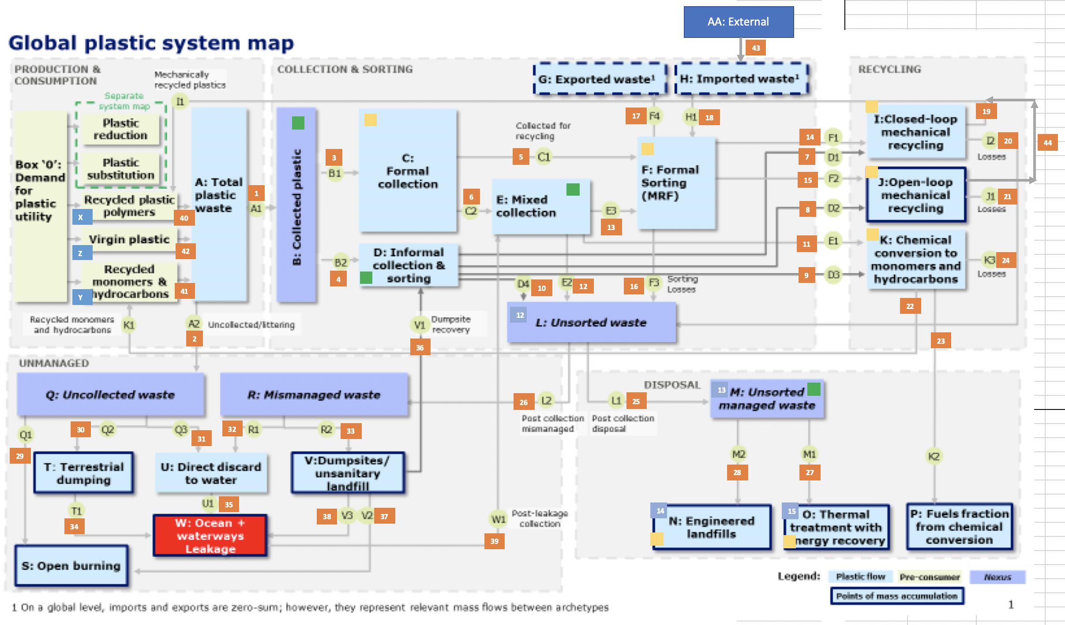
 |  |  |  |  |  |  |  |  |  |  |  |  |  |  |  |  |  |  |  |  |  |  |  |  |  |  |  |  |  |  |  |  |  |  |  |  |  |  |  |  |  |  |  |  |  |  | Open burning | Closed-loop MR | Open-loop MR | Formal sorting

 | Flow number | 1 | 2 | 3 | 4 | 5 | 6 | 7 | 8 | 9 | 10 | 11 | 12 | 13 | 14 | 15 | 16 | 17 | 18 | 19 | 20 | 21 | 22 | 23 | 24 | 25 | 26 | 27 | 28 | 29 | 30 | 31 | 32 | 33 | 34 | 35 | 36 | 37 | 38 | 39 | 40 | 41 | 42 | 43 | 44
Flow number | Flow ID | A1 | A2 | B1 | B2 | C1 | C2 | D1 | D2 | D3 | D4 | E1 | E2 | E3 | F1 | F2 | F3 | F4 | H1 | I1 | I2 | J1 | K1 | K2 | K3 | L1 | L2 | M1 | M2 | Q1 | Q2 | Q3 | R1 | R2 | T1 | U1 | V1 | V2 | V3 | W1 | X1 | Y1 | Z1 | AA1 |  | OL
5 | C1 | 0.00 | 0.00 | 0.00 | 0.00 | 1.00 | -1.00 | 0.00 | 0.00 | 0.00 | 0.00 | -0.0000015 | -1.00 | 0.00 | 0.48 | 0.32 | 0.20 | 0.00 | 0.00 | 0.35 | 0.13 | 0.09 | 0.00 | 0.00 | 0.00 | -0.56 | -0.02 | -0.21 | -0.35 | 0.00 | 0.00 | 0.00 | 0.00 | -0.02 | 0.00 | 0.00 | 0.00 | 0.00 | 0.00 | 0.00 | 0.00 | 0.00 | 0.00 | 0.00 | 0.24 | 0.00 | 0.00 | 0.49 | 0.32 | 1.00
17 | F4 | 0.00 | 0.00 | 0.00 | 0.00 | 0.00 | 0.00 | 0.00 | 0.00 | 0.00 | 0.00 | 0.00 | 0.00 | 0.00 | -0.53 | -0.27 | -0.20 | 1.00 | 0.00 | -0.38 | -0.14 | -0.07 | 0.00 | 0.00 | 0.00 | -0.40 | -0.01 | -0.15 | -0.25 | 0.00 | 0.00 | 0.00 | 0.00 | -0.01 | 0.00 | 0.00 | 0.00 | 0.00 | 0.00 | 0.00 | 0.00 | 0.00 | 0.00 | 0.00 | -0.20 | 0.00 | 0.00 | -0.53 | -0.27 | 0.00
18 | H1 | 0.00 | 0.00 | 0.00 | 0.00 | 0.00 | 0.00 | 0.00 | 0.00 | 0.00 | 0.00 | 0.00 | 0.00 | 0.00 | 0.00 | 0.00 | 0.00 | 0.00 | 0.00 | 0.00 | 0.00 | 0.00 | 0.00 | 0.00 | 0.00 | 0.00 | 0.00 | 0.00 | 0.00 | 0.00 | 0.00 | 0.00 | 0.00 | 0.00 | 0.00 | 0.00 | 0.00 | 0.00 | 0.00 | 0.00 | 0.00 | 0.00 | 0.00 | 0.00 | 0.00 | 0.00 | 0.00 | 0.00 | 0.00 | 0.00
20 | I2 | 0.00 | 0.00 | 0.00 | 0.00 | 0.00 | 0.00 | 0.00 | 0.00 | 0.00 | 0.00 | 0.00 | 0.00 | 0.00 | 0.00 | 0.00 | 0.00 | 0.00 | 0.00 | -1.00 | 1.00 | 0.00 | 0.00 | 0.00 | 0.00 | 0.96 | 0.04 | 0.36 | 0.61 | 0.00 | 0.00 | 0.00 | 0.00 | 0.03 | 0.00 | 0.00 | 0.00 | 0.01 | 0.00 | 0.00 | 0.00 | 0.00 | 0.00 | 0.00 | 0.00 | 0.00 | 0.01 | 0.00 | 0.00 | 0.00
21 | J1 | 0.00 | 0.00 | 0.00 | 0.00 | 0.00 | 0.00 | 0.00 | 0.00 | 0.00 | 0.00 | 0.00 | 0.00 | 0.00 | 0.00 | 0.00 | 0.00 | 0.00 | 0.00 | 0.00 | 0.00 | 1.00 | 0.00 | 0.00 | 0.00 | 0.96 | 0.04 | 0.36 | 0.61 | 0.00 | 0.00 | 0.00 | 0.00 | 0.03 | 0.00 | 0.00 | 0.00 | 0.01 | 0.00 | 0.00 | 0.00 | 0.00 | 0.00 | 0.00 | -1.00 | 0.00 | 0.01 | 0.00 | 0.00 | 0.00
22 | K1 | Inf | Inf | Inf | Inf | Inf | Inf | Inf | Inf | NaN | Inf | Inf | Inf | NaN | Inf | Inf | Inf | Inf | Inf | Inf | Inf | Inf | NaN | Inf | Inf | Inf | Inf | Inf | Inf | Inf | Inf | Inf | Inf | Inf | Inf | Inf | NaN | Inf | Inf | Inf | NaN | NaN | Inf | Inf | Inf | Inf | Inf | Inf | Inf | Inf
28 | M2 | 0.00 | 0.00 | 0.00 | 0.00 | 0.00 | 0.00 | 0.00 | 0.00 | 0.00 | 0.00 | 0.00 | 0.00 | 0.00 | 0.00 | 0.00 | 0.00 | 0.00 | 0.00 | 0.00 | 0.00 | 0.00 | 0.00 | 0.00 | 0.00 | 0.00 | 0.00 | -1.00 | 1.00 | 0.00 | 0.00 | 0.00 | 0.00 | 0.00 | 0.00 | 0.00 | 0.00 | 0.00 | 0.00 | 0.00 | 0.00 | 0.00 | 0.00 | 0.00 | 0.00 | 0.00 | 0.00 | 0.00 | 0.00 | 0.00
7 | D1 | 0.00 | 0.00 | 0.00 | 0.00 | 0.00 | 0.00 | 1.00 | -1.00 | 0.00 | 0.00 | 0.00 | 0.00 | 0.00 | 0.00 | 0.00 | 0.00 | 0.00 | 0.00 | 0.73 | 0.27 | -0.27 | 0.00 | 0.00 | 0.00 | 0.00 | 0.00 | 0.00 | 0.00 | 0.00 | 0.00 | 0.00 | 0.00 | 0.00 | 0.00 | 0.00 | 0.00 | 0.00 | 0.00 | 0.00 | 0.00 | 0.00 | 0.00 | 0.00 | -0.73 | 0.00 | 0.00 | 0.99 | -1.00 | 0.00
9 | D3 | Inf | Inf | Inf | Inf | Inf | Inf | Inf | Inf | NaN | Inf | Inf | Inf | NaN | Inf | Inf | Inf | Inf | Inf | Inf | Inf | Inf | NaN | Inf | Inf | Inf | Inf | Inf | Inf | Inf | Inf | Inf | Inf | Inf | Inf | Inf | NaN | Inf | Inf | Inf | NaN | NaN | Inf | Inf | Inf | Inf | Inf | Inf | Inf | Inf
10 | D4 | 0.00 | 0.00 | 0.00 | 0.00 | -0.02 | -0.02 | 0.00 | -1.00 | 0.00 | 1.00 | 0.00 | -0.01 | 0.00 | -0.01 | -0.01 | -0.01 | 0.00 | 0.00 | -0.01 | 0.00 | -0.27 | 0.00 | 0.00 | 0.00 | 0.68 | 0.03 | 0.25 | 0.43 | 0.00 | 0.00 | 0.00 | 0.00 | 0.02 | 0.00 | 0.00 | 0.00 | 0.01 | 0.00 | 0.00 | 0.00 | 0.00 | 0.00 | 0.00 | -0.74 | 0.00 | 0.01 | -0.01 | -1.01 | -0.03
11 | E1 | 0.00 | 0.00 | 0.00 | 0.00 | 0.00 | 0.00 | 0.00 | 0.00 | 0.00 | 0.00 | 1.00 | 0.00 | 0.00 | 0.00 | 0.00 | 0.00 | 0.00 | 0.00 | 0.00 | 0.00 | 0.00 | 0.00 | 0.72 | 0.27 | 0.00 | 0.00 | 0.00 | 0.00 | 0.00 | 0.00 | 0.00 | 0.00 | 0.00 | 0.00 | 0.00 | 0.00 | 0.00 | 0.00 | 0.00 | 0.00 | 0.00 | 0.00 | 0.00 | 0.00 | 0.00 | 0.00 | 0.00 | 0.00 | 0.00
13 | E3 | Inf | Inf | Inf | Inf | Inf | Inf | Inf | Inf | NaN | Inf | Inf | Inf | NaN | Inf | Inf | Inf | Inf | Inf | Inf | Inf | Inf | NaN | Inf | Inf | Inf | Inf | Inf | Inf | Inf | Inf | Inf | Inf | Inf | Inf | Inf | NaN | Inf | Inf | Inf | NaN | NaN | Inf | Inf | Inf | Inf | Inf | Inf | Inf | Inf
14 | F1 | 0.00 | 0.00 | 0.00 | 0.00 | 0.00 | 0.00 | 0.00 | 0.00 | 0.00 | 0.00 | 0.00 | 0.00 | 0.00 | 1.00 | -1.00 | 0.00 | 0.00 | 0.00 | 0.74 | 0.27 | -0.23 | 0.00 | 0.00 | 0.00 | 0.04 | 0.00 | 0.01 | 0.02 | 0.00 | 0.00 | 0.00 | 0.00 | 0.00 | 0.00 | 0.00 | 0.00 | 0.00 | 0.00 | 0.00 | 0.00 | 0.00 | 0.00 | 0.00 | -0.63 | 0.00 | 0.00 | 1.01 | -0.86 | 0.00
16 | F3 | 0.00 | 0.00 | 0.00 | 0.00 | 0.00 | -0.01 | 0.00 | 0.00 | 0.00 | 0.00 | 0.00 | 0.00 | 0.00 | 0.00 | -1.00 | 1.00 | 0.00 | 0.00 | 0.00 | 0.00 | -0.27 | 0.00 | 0.00 | 0.00 | 0.70 | 0.03 | 0.26 | 0.44 | 0.00 | 0.00 | 0.00 | 0.00 | 0.02 | 0.00 | 0.00 | 0.00 | 0.01 | 0.00 | 0.00 | 0.00 | 0.00 | 0.00 | 0.00 | -0.73 | 0.00 | 0.01 | 0.00 | -1.00 | 0.00
24 | K3 | 0.00 | 0.00 | 0.00 | 0.00 | 0.00 | 0.00 | 0.00 | 0.00 | 0.00 | 0.00 | 0.00 | 0.00 | 0.00 | 0.00 | 0.00 | 0.00 | 0.00 | 0.00 | 0.00 | 0.00 | 0.00 | 0.00 | -1.00 | 1.00 | 0.94 | 0.04 | 0.35 | 0.59 | 0.00 | 0.00 | 0.00 | 0.00 | 0.02 | 0.00 | 0.00 | 0.00 | 0.01 | 0.00 | 0.00 | 0.00 | 0.00 | 0.00 | 0.00 | 0.00 | 0.00 | 0.01 | 0.00 | 0.00 | 0.00
25 | L1 | 0.00 | 0.00 | 0.00 | 0.00 | 0.00 | 0.00 | 0.00 | 0.00 | 0.00 | 0.00 | 0.00 | 0.00 | 0.00 | 0.00 | 0.00 | 0.00 | 0.00 | 0.00 | 0.00 | 0.00 | 0.00 | 0.00 | 0.00 | 0.00 | 1.00 | -1.00 | 0.41 | 0.71 | 0.00 | 0.00 | 0.00 | -0.05 | -0.70 | 0.00 | -0.05 | 0.00 | -0.21 | -0.05 | 0.00 | 0.00 | 0.00 | 0.00 | 0.00 | 0.00 | -0.10 | -0.21 | 0.00 | 0.00 | 0.00

