Exercises
Exercises
STT | Requirement | Description | Notes | Content
1 | Install environment | Git | https://git-scm.com/downloads | Git - enviroment
 |  |  | https://confluence.atlassian.com/bitbucketserver/basic-git-commands-776639767.html
 |  | Angular | https://angular.io/guide/setup-local | Angular - enviroment
2 | Clone source from Git - Bitbucket | Link bitbucket | git clone https://nmtri3@bitbucket.org/nmtri3/internship.git | Git - working
3 | Create new branch from branch master | branch name (intern-201*-********) | git checkout -b <branchname>
4 | Checkout to branch intern-201*-******** | check branch | git branch
5 | Run project | #1: move to folder contain source git #2: npm install #3: ng serve || ng serve --open #4: localhost:4200 |  | Angular - working basic

6 | Create menu Personal on sidebar | use file menu.component.html | 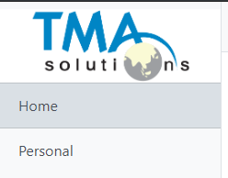 | Javascript - html

7 | Create model Personal | file: src/app/models/Personal.ts Personal has property: - id (cmnd): string - name: string - birthday: Date - gender: boolean + getID(): string + setID(string): void + getName(): string + setName(string): void + getBirthDay(): Date + setBirthDay(Date): void + getGenner(): boolean + setGenner(boolean): void |  | Angular - model Javascript - objects
8 | Create module Personal and routing module Personal | module: src/app/pages/master/personal/personal.module.ts | ng g module <module_name> --flat, use --flat if you don't want create new folder personal | Angular - working with module
 |  | routing module: src/app/pages/master/personal/personal-routing.module.ts | ng g module <module_name> --flat, use --flat if you don't want create new folder personal
9 | Create component Personal list | component: src/app/pages/master/personal/personal-list/personal-list.component.ts && personal-list.component.scss && personal-list.component.html | ng g component <component_name> | Angular - working with component
10 | Create router link to personal list | url: localhost:4200/#/master/personal/list | use routing module | Angular - working with routing module
11 | Create service personal | file: src/app/pages/master/personal/personal.service.ts | ng g service <service_name> | Angular - service basic
12 | Create data of personal list | create property ListPersonal in personal.service.ts | 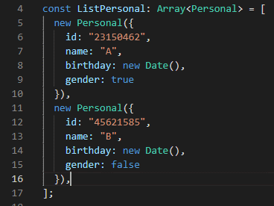 Example:

13 | Create function in service | write function: + getListPesonal(): Array<Personal> + addPersonal(newPersonal: Personal): void + updatePersonal(personal: Personal): void + deletePersonal(id: string): void
14 | Show list personal when click menu personal | use personal.service.ts to show id, name, birthday, gender of list personal on viewer | use table tag or others, call personal.service.ts in file personal-list.component.ts to use it | Angular - working between service with component
15 | Create button Add personal on viewer pesonal list |  |  | Angular - html
16 | Create detail personal component | component: src/pages/master/personal/personal-detail/personal-detail.component.ts && .scss && .html |  | Angular - module, navigation, component
17 | Router link to personal-detail when click button Add | url: localhost:4200/#/master/personal/add
18 | Create form add personal | + input name + input birthday, show calendar (optional) + radio | checkbox | selection gender + button Save | if use calendar with birthday, reseach "datepicker ngx-bootstrap" | Angular - validation
19 | Validation for form add personal | + input name (required) -> show error if empty + input birthday (required) -> show error if empty + radio | checkbox | selection gender (required) -> show error if don't choose it + button Save -> disabled if all tag required not true
20 | Add personal in ListPersonal when click button Add | After enter full information then click button Save, then router link to url: localhost:4200/#/master/personal/list and add new Personal to ListPersonal |  | Angular - navigation, service
21 | Create button Delete on each row of list personal |  | Need one column is "Action" to contain button delete | Angular - html
22 | Delete personal | handle delete personal when click button Delete personal |  | Angular - service, component
23 | Create attribute directives dialog message delete personal | Use attribute directives to create dialog message delete personal After click button Delete then show dialog message "Do you want to delete <personal_name>?" If click button OK then delete, else return | 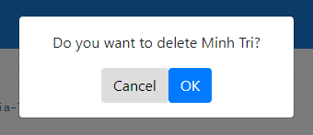 | Angular - Attribute Directives

22 | Create button Update on each row of list personal |  |  | Angular - html
23 | Router link to personal-detail when click button Update | url: localhost:4200/#/master/personal/edit use personal-detail.component.ts for module add and update |  | Angular - service, component
24 | Fill information of personal to form personal | After link to url localhost:4200/#/master/personal/edit then fill information into tag input |  | Angular - separate add and edit module in one component
25 | Update information personal | After click button Save then forward link to url locahost:4200/#/master/personal/list And update information of personal |  | Angular - navigation, service
26 | Pipes for birthday of personal list | On personal list, use pipes to format birthday (dd - mm - yyyy) |  | Angular - Pipes
27 | Decorator | background of row will change color is blue when use mouse hover row has gender is male, else background of row will change color is pink when use mouse hover row has gender is female | Use decorator @Hostlistener | Angular - decoractor
28 | Install and run Json-server | use postman to test api: get, post, put, patch |  | Angular - api by json-server
29 | Working with api json-server | change getListPersonal, addPersonal, updatePersonal, deletePersonal in file personal.service.ts to work with api json-server |  | Angular - working with api

