Commercial Invoice
 | PECC2 Innovation Hub, 45 Street No.2, Truong Tho Ward, Thu Duc City, HCMC, Vietnam Tel: +84-28-2221 6468 | Fax: +84-28-2221 0408
COMMERCIAL INVOICE
SHIPPER: |  |  |  |  | INVOICE NO. : | OM4-DE-IS-0009
 | Doosan Enerbility Co., Ltd. 22 DoosanVolvo-ro, Seongsan-gu, Chang-won-si, Gyeongsangnam-do 51711, Republic of Korea |  |  |  | DATE: | 2026-06-04
 |  |  |  |  | CONTRACT NO. | 06/2025/HĐ-PVN/OM4-06
 |  |  |  |  | DATE: | 2025-06-06
CONSIGNEE : |  |  |  |  | SHIPPING MARK
 | Cty Doosan Enerbility Co.,Ltd HQ-Nha thau TH CV thuoc Goi thau so OM4-EPC-HHO-06 cho NMND O Mon IV Thoi Loi Area, Phuoc Thoi Ward, Can Tho City, Vietnam T : (+84) 367 566 167 F : (+84 243) 624 8485 |  |  |  | O MON IV THERMAL POWER PLANT

NOTIFY PARTY :
 | Cty Doosan Enerbility Co.,Ltd HQ-Nha thau TH CV thuoc Goi thau so OM4-EPC-HHO-06 cho NMND O Mon IV Thoi Loi Area, Phươc Thoi Ward, Can Tho City, Vietnam T : (+84) 367 566 167 F : (+84 243) 624 8485 BRANCH OF KWANGJIN VIET NAM IN DUNG QUAT Co.,Ltd Dung Quat Economic Zone, Van Tuong Commune, Quang Ngai Province, Vietnam T : (+84) 28 3825 6330 Attn: Mr. Phuoc / Email: phuoc@kjtc.co.kr
 |  |  |  |  | SHIPMENT NO. : | OM4-DE-IS-0009

 |  |  |  |  | TERM OF DELIVERY : | CIF, Ho Chi Minh City Port, Vietnam
VESSEL NAME : |  | ETD :
 | HMM MIRACLE 0020S |  | 2026-07-05 |  | QUALITY | 100% BRAND NEW
PORT OF LOADING : |  | PORT OF DISCHARGE : |  |  | PAYMENT TERMS: | T/T
 | Busan International Port, Korea |  | Ho Chi Minh City Port, Vietnam
BILL OF LADING/ AIRWAY BILL NO. : |  | B/L DATE :

FINAL DESTINATION :
 | O MON IV THERMAL POWER PLANT
 | Address: O Mon Power Complex at Phuoc Thoi wards, Can Tho city
COMMODITY/DESCRIPTION OF GOODS |  |  |  |  |  | UNIT | QUANTITY | UNIT PRICE (USD) | AMOUNT (USD)
 | PLANT/ EQUIPMENT AND MATERIALS FOR O MON IV THERMAL POWER PLANT (Contract No. OM4-PO-DE-001)

 | Conduit & Accessories included I&C Conduit (Steel Conduit) |  |  |  |  | EA | 31,783 | 4 | 123,745.58 | FOB (물품가액)

 | Number of packages: |  | 17 | PKGS |  |  |  |  |  | Freight | 5,108.00
 |  |  |  |  |  |  |  |  |  | Insurance | 142.25

 | TOTAL AMOUNT AT THIS SHIPMENT : |  |  |  |  |  |  |  | 123,745.58

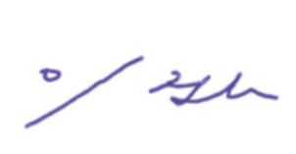

 |  |  |  |  | Signed by
 |  |  |  |  |  | Jinho. Lee / Deputy Project Director

Break Down CI
BREAK DOWN of COMMERCIAL INVOICE

 | INVOICE NO. : | OM4-DE-IS-0009 |  |  |  |  |  |  |  |  | DATE : |  | 2026-06-04

SI. No. | Package No. | COMMODITY/DESCRIPTION OF GOODS |  | C/O of Goods | POSITION IN PRICE SCHEDULE | Quantity |  | Package Type | NET WEIGHT (KG) | GROSS WEIGHT (KG) | UNIT PRICE (USD) | AMOUNT (USD) | Remark (**)
 |  |  |  |  |  | Nos | Unit |  |  |  |  |  |  | HS CODE
1 | OM4-DE-IS-0009-001 | HDG STEEL Conduit | 125mm (5") | Republic of Korea | PS 1.1, Ⅴ, 11 | 32 | EA | Wooden | 1,920.00 | 2,220.00 | 213.69 | 6,838.08 | P0 | 7306.30-2090
2 | OM4-DE-IS-0009-002 | HDG STEEL Conduit | 125mm (5") | Republic of Korea | PS 1.1, Ⅴ, 11 | 28 | EA | Wooden | 1,680.00 | 1,980.00 | 213.69 | 5,983.32 | P0 | 7306.30-2090
3 | OM4-DE-IS-0009-003 | Normal Bend for Steel Conduit | 36mm (1-1/4") | Republic of Korea | PS 1.1, Ⅴ, 11 | 250 | EA | Wooden | 322.50 | 395.00 | 3.95 | 987.50 | P0 | 7307.92-9000
4 | OM4-DE-IS-0009-003 | Normal Bend for Steel Conduit | 42mm (1-1/2") | Republic of Korea | PS 1.1, Ⅴ, 11 | 100 | EA | Wooden | 187.00 | 216.00 | 5.05 | 505.00 | P0 | 7307.92-9000
5 | OM4-DE-IS-0009-003 | Normal Bend for Steel Conduit | 54mm (2") | Republic of Korea | PS 1.1, Ⅴ, 11 | 60 | EA | Wooden | 175.80 | 193.20 | 7.55 | 453.00 | P0 | 7307.92-9000
6 | OM4-DE-IS-0009-003 | Coupling for Steel Conduit | 28mm (1") | Republic of Korea | PS 1.1, Ⅴ, 11 | 180 | EA | Wooden | 21.60 | 73.80 | 1.15 | 207.00 | P0 | 7307.92-9000
7 | OM4-DE-IS-0009-003 | Coupling for Steel Conduit | 36mm (1-1/4") | Republic of Korea | PS 1.1, Ⅴ, 11 | 60 | EA | Wooden | 11.40 | 28.80 | 1.43 | 85.80 | P0 | 7307.92-9000
8 | OM4-DE-IS-0009-003 | Coupling for Steel Conduit | 42mm (1-1/2") | Republic of Korea | PS 1.1, Ⅴ, 11 | 30 | EA | Wooden | 6.60 | 15.30 | 1.58 | 47.40 | P0 | 7307.92-9000
9 | OM4-DE-IS-0009-003 | Coupling for Steel Conduit | 54mm (2") | Republic of Korea | PS 1.1, Ⅴ, 11 | 30 | EA | Wooden | 9.90 | 18.60 | 2.34 | 70.20 | P0 | 7307.92-9000
10 | OM4-DE-IS-0009-003 | Coupling for Steel Conduit | 82mm (3") | Republic of Korea | PS 1.1, Ⅴ, 11 | 40 | EA | Wooden | 39.20 | 50.80 | 5.35 | 214.00 | P0 | 7307.92-9000
11 | OM4-DE-IS-0009-003 | Coupling for Steel Conduit | 104mm (4") | Republic of Korea | PS 1.1, Ⅴ, 11 | 40 | EA | Wooden | 50.00 | 61.60 | 7.19 | 287.60 | P0 | 7307.92-9000
12 | OM4-DE-IS-0009-003 | HI PVC to Steel Conduit Adaptor | 28mm (1") | Republic of Korea | PS 1.1, Ⅴ, 11 | 80 | EA | Wooden | 9.60 | 31.74 | 2.39 | 191.20 | P0 | 7307.92-9000
13 | OM4-DE-IS-0009-003 | HI PVC to Steel Conduit Adaptor | 36mm (1-1/4") | Republic of Korea | PS 1.1, Ⅴ, 11 | 50 | EA | Wooden | 9.50 | 22.94 | 3.38 | 169.00 | P0 | 7307.92-9000
14 | OM4-DE-IS-0009-003 | HI PVC to Steel Conduit Adaptor | 42mm (1-1/2") | Republic of Korea | PS 1.1, Ⅴ, 11 | 30 | EA | Wooden | 6.60 | 14.24 | 4.71 | 141.30 | P0 | 7307.92-9000
15 | OM4-DE-IS-0009-003 | HI PVC to Steel Conduit Adaptor | 54mm (2") | Republic of Korea | PS 1.1, Ⅴ, 11 | 10 | EA | Wooden | 3.30 | 5.14 | 5.75 | 57.50 | P0 | 7307.92-9000
16 | OM4-DE-IS-0009-003 | HI PVC to Steel Conduit Adaptor | 82mm (3") | Republic of Korea | PS 1.1, Ⅴ, 11 | 20 | EA | Wooden | 19.60 | 24.34 | 10.05 | 201.00 | P0 | 7307.92-9000
17 | OM4-DE-IS-0009-003 | HI PVC to Steel Conduit Adaptor | 104mm (4") | Republic of Korea | PS 1.1, Ⅴ, 11 | 40 | EA | Wooden | 50.00 | 60.55 | 12.41 | 496.40 | P0 | 7307.92-9000
18 | OM4-DE-IS-0009-003 | HI PVC to Steel Conduit Adaptor | 125mm (5") | Republic of Korea | PS 1.1, Ⅴ, 11 | 40 | EA | Wooden | 120.00 | 130.55 | 20.25 | 810.00 | P0 | 7307.92-9000
19 | OM4-DE-IS-0009-004 | Normal Bend for Steel Conduit | 82mm (3") X 600Radius | Republic of Korea | PS 1.1, Ⅴ, 11 | 75 | EA | Wooden | 1,162.50 | 1,462.50 | 52.66 | 3,949.50 | P0 | 7307.92-9000
20 | OM4-DE-IS-0009-005 | Normal Bend for Steel Conduit | 82mm (3") X 600Radius | Republic of Korea | PS 1.1, Ⅴ, 11 | 75 | EA | Wooden | 1,162.50 | 1,462.50 | 52.65 | 3,948.75 | P0 | 7307.92-9000
21 | OM4-DE-IS-0009-006 | Normal Bend for Steel Conduit | 104mm (4") X 600Radius | Republic of Korea | PS 1.1, Ⅴ, 11 | 50 | EA | Wooden | 1,102.50 | 1,402.50 | 74.54 | 3,727.00 | P0 | 7307.92-9000
22 | OM4-DE-IS-0009-007 | Normal Bend for Steel Conduit | 104mm (4") X 600Radius | Republic of Korea | PS 1.1, Ⅴ, 11 | 50 | EA | Wooden | 1,102.50 | 1,402.50 | 74.54 | 3,727.00 | P0 | 7307.92-9000
23 | OM4-DE-IS-0009-008 | Normal Bend for Steel Conduit | 125mm (5") X 600Radius | Republic of Korea | PS 1.1, Ⅴ, 11 | 50 | EA | Wooden | 1,500.00 | 1,800.00 | 146.20 | 7,310.00 | P0 | 7307.92-9000
24 | OM4-DE-IS-0009-009 | Normal Bend for Steel Conduit | 125mm (5") X 600Radius | Republic of Korea | PS 1.1, Ⅴ, 11 | 50 | EA | Wooden | 1,500.00 | 1,800.00 | 146.20 | 7,310.00 | P0 | 7307.92-9000
25 | OM4-DE-IS-0009-010 | Condulet ("LT" Type) | 28mm (1") | Republic of Korea | PS 1.1, Ⅴ, 11 | 30 | EA | Wooden | 45.00 | 47.40 | 3.86 | 115.80 | P0 | 7307.19-0000
26 | OM4-DE-IS-0009-010 | Condulet ("LT" Type) | 36mm (1-1/4") | Republic of Korea | PS 1.1, Ⅴ, 11 | 30 | EA | Wooden | 54.00 | 56.40 | 4.88 | 146.40 | P0 | 7307.19-0000
27 | OM4-DE-IS-0009-010 | Condulet ("LT" Type) | 42mm (1-1/2") | Republic of Korea | PS 1.1, Ⅴ, 11 | 10 | EA | Wooden | 25.00 | 25.80 | 6.38 | 63.80 | P0 | 7307.19-0000
28 | OM4-DE-IS-0009-010 | Condulet ("LT" Type) | 54mm (2") | Republic of Korea | PS 1.1, Ⅴ, 11 | 15 | EA | Wooden | 52.50 | 53.70 | 8.81 | 132.15 | P0 | 7307.19-0000
29 | OM4-DE-IS-0009-010 | Condulet ("LT" Type) | 82mm (3") | Republic of Korea | PS 1.1, Ⅴ, 11 | 15 | EA | Wooden | 99.00 | 100.20 | 25.10 | 376.50 | P0 | 7307.19-0000
30 | OM4-DE-IS-0009-010 | Condulet ("LT" Type) | 104mm (4") | Republic of Korea | PS 1.1, Ⅴ, 11 | 10 | EA | Wooden | 98.00 | 98.80 | 38.83 | 388.30 | P0 | 7307.19-0000
31 | OM4-DE-IS-0009-010 | Flexible Conduit Connector (Male Type) | 28mm (1") | Republic of Korea | PS 1.1, Ⅴ, 11 | 420 | EA | Wooden | 42.00 | 75.60 | 1.76 | 739.20 | P0 | 7907.00-2020
32 | OM4-DE-IS-0009-010 | Flexible Conduit Connector (Male Type) | 36mm (1-1/4") | Republic of Korea | PS 1.1, Ⅴ, 11 | 150 | EA | Wooden | 22.50 | 34.50 | 2.24 | 336.00 | P0 | 7907.00-2020
33 | OM4-DE-IS-0009-010 | Flexible Conduit Connector (Male Type) | 42mm (1-1/2") | Republic of Korea | PS 1.1, Ⅴ, 11 | 50 | EA | Wooden | 9.00 | 13.00 | 3.03 | 151.50 | P0 | 7907.00-2020
34 | OM4-DE-IS-0009-010 | Flexible Conduit Connector (Male Type) | 54mm (2") | Republic of Korea | PS 1.1, Ⅴ, 11 | 30 | EA | Wooden | 8.10 | 10.50 | 4.13 | 123.90 | P0 | 7907.00-2020
35 | OM4-DE-IS-0009-010 | Flexible Conduit Connector (Male Type) | 82mm (3") | Republic of Korea | PS 1.1, Ⅴ, 11 | 80 | EA | Wooden | 64.00 | 70.40 | 11.39 | 911.20 | P0 | 7907.00-2020
36 | OM4-DE-IS-0009-010 | Flexible Conduit Connector (Male Type) | 104mm (4") | Republic of Korea | PS 1.1, Ⅴ, 11 | 50 | EA | Wooden | 70.00 | 74.00 | 17.94 | 897.00 | P0 | 7907.00-2020
37 | OM4-DE-IS-0009-010 | Flexible Conduit Connector (Female Type) | 28mm (1") | Republic of Korea | PS 1.1, Ⅴ, 11 | 420 | EA | Wooden | 42.00 | 75.60 | 1.76 | 739.20 | P0 | 7907.00-2020
38 | OM4-DE-IS-0009-010 | Flexible Conduit Connector (Female Type) | 36mm (1-1/4") | Republic of Korea | PS 1.1, Ⅴ, 11 | 150 | EA | Wooden | 22.50 | 34.50 | 2.24 | 336.00 | P0 | 7907.00-2020
39 | OM4-DE-IS-0009-010 | Flexible Conduit Connector (Female Type) | 42mm (1-1/2") | Republic of Korea | PS 1.1, Ⅴ, 11 | 50 | EA | Wooden | 9.00 | 13.00 | 3.03 | 151.50 | P0 | 7907.00-2020
40 | OM4-DE-IS-0009-010 | Flexible Conduit Connector (Female Type) | 54mm (2") | Republic of Korea | PS 1.1, Ⅴ, 11 | 30 | EA | Wooden | 8.10 | 10.50 | 4.13 | 123.90 | P0 | 7907.00-2020
41 | OM4-DE-IS-0009-010 | Flexible Conduit Connector (Female Type) | 82mm (3") | Republic of Korea | PS 1.1, Ⅴ, 11 | 80 | EA | Wooden | 64.00 | 70.40 | 11.39 | 911.20 | P0 | 7907.00-2020
42 | OM4-DE-IS-0009-010 | Flexible Conduit Connector (Female Type) | 104mm (4") | Republic of Korea | PS 1.1, Ⅴ, 11 | 50 | EA | Wooden | 70.00 | 74.00 | 17.94 | 897.00 | P0 | 7907.00-2020
43 | OM4-DE-IS-0009-010 | Union Coupling (Male Type) | 28mm (1") | Republic of Korea | PS 1.1, Ⅴ, 11 | 30 | EA | Wooden | 11.10 | 13.50 | 3.67 | 110.10 | P0 | 7307.92-9000
44 | OM4-DE-IS-0009-010 | Union Coupling (Male Type) | 36mm (1-1/4") | Republic of Korea | PS 1.1, Ⅴ, 11 | 30 | EA | Wooden | 19.50 | 21.90 | 5.45 | 163.50 | P0 | 7307.92-9000
45 | OM4-DE-IS-0009-010 | Union Coupling (Male Type) | 42mm (1-1/2") | Republic of Korea | PS 1.1, Ⅴ, 11 | 10 | EA | Wooden | 8.40 | 9.20 | 6.72 | 67.20 | P0 | 7307.92-9000
46 | OM4-DE-IS-0009-010 | Union Coupling (Male Type) | 54mm (2") | Republic of Korea | PS 1.1, Ⅴ, 11 | 10 | EA | Wooden | 10.00 | 10.80 | 9.02 | 90.20 | P0 | 7307.92-9000
47 | OM4-DE-IS-0009-010 | Union Coupling (Male Type) | 82mm (3") | Republic of Korea | PS 1.1, Ⅴ, 11 | 10 | EA | Wooden | 19.30 | 20.10 | 21.94 | 219.40 | P0 | 7307.92-9000
48 | OM4-DE-IS-0009-010 | Nipple(EXPLOSION TYPE, NPT to PF) | 28mm (1") | Republic of Korea | PS 1.1, Ⅴ, 11 | 10 | EA | Wooden | 1.20 | 2.00 | 1.94 | 19.40 | P0 | 7307.92-9000
49 | OM4-DE-IS-0009-010 | Nipple(EXPLOSION TYPE, NPT to PF) | 36mm (1-1/4") | Republic of Korea | PS 1.1, Ⅴ, 11 | 5 | EA | Wooden | 0.95 | 1.35 | 2.44 | 12.20 | P0 | 7307.92-9000
50 | OM4-DE-IS-0009-010 | Nipple(EXPLOSION TYPE, NPT to PF) | 42mm (1-1/2") | Republic of Korea | PS 1.1, Ⅴ, 11 | 5 | EA | Wooden | 1.10 | 1.50 | 3.10 | 15.50 | P0 | 7307.92-9000
51 | OM4-DE-IS-0009-010 | Nipple(EXPLOSION TYPE, NPT to PF) | 54mm (2") | Republic of Korea | PS 1.1, Ⅴ, 11 | 5 | EA | Wooden | 1.65 | 2.05 | 3.45 | 17.25 | P0 | 7307.92-9000
52 | OM4-DE-IS-0009-010 | SEALING COMPOUND Plaster FOR SEALING FITTING | 1KG/CAN | Republic of Korea | PS 1.1, Ⅴ, 11 | 50 | EA | Wooden | 50.00 | 54.00 | 6.40 | 320.00 | P0 | 2520.20-9000
53 | OM4-DE-IS-0009-010 | REDUCER(ADAPTER TYPE) | 36mm Male - 28mm Female | Republic of Korea | PS 1.1, Ⅴ, 11 | 30 | EA | Wooden | 5.70 | 8.10 | 2.88 | 86.40 | P0 | 7307.92-9000
54 | OM4-DE-IS-0009-010 | REDUCER(ADAPTER TYPE) | 36mm Male - 28mm Female | Republic of Korea | PS 1.1, Ⅴ, 11 | 30 | EA | Wooden | 5.70 | 8.10 | 2.88 | 86.40 | P0 | 7307.92-9000
55 | OM4-DE-IS-0009-010 | REDUCER(ADAPTER TYPE) | 42mm Male - 28mm Female | Republic of Korea | PS 1.1, Ⅴ, 11 | 30 | EA | Wooden | 6.60 | 9.00 | 3.51 | 105.30 | P0 | 7307.92-9000
56 | OM4-DE-IS-0009-010 | REDUCER(ADAPTER TYPE) | 54mm Male - 28mm Female | Republic of Korea | PS 1.1, Ⅴ, 11 | 30 | EA | Wooden | 9.90 | 12.30 | 4.43 | 132.90 | P0 | 7307.92-9000
57 | OM4-DE-IS-0009-010 | REDUCER(ADAPTER TYPE) | 54mm Male - 42mm Female | Republic of Korea | PS 1.1, Ⅴ, 11 | 30 | EA | Wooden | 9.90 | 12.30 | 4.43 | 132.90 | P0 | 7307.92-9000
58 | OM4-DE-IS-0009-010 | REDUCER(ADAPTER TYPE) | 28mm Male - 42mm Female | Republic of Korea | PS 1.1, Ⅴ, 11 | 30 | EA | Wooden | 6.60 | 9.00 | 7.34 | 220.20 | P0 | 7307.92-9000
59 | OM4-DE-IS-0009-010 | REDUCER(ADAPTER TYPE) | 36mm Male - 28mm Female | Republic of Korea | PS 1.1, Ⅴ, 11 | 30 | EA | Wooden | 5.70 | 8.10 | 4.87 | 146.10 | P0 | 7307.92-9000
60 | OM4-DE-IS-0009-010 | REDUCER(ADAPTER TYPE) | 42mm Male - 36mm Female | Republic of Korea | PS 1.1, Ⅴ, 11 | 30 | EA | Wooden | 6.60 | 9.00 | 7.34 | 220.20 | P0 | 7307.92-9000
61 | OM4-DE-IS-0009-010 | Lock Nut | 28mm (1") | Republic of Korea | PS 1.1, Ⅴ, 11 | 800 | EA | Wooden | 16.00 | 77.53 | 0.66 | 528.00 | P0 | 7318.16-0000
62 | OM4-DE-IS-0009-010 | Lock Nut | 36mm (1-1/4") | Republic of Korea | PS 1.1, Ⅴ, 11 | 200 | EA | Wooden | 4.00 | 17.53 | 0.77 | 154.00 | P0 | 7318.16-0000
63 | OM4-DE-IS-0009-010 | Lock Nut | 42mm (1-1/2") | Republic of Korea | PS 1.1, Ⅴ, 11 | 100 | EA | Wooden | 3.00 | 8.53 | 0.95 | 95.00 | P0 | 7318.16-0000
64 | OM4-DE-IS-0009-010 | Lock Nut | 54mm (2") | Republic of Korea | PS 1.1, Ⅴ, 11 | 50 | EA | Wooden | 2.00 | 3.53 | 1.35 | 67.50 | P0 | 7318.16-0000
65 | OM4-DE-IS-0009-010 | Lock Nut | 82mm (3") | Republic of Korea | PS 1.1, Ⅴ, 11 | 160 | EA | Wooden | 12.80 | 23.13 | 2.95 | 472.00 | P0 | 7318.16-0000
66 | OM4-DE-IS-0009-010 | Lock Nut | 104mm (4") | Republic of Korea | PS 1.1, Ⅴ, 11 | 100 | EA | Wooden | 12.00 | 17.53 | 4.03 | 403.00 | P0 | 7318.16-0000
67 | OM4-DE-IS-0009-010 | Lock Nut | 125mm (5") | Republic of Korea | PS 1.1, Ⅴ, 11 | 120 | EA | Wooden | 96.00 | 105.62 | 14.42 | 1,730.40 | P0 | 7318.16-0000
68 | OM4-DE-IS-0009-010 | Flexible Conduit (Water proof type) | 36mm (1-1/4") | Republic of Korea | PS 1.1, Ⅴ, 11 | 330 | M | Wooden | 320.10 | 346.50 | 15.32 | 5,055.60 | P0 | 8307.10-0000
69 | OM4-DE-IS-0009-011 | Flexible Conduit (Water proof type) | 28mm (1") | Republic of Korea | PS 1.1, Ⅴ, 11 | 1,000 | M | Wooden | 700.00 | 928.80 | 1.58 | 1,580.00 | P0 | 8307.10-0000
70 | OM4-DE-IS-0009-011 | Flexible Conduit (Water proof type) | 82mm (3") | Republic of Korea | PS 1.1, Ⅴ, 11 | 200 | M | Wooden | 600.00 | 644.80 | 9.07 | 1,814.00 | P0 | 8307.10-0000
71 | OM4-DE-IS-0009-011 | Flexible Conduit (Water proof type) | 104mm (4") | Republic of Korea | PS 1.1, Ⅴ, 11 | 120 | M | Wooden | 540.00 | 566.40 | 11.53 | 1,383.60 | P0 | 8307.10-0000
72 | OM4-DE-IS-0009-012 | FLEXIBLE FITTING | 28mm (1") X 500L | Republic of Korea | PS 1.1, Ⅴ, 11 | 5 | EA | Wooden | 6.00 | 6.07 | 36.98 | 184.90 | P0 | 8307.10-0000
73 | OM4-DE-IS-0009-012 | FLEXIBLE FITTING | 36mm (1-1/4") X 500 | Republic of Korea | PS 1.1, Ⅴ, 11 | 5 | EA | Wooden | 10.00 | 10.07 | 50.57 | 252.85 | P0 | 8307.10-0000
74 | OM4-DE-IS-0009-012 | FLEXIBLE FITTING | 42mm (1-1/2") X 500L | Republic of Korea | PS 1.1, Ⅴ, 11 | 5 | EA | Wooden | 10.00 | 10.07 | 68.14 | 340.70 | P0 | 8307.10-0000
75 | OM4-DE-IS-0009-012 | FLEXIBLE FITTING | 54mm (2") X 500L | Republic of Korea | PS 1.1, Ⅴ, 11 | 5 | EA | Wooden | 15.00 | 15.07 | 89.06 | 445.30 | P0 | 8307.10-0000
76 | OM4-DE-IS-0009-012 | FLEXIBLE FITTING | 70mm (2-1/2") X 500L | Republic of Korea | PS 1.1, Ⅴ, 11 | 5 | EA | Wooden | 20.00 | 20.07 | 153.77 | 768.85 | P0 | 8307.10-0000
77 | OM4-DE-IS-0009-012 | SEALING FITTING(Vertical type) | 28mm (1") | Republic of Korea | PS 1.1, Ⅴ, 11 | 5 | EA | Wooden | 4.00 | 4.07 | 16.69 | 83.45 | P0 | 7307.19-0000
78 | OM4-DE-IS-0009-012 | SEALING FITTING(Vertical type) | 36mm (1-1/4") | Republic of Korea | PS 1.1, Ⅴ, 11 | 5 | EA | Wooden | 6.50 | 6.57 | 43.81 | 219.05 | P0 | 7307.19-0000
79 | OM4-DE-IS-0009-012 | SEALING FITTING(Vertical type) | 42mm (1-1/2") | Republic of Korea | PS 1.1, Ⅴ, 11 | 5 | EA | Wooden | 9.00 | 9.07 | 41.09 | 205.45 | P0 | 7307.19-0000
80 | OM4-DE-IS-0009-012 | SEALING FITTING(Vertical type) | 54mm (2") | Republic of Korea | PS 1.1, Ⅴ, 11 | 5 | EA | Wooden | 14.00 | 14.07 | 56.64 | 283.20 | P0 | 7307.19-0000
81 | OM4-DE-IS-0009-012 | SEALING FITTING(Horizontal type) | 28mm (1") | Republic of Korea | PS 1.1, Ⅴ, 11 | 5 | EA | Wooden | 4.50 | 4.57 | 26.62 | 133.10 | P0 | 7307.19-0000
82 | OM4-DE-IS-0009-012 | SEALING FITTING(Horizontal type) | 36mm (1-1/4") | Republic of Korea | PS 1.1, Ⅴ, 11 | 5 | EA | Wooden | 6.50 | 6.57 | 51.96 | 259.80 | P0 | 7307.19-0000
83 | OM4-DE-IS-0009-012 | SEALING FITTING(Horizontal type) | 42mm (1-1/2") | Republic of Korea | PS 1.1, Ⅴ, 11 | 5 | EA | Wooden | 9.75 | 9.82 | 52.84 | 264.20 | P0 | 7307.19-0000
84 | OM4-DE-IS-0009-012 | SEALING FITTING(Horizontal type) | 54mm (2") | Republic of Korea | PS 1.1, Ⅴ, 11 | 5 | EA | Wooden | 13.00 | 13.07 | 54.17 | 270.85 | P0 | 7307.19-0000
85 | OM4-DE-IS-0009-012 | PIPE CLAMP With Bolt/Nut/Washer | 28mm (1") | Republic of Korea | PS 1.1, Ⅴ, 11 | 2,100 | SET | Wooden | 149.10 | 180.60 | 0.71 | 1,491.00 | P0 | 7326.90-9000
86 | OM4-DE-IS-0009-012 | PIPE CLAMP With Bolt/Nut/Washer | 36mm (1-1/4") | Republic of Korea | PS 1.1, Ⅴ, 11 | 1,000 | SET | Wooden | 91.00 | 106.00 | 0.73 | 730.00 | P0 | 7326.90-9000
87 | OM4-DE-IS-0009-012 | PIPE CLAMP With Bolt/Nut/Washer | 42mm (1-1/2") | Republic of Korea | PS 1.1, Ⅴ, 11 | 850 | SET | Wooden | 77.35 | 90.10 | 0.80 | 680.00 | P0 | 7326.90-9000
88 | OM4-DE-IS-0009-012 | PIPE CLAMP With Bolt/Nut/Washer | 54mm (2") | Republic of Korea | PS 1.1, Ⅴ, 11 | 500 | SET | Wooden | 55.50 | 63.00 | 0.83 | 415.00 | P0 | 7326.90-9000
89 | OM4-DE-IS-0009-012 | PIPE CLAMP With Bolt/Nut/Washer | 82mm (3") | Republic of Korea | PS 1.1, Ⅴ, 11 | 400 | SET | Wooden | 64.40 | 70.40 | 1.02 | 408.00 | P0 | 7326.90-9000
90 | OM4-DE-IS-0009-012 | PIPE CLAMP With Bolt/Nut/Washer | 104mm (4") | Republic of Korea | PS 1.1, Ⅴ, 11 | 400 | SET | Wooden | 84.40 | 90.40 | 1.13 | 452.00 | P0 | 7326.90-9000
91 | OM4-DE-IS-0009-012 | Pipe saddle | 28mm (1") | Republic of Korea | PS 1.1, Ⅴ, 11 | 50 | EA | Wooden | 3.00 | 3.75 | 0.51 | 25.50 | P0 | 7326.90-9000
92 | OM4-DE-IS-0009-012 | Pipe saddle | 36mm (1-1/4") | Republic of Korea | PS 1.1, Ⅴ, 11 | 50 | EA | Wooden | 4.00 | 4.75 | 0.54 | 27.00 | P0 | 7326.90-9000
93 | OM4-DE-IS-0009-012 | Pipe saddle | 42mm (1-1/2") | Republic of Korea | PS 1.1, Ⅴ, 11 | 50 | EA | Wooden | 4.00 | 4.75 | 0.57 | 28.50 | P0 | 7326.90-9000
94 | OM4-DE-IS-0009-012 | Pipe saddle | 54mm (2") | Republic of Korea | PS 1.1, Ⅴ, 11 | 50 | EA | Wooden | 5.00 | 5.75 | 0.63 | 31.50 | P0 | 7326.90-9000
95 | OM4-DE-IS-0009-012 | Insulation Bushing W/Earthing | 28mm (1") | Republic of Korea | PS 1.1, Ⅴ, 11 | 500 | EA | Wooden | 15.00 | 22.50 | 0.74 | 370.00 | P0 | 7907.00-9090
96 | OM4-DE-IS-0009-012 | Insulation Bushing W/Earthing | 36mm (1-1/4") | Republic of Korea | PS 1.1, Ⅴ, 11 | 150 | EA | Wooden | 6.00 | 8.25 | 0.90 | 135.00 | P0 | 7907.00-9090
97 | OM4-DE-IS-0009-012 | Insulation Bushing W/Earthing | 42mm (1-1/2") | Republic of Korea | PS 1.1, Ⅴ, 11 | 50 | EA | Wooden | 2.50 | 3.25 | 1.07 | 53.50 | P0 | 7907.00-9090
98 | OM4-DE-IS-0009-012 | Insulation Bushing W/Earthing | 54mm (2") | Republic of Korea | PS 1.1, Ⅴ, 11 | 30 | EA | Wooden | 2.70 | 3.15 | 1.37 | 41.10 | P0 | 7907.00-9090
99 | OM4-DE-IS-0009-012 | Insulation Bushing W/Earthing | 82mm (3") | Republic of Korea | PS 1.1, Ⅴ, 11 | 80 | EA | Wooden | 16.80 | 18.00 | 4.13 | 330.40 | P0 | 7907.00-9090
100 | OM4-DE-IS-0009-012 | Insulation Bushing W/Earthing | 104mm (4") | Republic of Korea | PS 1.1, Ⅴ, 11 | 50 | EA | Wooden | 23.50 | 24.25 | 6.60 | 330.00 | P0 | 7907.00-9090
101 | OM4-DE-IS-0009-012 | Set Anchor | 3/8"(M10)*75L | Republic of Korea | PS 1.1, Ⅴ, 11 | 5,000 | EA | Wooden | 500.00 | 575.00 | 0.62 | 3,100.00 | P0 | 7318.15-2000
102 | OM4-DE-IS-0009-012 | Strong Anchor | 3/8"(M10)*40L | Republic of Korea | PS 1.1, Ⅴ, 11 | 700 | EA | Wooden | 70.00 | 80.50 | 0.85 | 595.00 | P0 | 7318.15-2000
103 | OM4-DE-IS-0009-012 | Hex Head Bolt Nut SW PW | M10*30L | Republic of Korea | PS 1.1, Ⅴ, 11 | 2,500 | SET | Wooden | 250.00 | 287.50 | 0.60 | 1,500.00 | P0 | 7318.15-2000
104 | OM4-DE-IS-0009-012 | Rod coupling M10, SUS304 | M10(3/8") | Republic of Korea | PS 1.1, Ⅴ, 11 | 100 | EA | Wooden | 10.00 | 11.50 | 0.79 | 79.00 | P0 | 7318.16-0000
105 | OM4-DE-IS-0009-012 | Spring Nut | M10(3/8") | Republic of Korea | PS 1.1, Ⅴ, 11 | 2,500 | EA | Wooden | 250.00 | 287.50 | 0.71 | 1,775.00 | P0 | 7318.16-0000
106 | OM4-DE-IS-0009-012 | Channel Cap | 41 x 41 | Republic of Korea | PS 1.1, Ⅴ, 11 | 700 | EA | Wooden | 14.00 | 24.50 | 0.44 | 308.00 | P0 | 3926.90-9000
107 | OM4-DE-IS-0009-012 | Sealant(wather Proof) |  | Republic of Korea | PS 1.1, Ⅴ, 11 | 300 | EA | Wooden | 90.00 | 94.50 | 2.79 | 837.00 | P0 | 3506.10-9000
108 | OM4-DE-IS-0009-012 | Screw pin anchor (PIN) | M10, SUS 304 | Republic of Korea | PS 1.1, Ⅴ, 11 | 2,000 | EA | Wooden | 200.00 | 212.22 | 2.79 | 5,580.00 | P0 | 7318.15-2000
109 | OM4-DE-IS-0009-012 | Screw pin anchor (NUT) | M10, SUS 304 | Republic of Korea | PS 1.1, Ⅴ, 11 | 2,000 | EA | Wooden | 200.00 | 212.22 | 2.79 | 5,580.00 | P0 | 7318.15-2000
110 | OM4-DE-IS-0009-012 | Flexible Conduit (Water proof type) | 42mm (1-1/2") | Republic of Korea | PS 1.1, Ⅴ, 11 | 120 | M | Wooden | 162.00 | 163.80 | 2.66 | 319.20 | P0 | 8307.10-0000
111 | OM4-DE-IS-0009-012 | Flexible Conduit (Water proof type) | 54mm (2") | Republic of Korea | PS 1.1, Ⅴ, 11 | 80 | M | Wooden | 132.00 | 133.20 | 4.32 | 345.60 | P0 | 8307.10-0000
112 | OM4-DE-IS-0009-013 | PULL BOX with C-COVER | 200 x 200 x 150 x 2.3T | Republic of Korea | PS 1.1, Ⅴ, 11 | 30 | EA | Wooden | 123.00 | 235.50 | 20.54 | 616.20 | P0 | 7326.90-9000
113 | OM4-DE-IS-0009-013 | PULL BOX with C-COVER | 300 x 300 x 150 x 2.3T | Republic of Korea | PS 1.1, Ⅴ, 11 | 20 | EA | Wooden | 146.80 | 221.80 | 33.22 | 664.40 | P0 | 7326.90-9000
114 | OM4-DE-IS-0009-013 | PULL BOX with C-COVER | 400 x 400 x 400 x 2.3T | Republic of Korea | PS 1.1, Ⅴ, 11 | 10 | EA | Wooden | 182.80 | 220.30 | 81.83 | 818.30 | P0 | 7326.90-9000
115 | OM4-DE-IS-0009-013 | PULL BOX with C-COVER | 500 x 500 x 600 x 2.3T | Republic of Korea | PS 1.1, Ⅴ, 11 | 10 | EA | Wooden | 323.00 | 360.50 | 139.97 | 1,399.70 | P0 | 7326.90-9000
116 | OM4-DE-IS-0009-013 | PULL BOX with C-COVER | 700 x 500 x 500 x 2.3T | Republic of Korea | PS 1.1, Ⅴ, 11 | 5 | EA | Wooden | 181.45 | 200.20 | 175.31 | 876.55 | P0 | 7326.90-9000
117 | OM4-DE-IS-0009-013 | PULL BOX with C-COVER | 1000 x 1000 x 600 x 3T | Republic of Korea | PS 1.1, Ⅴ, 11 | 5 | EA | Wooden | 537.00 | 555.75 | 387.36 | 1,936.80 | P0 | 7326.90-9000
118 | OM4-DE-IS-0009-014 | 3-Hole Angle Connector | 50 (W) x 90 (L) x 56 (H) mm | Republic of Korea | PS 1.1, Ⅴ, 11 | 600 | EA | Wooden | 204.00 | 304.00 | 1.51 | 906.00 | P0 | 7308.90-9000
119 | OM4-DE-IS-0009-014 | 4-Hole Tee Connetor | 41 (W) x 136(L) x 89 (H) mm | Republic of Korea | PS 1.1, Ⅴ, 11 | 500 | EA | Wooden | 290.00 | 390.00 | 1.76 | 880.00 | P0 | 7308.90-9000
120 | OM4-DE-IS-0009-014 | Post Base single Channel, | 133x90x6T | Republic of Korea | PS 1.1, Ⅴ, 11 | 700 | EA | Wooden | 1,036.00 | 1,136.00 | 4.49 | 3,143.00 | P0 | 7308.90-9000
121 | OM4-DE-IS-0009-015 | Unistrut Channel Single | 40x40x2.3Tx3000mmL | Republic of Korea | PS 1.1, Ⅴ, 11 | 500 | EA | Wooden | 3,450.00 | 3,750.00 | 12.17 | 6,085.00 | P0 | 7308.90-9000
122 | OM4-DE-IS-0009-016 | Uni-Struct Insert channel | 40 x40 x2.5tx 3000mm | Republic of Korea | PS 1.1, Ⅴ, 11 | 50 | EA | Wooden | 400.00 | 550.00 | 13.30 | 665.00 | P0 | 7308.90-9000
123 | OM4-DE-IS-0009-016 | Threaded rod | M10(3/8")*3000L | Republic of Korea | PS 1.1, Ⅴ, 11 | 100 | EA | Wooden | 200.00 | 350.00 | 4.76 | 476.00 | P0 | 7318.19-0000
124 | OM4-DE-IS-0009-017 | C- Channel | 100x50x50x7.5T, 3.33m | Republic of Korea | PS 1.1, Ⅴ, 11 | 102 | EA | Wooden | 3,179.34 | 3,329.34 | 41.77 | 4,260.54 | P0 | 7308.90-9000
125 | OM4-DE-IS-0009-017 | L-ANGLE | 50*50*6T, 3.33m | Republic of Korea | PS 1.1, Ⅴ, 11 | 51 | EA | Wooden | 752.25 | 902.25 | 20.25 | 1,032.74 | P0 | 7308.90-9000
 |  |  |  |  |  |  |  | TOTAL AMOUNT AT THIS SHIPMENT |  |  |  | 123,745.58

Technical Description
Technical Description
Invoice no. | OM4-DE-IS-0009
№ | Package No. | Description of Goods | Quantity |  | Photo |  | Technical specifications
 |  |  | Nos | Unit | Before packing | After packing
1 | OM4-DE-IS-0009-001 | HDG STEEL Conduit | 32 | EA
2 | OM4-DE-IS-0009-002 | HDG STEEL Conduit | 28 | EA
3 | OM4-DE-IS-0009-003 | CONDUIT FITTINGS | 1,060 | EA
4 | OM4-DE-IS-0009-008 | CONDUIT FITTINGS (Normal Bend) | 50 | EA
5 | OM4-DE-IS-0009-009 | CONDUIT FITTINGS (Normal Bend) | 50 | EA
6 | OM4-DE-IS-0009-010 | CONDUIT FITTINGS | 3,935 | EA
7 | OM4-DE-IS-0009-011 | Flexible Conduit | 1,320 | EA
8 | OM4-DE-IS-0009-012 | CONDUIT FITTINGS | 22,375 | EA
9 | OM4-DE-IS-0009-013 | PULL BOX with C-COVER | 80 | EA
10 | OM4-DE-IS-0009-014 | Post Base single Channel | 1,800 | EA
11 | OM4-DE-IS-0009-015 | Unistrut Channel Single | 500 | EA
12 | OM4-DE-IS-0009-016 | Uni-Struct Insert channel | 150 | EA
13 | OM4-DE-IS-0009-017 | C- Channel | 153 | EA

DOOSAN HEAVY INDUSTRIES &
CONSTRUCTION CO., LTD

DOOSAN HEAVY INDUSTRIES &
CONSTRUCTION CO., LTD
DOOSAN HEAVY INDUSTRIES &
CONSTRUCTION CO., LTD
DOOSAN HEAVY INDUSTRIES &
CONSTRUCTION CO., LTD

CO
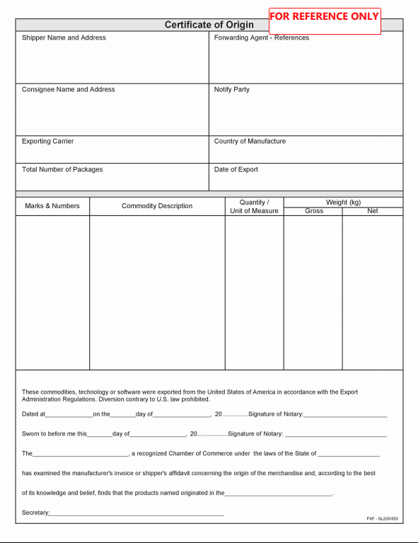

CQ
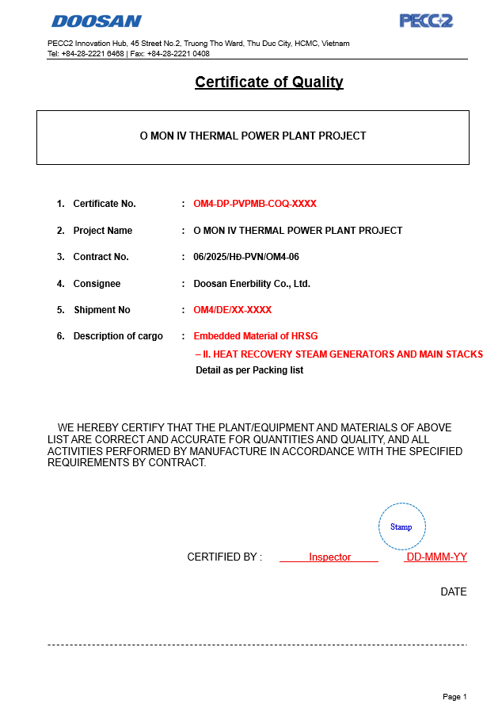

BL
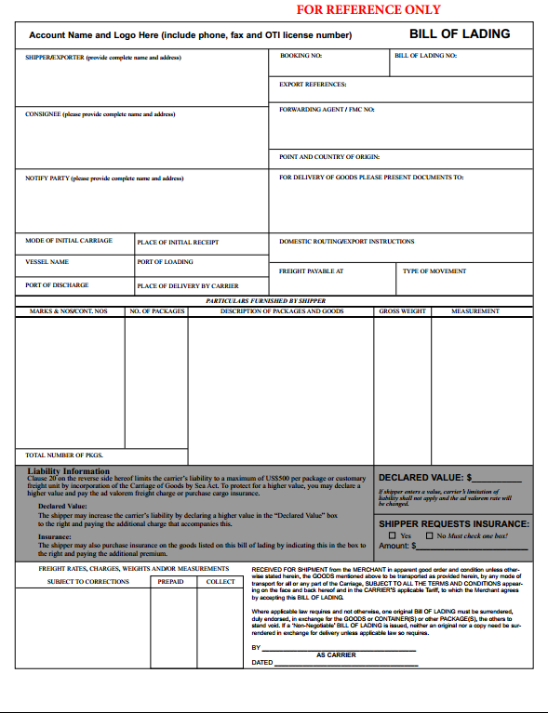

- In the B/L Form, "Freight Prepaid" must be used according to the signed EPC regulations, "Freight payable" cannot be used as the form we are drafting. - According to EPC, the Contractor is required to bear the risks and losses until handover, and must insure all goods during transportation, so remove the content of the complicated limitation regulations below in the B/L Form.

PSIC
