Break Down CI
BREAK DOWN of COMMERCIAL INVOICE

 | INVOICE NO. : | OM4-DE-IS-0003 |  |  |  |  |  |  |  | DATE : |  | 2026-05-15

SI. No. | Package No. | COMMODITY/DESCRIPTION OF GOODS | C/O of Goods | POSITION IN PRICE SCHEDULE | Quantity |  | Package Type | NET WEIGHT (KG) | GROSS WEIGHT (KG) | UNIT PRICE (USD) | AMOUNT (USD) | Remark (**)
 |  |  |  |  | Nos | Unit |  |  |  |  |  |  | HS CODE
1 | OM4-DE-IS-0003-001 | PVC Conduit 150mm (6") | Republic of Korea | PS 1.1, Ⅴ, 11 | 150 | EA | SKID | 3,375.00 | 3,575.00 | 34.02 | 5,103.00 | P0 | 3917.23-0000
2 | OM4-DE-IS-0003-002 | PVC Conduit 150mm (6") | Republic of Korea | PS 1.1, Ⅴ, 11 | 150 | EA | SKID | 3,375.00 | 3,575.00 | 34.02 | 5,103.00 | P0 | 3917.23-0000 | 5,103.00
3 | OM4-DE-IS-0003-003 | PVC Conduit 150mm (6") | Republic of Korea | PS 1.1, Ⅴ, 11 | 150 | EA | SKID | 3,375.00 | 3,575.00 | 34.02 | 5,103.00 | P0 | 3917.23-0000 | 5,103.00
4 | OM4-DE-IS-0003-004 | PVC Conduit 150mm (6") | Republic of Korea | PS 1.1, Ⅴ, 11 | 150 | EA | SKID | 3,375.00 | 3,575.00 | 34.02 | 5,103.00 | P0 | 3917.23-0000 | 5,103.00
5 | OM4-DE-IS-0003-005 | PVC Conduit 150mm (6") | Republic of Korea | PS 1.1, Ⅴ, 11 | 150 | EA | SKID | 3,375.00 | 3,575.00 | 34.02 | 5,103.00 | P0 | 3917.23-0000 | 5,103.00
6 | OM4-DE-IS-0003-006 | PVC Conduit 150mm (6") | Republic of Korea | PS 1.1, Ⅴ, 11 | 150 | EA | SKID | 3,375.00 | 3,575.00 | 34.02 | 5,103.00 | P0 | 3917.23-0000 | 5,103.00
7 | OM4-DE-IS-0003-007 | PVC Conduit 150mm (6") | Republic of Korea | PS 1.1, Ⅴ, 11 | 100 | EA | SKID | 2,250.00 | 2,450.00 | 34.02 | 3,402.00 | P0 | 3917.23-0000 | 5,103.00
8 | OM4-DE-IS-0003-008 | PVC Conduit 125mm (5") | Republic of Korea | PS 1.1, Ⅴ, 11 | 100 | EA | SKID | 1,120.00 | 1,320.00 | 19.44 | 1,944.00 | P0 | 3917.23-0000 | 3,402.00
9 | OM4-DE-IS-0003-009 | PVC Conduit 28mm (1") | Republic of Korea | PS 1.1, Ⅴ, 11 | 200 | EA | SKID | 392.00 | 425.33 | 7.78 | 1,556.00 | P0 | 3917.23-0000 | 1,944.00
10 | OM4-DE-IS-0003-009 | PVC Conduit 36mm (1-1/4") | Republic of Korea | PS 1.1, Ⅴ, 11 | 80 | EA | SKID | 211.20 | 244.53 | 7.78 | 622.40 | P0 | 3917.23-0000 | 1,556.00
11 | OM4-DE-IS-0003-009 | PVC Conduit 42mm (1-1/2") | Republic of Korea | PS 1.1, Ⅴ, 11 | 100 | EA | SKID | 316.00 | 349.33 | 7.78 | 778.00 | P0 | 3917.23-0000 | 622.40
12 | OM4-DE-IS-0003-009 | PVC Conduit 54mm (2") | Republic of Korea | PS 1.1, Ⅴ, 11 | 70 | EA | SKID | 296.80 | 330.13 | 7.78 | 544.60 | P0 | 3917.23-0000 | 778.00
13 | OM4-DE-IS-0003-009 | PVC Conduit 82mm (3") | Republic of Korea | PS 1.1, Ⅴ, 11 | 50 | EA | SKID | 436.00 | 469.34 | 7.78 | 389.00 | P0 | 3917.23-0000 | 544.60
14 | OM4-DE-IS-0003-009 | PVC Conduit 104mm (4") | Republic of Korea | PS 1.1, Ⅴ, 11 | 50 | EA | SKID | 620.00 | 653.34 | 7.78 | 389.00 | P0 | 3917.23-0000 | 389.00
15 | OM4-DE-IS-0003-010 | Normal Bend for PVC Conduit 36mm (1-1/4") | Republic of Korea | PS 1.1, Ⅴ, 11 | 120 | EA | Wodden | 79.20 | 90.31 | 2.14 | 256.80 | P0 | 3917.40-0000 | 389.00
16 | OM4-DE-IS-0003-010 | Normal Bend for PVC Conduit 42mm (1-1/2") | Republic of Korea | PS 1.1, Ⅴ, 11 | 60 | EA | Wodden | 47.40 | 58.51 | 2.14 | 128.40 | P0 | 3917.40-0000 | 256.80
17 | OM4-DE-IS-0003-010 | Normal Bend for PVC Conduit 54mm (2") | Republic of Korea | PS 1.1, Ⅴ, 11 | 20 | EA | Wodden | 21.20 | 32.31 | 2.14 | 42.80 | P0 | 3917.40-0000 | 128.40
18 | OM4-DE-IS-0003-010 | Normal Bend for PVC Conduit 82mm (3") | Republic of Korea | PS 1.1, Ⅴ, 11 | 30 | EA | Wodden | 65.40 | 76.51 | 2.14 | 64.20 | P0 | 3917.40-0000 | 42.80
19 | OM4-DE-IS-0003-010 | Normal Bend for PVC Conduit 104mm (4") | Republic of Korea | PS 1.1, Ⅴ, 11 | 30 | EA | Wodden | 93.00 | 104.11 | 2.14 | 64.20 | P0 | 3917.40-0000 | 64.20
20 | OM4-DE-IS-0003-010 | Normal Bend for PVC Conduit 125mm (5") | Republic of Korea | PS 1.1, Ⅴ, 11 | 30 | EA | Wodden | 84.00 | 95.11 | 2.14 | 64.20 | P0 | 3917.40-0000 | 64.20
21 | OM4-DE-IS-0003-010 | End Bell for PVC Conduit 28mm (1") | Republic of Korea | PS 1.1, Ⅴ, 11 | 150 | EA | Wodden | 9.00 | 20.11 | 3.63 | 544.50 | P0 | 3917.40-0000 | 64.20
22 | OM4-DE-IS-0003-010 | End Bell for PVC Conduit 36mm (1-1/4") | Republic of Korea | PS 1.1, Ⅴ, 11 | 80 | EA | Wodden | 7.60 | 18.71 | 2.72 | 217.60 | P0 | 3917.40-0000 | 544.50
23 | OM4-DE-IS-0003-010 | End Bell for PVC Conduit 42mm (1-1/2") | Republic of Korea | PS 1.1, Ⅴ, 11 | 50 | EA | Wodden | 5.50 | 16.61 | 5.44 | 272.00 | P0 | 3917.40-0000 | 217.60
24 | OM4-DE-IS-0003-010 | End Bell for PVC Conduit 54mm (2") | Republic of Korea | PS 1.1, Ⅴ, 11 | 30 | EA | Wodden | 4.95 | 16.06 | 6.35 | 190.50 | P0 | 3917.40-0000 | 272.00
25 | OM4-DE-IS-0003-010 | End Bell for PVC Conduit 82mm (3") | Republic of Korea | PS 1.1, Ⅴ, 11 | 20 | EA | Wodden | 9.80 | 20.91 | 6.80 | 136.00 | P0 | 3917.40-0000 | 190.50
26 | OM4-DE-IS-0003-010 | End Bell for PVC Conduit 104mm (4") | Republic of Korea | PS 1.1, Ⅴ, 11 | 20 | EA | Wodden | 12.50 | 23.61 | 6.80 | 136.00 | P0 | 3917.40-0000 | 136.00
27 | OM4-DE-IS-0003-010 | End Bell for PVC Conduit 125mm (5") | Republic of Korea | PS 1.1, Ⅴ, 11 | 20 | EA | Wodden | 16.00 | 27.11 | 13.61 | 272.20 | P0 | 3917.40-0000 | 136.00
28 | OM4-DE-IS-0003-010 | w/One Coupling for PVC Conduit 28mm (1") | Republic of Korea | PS 1.1, Ⅴ, 11 | 200 | EA | Wodden | 12.00 | 23.11 | 1.36 | 272.00 | P0 | 3917.40-0000 | 272.20
29 | OM4-DE-IS-0003-010 | w/One Coupling for PVC Conduit 36mm (1-1/4") | Republic of Korea | PS 1.1, Ⅴ, 11 | 80 | EA | Wodden | 7.60 | 18.71 | 1.70 | 136.00 | P0 | 3917.40-0000 | 272.00
30 | OM4-DE-IS-0003-010 | w/One Coupling for PVC Conduit 42mm (1-1/2") | Republic of Korea | PS 1.1, Ⅴ, 11 | 100 | EA | Wodden | 11.00 | 22.11 | 1.36 | 136.00 | P0 | 3917.40-0000 | 136.00
31 | OM4-DE-IS-0003-010 | w/One Coupling for PVC Conduit 54mm (2") | Republic of Korea | PS 1.1, Ⅴ, 11 | 70 | EA | Wodden | 11.55 | 22.66 | 1.94 | 135.80 | P0 | 3917.40-0000 | 136.00
32 | OM4-DE-IS-0003-010 | w/One Coupling for PVC Conduit 82mm (3") | Republic of Korea | PS 1.1, Ⅴ, 11 | 50 | EA | Wodden | 24.50 | 35.61 | 1.09 | 54.50 | P0 | 3917.40-0000 | 135.80
33 | OM4-DE-IS-0003-010 | w/One Coupling for PVC Conduit 104mm (4") | Republic of Korea | PS 1.1, Ⅴ, 11 | 50 | EA | Wodden | 31.25 | 42.36 | 1.63 | 81.50 | P0 | 3917.40-0000 | 54.50
34 | OM4-DE-IS-0003-010 | w/One Coupling for PVC Conduit 125mm (5") | Republic of Korea | PS 1.1, Ⅴ, 11 | 100 | EA | Wodden | 80.00 | 91.11 | 0.82 | 82.00 | P0 | 3917.40-0000 | 81.50
35 | OM4-DE-IS-0003-010 | Coupling for PVC Conduit 28mm (1") | Republic of Korea | PS 1.1, Ⅴ, 11 | 100 | EA | Wodden | 6.00 | 17.11 | 5.83 | 583.00 | P0 | 3917.40-0000 | 82.00
36 | OM4-DE-IS-0003-010 | Coupling for PVC Conduit 36mm (1-1/4") | Republic of Korea | PS 1.1, Ⅴ, 11 | 50 | EA | Wodden | 4.75 | 15.86 | 6.22 | 311.00 | P0 | 3917.40-0000 | 583.00
37 | OM4-DE-IS-0003-010 | Coupling for PVC Conduit 42mm (1-1/2") | Republic of Korea | PS 1.1, Ⅴ, 11 | 50 | EA | Wodden | 5.50 | 16.61 | 3.89 | 194.50 | P0 | 3917.40-0000 | 311.00
38 | OM4-DE-IS-0003-010 | Coupling for PVC Conduit 54mm (2") | Republic of Korea | PS 1.1, Ⅴ, 11 | 50 | EA | Wodden | 8.25 | 19.36 | 2.33 | 116.50 | P0 | 3917.40-0000 | 194.50
39 | OM4-DE-IS-0003-010 | Coupling for PVC Conduit 82mm (3") | Republic of Korea | PS 1.1, Ⅴ, 11 | 20 | EA | Wodden | 9.80 | 20.92 | 3.89 | 77.80 | P0 | 3917.40-0000 | 116.50
40 | OM4-DE-IS-0003-010 | Coupling for PVC Conduit 104mm (4") | Republic of Korea | PS 1.1, Ⅴ, 11 | 30 | EA | Wodden | 18.75 | 29.87 | 2.59 | 77.70 | P0 | 3917.40-0000 | 77.80
41 | OM4-DE-IS-0003-010 | Coupling for PVC Conduit 125mm (5") | Republic of Korea | PS 1.1, Ⅴ, 11 | 30 | EA | Wodden | 24.00 | 35.12 | 2.59 | 77.70 | P0 | 3917.40-0000 | 77.70
42 | OM4-DE-IS-0003-011 | w/One Coupling for PVC Conduit 150mm (6") | Republic of Korea | PS 1.1, Ⅴ, 11 | 1,000 | EA | Wodden | 1,000.00 | 1,150.00 | 2.72 | 2,720.00 | P0 | 3917.40-0000 | 77.70
43 | OM4-DE-IS-0003-011 | Coupling for PVC Conduit 150mm (6") | Republic of Korea | PS 1.1, Ⅴ, 11 | 300 | EA | Wodden | 300.00 | 450.00 | 2.72 | 816.00 | P0 | 3917.40-0000 | 2,720.00
44 | OM4-DE-IS-0003-012 | Spacer for PVC Conduit 150mm (6") (250x250) | Republic of Korea | PS 1.1, Ⅴ, 11 | 3,000 | EA | Wodden | 1,050.00 | 1,150.00 | 2.14 | 6,420.00 | P0 | 3926.90-9000 | 816.00
45 | OM4-DE-IS-0003-012 | End Bell for PVC Conduit 150mm (6") | Republic of Korea | PS 1.1, Ⅴ, 11 | 800 | EA | Wodden | 800.00 | 900.00 | 3.89 | 3,112.00 | P0 | 3917.40-0000 | 6,420.00
46 | OM4-DE-IS-0003-012 | Warning Tape (W150mm x 200m/Roll) | Republic of Korea | PS 1.1, Ⅴ, 11 | 5 | EA | Wodden | 10.00 | 110.00 | 2.97 | 14.85 | P0 | 3920.10-0000 | 3,112.00
47 | OM4-DE-IS-0003-013 | PVC Conduit 22mm (3/4") | Republic of Korea | PS 1.1, Ⅴ, 11 | 50 | EA | SKID | 68.00 | 96.57 | 8.26 | 413.00 | P0 | 3917.23-0000 | 14.85
48 | OM4-DE-IS-0003-013 | PVC Conduit 28mm (1") | Republic of Korea | PS 1.1, Ⅴ, 11 | 25 | EA | SKID | 49.00 | 77.57 | 8.26 | 206.50 | P0 | 3917.23-0000 | 413.00
49 | OM4-DE-IS-0003-013 | PVC Conduit 36mm (1-1/4") | Republic of Korea | PS 1.1, Ⅴ, 11 | 50 | EA | SKID | 132.00 | 160.57 | 8.26 | 413.00 | P0 | 3917.23-0000 | 206.50
50 | OM4-DE-IS-0003-013 | PVC Conduit 42mm (1-1/2") | Republic of Korea | PS 1.1, Ⅴ, 11 | 13 | EA | SKID | 41.08 | 69.65 | 8.26 | 107.38 | P0 | 3917.23-0000 | 413.00
51 | OM4-DE-IS-0003-013 | PVC Conduit 54mm (2") | Republic of Korea | PS 1.1, Ⅴ, 11 | 75 | EA | SKID | 318.00 | 346.57 | 8.26 | 619.50 | P0 | 3917.23-0000 | 107.38
52 | OM4-DE-IS-0003-013 | PVC Conduit 82mm (3") | Republic of Korea | PS 1.1, Ⅴ, 11 | 25 | EA | SKID | 218.00 | 246.57 | 8.26 | 206.50 | P0 | 3917.23-0000 | 619.50
53 | OM4-DE-IS-0003-013 | PVC Conduit 100mm (4") | Republic of Korea | PS 1.1, Ⅴ, 11 | 13 | EA | SKID | 161.20 | 189.78 | 8.26 | 107.38 | P0 | 3917.23-0000 | 206.50
54 | OM4-DE-IS-0003-014 | Normal Bend for PVC Conduit 22mm (3/4") | Republic of Korea | PS 1.1, Ⅴ, 11 | 100 | EA | Wodden | 34.00 | 42.33 | 2.58 | 258.00 | P0 | 3917.40-0000 | 107.38
55 | OM4-DE-IS-0003-014 | Normal Bend for PVC Conduit 28mm (1") | Republic of Korea | PS 1.1, Ⅴ, 11 | 50 | EA | Wodden | 24.50 | 32.83 | 2.58 | 129.00 | P0 | 3917.40-0000 | 258.00
56 | OM4-DE-IS-0003-014 | Normal Bend for PVC Conduit 36mm (1-1/4") | Republic of Korea | PS 1.1, Ⅴ, 11 | 100 | EA | Wodden | 66.00 | 74.33 | 2.58 | 258.00 | P0 | 3917.40-0000 | 129.00
57 | OM4-DE-IS-0003-014 | Normal Bend for PVC Conduit 42mm (1-1/2") | Republic of Korea | PS 1.1, Ⅴ, 11 | 25 | EA | Wodden | 19.75 | 28.08 | 2.58 | 64.50 | P0 | 3917.40-0000 | 258.00
58 | OM4-DE-IS-0003-014 | Normal Bend for PVC Conduit 54mm (2") | Republic of Korea | PS 1.1, Ⅴ, 11 | 150 | EA | Wodden | 159.00 | 167.33 | 2.58 | 387.00 | P0 | 3917.40-0000 | 64.50
59 | OM4-DE-IS-0003-014 | Normal Bend for PVC Conduit 82mm (3") | Republic of Korea | PS 1.1, Ⅴ, 11 | 50 | EA | Wodden | 109.00 | 117.33 | 2.58 | 129.00 | P0 | 3917.40-0000 | 387.00
60 | OM4-DE-IS-0003-014 | Normal Bend for PVC Conduit 100mm (4") | Republic of Korea | PS 1.1, Ⅴ, 11 | 25 | EA | Wodden | 77.50 | 85.83 | 2.58 | 64.50 | P0 | 3917.40-0000 | 129.00
61 | OM4-DE-IS-0003-014 | w/One Coupling for PVC Conduit 22mm (3/4") | Republic of Korea | PS 1.1, Ⅴ, 11 | 50 | EA | Wodden | 1.75 | 10.08 | 2.58 | 129.00 | P0 | 3917.40-0000 | 64.50
62 | OM4-DE-IS-0003-014 | w/One Coupling for PVC Conduit 28mm (1") | Republic of Korea | PS 1.1, Ⅴ, 11 | 25 | EA | Wodden | 1.50 | 9.83 | 2.58 | 64.50 | P0 | 3917.40-0000 | 129.00
63 | OM4-DE-IS-0003-014 | w/One Coupling for PVC Conduit 36mm (1-1/4") | Republic of Korea | PS 1.1, Ⅴ, 11 | 50 | EA | Wodden | 4.75 | 13.08 | 2.58 | 129.00 | P0 | 3917.40-0000 | 64.50
64 | OM4-DE-IS-0003-014 | w/One Coupling for PVC Conduit 42mm (1-1/2") | Republic of Korea | PS 1.1, Ⅴ, 11 | 13 | EA | Wodden | 1.43 | 9.76 | 2.58 | 33.54 | P0 | 3917.40-0000 | 129.00
65 | OM4-DE-IS-0003-014 | w/One Coupling for PVC Conduit 54mm (2") | Republic of Korea | PS 1.1, Ⅴ, 11 | 75 | EA | Wodden | 12.38 | 20.71 | 2.58 | 193.50 | P0 | 3917.40-0000 | 33.54
66 | OM4-DE-IS-0003-014 | w/One Coupling for PVC Conduit 82mm (3") | Republic of Korea | PS 1.1, Ⅴ, 11 | 25 | EA | Wodden | 12.25 | 20.58 | 2.58 | 64.50 | P0 | 3917.40-0000 | 193.50
67 | OM4-DE-IS-0003-014 | w/One Coupling for PVC Conduit 100mm (4") | Republic of Korea | PS 1.1, Ⅴ, 11 | 13 | EA | Wodden | 8.13 | 16.46 | 2.58 | 33.54 | P0 | 3917.40-0000 | 64.50
68 | OM4-DE-IS-0003-014 | Coupling for PVC Conduit 22mm (3/4") | Republic of Korea | PS 1.1, Ⅴ, 11 | 60 | EA | Wodden | 2.10 | 10.43 | 2.58 | 154.80 | P0 | 3917.40-0000 | 33.54
69 | OM4-DE-IS-0003-014 | Coupling for PVC Conduit 28mm (1") | Republic of Korea | PS 1.1, Ⅴ, 11 | 30 | EA | Wodden | 1.80 | 10.13 | 2.58 | 77.40 | P0 | 3917.40-0000 | 154.80
70 | OM4-DE-IS-0003-014 | Coupling for PVC Conduit 36mm (1-1/4") | Republic of Korea | PS 1.1, Ⅴ, 11 | 60 | EA | Wodden | 5.70 | 14.03 | 2.58 | 154.80 | P0 | 3917.40-0000 | 77.40
71 | OM4-DE-IS-0003-014 | Coupling for PVC Conduit 42mm (1-1/2") | Republic of Korea | PS 1.1, Ⅴ, 11 | 15 | EA | Wodden | 1.65 | 9.98 | 2.58 | 38.70 | P0 | 3917.40-0000 | 154.80
72 | OM4-DE-IS-0003-014 | Coupling for PVC Conduit 54mm (2") | Republic of Korea | PS 1.1, Ⅴ, 11 | 90 | EA | Wodden | 14.85 | 23.18 | 2.58 | 232.20 | P0 | 3917.40-0000 | 38.70
73 | OM4-DE-IS-0003-014 | Coupling for PVC Conduit 82mm (3") | Republic of Korea | PS 1.1, Ⅴ, 11 | 30 | EA | Wodden | 14.70 | 23.03 | 2.58 | 77.40 | P0 | 3917.40-0000 | 232.20
74 | OM4-DE-IS-0003-014 | Coupling for PVC Conduit 100mm (4") | Republic of Korea | PS 1.1, Ⅴ, 11 | 15 | EA | Wodden | 9.38 | 17.71 | 2.58 | 38.70 | P0 | 3917.40-0000 | 77.40
75 | OM4-DE-IS-0003-014 | Adaptor (PVC to Steel Conduit) 22mm (3/4") | Republic of Korea | PS 1.1, Ⅴ, 11 | 10 | EA | Wodden | 0.35 | 8.68 | 2.58 | 25.80 | P0 | 3917.40-0000 | 38.70
76 | OM4-DE-IS-0003-014 | Adaptor (PVC to Steel Conduit) 28mm (1") | Republic of Korea | PS 1.1, Ⅴ, 11 | 10 | EA | Wodden | 0.60 | 8.93 | 2.58 | 25.80 | P0 | 3917.40-0000 | 25.80
77 | OM4-DE-IS-0003-014 | Adaptor (PVC to Steel Conduit) 36mm (1-1/4") | Republic of Korea | PS 1.1, Ⅴ, 11 | 10 | EA | Wodden | 0.95 | 9.28 | 2.58 | 25.80 | P0 | 3917.40-0000 | 25.80
78 | OM4-DE-IS-0003-014 | Adaptor (PVC to Steel Conduit) 42mm (1-1/2") | Republic of Korea | PS 1.1, Ⅴ, 11 | 5 | EA | Wodden | 0.55 | 8.88 | 2.58 | 12.90 | P0 | 3917.40-0000 | 25.80
79 | OM4-DE-IS-0003-014 | Adaptor (PVC to Steel Conduit) 54mm (2") | Republic of Korea | PS 1.1, Ⅴ, 11 | 10 | EA | Wodden | 1.65 | 9.98 | 2.58 | 25.80 | P0 | 3917.40-0000 | 12.90
80 | OM4-DE-IS-0003-014 | Adaptor (PVC to Steel Conduit) 82mm (3") | Republic of Korea | PS 1.1, Ⅴ, 11 | 5 | EA | Wodden | 2.45 | 10.78 | 2.58 | 12.90 | P0 | 3917.40-0000 | 25.80
81 | OM4-DE-IS-0003-014 | Adaptor (PVC to Steel Conduit) 100mm (4") | Republic of Korea | PS 1.1, Ⅴ, 11 | 5 | EA | Wodden | 3.13 | 11.46 | 2.58 | 12.90 | P0 | 3917.40-0000 | 12.90
82 | OM4-DE-IS-0003-014 | End Bell for PVC Conduit 22mm (3/4") | Republic of Korea | PS 1.1, Ⅴ, 11 | 10 | EA | Wodden | 0.35 | 8.68 | 2.58 | 25.80 | P0 | 3917.40-0000 | 12.90
83 | OM4-DE-IS-0003-014 | End Bell for PVC Conduit 28mm (1") | Republic of Korea | PS 1.1, Ⅴ, 11 | 10 | EA | Wodden | 0.60 | 8.92 | 2.58 | 25.80 | P0 | 3917.40-0000 | 25.80
84 | OM4-DE-IS-0003-014 | End Bell for PVC Conduit 36mm (1-1/4") | Republic of Korea | PS 1.1, Ⅴ, 11 | 10 | EA | Wodden | 0.95 | 9.27 | 2.58 | 25.80 | P0 | 3917.40-0000 | 25.80
85 | OM4-DE-IS-0003-014 | End Bell for PVC Conduit 42mm (1-1/2") | Republic of Korea | PS 1.1, Ⅴ, 11 | 5 | EA | Wodden | 0.55 | 8.87 | 2.58 | 12.90 | P0 | 3917.40-0000 | 25.80
86 | OM4-DE-IS-0003-014 | End Bell for PVC Conduit 54mm (2") | Republic of Korea | PS 1.1, Ⅴ, 11 | 10 | EA | Wodden | 1.65 | 9.97 | 2.58 | 25.80 | P0 | 3917.40-0000 | 12.90
87 | OM4-DE-IS-0003-014 | End Bell for PVC Conduit 82mm (3") | Republic of Korea | PS 1.1, Ⅴ, 11 | 5 | EA | Wodden | 2.45 | 10.77 | 2.58 | 12.90 | P0 | 3917.40-0000 | 25.80
88 | OM4-DE-IS-0003-014 | End Bell for PVC Conduit 100mm (4") | Republic of Korea | PS 1.1, Ⅴ, 11 | 5 | EA | Wodden | 3.13 | 11.45 | 2.58 | 12.90 | P0 | 3917.40-0000 | 12.90
89 | OM4-DE-IS-0003-014 | Warning Tape (W150mm x 200m/Roll) | Republic of Korea | PS 1.1, Ⅴ, 11 | 1 | EA | Wodden | 2.00 | 10.49 | 2.55 | 2.55 | P0 | 3920.10-0000 | 12.90
 |  |  |  |  |  |  |  |  |  |  |  |  |  | 63,122.44

Commercial Invoice
 | PECC2 Innovation Hub, 45 Street No.2, Truong Tho Ward, Thu Duc City, HCMC, Vietnam Tel: +84-28-2221 6468 | Fax: +84-28-2221 0408
COMMERCIAL INVOICE
SHIPPER: |  |  |  |  | INVOICE NO. : | OM4-DE-IS-0003
 | Doosan Enerbility Co., Ltd. 22 DoosanVolvo-ro, Seongsan-gu, Chang-won-si, Gyeongsangnam-do 51711, Republic of Korea |  |  |  | DATE: | 2026-05-15
 |  |  |  |  | CONTRACT NO. | 06/2025/HĐ-PVN/OM4-06
 |  |  |  |  | DATE: | 2025-06-06
CONSIGNEE : |  |  |  |  | SHIPPING MARK
 | Cty Doosan Enerbility Co.,Ltd HQ-Nha thau TH CV thuoc Goi thau so OM4-EPC-HHO-06 cho NMND O Mon IV Thoi Loi Area, Phuoc Thoi Ward, Can Tho City, Vietnam T : (+84) 367 566 167 F : (+84 243) 624 8485 |  |  |  | O MON IV THERMAL POWER PLANT

NOTIFY PARTY :
 | Cty Doosan Enerbility Co.,Ltd HQ-Nha thau TH CV thuoc Goi thau so OM4-EPC-HHO-06 cho NMND O Mon IV Thoi Loi Area, Phươc Thoi Ward, Can Tho City, Vietnam T : (+84) 367 566 167 F : (+84 243) 624 8485 BRANCH OF KWANGJIN VIET NAM IN DUNG QUAT Co.,Ltd Dung Quat Economic Zone, Van Tuong Commune, Quang Ngai Province, Vietnam T : (+84) 28 3825 6330 Attn: Mr. Phuoc / Email: phuoc@kjtc.co.kr
 |  |  |  |  | SHIPMENT NO. : | OM4-DE-IS-0003

 |  |  |  |  | TERM OF DELIVERY : | CIF, Ho Chi Minh City Port, Vietnam
VESSEL NAME : |  | ETD :
 | HMM HARMONY 0022S |  | 2026-05-27 |  | QUALITY | 100% BRAND NEW
PORT OF LOADING : |  | PORT OF DISCHARGE : |  |  | PAYMENT TERMS: | T/T
 | Busan International Port, Korea |  | Ho Chi Minh City Port, Vietnam
BILL OF LADING/ AIRWAY BILL NO. : |  | B/L DATE :

FINAL DESTINATION :
 | O MON IV THERMAL POWER PLANT
 | Address: O Mon Power Complex at Phuoc Thoi wards, Can Tho city
COMMODITY/DESCRIPTION OF GOODS |  |  |  |  |  | UNIT | QUANTITY | UNIT PRICE (USD) | AMOUNT (USD)
 | PLANT/ EQUIPMENT AND MATERIALS FOR O MON IV THERMAL POWER PLANT (Contract No. OM4-PO-DE-001)

 | Conduit & Accessories included I&C Conduit (PVC Conduit) |  |  |  |  | EA | 9,808 |  | 63,122.44

 | Number of packages: |  | 14 | PKGS

 | TOTAL AMOUNT AT THIS SHIPMENT : |  |  |  |  |  |  |  | 63,122.44

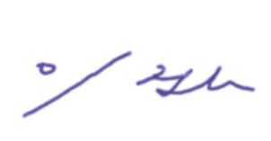

 |  |  |  |  | Signed by
 |  |  |  |  |  | Jinho. Lee / Deputy Project Director

Technical Description
Technical Description
Invoice no. | OM4-DE-IS-0003
№ | Package No. | Description of Goods | Quantity |  | Photo |  | Technical specifications
 |  |  | Nos | Unit | Before packing | After packing
1 | OM4-DE-IS-0003-001 | PVC Conduit | 150 | EA
2 | OM4-DE-IS-0003-002 | PVC Conduit | 150 | EA
3 | OM4-DE-IS-0003-003 | PVC Conduit | 150 | EA
4 | OM4-DE-IS-0003-004 | PVC Conduit | 150 | EA
5 | OM4-DE-IS-0003-005 | PVC Conduit | 150 | EA
6 | OM4-DE-IS-0003-006 | PVC Conduit | 150 | EA
7 | OM4-DE-IS-0003-007 | PVC Conduit | 100 | EA
8 | OM4-DE-IS-0003-008 | PVC Conduit | 100 | EA
9 | OM4-DE-IS-0003-009 | PVC Conduit | 550 | EA
10 | OM4-DE-IS-0003-010 | CONDUIT FITTINGS (PVC Normal Bend, End bell, PVC COUPLING) | 1,640 | EA
11 | OM4-DE-IS-0003-011 | CONDUIT FITTINGS (PVC COUPLING) | 1,300 | EA
12 | OM4-DE-IS-0003-012 | CONDUIT FITTINGS (PVC Spacer, End Bell, Warning Tape) | 3,805 | EA
13 | OM4-DE-IS-0003-013 | PVC Conduit | 251 | EA
14 | OM4-DE-IS-0003-014 | CONDUIT FITTINGS | 1,162 | EA

DOOSAN HEAVY INDUSTRIES &
CONSTRUCTION CO., LTD

DOOSAN HEAVY INDUSTRIES &
CONSTRUCTION CO., LTD
DOOSAN HEAVY INDUSTRIES &
CONSTRUCTION CO., LTD
DOOSAN HEAVY INDUSTRIES &
CONSTRUCTION CO., LTD

CO
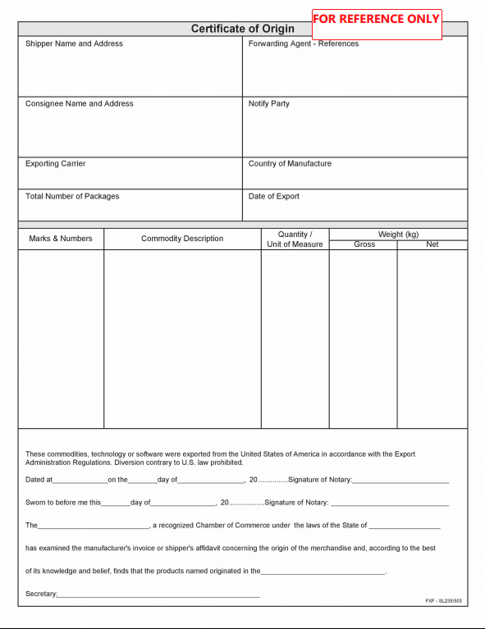

CQ
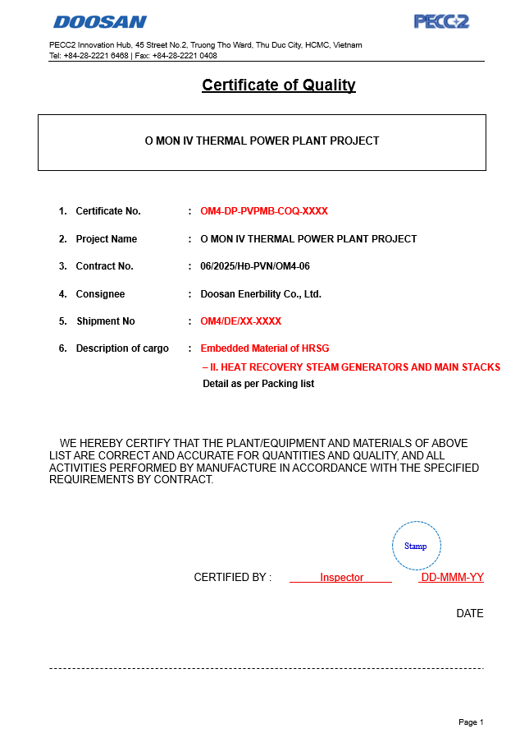

BL
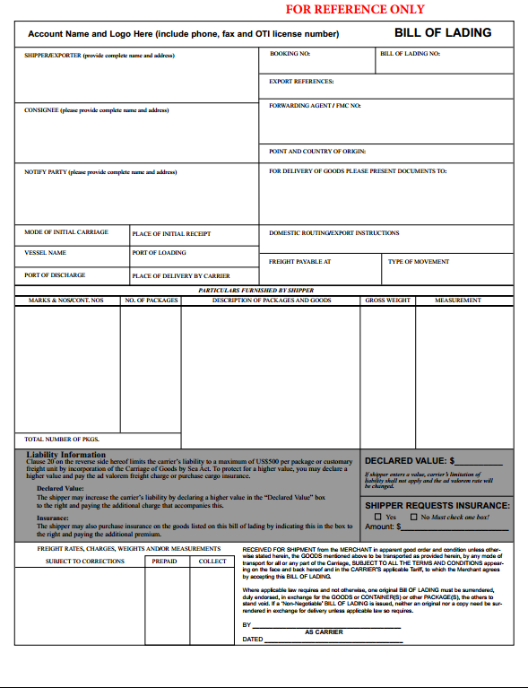

- In the B/L Form, "Freight Prepaid" must be used according to the signed EPC regulations, "Freight payable" cannot be used as the form we are drafting. - According to EPC, the Contractor is required to bear the risks and losses until handover, and must insure all goods during transportation, so remove the content of the complicated limitation regulations below in the B/L Form.

PSIC
