Sheet1
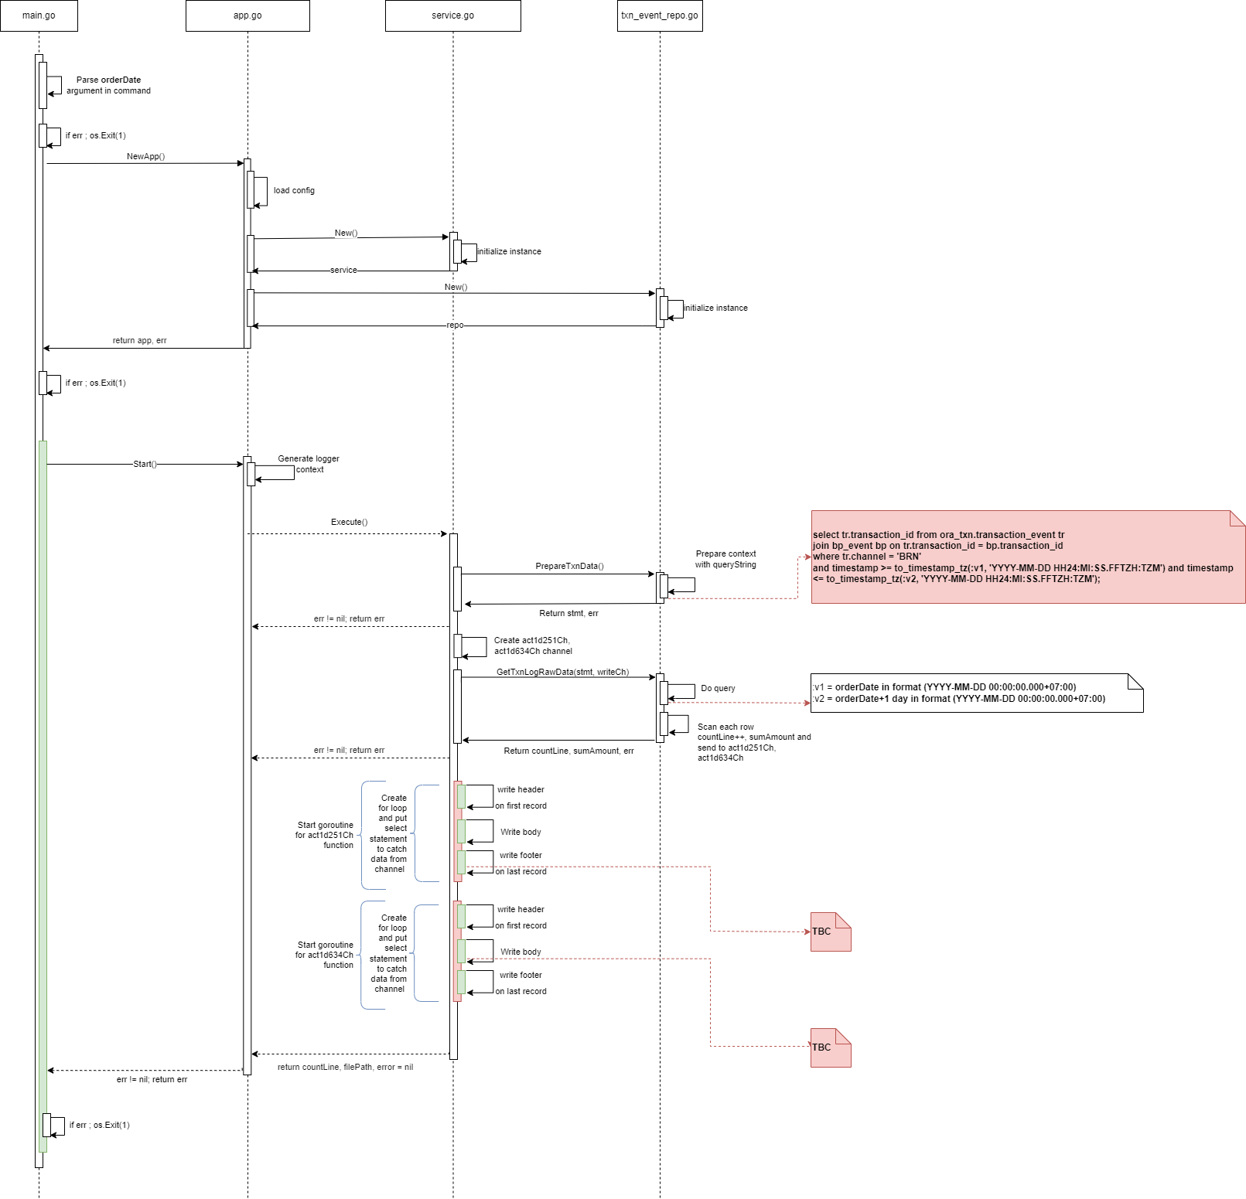
ABC | DEF | GHI | JKL | AAA | BBB | CCC | DDD | EEE | FFF | GGG | HHH | ZZZ | YYY | ZKKK | ASW
a | b | c | d
 |  |  |  | di dot

 |  |  |  | d
a
b
c
d
e
f
g
h
i
z
k
l
m
n
o
p
q
r
s
t
a
b
c
d
e
f
g
h
i
j
k
l
m
n
o
p
q

