Sheet1
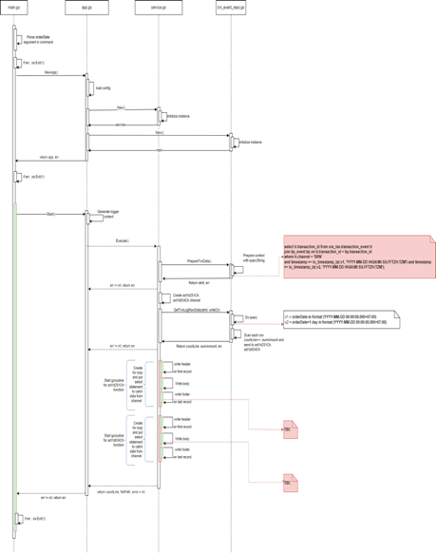
ABC | DEF | GHI | JKL | AAA | BBB | CCC | DDD | EEE | FFF | GGG | HHH | ZZZ | YYY | ZKKK | ASW
a | b | c | d
ì ót |  |  |  | đì đót
 |  |  | x
 | f |  |  | d
a
b
c |  |  |  | oof
d
e

g
h
i
j
k
l
m
n
o
p
q
r
s
t
u
v
x
y
z
a
b
c
d

