Sheet1
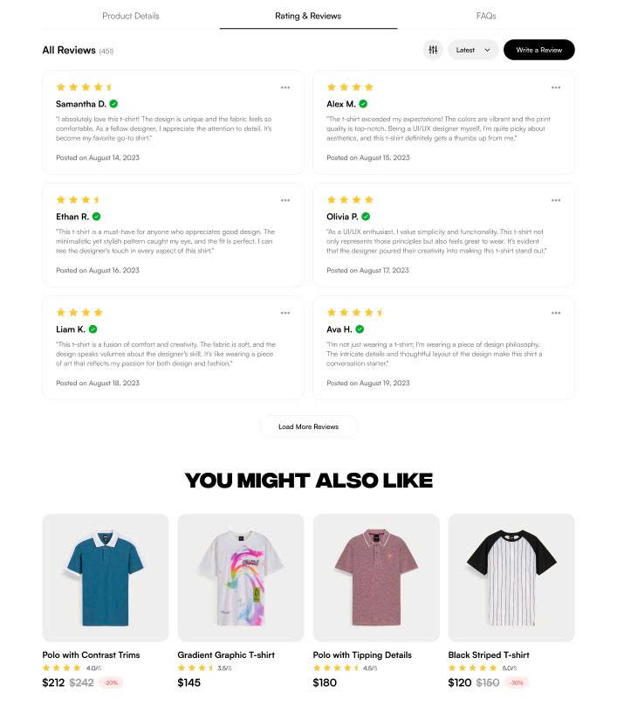

<nav class="tabs">
<section class="tabs__item"></section>
<section class="tabs__item"></section>
<section class="tabs__item"></section>
</nav>

<section class="main-content">
<header class="main-content__header">
<div class="main-content__title"></div>
<div class="main-content__btn--filter"></div>
<div class="main-content__btn--sort"></div>
<div class="main-content__btn--write"></div>
</header>
<div class="review">
<div class="review__rating"></div>
<div class="review__author"></div>
<div class="review__text"></div>
<div class="review__posted-time"></div>
</div>
<button class="main-content__btn--more">
</button>
</section>

<section class="related-items">
<div class="related-items__title"></div>
<div class="slicer_items">
<div class="item">
<figure class="item__pic">
<img src="" alt="">
</figure>
<div class="item__title"></div>
<div class="item__rating"></div>
<div class="item__price"></div>
</div>
</div>
</section>

