Sheet1
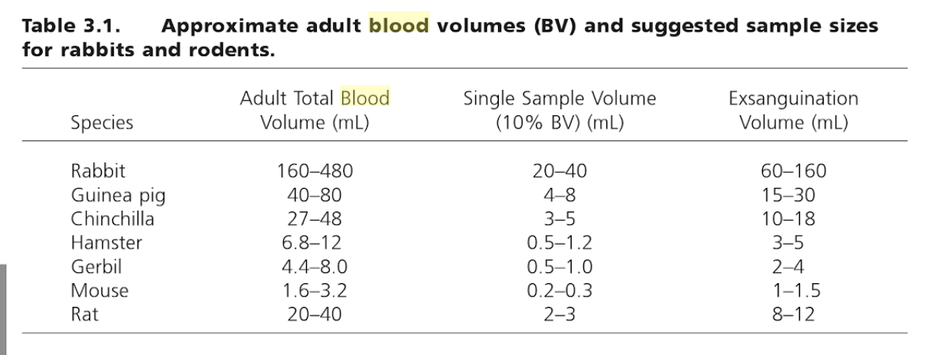
 | Female mice
 |  | w (g)
 | Adrenals | 0.0102 |  | https://www.criver.com/sites/default/files/resources/AComparisonofSelectedOrganWeightsandClinicalPathologyParametersinMaleandFemaleCD-1andCByB6F1HybridMice12-14WeeksinAge.pdf
 | Blood | 2.4 |  | https://books.google.ca/books?id=SFSXqsWvsMQC&pg=PA116&lpg=PA116&dq=Harkness+and+Wagner+1989+mouse+blood&source=bl&ots=pdzvlDkYu-&sig=YefkGnM-vRNkszWzJd_Bo3E5YgI&hl=en&sa=X&ved=0ahUKEwj4yNyj5efZAhUJ_WMKHVhHDkgQ6AEISzAD#v=onepage&q=blood&f=false
 | Muscles
.05? | Gallbladder
 | ovaries | 0.0165 |  | https://www.criver.com/sites/default/files/resources/AComparisonofSelectedOrganWeightsandClinicalPathologyParametersinMaleandFemaleCD-1andCByB6F1HybridMice12-14WeeksinAge.pdf
 | salivary glands | 0.1875 | (approx from graph for 25g female mouse) | https://www.physiology.org/doi/pdf/10.1152/ajpendo.1992.263.4.E607
 | skin | ~5 | (approx from graph) | https://www.sciencedirect.com/science/article/pii/S0022202X15406840?via%3Dihub
 | skin (ref2) | 2.01 | (prob more accurate since shaved) | http://rspb.royalsocietypublishing.org/content/royprsb/162/989/502.full.pdf
 | thymus | 0.051 |  | https://www.criver.com/sites/default/files/resources/AComparisonofSelectedOrganWeightsandClinicalPathologyParametersinMaleandFemaleCD-1andCByB6F1HybridMice12-14WeeksinAge.pdf
 | trachea
 | urerus | 0.172 |  | https://www.criver.com/sites/default/files/resources/AComparisonofSelectedOrganWeightsandClinicalPathologyParametersinMaleandFemaleCD-1andCByB6F1HybridMice12-14WeeksinAge.pdf

