Use_Case
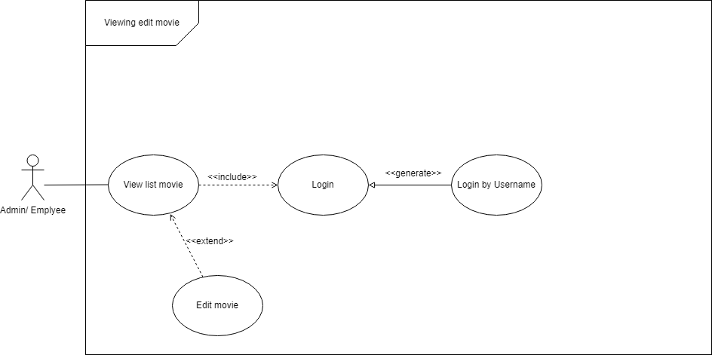
6.14.1.2 Màn hình thêm mới phim


6.14.1.3 Màn hình chỉnh sửa thông tin phim

Class_Diagram
6.14.1.2 Màn hình thêm mới phim
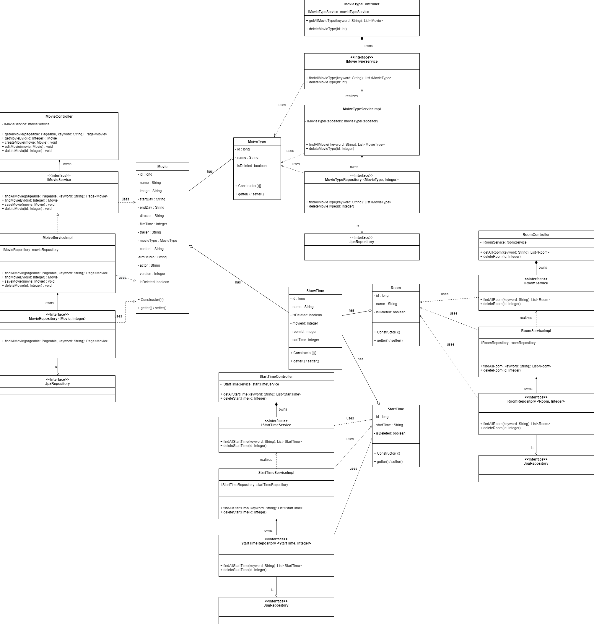

6.14.1.3 Màn hình chỉnh sửa thông tin phim

Sequence_Diagram
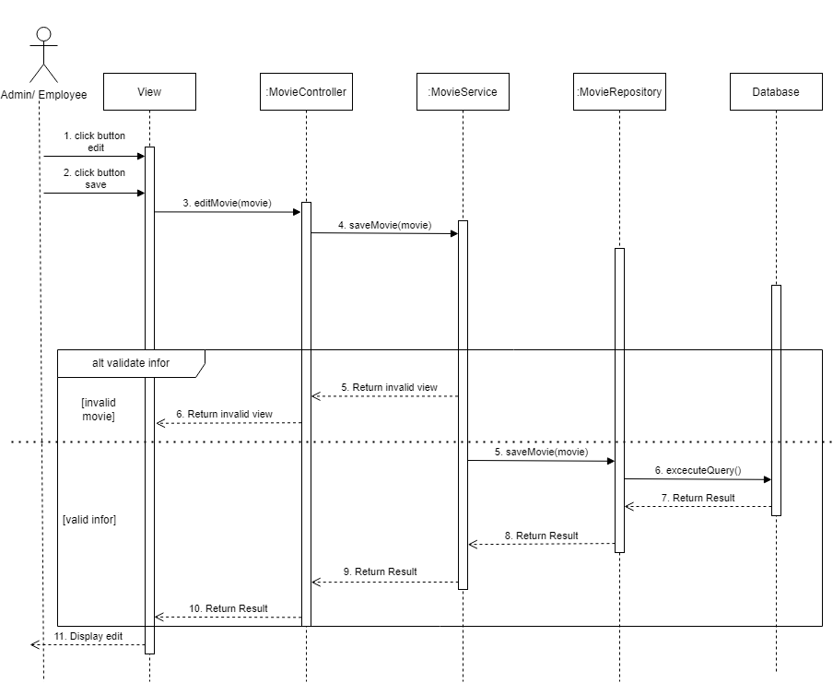
6.14.1.2 Màn hình thêm mới phim
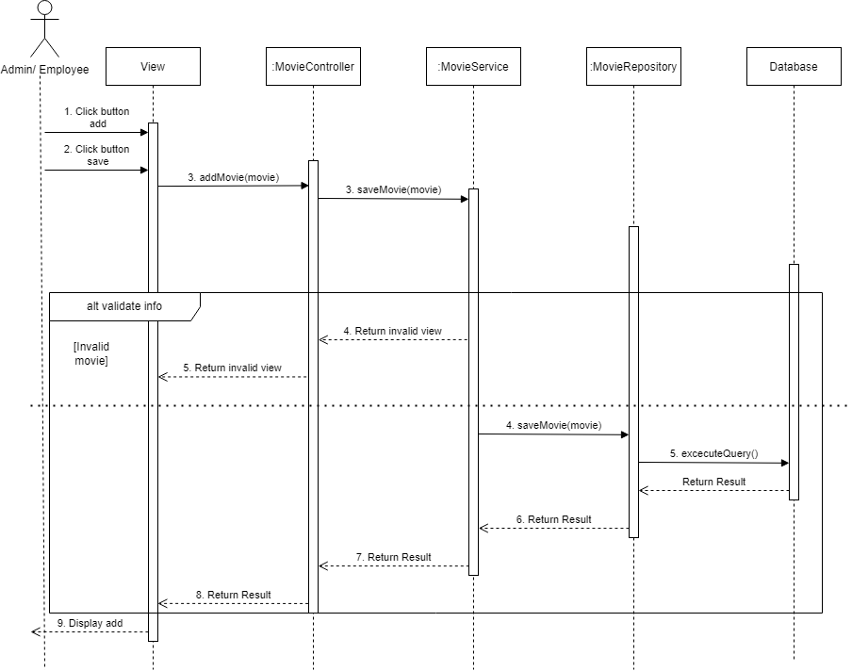

6.14.1.3 Màn hình chỉnh sửa thông tin phim

