Sheet1
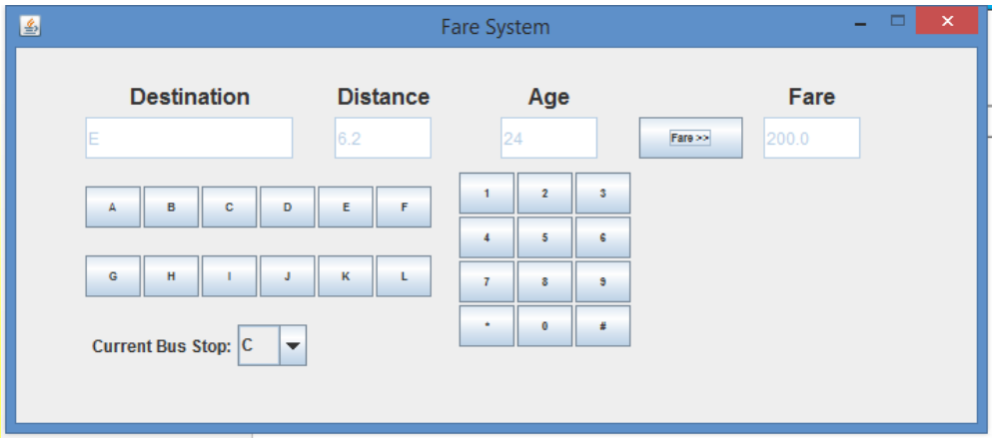
No | Test ID | Test Item | Precondition | Input | Procedure | Expected Output | Result | Tester | Remarks
1 | Test.001 | Invalid input age (include '#') Destination E | All data is clear Current bus stop is C | 1. Destination E 2. Age '18#' | 1. Push a destination button E 2. Input age '18#' 3. Push a fare button | 1. Display 'E' in Destination field and Display '6.2' in Distance field 2. The void speech "invalid input age" |  | Quynh
2 | Test.002 | Invalid input age (include '*') Destination F | All data is clear Current bus stop is C | 1. Destination F 2. Age '*18' | 1. Push a destination button F 2. Input age '18#' 3. Push a fare button | 1. Display 'F' in Destination field and Display '10.2' in Distance field 2. The void speech "invalid input age" |  | Quynh
3 | Test.003 | Destination G (no any bus stop) Input age 15 | All data is clear Current bus stop is C | 1. Destination G 2. Age '15' | 1. Push a destination button G 2. Input age '15' 3. Push a fare button | 1. Display 'G' in Destination field 2. Display '15' in Age field 3. The voice speech "Destination has no bus stop" |  | Quynh
4 | Test.004 | Destination L (no any bus stop) Input age 9 | All data is clear Current bus stop is C | 1. Destination L 2. Age '9' | 1. Push a destination button L 2. Input age '9' 3. Push a fare button | 1. Display 'L' in Destination field 2. Display '9' in Age field 3. The voice speech "Destination has no bus stop" |  | Quynh
5 | Test.005 | Transportation fee for age is 14, distance is less than 10 km | All data is clear Current bus stop is C | 1. Destination D 2. Age '14' | 1. Push a destination button D 2. Input age '14' 3. Push a fare button | 1. Display 'D' in Destination field and Display '3.1' in Distance field 2. Display '14' in Age field 3. Fare field display 100. And voice speech “The fare is one hundred yen” |  | Quynh
6 | Test.006 | Transportation fee for age is 4, distance is more than 10 km | All data is clear Current bus stop is C | 1. Destination F 2. Age '4' | 1. Push a destination button F 2. Input age '4' 3. Push a fare button | 1. Display 'F' in Destination field and Display '10.2' in Distance field 2. Display '4' in Age field 3. Fare field display 125. And voice speech “The fare is one hundred twenty-five yen” |  | Quynh
7 | Test.007 | Transportation fee for age is 15, distance is less than 10 km | All data is clear Current bus stop is C | 1. Destination E 2. Age '15' | 1. Push a destination button E 2. Input age '15' 3. Push a fare button | 1. Display 'E' in Destination field and Display '6.2' in Distance field 2. Display '15' in Age field 3. Fare field display 200. And voice speech “The fare is two hundred yen” |  | Quynh
8 | Test.008 | Transportation fee for age is 59, distance is more than 10 km | All data is clear Current bus stop is C | 1. Destination F 2. Age '59' | 1. Push a destination button F 2. Input age '59' 3. Push a fare button | 1. Display 'F' in Destination field and Display '10.2' in Distance field 2. Display '59' in Age field 3. Fare field display 250. And voice speech “The fare is two hundred fifty yen” |  | Quynh
9 | Test.009 | Transportation fee for age is 60, distance is less than 10 km | All data is clear Current bus stop is C | 1. Destination A 2. Age '60' | 1. Push a destination button A 2. Input age '60' 3. Push a fare button | 1. Display 'A' in Destination field and Display '5.8' in Distance field 2. Display '60' in Age field 3. Fare field display 160. And voice speech “The fare is one hundred sixty yen” |  | Quynh
10 | Test.010 | Transportation fee for age is 99, distance is more than 10 km | All data is clear Current bus stop is C | 1. Destination F 2. Age '99' | 1. Push a destination button F 2. Input age '99' 3. Push a fare button | 1. Display 'F' in Destination field and Display '10.2' in Distance field 2. Display '99' in Age field 3. Fare field display 200. And voice speech “The fare is two hundred yen” |  | Quynh
11 | Test.011 | Transportation fee for age is 100, distance is less than 10 km | All data is clear Current bus stop is C | 1. Destination B 2. Age '100' | 1. Push a destination button B 2. Input age '100' 3. Push a fare button | 1. Display 'B' in Destination field and Display '3.4' in Distance field 2. Display '100' in Age field 3. Voice speech “Do not treat at the age of 100 or more” |  | Quynh
12 | Test.012 | Transportation fee for age is 101, distance is more than 10 km | All data is clear Current bus stop is C | 1. Destination F 2. Age '101' | 1. Push a destination button F 2. Input age '101' 3. Push a fare button | 1. Display 'F' in Destination field and Display '10.2' in Distance field 2. Display '99' in Age field 3. Voice speech “Do not treat at the age of 100 or more” |  | Quynh

