log
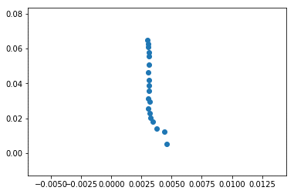
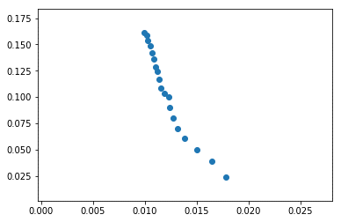
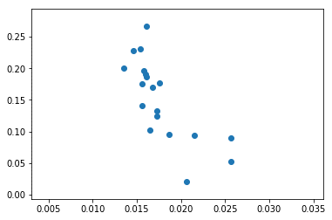
f | 50 | noise | 0.01 | hedge | 0.3 | 1000 | 10000 | 1440
csvd | 0.0222 | 0.0148 | 0.0237 | 0.0369 | 0.0615 | 0.2436
algorithm | 0.022 | 0.0189 | 0.0179 | 0.0282 | 0.0395 | 0.2609
ibcf | 0.0423 | 0.0318 | 0.02 | 0.0417 | 0.0672 | 0.1629
f | 50 | noise | 0.01 | hedge | 0.28 | 3000 | 10000 | 30000
ibcf | 0.0046 | 0.0044 | 0.0031 | 0.0054 | 0.0123 | 0.0355
algorithm | 0.0178 | 0.0164 | 0.0115 | 0.0234 | 0.0388 | 0.1086
csvd | 0.0206 | 0.0257 | 0.0167 | 0.0206 | 0.0517 | 0.17

