Sheet1
Average time is 290.20 ms. MSE loss: 3.0855 Q-[100. 100. 100. 100. 100. 100. 100. 100. 100. 100. 100.]_R-[0.1 0.1]_rho-0.01_Nc-20 Total time is 112806.56 ms. | Average time is 278.74 ms. MSE loss: 6.6181 Q-[100. 100. 10. 10. 10. 10. 10. 10. 10. 10. 10.]_R-[0.1 0.1]_rho-0.01_Nc-20 Total time is 108380.93 ms. | Average time is 270.11 ms. MSE loss: 4.5283 Q-[50. 50. 10. 10. 10. 10. 10. 10. 10. 10. 10.]_R-[0.1 0.1]_rho-0.01_Nc-20 Total time is 105179.66 ms. | Average time is 315.34 ms. MSE loss: 4.5128 Q-[500. 500. 100. 100. 100. 100. 100. 100. 100. 100. 100.]_R-[0.1 0.1]_rho-0.01_Nc-20 Total time is 121434.75 ms.
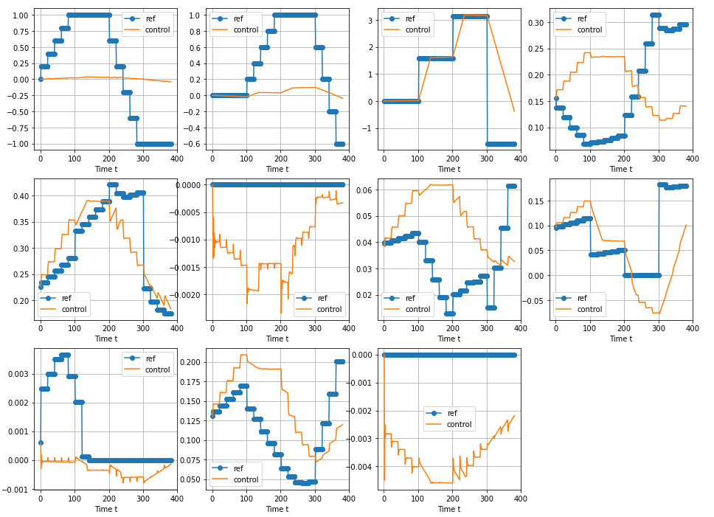 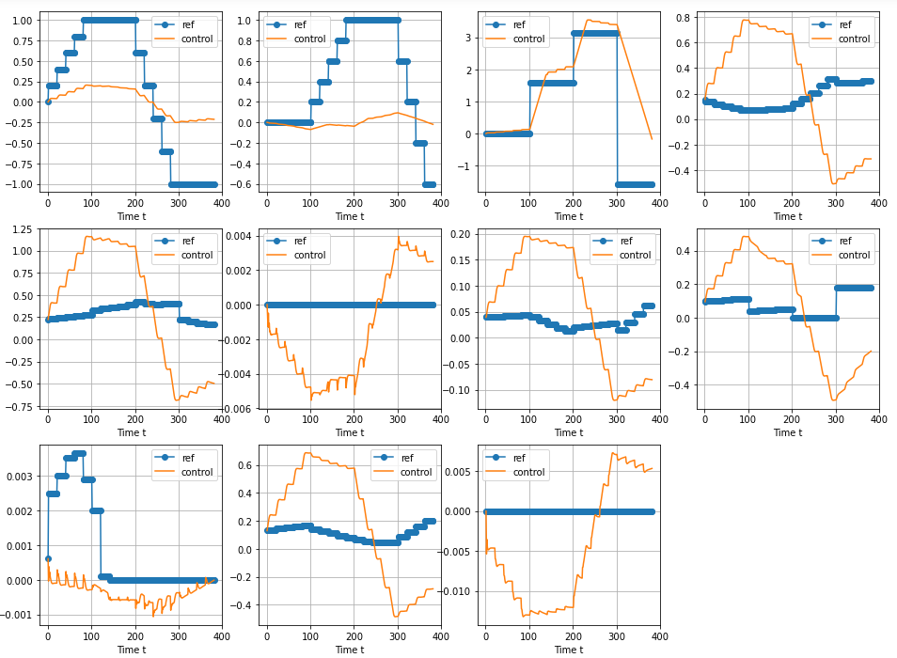 |  | 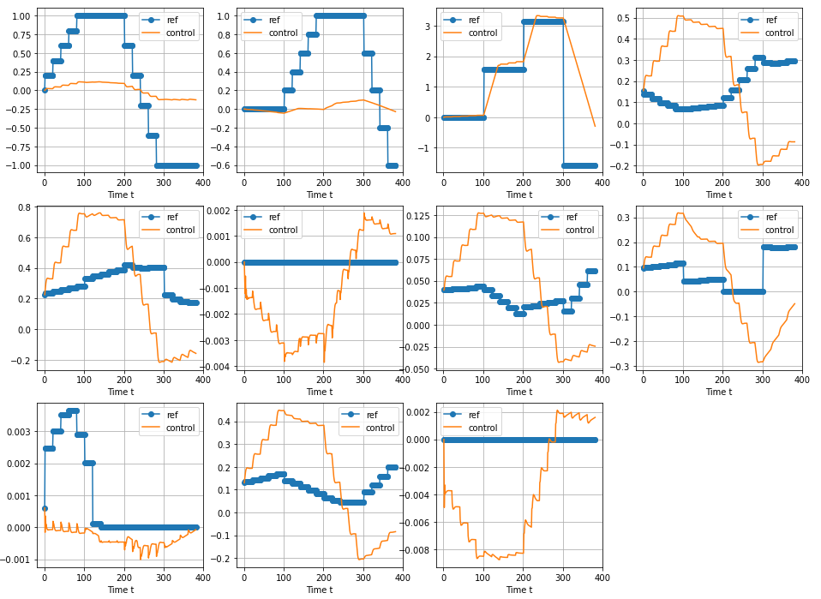 | 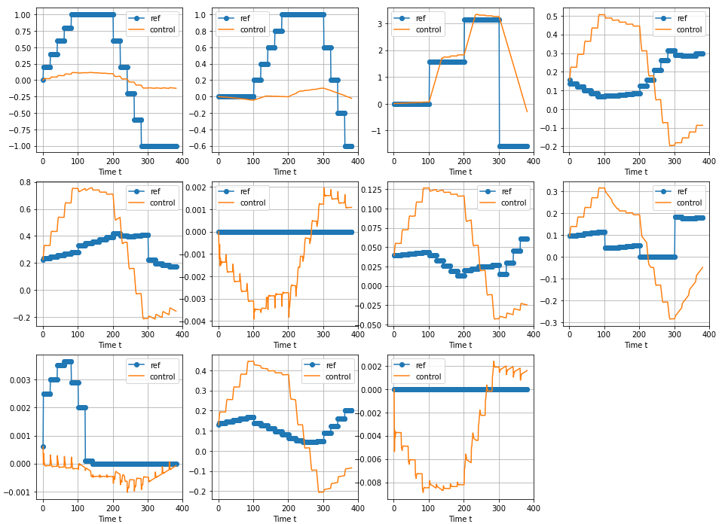
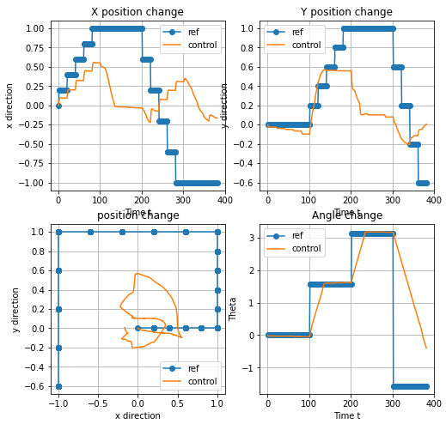 | 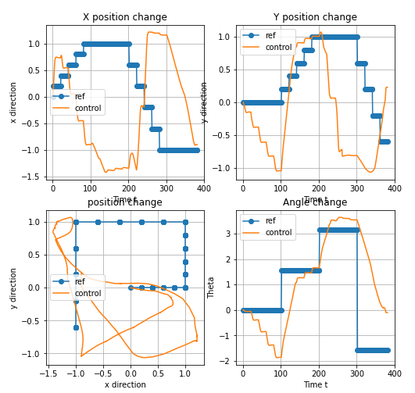 | 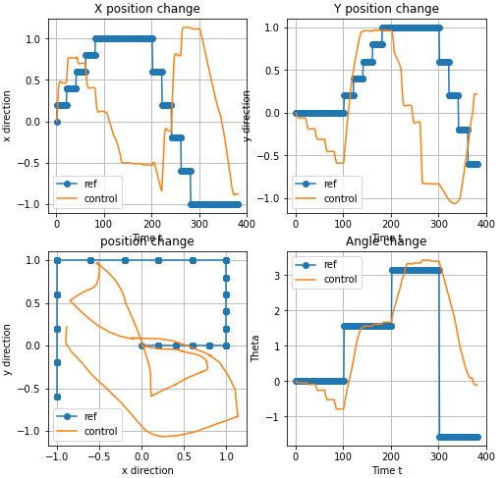 | 