training_history_hyz15040
 | train_loss | val_loss | is_best_epoch
1 | 15.324115 | 9.064259 | TRUE
2 | 5.758134 | 5.554894 | TRUE
3 | 4.862555 | 5.055271 | TRUE
4 | 4.606556 | 4.819632 | TRUE
5 | 4.437467 | 4.743692 | TRUE
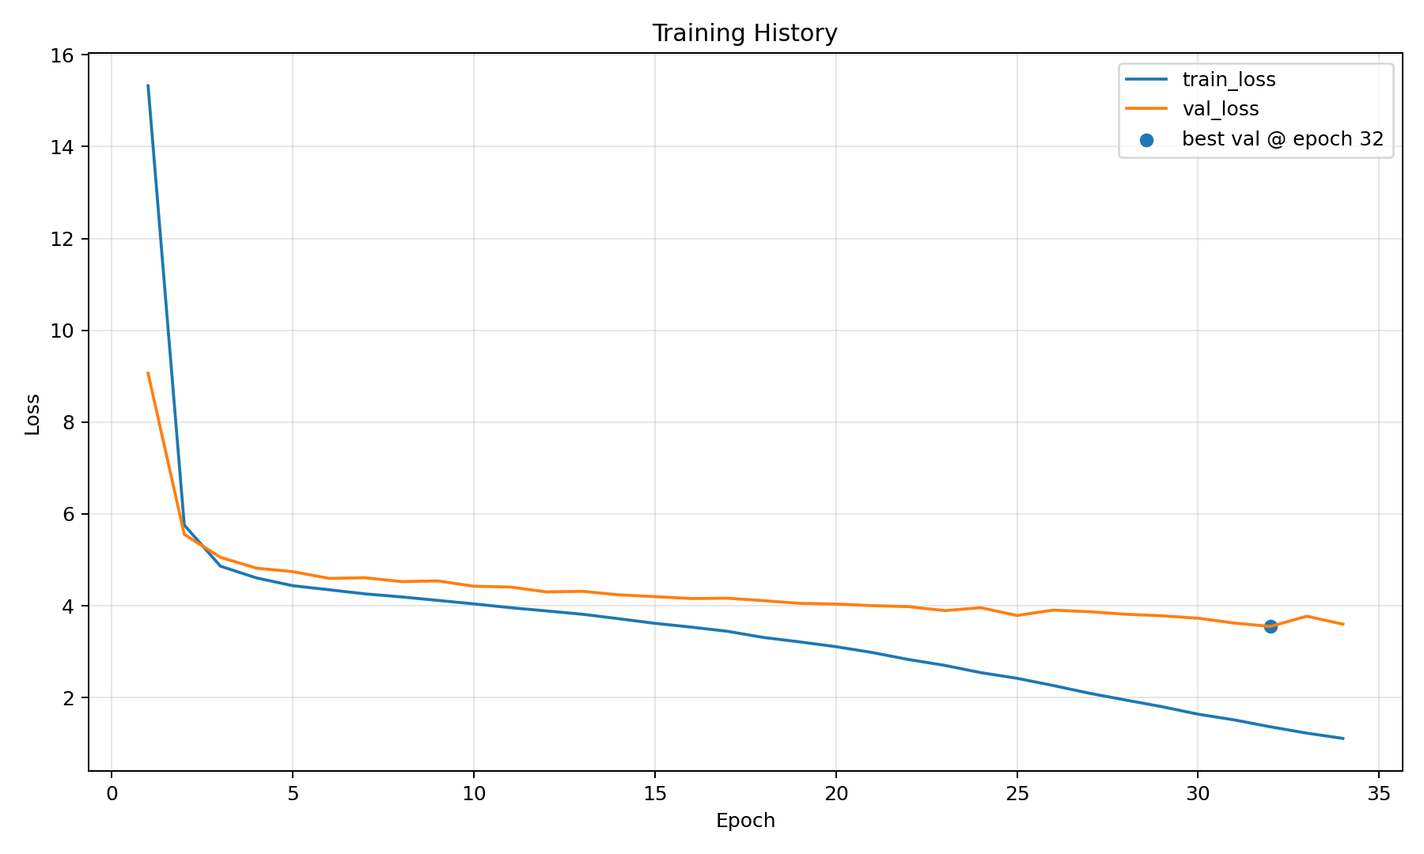
6 | 4.349818 | 4.598188 | TRUE
7 | 4.259639 | 4.610598 | FALSE
8 | 4.194052 | 4.52775 | TRUE
9 | 4.118187 | 4.541322 | FALSE
10 | 4.041873 | 4.426822 | TRUE
11 | 3.96007 | 4.408912 | TRUE
12 | 3.888808 | 4.303298 | TRUE
13 | 3.816282 | 4.315468 | FALSE
14 | 3.718887 | 4.239115 | TRUE
15 | 3.618731 | 4.199669 | TRUE
16 | 3.536188 | 4.158856 | TRUE
17 | 3.44551 | 4.166027 | FALSE
18 | 3.310482 | 4.112251 | TRUE
19 | 3.214194 | 4.053436 | TRUE
20 | 3.110168 | 4.038609 | TRUE
21 | 2.983095 | 4.004614 | TRUE
22 | 2.831333 | 3.982176 | TRUE
23 | 2.703631 | 3.895764 | TRUE
24 | 2.544854 | 3.958838 | FALSE
25 | 2.421878 | 3.788954 | TRUE
26 | 2.264216 | 3.906561 | FALSE
27 | 2.095925 | 3.871267 | FALSE
28 | 1.948276 | 3.816497 | FALSE
29 | 1.804185 | 3.782774 | TRUE
30 | 1.640188 | 3.729387 | TRUE
31 | 1.5158 | 3.625021 | TRUE
32 | 1.364763 | 3.550723 | TRUE
33 | 1.227959 | 3.772612 | FALSE
34 | 1.112512 | 3.600599 | FALSE

