Sheet1
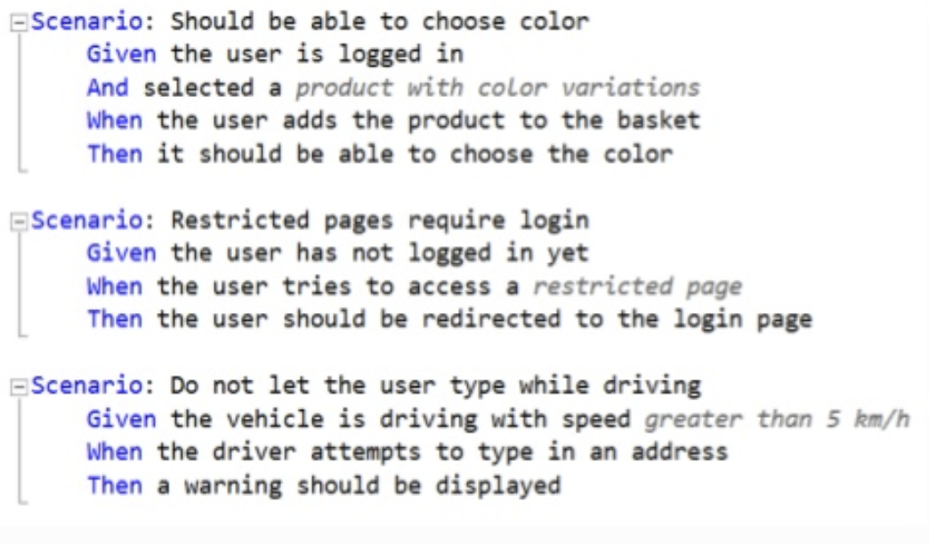
Scenario | should be driving forward
given | the left color sensor is on a white surface
and | the right color sensor ris on a white surface
when | robot takes decision
then | the robot should drive forwards

Scenario | robot should be driving forward fast
given | the left color sensor is on a red surface
and | the right color sensor is on a red surface
when | robot takes decision
then | the robot should drive forwards fast

Scenario | robot should stop
given | the left color sensor is on a grey surface
and | the right color sensor is on a grey surface
when | robot takes decision
then | the robot should stop

Scenario | robot should turns right
given | the left color sensor is on a white surface
and | the right color sensor is on a black surface
when | robot takes decision
then | the robot turns right

Scenario | robot should turns left
given | the left color sensor is on a black surface
and | the right color sensor is on a white surface
when | robot takes decision
then | the robot turns left

Scenario | robot should stop when object is in the way
given | the ultrasonic sensor detects an object
when | robot takes decision
then | the robot stops

Scenario | robot should park in left parking space
given | both color sensors are on a purple surface
and | a left parking spot is free
when | robot takes decision
then | the robot selects left parking space

Scenario | robot should park in right parking space
given | both color sensors are on a purple surface
and | the left parking spot is taken
and | a right parking spot is free
when | robot takes decision
then | the robot sselects right parking space

Scenario | robot should park but both parking spaces are taken
given | both color sensors are on a purple surface
and | the left parking spot is taken
and | the right parking spot is taken
when | robot takes decision
then | the robot stops

