Task Rank
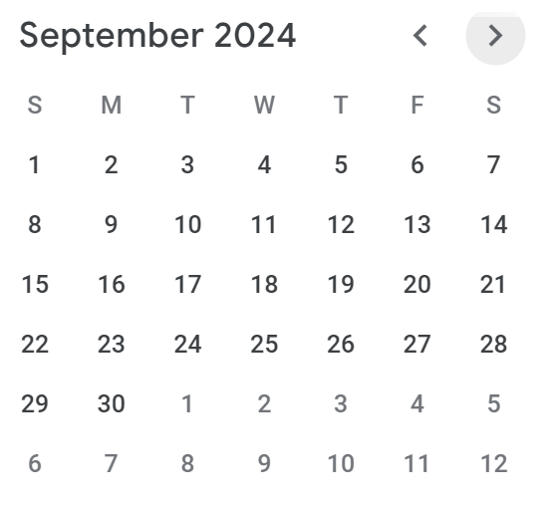
Status | Task | Tag | Priority | Est. Dur. | Due Date | Start By | Days Remaining | Matrix Scoring | Notes
1 | 4CL4 Lab 1 | 4CL4 | 10 | 7 | 2024-09-26 | 2024-09-19 | 18 Days Past Due | 38.888888889
1 | 4CL4 Lab 2 | 4CL4 | 10 | 7 | 2024-10-10 | 2024-10-03 | 4 Days Past Due | 175
1 | 4CL4 Lab 3 | 4CL4 | 10 | 7 | 2024-10-31 | 2024-10-24 | 17 Days Remaining | 16.470588235
1 | 4CL4 Lab 3 | 4CL4 | 10 | 7 | 2024-11-14 | 2024-11-07 | 31 Days Remaining | 9.0322580645
1 | 4CL4 Lab 4 | 4CL4 | 10 | 7 | 2024-11-28 | 2024-11-21 | 45 Days Remaining | 6.2222222222
1 | Midterm 4CL4 | 4CL4 |  |  |  | 0 | 45579 Days Past Due | 0
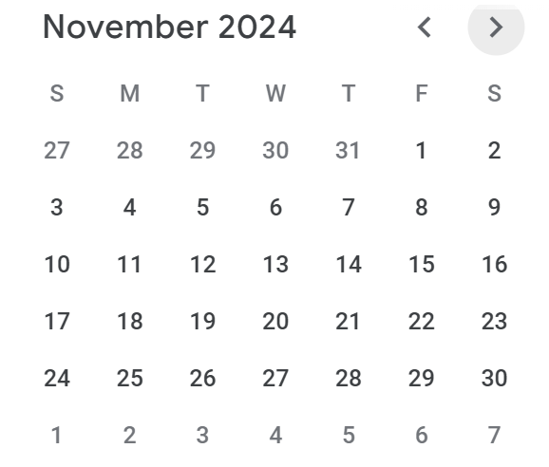
1 | Exam 4CL4 | 4CL4 |  |  |  | 0 | 45579 Days Past Due | 0
1 |  |  |  |  |  | 0 | 45579 Days Past Due | 0
1 |  |  |  |  |  | 0 | 45579 Days Past Due | 0
1 |  |  |  |  |  | 0 | 45579 Days Past Due | 0
1 |  |  |  |  |  | 0 | 45579 Days Past Due | 0
1 |  |  |  |  |  | 0 | 45579 Days Past Due | 0
1 |  |  |  |  |  | 0 | 45579 Days Past Due | 0
1 |  |  |  |  |  | 0 | 45579 Days Past Due | 0
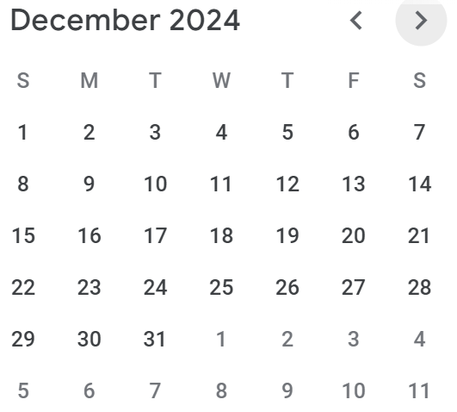
1 |  |  |  |  |  | 0 | 45579 Days Past Due | 0
1 |  |  |  |  |  | 0 | 45579 Days Past Due | 0
1 |  |  |  |  |  | 0 | 45579 Days Past Due | 0
1 |  |  |  |  |  | 0 | 45579 Days Past Due | 0
1 |  |  |  |  |  | 0 | 45579 Days Past Due | 0
1 |  |  |  |  |  | 0 | 45579 Days Past Due | 0
1 |  |  |  |  |  | 0 | 45579 Days Past Due | 0
1 |  |  |  |  |  | 0 | 45579 Days Past Due | 0
1 |  |  |  |  |  | 0 | 45579 Days Past Due | 0
1 |  |  |  |  |  | 0 | 45579 Days Past Due | 0
1 |  |  |  |  |  | 0 | 45579 Days Past Due | 0
1 |  |  |  |  |  | 0 | 45579 Days Past Due | 0
1 |  |  |  |  |  | 0 | 45579 Days Past Due | 0
1 |  |  |  |  |  | 0 | 45579 Days Past Due | 0
1 |  |  |  |  |  | 0 | 45579 Days Past Due | 0
1 |  |  |  |  |  | 0 | 45579 Days Past Due | 0
1 |  |  |  |  |  | 0 | 45579 Days Past Due | 0
1 |  |  |  |  |  | 0 | 45579 Days Past Due | 0
1 |  |  |  |  |  | 0 | 45579 Days Past Due | 0
1 |  |  |  |  |  | 0 | 45579 Days Past Due | 0
1 |  |  |  |  |  | 0 | 45579 Days Past Due | 0
1 |  |  |  |  |  | 0 | 45579 Days Past Due | 0
1 |  |  |  |  |  | 0 | 45579 Days Past Due | 0
1 |  |  |  |  |  | 0 | 45579 Days Past Due | 0
1 |  |  |  |  |  | 0 | 45579 Days Past Due | 0
1 |  |  |  |  |  | 0 | 45579 Days Past Due | 0
1 |  |  |  |  |  | 0 | 45579 Days Past Due | 0
1 |  |  |  |  |  | 0 | 45579 Days Past Due | 0
1 |  |  |  |  |  | 0 | 45579 Days Past Due | 0
1 |  |  |  |  |  | 0 | 45579 Days Past Due | 0
1 |  |  |  |  |  | 0 | 45579 Days Past Due | 0
1 |  |  |  |  |  | 0 | 45579 Days Past Due | 0
1 |  |  |  |  |  | 0 | 45579 Days Past Due | 0
1 |  |  |  |  |  | 0 | 45579 Days Past Due | 0
1 |  |  |  |  |  | 0 | 45579 Days Past Due | 0
1 |  |  |  |  |  | 0 | 45579 Days Past Due | 0
1 |  |  |  |  |  | 0 | 45579 Days Past Due | 0
1 |  |  |  |  |  | 0 | 45579 Days Past Due | 0
1 |  |  |  |  |  | 0 | 45579 Days Past Due | 0
1 |  |  |  |  |  | 0 | 45579 Days Past Due | 0
1 |  |  |  |  |  | 0 | 45579 Days Past Due | 0
1 |  |  |  |  |  | 0 | 45579 Days Past Due | 0
1 |  |  |  |  |  | 0 | 45579 Days Past Due | 0
1 |  |  |  |  |  | 0 | 45579 Days Past Due | 0
1 |  |  |  |  |  | 0 | 45579 Days Past Due | 0
1 |  |  |  |  |  | 0 | 45579 Days Past Due | 0
1 |  |  |  |  |  | 0 | 45579 Days Past Due | 0
1 |  |  |  |  |  | 0 | 45579 Days Past Due | 0
1 |  |  |  |  |  | 0 | 45579 Days Past Due | 0
1 |  |  |  |  |  | 0 | 45579 Days Past Due | 0
1 |  |  |  |  |  | 0 | 45579 Days Past Due | 0
1 |  |  |  |  |  | 0 | 45579 Days Past Due | 0
1 |  |  |  |  |  | 0 | 45579 Days Past Due | 0
1 |  |  |  |  |  | 0 | 45579 Days Past Due | 0
1 |  |  |  |  |  | 0 | 45579 Days Past Due | 0
1 |  |  |  |  |  | 0 | 45579 Days Past Due | 0
1 |  |  |  |  |  | 0 | 45579 Days Past Due | 0
1 |  |  |  |  |  | 0 | 45579 Days Past Due | 0
1 |  |  |  |  |  | 0 | 45579 Days Past Due | 0
1 |  |  |  |  |  | 0 | 45579 Days Past Due | 0
1 |  |  |  |  |  | 0 | 45579 Days Past Due | 0
1 |  |  |  |  |  | 0 | 45579 Days Past Due | 0
1 |  |  |  |  |  | 0 | 45579 Days Past Due | 0
1 |  |  |  |  |  | 0 | 45579 Days Past Due | 0
1 |  |  |  |  |  | 0 | 45579 Days Past Due | 0
1 |  |  |  |  |  | 0 | 45579 Days Past Due | 0
1 |  |  |  |  |  | 0 | 45579 Days Past Due | 0
1 |  |  |  |  |  | 0 | 45579 Days Past Due | 0
1 |  |  |  |  |  | 0 | 45579 Days Past Due | 0
1 |  |  |  |  |  | 0 | 45579 Days Past Due | 0
1 |  |  |  |  |  | 0 | 45579 Days Past Due | 0
1 |  |  |  |  |  | 0 | 45579 Days Past Due | 0
1 |  |  |  |  |  | 0 | 45579 Days Past Due | 0
1 |  |  |  |  |  | 0 | 45579 Days Past Due | 0
1 |  |  |  |  |  | 0 | 45579 Days Past Due | 0
1 |  |  |  |  |  | 0 | 45579 Days Past Due | 0
1 |  |  |  |  |  | 0 | 45579 Days Past Due | 0
1 |  |  |  |  |  | 0 | 45579 Days Past Due | 0
1 |  |  |  |  |  | 0 | 45579 Days Past Due | 0
1 |  |  |  |  |  | 0 | 45579 Days Past Due | 0
1 |  |  |  |  |  | 0 | 45579 Days Past Due | 0
1 |  |  |  |  |  | 0 | 45579 Days Past Due | 0
1 |  |  |  |  |  | 0 | 45579 Days Past Due | 0
1 |  |  |  |  |  | 0 | 45579 Days Past Due | 0
1 |  |  |  |  |  | 0 | 45579 Days Past Due | 0
1 |  |  |  |  |  | 0 | 45579 Days Past Due | 0
1 |  |  |  |  |  | 0 | 45579 Days Past Due | 0
1 |  |  |  |  |  | 0 | 45579 Days Past Due | 0
1 |  |  |  |  |  | 0 | 45579 Days Past Due | 0
1 |  |  |  |  |  | 0 | 45579 Days Past Due | 0
1 |  |  |  |  |  | 0 | 45579 Days Past Due | 0
1 |  |  |  |  |  | 0 | 45579 Days Past Due | 0
1 |  |  |  |  |  | 0 | 45579 Days Past Due | 0
1 |  |  |  |  |  | 0 | 45579 Days Past Due | 0
1 |  |  |  |  |  | 0 | 45579 Days Past Due | 0
1 |  |  |  |  |  | 0 | 45579 Days Past Due | 0
1 |  |  |  |  |  | 0 | 45579 Days Past Due | 0
1 |  |  |  |  |  | 0 | 45579 Days Past Due | 0
1 |  |  |  |  |  | 0 | 45579 Days Past Due | 0
1 |  |  |  |  |  | 0 | 45579 Days Past Due | 0
1 |  |  |  |  |  | 0 | 45579 Days Past Due | 0
1 |  |  |  |  |  | 0 | 45579 Days Past Due | 0
1 |  |  |  |  |  | 0 | 45579 Days Past Due | 0
1 |  |  |  |  |  | 0 | 45579 Days Past Due | 0
1 |  |  |  |  |  | 0 | 45579 Days Past Due | 0
1 |  |  |  |  |  | 0 | 45579 Days Past Due | 0
1 |  |  |  |  |  | 0 | 45579 Days Past Due | 0
1 |  |  |  |  |  | 0 | 45579 Days Past Due | 0
1 |  |  |  |  |  | 0 | 45579 Days Past Due | 0
1 |  |  |  |  |  | 0 | 45579 Days Past Due | 0
1 |  |  |  |  |  | 0 | 45579 Days Past Due | 0

