Sheet1
ID

NO

Name English

ADD
Name Japanese

Manufacturer

EDIT

Provider

DELETE
Get Date

Select

Select

Submit

Cancel

Logo
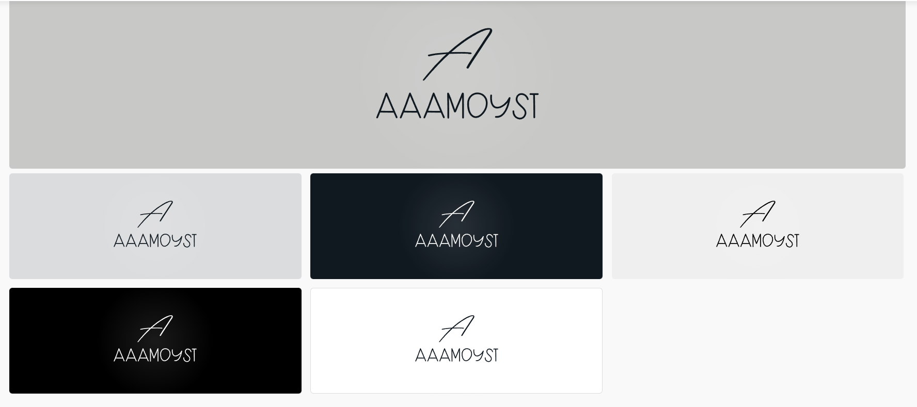

<svg xmlns:mydata="http://www.w3.org/2000/svg" mydata:contrastcolor="C8C9C7" mydata:template="Contrast" mydata:presentation="2.5" mydata:layouttype="undefined" mydata:specialfontid="undefined" mydata:id1="487" mydata:id2="173" mydata:companyname="aaamoyst" mydata:companytagline="" version="1.1" xmlns="http://www.w3.org/2000/svg" xmlns:xlink="http://www.w3.org/1999/xlink" viewBox="0 0 550 470"><g fill="#000000" fill-rule="nonzero" stroke="none" stroke-width="1" stroke-linecap="butt" stroke-linejoin="miter" stroke-miterlimit="10" stroke-dasharray="" stroke-dashoffset="0" font-family="none" font-weight="none" font-size="none" text-anchor="none" style="mix-blend-mode: normal"><g data-paper-data="{&quot;isGlobalGroup&quot;:true,&quot;bounds&quot;:{&quot;x&quot;:65,&quot;y&quot;:116.69942990205575,&quot;width&quot;:420,&quot;height&quot;:236.60114019588846}}"><g data-paper-data="{&quot;isPrimaryText&quot;:true}"><path d="M77.01526,330.81985c4.92477,-12.28226 9.70121,-25.15787 14.32931,-38.62683c1.5427,3.67875 3.14473,7.44649 4.8061,11.30324c1.78004,4.27209 3.73808,8.84086 5.87413,13.70629c1.7207,4.03475 3.73808,8.69252 6.05213,13.9733c-13.64696,0 -24.00085,-0.11867 -31.06167,-0.35601zM65.178,347.46321c-0.23734,0.53401 -0.23734,1.09769 0,1.69104c0.23734,0.59335 0.63785,1.00869 1.20153,1.24603c0.56368,0.23734 1.12736,0.23734 1.69104,0c0.56368,-0.23734 0.96419,-0.62301 1.20153,-1.15702c2.01738,-4.6281 4.00509,-9.31553 5.96313,-14.0623c7.83217,0.29667 19.40242,0.44501 34.71074,0.44501c0.65268,1.42403 1.4537,3.20407 2.40305,5.34011c0.94935,2.13605 1.75037,3.97542 2.40305,5.51812l0.97902,2.31405c0.29667,0.59335 0.72685,0.99386 1.29053,1.20153c0.56368,0.20767 1.12736,0.19284 1.69104,-0.0445c0.56368,-0.23734 0.94935,-0.63785 1.15702,-1.20153c0.20767,-0.56368 0.19284,-1.14219 -0.0445,-1.73554l-0.89002,-2.13605c-0.65268,-1.42403 -1.34986,-2.98156 -2.09154,-4.6726c-0.74168,-1.69104 -1.51303,-3.44141 -2.31405,-5.25111c-0.80102,-1.8097 -1.34986,-3.1299 -1.64654,-3.96058c-2.61072,-5.99279 -4.86544,-11.18457 -6.76414,-15.57533c-2.13605,-4.86544 -4.09409,-9.4342 -5.87413,-13.70629c-2.49205,-5.75546 -4.83577,-11.30324 -7.03115,-16.64336c-0.23734,-0.59335 -0.63785,-1.00869 -1.20153,-1.24603c-0.56368,-0.23734 -1.14219,-0.23734 -1.73554,0c-0.77135,0.35601 -1.21636,0.94935 -1.33503,1.78004c0,0.05934 -0.02967,0.14834 -0.089,0.26701c-7.5355,22.07247 -15.427,42.60225 -23.67451,61.58932z" data-paper-data="{&quot;glyphName&quot;:&quot;A&quot;,&quot;glyphIndex&quot;:0,&quot;firstGlyphOfWord&quot;:true,&quot;word&quot;:1}"></path><path d="M138.07057,330.81985c4.92477,-12.28226 9.70121,-25.15787 14.32931,-38.62683c1.5427,3.67875 3.14473,7.44649 4.8061,11.30324c1.78004,4.27209 3.73808,8.84086 5.87413,13.70629c1.7207,4.03475 3.73808,8.69252 6.05213,13.9733c-13.64696,0 -24.00085,-0.11867 -31.06167,-0.35601zM126.23331,347.46321c-0.23734,0.53401 -0.23734,1.09769 0,1.69104c0.23734,0.59335 0.63785,1.00869 1.20153,1.24603c0.56368,0.23734 1.12736,0.23734 1.69104,0c0.56368,-0.23734 0.96419,-0.62301 1.20153,-1.15702c2.01738,-4.6281 4.00509,-9.31553 5.96313,-14.0623c7.83217,0.29667 19.40242,0.44501 34.71074,0.44501c0.65268,1.42403 1.4537,3.20407 2.40305,5.34011c0.94935,2.13605 1.75037,3.97542 2.40305,5.51812l0.97902,2.31405c0.29667,0.59335 0.72685,0.99386 1.29053,1.20153c0.56368,0.20767 1.12736,0.19284 1.69104,-0.0445c0.56368,-0.23734 0.94935,-0.63785 1.15702,-1.20153c0.20767,-0.56368 0.19284,-1.14219 -0.0445,-1.73554l-0.89002,-2.13605c-0.65268,-1.42403 -1.34986,-2.98156 -2.09154,-4.6726c-0.74168,-1.69104 -1.51303,-3.44141 -2.31405,-5.25111c-0.80102,-1.8097 -1.34986,-3.1299 -1.64654,-3.96058c-2.61072,-5.99279 -4.86544,-11.18457 -6.76414,-15.57533c-2.13605,-4.86544 -4.09409,-9.4342 -5.87413,-13.70629c-2.49205,-5.75546 -4.83577,-11.30324 -7.03115,-16.64336c-0.23734,-0.59335 -0.63785,-1.00869 -1.20153,-1.24603c-0.56368,-0.23734 -1.14219,-0.23734 -1.73554,0c-0.77135,0.35601 -1.21636,0.94935 -1.33503,1.78004c0,0.05934 -0.02967,0.14834 -0.089,0.26701c-7.5355,22.07247 -15.427,42.60225 -23.67451,61.58932z" data-paper-data="{&quot;glyphName&quot;:&quot;A&quot;,&quot;glyphIndex&quot;:1,&quot;word&quot;:1}"></path><path d="M199.12587,330.81985c4.92477,-12.28226 9.70121,-25.15787 14.32931,-38.62683c1.5427,3.67875 3.14473,7.44649 4.8061,11.30324c1.78004,4.27209 3.73808,8.84086 5.87413,13.70629c1.7207,4.03475 3.73808,8.69252 6.05213,13.9733c-13.64696,0 -24.00085,-0.11867 -31.06167,-0.35601zM187.28862,347.46321c-0.23734,0.53401 -0.23734,1.09769 0,1.69104c0.23734,0.59335 0.63785,1.00869 1.20153,1.24603c0.56368,0.23734 1.12736,0.23734 1.69104,0c0.56368,-0.23734 0.96419,-0.62301 1.20153,-1.15702c2.01738,-4.6281 4.00509,-9.31553 5.96313,-14.0623c7.83217,0.29667 19.40242,0.44501 34.71074,0.44501c0.65268,1.42403 1.4537,3.20407 2.40305,5.34011c0.94935,2.13605 1.75037,3.97542 2.40305,5.51812l0.97902,2.31405c0.29667,0.59335 0.72685,0.99386 1.29053,1.20153c0.56368,0.20767 1.12736,0.19284 1.69104,-0.0445c0.56368,-0.23734 0.94935,-0.63785 1.15702,-1.20153c0.20767,-0.56368 0.19284

