VBA
 | CrossJoin Function (Cartesion Join Function)
01. | Instructions

 | In order to copy across the RXL_CrossJoin() function from this Workbook to your own project you can use the instructions and VBA code below .

A. | Start by ensuring that you have this workbook and the workbook you wish to copy the function to open in the same Excel instance
B. | Open the VB Editor window

C. | In the VB Editor Project Explorer window, select this Workbook (RXL_CrossJoin.xlsx) and double click on the object named "ThisWorkbook"
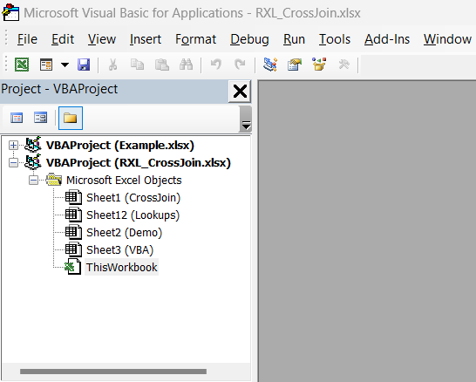

D. | In the code window which opens for ThisWorkbook, paste the VBA code from below exactly as written
E. | After copying the VBA code into code window, update line 11 replacing the text "Example.xlsx" with the name of your Excel Workbook/file
 | Also check line 7 of the code has the correct name of the function you wish to copy (i.e. "RXL_CrossJoin" or "RXL_CrossJoin1D")
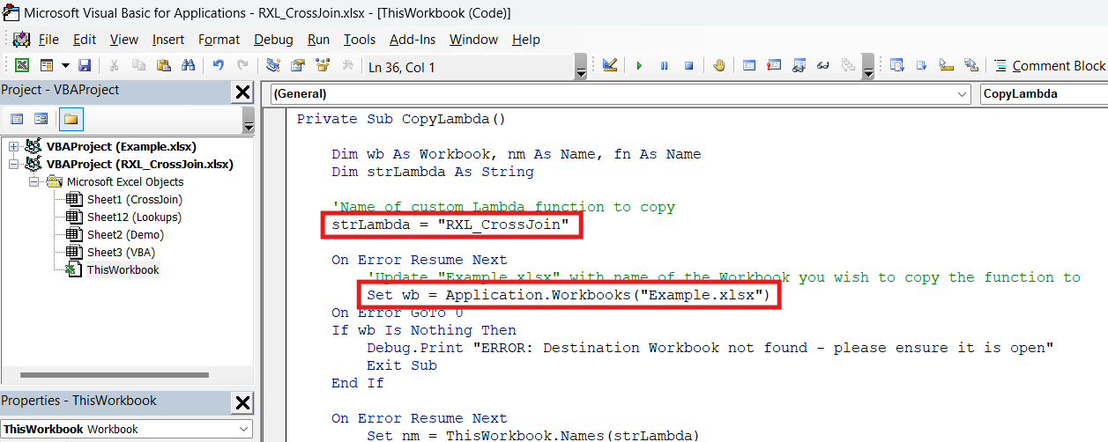

F. | Run the CopyLambda sub routine in ThisWorkbook module and check the Immediate window for the feedback message

02. | VBA Code

 | Private Sub CopyLambda()

 | Dim wb As Workbook, nm As Name, fn As Name
 | Dim strLambda As String

 | 'Name of custom Lambda function to copy
 | strLambda = "RXL_CrossJoin"

 | On Error Resume Next
 | 'Update "Example.xlsx" with name of the Workbook you wish to copy the function to
 | Set wb = Application.Workbooks("Example.xlsx")
 | On Error GoTo 0
 | If wb Is Nothing Then
 | Debug.Print "ERROR: Destination Workbook not found - please ensure it is open"
 | Exit Sub
 | End If

 | On Error Resume Next
 | Set nm = ThisWorkbook.Names(strLambda)
 | If Not nm Is Nothing Then
 | Err.Clear
 | Set fn = wb.Names.Add(Name:=nm.Name, _
 | RefersTo:=nm.RefersTo, _
 | Visible:=nm.Visible)
 | If Err.Number = 0 Then
 | fn.Comment = nm.Comment
 | Debug.Print "Success! -> " & strLambda & " copied to " & wb.Name
 | Else
 | Debug.Print "ERROR: Unable to copy " & strLambda & " to " & wb.Name
 | End If
 | Else
 | Debug.Print "ERROR: " & strLambda & " not found"
 | End If

 | End Sub

End of Sheet

