BOM_415DK_revA
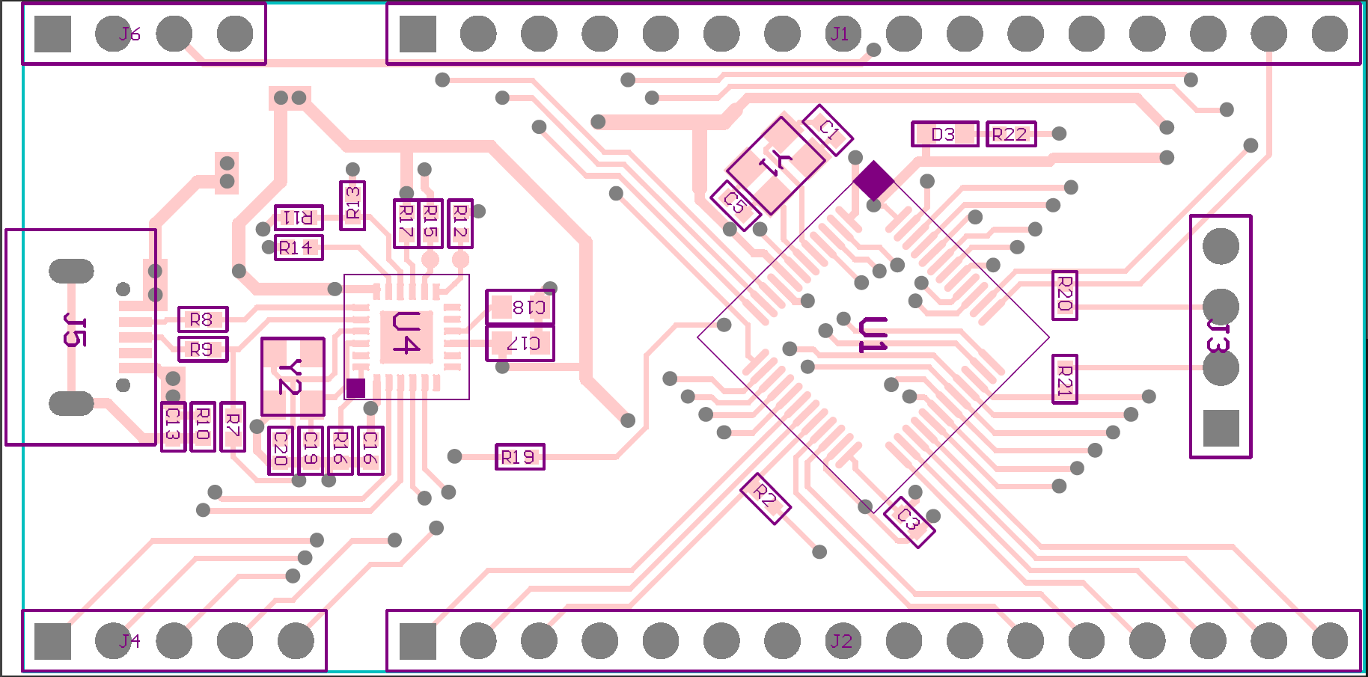
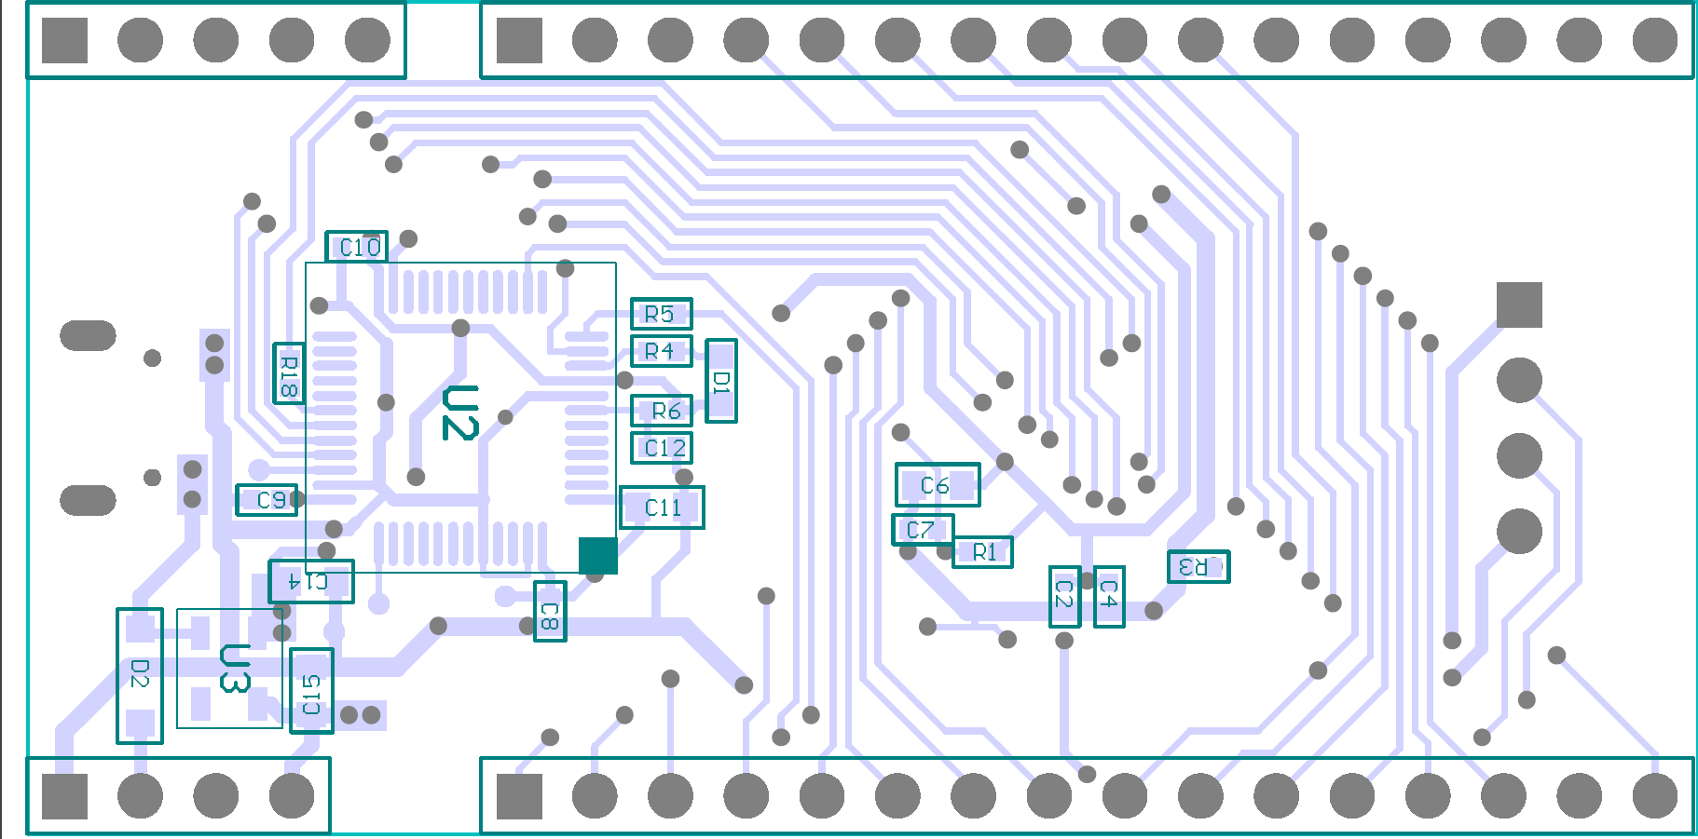
Quantity | Designator | Comment | Description | Footprint | Value
1 | D1 | Debugger LED | RED LED | LED0603
1 | D2 | Diode | Generic Diode | SOD123
1 | D3 | User LED | Green LED | LED0603
1 | U1 | AT32F415 | Cortex-M4 MCU | LQFP48_M
1 | U2 | STM32F072 | Cortex-M0 MCU | LQFP48_M
1 | U4 | USB2422 | USB 2.0 Hi-Speed 2-port Hub Controller | QFN-24_4040
1 | R18 | Res | Resistor | R0402 | 1k
6 | C6, C11, C14, C15, C17, C18 | MLCC | Capacitor | C0603 | 1uF
6 | R1, R2, R3, R6, R10 | Res | Resistor | R0402 | 10k
1 | R16 | Res | Resistor | R0402 | 12k
4 | C19, C20 | MLCC | Ceramic Capacitor | C0402 | 22pF
1 | Y2 | 24MHz | 24Mhz CERAMIC SMD CRYSTAL | XTAL_3225 | 24MHz
2 | R8, R9 | Res | Resistor | R0402 | 33R
4 | R12, R14, R15, R17 | Res | Resistor | R0402 | 50k
2 | R11, R13 | Res | Resistor | R0402 | 100k
10 | C2, C3, C4, C7, C8, C9, C10, C12, C13, C16 | MLCC | Capacitor, Capacitor, Capacitor, Ceramic Capacitor, Capacitor, Capacitor, Capacitor, Ceramic Capacitor, Capacitor, Capacitor | C0402 | 100nF
6 | R4, R5, R19, R20, R21, R22 | Res | Resistor | R0402 | 220R
1 | J5 | CMU065803001 | MICRO USB 5P FEMALE DIP B -TYPE | CMU065803001
1 | U3 | RT9193-33 | 300mA, Ultra-Low Noise, Ultra-Fast CMOS LDO Regulator | SOT23-5

