Index Summary
Figure: California includes parts of 13 Omernik Level III ecoregions
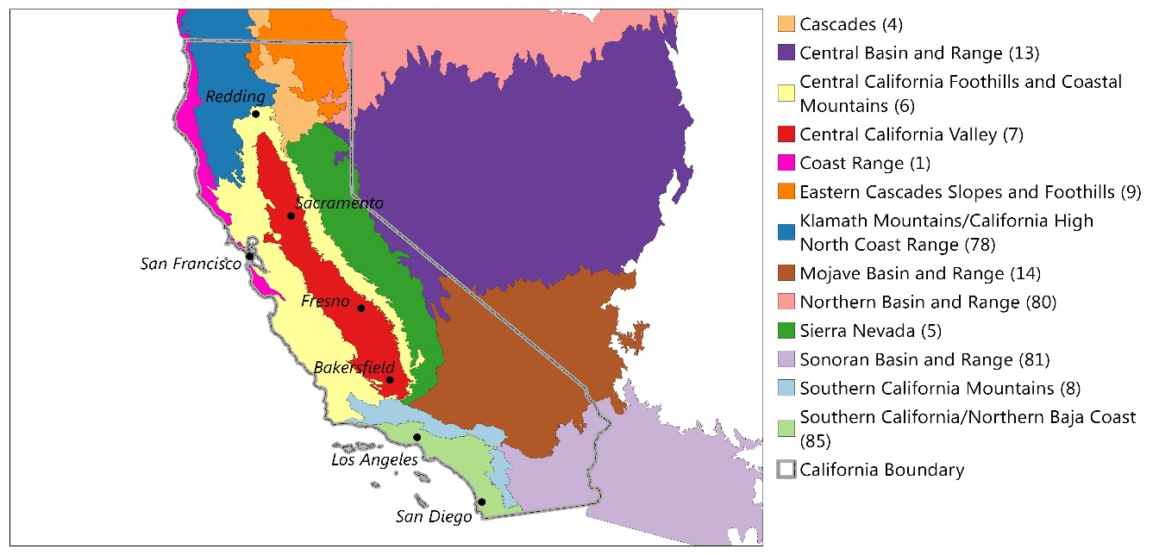 California's Preliminary Healthy Watersheds Assessment (PHWA) evaluated the relative watershed health and vulnerability of California's 4,355 12-digit hydrologic unit code (HUC12) watersheds. Watersheds were assessed at both the statewide and ecoregional scale, resulting in paired Watershed Health and Watershed Vulnerability scores per HUC12 watershed (i.e., one set of statewide scores and one set of ecoregional scores per watershed). Together, these scores provide insights on a watershed's condition relative to others within the state, as well as those watersheds sharing similar ecological characteristics across the ecoregion. Statewide and ecoregional index scores are presented below as both raw scores ("Score", between 0 and 1) and percentiles (0 to 100%). The "Top 10%" and "Top 25%" columns denote watersheds scoring in the top percentiles of watershed health, both within the state and their ecoregion.
Blue-highlighted watershed names indicate those scoring in the Top 25% of watershed health both within the state and their ecoregion. Among these Top 25% "healthiest" watersheds, yellow-highlighted watershed names indicate those that also have an elevated (> 75th percentile) statewide vulnerability score. This information helps distinguish between healthy watersheds and healthy watersheds most at risk to degradation. Please note that the full PHWA dataset, including indicator and sub-index scores that comprise each overall index, is available in other worksheets of this file.
PHWA Watershed Index Summary |  |  |  | WATERSHED HEALTH INDEX |  |  |  |  |  | WATERSHED VULNERABILITY INDEX
 |  |  |  | STATEWIDE |  | ECOREGIONAL |  | Top Scoring Watersheds |  | STATEWIDE |  | ECOREGIONAL
Watershed Name | HUC12 | ECOREGION | STATE | Score | Percentile | Score | Percentile | Top 10% | Top 25% | Score | Percentile | Score | Percentile
Red Spring-Colorado River | 150301010307 | 14 | CA | 0.87 | 57.2 | 0.62 | 4.1 | No | No | 0.13 | 23.0 | 0.23 | 86.6
Shadow Canyon | 150301010401 | 14 | CA | 0.86 | 55.0 | 0.82 | 26.6 | No | No | 0.13 | 22.8 | 0.14 | 67.3
Eagle Pass | 150301010402 | 14 | CA | 0.84 | 49.4 | 0.72 | 9.6 | No | No | 0.13 | 22.8 | 0.14 | 69.0
Mohave Valley-Colorado River | 150301010405 | 14 | CA | 0.81 | 42.4 | 0.54 | 2.4 | No | No | 0.17 | 27.7 | 0.26 | 89.6
Monumental Pass | 150301010406 | 14 | CA | 0.88 | 63.2 | 0.78 | 16.5 | No | No | 0.10 | 19.4 | 0.11 | 59.8
Lobecks Pass | 150301010408 | 14 | CA | 0.86 | 53.1 | 0.74 | 11.6 | No | No | 0.10 | 17.5 | 0.10 | 54.8
Town of Needles-Colorado River | 150301010409 | 14 | CA | 0.82 | 44.7 | 0.61 | 4.0 | No | No | 0.15 | 24.9 | 0.16 | 74.2
Bat Cave Wash-Colorado River | 150301010412 | 81 | CA | 0.86 | 55.7 | 0.67 | 13.8 | No | No | 0.10 | 18.6 | 0.11 | 47.0
Stepladder Mountains | 150301010501 | 14 | CA | 0.89 | 71.4 | 0.86 | 49.6 | No | No | 0.01 | 3.9 | 0.01 | 13.8
Headwaters Chemehuevi Wash | 150301010502 | 14 | CA | 0.95 | 97.7 | 0.94 | 95.2 | Yes | Yes | 0.01 | 4.0 | 0.01 | 13.0
Sawtooth Peak | 150301010503 | 14 | CA | 0.90 | 78.6 | 0.88 | 59.2 | No | No | 0.02 | 5.2 | 0.02 | 17.3
Snaggletooth Mountain | 150301010504 | 81 | CA | 0.92 | 86.5 | 0.83 | 38.6 | No | No | 0.01 | 4.0 | 0.01 | 2.7
Mohawk Spring-Chemhuevi Wash | 150301010505 | 14 | CA | 0.90 | 78.8 | 0.83 | 28.4 | No | No | 0.02 | 5.1 | 0.03 | 18.0
Coffin Spring-Chemehuevi Wash | 150301010506 | 81 | CA | 0.91 | 83.3 | 0.88 | 58.1 | No | No | 0.02 | 4.9 | 0.02 | 5.4
Turtle Mountains-Chemehuevi Wash | 150301010507 | 81 | CA | 0.90 | 78.4 | 0.87 | 52.8 | No | No | 0.01 | 3.6 | 0.01 | 2.5
Gary Wash | 150301010601 | 14 | CA | 0.88 | 64.1 | 0.85 | 38.9 | No | No | 0.02 | 4.7 | 0.02 | 16.3
Rotten Peak-Chemehuevi Wash | 150301010602 | 81 | CA | 0.89 | 69.5 | 0.85 | 45.5 | No | No | 0.01 | 3.4 | 0.01 | 1.9
Foothill Peak-Chemehuevi Wash | 150301010603 | 81 | CA | 0.87 | 58.9 | 0.83 | 37.1 | No | No | 0.02 | 5.1 | 0.02 | 5.8
West Well-Chemehuevi Wash | 150301010604 | 81 | CA | 0.86 | 55.7 | 0.81 | 33.0 | No | No | 0.08 | 10.8 | 0.08 | 25.5
Trampas Wash | 150301010701 | 81 | CA | 0.89 | 69.3 | 0.86 | 48.3 | No | No | 0.01 | 3.4 | 0.01 | 2.1
Mohave Wash-Colorado River | 150301010702 | 81 | CA | 0.89 | 68.9 | 0.73 | 19.8 | No | No | 0.07 | 10.4 | 0.08 | 23.5
Whipple Well | 150301010706 | 81 | CA | 0.87 | 57.6 | 0.83 | 37.6 | No | No | 0.07 | 10.0 | 0.08 | 21.3
El Dorado Wash-Colorado River | 150301010707 | 81 | CA | 0.77 | 37.5 | 0.63 | 10.6 | No | No | 0.21 | 32.9 | 0.21 | 80.9
Chesapeake Wash-Colorado River | 150301010709 | 81 | CA | 0.78 | 39.3 | 0.68 | 15.5 | No | No | 0.18 | 28.6 | 0.18 | 70.6
Whipple Wash | 150301010710 | 81 | CA | 0.86 | 55.3 | 0.80 | 29.9 | No | No | 0.07 | 9.8 | 0.08 | 23.3
Steamboat Cove-Colorado River | 150301010712 | 81 | CA | 0.90 | 75.1 | 0.87 | 54.7 | No | No | 0.11 | 21.3 | 0.13 | 53.4
150301020111 | 150301020111 | 14 | CA | 0.92 | 86.1 | 0.87 | 56.2 | No | No | 0.05 | 7.9 | 0.06 | 28.2
Piute Range | 150301020112 | 14 | CA | 0.91 | 80.8 | 0.88 | 65.1 | No | No | 0.04 | 6.9 | 0.05 | 23.9
Hightower Well | 150301020201 | 14 | CA | 0.86 | 55.6 | 0.83 | 28.4 | No | No | 0.07 | 9.9 | 0.08 | 35.9
Town of Barnwell | 150301020202 | 14 | CA | 0.93 | 90.1 | 0.90 | 81.1 | No | Yes | 0.06 | 8.3 | 0.07 | 29.2
Mail Spring | 150301020203 | 14 | CA | 0.92 | 88.2 | 0.90 | 76.5 | No | Yes | 0.06 | 8.6 | 0.08 | 31.9
Town of Lanfair | 150301020204 | 14 | CA | 0.92 | 88.8 | 0.90 | 76.3 | No | Yes | 0.05 | 7.9 | 0.07 | 28.5
Eagle Well-Sacramento Wash | 150301020205 | 14 | CA | 0.92 | 87.9 | 0.90 | 76.2 | No | Yes | 0.07 | 9.6 | 0.09 | 45.6
150301020206 | 150301020206 | 14 | CA | 0.96 | 98.0 | 0.94 | 95.7 | Yes | Yes | 0.03 | 6.4 | 0.04 | 20.0
Vontrigger Spring-Sacramento Wash | 150301020207 | 14 | CA | 0.92 | 88.9 | 0.90 | 79.6 | No | Yes | 0.03 | 5.8 | 0.04 | 20.1
Signal Hill-Sacramento Wash | 150301020208 | 14 | CA | 0.95 | 97.4 | 0.93 | 94.5 | Yes | Yes | 0.03 | 5.6 | 0.03 | 18.7
Town of Bannock-Sacramento Wash | 150301020209 | 14 | CA | 0.90 | 75.3 | 0.87 | 54.9 | No | No | 0.04 | 7.2 | 0.05 | 22.3
Piute Spring-Piute Wash | 150301020301 | 14 | CA | 0.92 | 85.5 | 0.89 | 71.3 | No | No | 0.05 | 8.0 | 0.06 | 27.3
150301020302-Piute Wash | 150301020302 | 14 | CA | 0.89 | 70.1 | 0.86 | 45.1 | No | No | 0.04 | 6.6 | 0.05 | 22.4
150301020303-Piute Wash | 150301020303 | 14 | CA | 0.95 | 97.4 | 0.89 | 70.9 | No | No | 0.04 | 7.0 | 0.05 | 22.7
Homer Mountain-Piute Wash | 150301020304 | 14 | CA | 0.92 | 86.8 | 0.84 | 34.0 | No | No | 0.03 | 6.4 | 0.04 | 21.0
150301020305-Piute Wash | 150301020305 | 14 | CA | 0.93 | 92.3 | 0.91 | 86.2 | No | Yes | 0.02 | 4.8 | 0.02 | 16.4
Crestview Wash | 150301020306 | 14 | CA | 0.91 | 79.2 | 0.88 | 62.8 | No | No | 0.11 | 21.0 | 0.13 | 65.7
Sacramento Springs-Piute Wash | 150301020307 | 14 | CA | 0.89 | 72.9 | 0.87 | 51.8 | No | No | 0.07 | 10.6 | 0.08 | 32.2
Hacienda Wash-Piute Wash | 150301020308 | 14 | CA | 0.89 | 71.9 | 0.86 | 51.1 | No | No | 0.09 | 16.5 | 0.10 | 55.0
Copper Basin Wash | 150301040103 | 81 | CA | 0.79 | 39.4 | 0.68 | 14.6 | No | No | 0.18 | 28.8 | 0.19 | 75.0
Bowmans Wash-Colorado River | 150301040105 | 81 | CA | 0.86 | 55.1 | 0.65 | 12.2 | No | No | 0.12 | 22.1 | 0.14 | 57.1
Bennett Wash-Colorado River | 150301040108 | 81 | CA | 0.80 | 41.1 | 0.56 | 6.4 | No | No | 0.12 | 22.3 | 0.14 | 58.6
UpperVidal Wash | 150301040201 | 81 | CA | 0.94 | 96.0 | 0.92 | 80.2 | No | Yes | 0.05 | 8.2 | 0.06 | 13.8
Castle Rock-Upper Vidal Valley | 150301040202 | 14 | CA | 0.94 | 95.8 | 0.93 | 92.5 | Yes | Yes | 0.02 | 5.0 | 0.02 | 16.5
Middle Vidal Wash | 150301040203 | 81 | CA | 0.95 | 96.3 | 0.92 | 83.5 | No | Yes | 0.04 | 6.8 | 0.04 | 7.7
150301040204 | 150301040204 | 81 | CA | 0.91 | 79.9 | 0.88 | 57.2 | No | No | 0.02 | 4.8 | 0.02 | 4.0
Vidal Junction | 150301040205 | 81 | CA | 0.90 | 77.8 | 0.87 | 53.0 | No | No | 0.09 | 16.3 | 0.10 | 40.2
Town of Vidal | 150301040206 | 81 | CA | 0.90 | 74.2 | 0.86 | 48.8 | No | No | 0.11 | 21.1 | 0.13 | 52.4
Lower Vidal Wash | 150301040207 | 81 | CA | 0.96 | 98.3 | 0.88 | 59.5 | No | No | 0.10 | 18.9 | 0.11 | 43.6
Town of Earp-Colorado River | 150301040301 | 81 | CA | 0.87 | 60.3 | 0.66 | 12.7 | No | No | 0.12 | 21.7 | 0.12 | 49.7
Low Mesa Area | 150301040302 | 81 | CA | 0.87 | 59.9 | 0.84 | 39.9 | No | No | 0.09 | 14.4 | 0.09 | 35.9
Chambers Well | 150301040303 | 81 | CA | 0.89 | 71.1 | 0.86 | 49.6 | No | No | 0.10 | 17.2 | 0.10 | 41.6
Arch Creek-Colorado River | 150301040304 | 81 | CA | 0.85 | 52.7 | 0.64 | 11.4 | No | No | 0.15 | 25.5 | 0.16 | 66.0
Lost Lake-Colorado River | 150301040306 | 81 | CA | 0.93 | 90.2 | 0.73 | 19.4 | No | No | 0.16 | 26.0 | 0.16 | 64.6
Riverside Mountains Area | 150301040401 | 81 | CA | 0.93 | 90.0 | 0.86 | 50.0 | No | No | 0.03 | 6.3 | 0.04 | 7.8
Big Wash | 150301040402 | 81 | CA | 0.96 | 98.0 | 0.75 | 22.6 | No | No | 0.06 | 8.8 | 0.06 | 14.7
150301040403 | 150301040403 | 81 | CA | 0.89 | 68.8 | 0.67 | 13.4 | No | No | 0.17 | 27.7 | 0.18 | 71.3
Slaughter Tree Wash-Colorado River | 150301040404 | 81 | CA | 0.89 | 67.0 | 0.69 | 16.0 | No | No | 0.09 | 17.0 | 0.10 | 41.7
Palo Verde Dam-Colorado River | 150301040406 | 81 | CA | 0.87 | 57.8 | 0.65 | 11.6 | No | No | 0.08 | 12.4 | 0.09 | 34.4
Upper McCoy Wash | 150301040501 | 81 | CA | 0.94 | 94.4 | 0.92 | 81.3 | No | Yes | 0.07 | 10.1 | 0.07 | 18.4
Town of Midland | 150301040502 | 81 | CA | 0.97 | 99.1 | 0.95 | 94.6 | Yes | Yes | 0.07 | 10.6 | 0.08 | 19.9
Black Hill | 150301040503 | 81 | CA | 0.94 | 96.3 | 0.91 | 74.6 | No | No | 0.07 | 9.9 | 0.07 | 17.5
150301040504 | 150301040504 | 81 | CA | 0.96 | 98.6 | 0.94 | 90.6 | Yes | Yes | 0.08 | 11.2 | 0.08 | 21.5
Lower McCoy Wash | 150301040505 | 81 | CA | 0.98 | 99.4 | 0.96 | 96.4 | Yes | Yes | 0.08 | 11.7 | 0.08 | 24.0
Town of Mesaville | 150301040801 | 81 | CA | 0.90 | 73.8 | 0.74 | 21.3 | No | No | 0.07 | 10.2 | 0.07 | 18.1
Southeast McCoy Mountains | 150301040802 | 81 | CA | 0.93 | 91.7 | 0.77 | 25.2 | No | No | 0.11 | 20.5 | 0.11 | 45.0
Clapp Spring | 150301040803 | 81 | CA | 0.86 | 56.4 | 0.82 | 34.6 | No | No | 0.07 | 9.3 | 0.07 | 16.8
Cinnabar Wash-Palo Verde Valley | 150301040804 | 81 | CA | 0.82 | 43.6 | 0.67 | 13.1 | No | No | 0.22 | 34.1 | 0.22 | 82.2
Arroyo Seco | 150301040901 | 81 | CA | 0.93 | 91.2 | 0.86 | 51.1 | No | No | 0.02 | 5.2 | 0.02 | 5.5
150301040902 | 150301040902 | 81 | CA | 1.00 | 100.0 | 0.91 | 77.8 | No | Yes | 0.01 | 4.7 | 0.02 | 4.1
150301040903 | 150301040903 | 81 | CA | 0.95 | 96.5 | 0.87 | 54.8 | No | No | 0.00 | 0.2 | 0.00 | 0.3
150301040904 | 150301040904 | 81 | CA | 0.95 | 97.0 | 0.90 | 66.0 | No | No | 0.05 | 7.5 | 0.05 | 9.1
Headwaters Milpitas Wash | 150301040905 | 81 | CA | 0.96 | 98.6 | 0.89 | 63.1 | No | No | 0.03 | 5.8 | 0.03 | 6.4
Cottonwood Spring | 150301041001 | 81 | CA | 0.94 | 96.1 | 0.93 | 85.9 | No | Yes | 0.01 | 4.3 | 0.01 | 3.0
Geode Beds-Milpitas Wash | 150301041002 | 81 | CA | 0.92 | 87.6 | 0.89 | 64.7 | No | No | 0.03 | 6.0 | 0.03 | 6.5
Sawtooth Mountain-Milpitas Wash | 150301041003 | 81 | CA | 0.94 | 95.1 | 0.92 | 82.6 | No | Yes | 0.01 | 3.8 | 0.01 | 2.4
Midway Well | 150301041004 | 81 | CA | 0.91 | 82.0 | 0.88 | 59.3 | No | No | 0.04 | 7.2 | 0.04 | 8.8
150301041005-Milpitas Wash | 150301041005 | 81 | CA | 0.93 | 89.9 | 0.90 | 68.0 | No | No | 0.02 | 5.4 | 0.03 | 6.2
Three Finger Lake-Milpitas Wash | 150301041006 | 81 | CA | 0.90 | 78.4 | 0.75 | 22.0 | No | No | 0.08 | 11.3 | 0.08 | 22.2
Vinagre Wash | 150301041106 | 81 | CA | 0.89 | 71.6 | 0.79 | 26.6 | No | No | 0.06 | 8.8 | 0.06 | 14.6
Julian Wash | 150301041202 | 81 | CA | 0.91 | 84.5 | 0.89 | 65.1 | No | No | 0.01 | 4.5 | 0.01 | 3.7
Carrizo Wash-Colorado River | 150301041205 | 81 | CA | 0.91 | 82.6 | 0.72 | 18.5 | No | No | 0.07 | 9.3 | 0.07 | 17.3
Marcus Wash-Colorado River | 150301041208 | 81 | CA | 0.92 | 85.1 | 0.74 | 20.8 | No | No | 0.09 | 16.3 | 0.10 | 38.9
Senator Wash | 150301041310 | 81 | CA | 0.86 | 53.5 | 0.77 | 25.0 | No | No | 0.05 | 7.9 | 0.06 | 14.0
Unnamed Wash | 150301070102 | 81 | CA | 0.93 | 90.5 | 0.83 | 37.8 | No | No | 0.09 | 16.3 | 0.10 | 38.8
Picacho Wash | 150301070103 | 81 | CA | 0.93 | 93.0 | 0.91 | 75.7 | No | Yes | 0.10 | 17.4 | 0.10 | 39.6
Reservation Main Drain | 150301070104 | 81 | CA | 0.72 | 31.8 | 0.53 | 5.1 | No | No | 0.16 | 26.1 | 0.17 | 67.1
Araz Wash | 150301070106 | 81 | CA | 0.96 | 98.4 | 0.85 | 46.6 | No | No | 0.06 | 9.0 | 0.07 | 17.2
Bee Wash-Colorado River | 150301070107 | 81 | CA | 0.84 | 48.9 | 0.59 | 8.1 | No | No | 0.16 | 26.2 | 0.17 | 66.4
Headwaters Smoke Creek | 160402030901 | 80 | CA | 0.93 | 90.1 | 0.77 | 51.3 | No | No | 0.33 | 69.2 | 0.33 | 85.5
Upper Smoke Creek | 160402030902 | 80 | CA | 0.91 | 83.0 | 0.73 | 37.6 | No | No | 0.34 | 71.7 | 0.33 | 87.0
Rush Creek | 160402030904 | 80 | CA | 0.91 | 81.9 | 0.74 | 41.6 | No | No | 0.41 | 92.8 | 0.41 | 97.8
Powell Reservoir | 160402040507 | 80 | CA | 0.93 | 91.1 | 0.77 | 53.4 | No | No | 0.29 | 52.7 | 0.28 | 74.3
Tuledad Creek | 160402040508 | 80 | CA | 0.91 | 83.7 | 0.88 | 88.3 | No | Yes | 0.31 | 62.2 | 0.31 | 80.8
Burton Creek-Frontal Lake Tahoe | 160501010101 | 5 | CA | 0.74 | 35.4 | 0.38 | 1.3 | No | No | 0.32 | 62.9 | 0.42 | 90.2
Big Meadow Creek-Upper Truckee River | 160501010301 | 5 | CA | 0.73 | 34.3 | 0.69 | 27.9 | No | No | 0.33 | 69.0 | 0.34 | 65.8
Trout Creek | 160501010302 | 5 | CA | 0.77 | 38.0 | 0.62 | 15.5 | No | No | 0.33 | 66.9 | 0.39 | 80.0
Upper Truckee River-Frontal Lake Tahoe | 160501010303 | 5 | CA | 0.62 | 12.4 | 0.32 | 1.0 | No | No | 0.39 | 85.7 | 0.56 | 98.8
Fallen Leaf Lake-Frontal Lake Tahoe | 160501010401 | 5 | CA | 0.89 | 68.5 | 0.71 | 34.5 | No | No | 0.32 | 64.6 | 0.37 | 74.9
General Creek-Frontal Lake Tahoe | 160501010402 | 5 | CA | 0.70 | 26.0 | 0.60 | 13.1 | No | No | 0.28 | 51.0 | 0.30 | 54.9
Ward Creek-Frontal Lake Tahoe | 160501010403 | 5 | CA | 0.60 | 11.1 | 0.48 | 4.9 | No | No | 0.29 | 53.0 | 0.33 | 64.8
Lake Tahoe | 160501010500 | 5 | CA | 0.73 | 33.7 | 0.63 | 17.5 | No | No | 0.17 | 28.0 | 0.17 | 27.3
Webber Lake-Little Truckee River | 160501020101 | 5 | CA | 0.89 | 72.2 | 0.73 | 39.7 | No | No | 0.22 | 34.4 | 0.21 | 34.8
Independence Creek | 160501020102 | 5 | CA | 0.85 | 50.4 | 0.72 | 38.2 | No | No | 0.24 | 39.9 | 0.24 | 39.1
Cold Stream-Little Truckee River | 160501020103 | 5 | CA | 0.87 | 60.9 | 0.69 | 29.5 | No | No | 0.26 | 44.2 | 0.26 | 42.9
Sagehen Creek | 160501020104 | 5 | CA | 0.88 | 64.5 | 0.76 | 49.2 | No | No | 0.29 | 53.6 | 0.29 | 52.0
Davies Creek | 160501020105 | 5 | CA | 0.85 | 50.3 | 0.69 | 29.0 | No | No | 0.33 | 68.7 | 0.34 | 65.7
Stampede Reservoir-Little Truckee River | 160501020106 | 5 | CA | 0.83 | 44.8 | 0.63 | 17.8 | No | No | 0.31 | 62.2 | 0.32 | 60.4
Boca Reservoir-Little Truckee River | 160501020107 | 5 | CA | 0.81 | 42.0 | 0.60 | 13.3 | No | No | 0.33 | 68.5 | 0.34 | 66.3
Donner Creek | 160501020201 | 5 | CA | 0.61 | 11.8 | 0.34 | 1.2 | No | No | 0.26 | 45.9 | 0.33 | 64.1
Squaw Creek-Truckee River | 160501020202 | 5 | CA | 0.70 | 27.6 | 0.50 | 5.6 | No | No | 0.29 | 53.7 | 0.33 | 64.3
South Fork Prosser Creek | 160501020203 | 5 | CA | 0.87 | 59.4 | 0.80 | 58.1 | No | No | 0.26 | 45.3 | 0.26 | 44.1
Martis Creek | 160501020204 | 5 | CA | 0.78 | 39.2 | 0.52 | 7.2 | No | No | 0.27 | 46.4 | 0.35 | 70.9
Prosser Creek | 160501020205 | 5 | CA | 0.76 | 36.8 | 0.41 | 2.0 | No | No | 0.32 | 64.0 | 0.49 | 97.1
Trout Creek-Truckee River | 160501020206 | 5 | CA | 0.56 | 8.3 | 0.21 | 0.2 | No | No | 0.33 | 67.8 | 0.56 | 98.7
Gray Creek-Truckee River | 160501020501 | 5 | CA | 0.79 | 40.1 | 0.66 | 20.5 | No | No | 0.29 | 54.0 | 0.30 | 53.4
Dog Creek | 160501020503 | 5 | CA | 0.84 | 47.2 | 0.65 | 19.9 | No | No | 0.30 | 55.5 | 0.30 | 54.5
Silver King Creek | 160502010101 | 5 | CA | 0.94 | 95.4 | 0.92 | 94.6 | Yes | Yes | 0.13 | 23.8 | 0.13 | 21.4
Bryant Creek-East Fork Carson River | 160502010102 | 5 | CA | 0.75 | 36.6 | 0.78 | 54.5 | No | No | 0.13 | 23.5 | 0.13 | 21.2
Wolf Creek | 160502010103 | 5 | CA | 0.74 | 35.7 | 0.75 | 47.6 | No | No | 0.15 | 25.1 | 0.14 | 22.7
Silver Creek | 160502010104 | 5 | CA | 0.83 | 46.3 | 0.75 | 47.3 | No | No | 0.24 | 39.7 | 0.24 | 38.9
Bagley Valley-East Fork Carson River | 160502010105 | 5 | CA | 0.72 | 32.8 | 0.74 | 41.6 | No | No | 0.27 | 48.3 | 0.28 | 47.1
Pleasant Valley Creek | 160502010106 | 5 | CA | 0.87 | 57.9 | 0.82 | 62.0 | No | No | 0.21 | 32.1 | 0.21 | 33.5
Hot Springs Creek | 160502010107 | 5 | CA | 0.90 | 73.3 | 0.83 | 65.0 | No | No | 0.26 | 45.4 | 0.27 | 45.5
Markleeville Creek-East Fork Carson River | 160502010108 | 5 | CA | 0.68 | 22.3 | 0.59 | 12.5 | No | No | 0.32 | 64.2 | 0.33 | 64.6
Leviathan Canyon | 160502010201 | 13 | CA | 0.86 | 54.6 | 0.85 | 53.9 | No | No | 0.30 | 55.6 | 0.30 | 67.6
Cottonwood Canyon-East Fork Carson River | 160502010202 | 13 | CA | 0.74 | 35.1 | 0.73 | 18.5 | No | No | 0.30 | 57.3 | 0.30 | 68.7
Indian Creek | 160502010203 | 13 | CA | 0.65 | 17.3 | 0.48 | 2.7 | No | No | 0.27 | 47.4 | 0.27 | 62.6
Upper West Fork Carson River | 160502010301 | 5 | CA | 0.64 | 15.5 | 0.52 | 6.6 | No | No | 0.28 | 52.2 | 0.29 | 50.3
Middle West Fork Carson River | 160502010302 | 5 | CA | 0.71 | 28.6 | 0.63 | 18.0 | No | No | 0.30 | 55.7 | 0.30 | 54.0
Green Creek | 160503010101 | 5 | CA | 0.93 | 90.5 | 0.91 | 91.9 | Yes | Yes | 0.11 | 20.8 | 0.09 | 16.0
Clearwater Creek | 160503010102 | 13 | CA | 0.72 | 32.0 | 0.71 | 15.2 | No | No | 0.34 | 71.2 | 0.34 | 77.9
Virginia Creek | 160503010103 | 13 | CA | 0.92 | 86.7 | 0.89 | 72.2 | No | No | 0.23 | 38.0 | 0.24 | 53.7
Aurora Canyon | 160503010104 | 13 | CA | 0.90 | 76.1 | 0.86 | 59.0 | No | No | 0.36 | 77.3 | 0.36 | 82.0
Summers Creek-East Walker River | 160503010105 | 13 | CA | 0.95 | 97.2 | 0.89 | 74.5 | No | No | 0.25 | 42.4 | 0.25 | 57.6
Upper Swauger Creek | 160503010106 | 13 | CA | 0.69 | 23.9 | 0.72 | 16.3 | No | No | 0.22 | 34.4 | 0.22 | 49.4
Lower Swauger Creek | 160503010107 | 13 | CA | 0.73 | 34.6 | 0.74 | 19.0 | No | No | 0.25 | 42.2 | 0.25 | 57.2
Robinson Creek | 160503010108 | 5 | CA | 0.91 | 81.1 | 0.85 | 71.4 | No | No | 0.11 | 19.8 | 0.09 | 15.0
Buckeye Creek | 160503010109 | 5 | CA | 0.94 | 95.2 | 0.90 | 89.7 | No | Yes | 0.13 | 23.4 | 0.12 | 19.7
Bridgeport Reservoir-East Walker River | 160503010110 | 13 | CA | 0.70 | 27.3 | 0.65 | 9.7 | No | No | 0.35 | 76.0 | 0.36 | 81.3
Upper Bodie Creek | 160503010201 | 13 | CA | 0.71 | 29.9 | 0.68 | 12.0 | No | No | 0.30 | 57.9 | 0.31 | 69.2
Paramount Mine | 160503010204 | 13 | CA | 0.89 | 70.6 | 0.87 | 61.8 | No | No | 0.32 | 65.3 | 0.32 | 73.9
Upper Rough Creek | 160503010205 | 13 | CA | 0.74 | 35.2 | 0.73 | 18.7 | No | No | 0.30 | 58.4 | 0.31 | 69.5
Murphy Creek-East Walker River | 160503010301 | 13 | CA | 0.74 | 35.5 | 0.72 | 16.4 | No | No | 0.31 | 61.2 | 0.31 | 71.4
Fryingpan Creek-East Walker River | 160503010302 | 13 | CA | 0.92 | 88.5 | 0.84 | 49.3 | No | No | 0.29 | 53.2 | 0.29 | 66.2
West Fork Walker River | 160503020101 | 5 | CA | 0.94 | 95.2 | 0.93 | 96.0 | Yes | Yes | 0.07 | 9.5 | 0.05 | 7.1
Cascade Creek-West Walker River | 160503020102 | 5 | CA | 0.95 | 96.7 | 0.93 | 97.3 | Yes | Yes | 0.06 | 9.2 | 0.05 | 6.2
Upper Little Walker River | 160503020103 | 5 | CA | 0.93 | 93.1 | 0.92 | 94.1 | Yes | Yes | 0.08 | 12.0 | 0.06 | 9.8
Leavitt Creek-West Walker River | 160503020104 | 5 | CA | 0.88 | 65.2 | 0.79 | 56.2 | No | No | 0.09 | 16.8 | 0.08 | 13.0
Wolf Creek-West Walker River | 160503020105 | 5 | CA | 0.84 | 48.0 | 0.69 | 28.5 | No | No | 0.12 | 22.3 | 0.11 | 18.7
Hot Creek | 160503020106 | 13 | CA | 0.89 | 72.0 | 0.84 | 50.1 | No | No | 0.20 | 30.6 | 0.20 | 44.2
Lower Little Walker River | 160503020107 | 13 | CA | 0.90 | 78.3 | 0.88 | 67.3 | No | No | 0.13 | 22.9 | 0.13 | 29.0
Silver Creek-West Walker River | 160503020108 | 5 | CA | 0.89 | 67.2 | 0.77 | 50.8 | No | No | 0.11 | 20.9 | 0.10 | 17.3
Deep Creek | 160503020201 | 13 | CA | 0.88 | 63.2 | 0.86 | 58.5 | No | No | 0.23 | 37.0 | 0.23 | 52.2
Rock Creek-West Walker River | 160503020202 | 13 | CA | 0.87 | 60.5 | 0.84 | 51.8 | No | No | 0.21 | 32.7 | 0.21 | 47.6
Mill Creek | 160503020203 | 5 | CA | 0.92 | 89.1 | 0.87 | 78.1 | No | Yes | 0.15 | 24.9 | 0.14 | 22.6
East Slough-West Walker River | 160503020204 | 13 | CA | 0.90 | 75.0 | 0.83 | 45.6 | No | No | 0.27 | 47.1 | 0.34 | 77.8
Slinkard Creek | 160503020205 | 13 | CA | 0.91 | 83.1 | 0.89 | 71.5 | No | No | 0.26 | 45.9 | 0.27 | 61.4
Topaz Lake | 160503020206 | 13 | CA | 0.61 | 11.8 | 0.49 | 3.0 | No | No | 0.18 | 29.1 | 0.19 | 43.0
Upper Desert Creek | 160503020304 | 13 | CA | 0.72 | 32.1 | 0.75 | 20.7 | No | No | 0.23 | 37.5 | 0.23 | 53.0
Upper Huntoon Creek | 160600100701 | 13 | CA | 0.93 | 90.2 | 0.92 | 85.5 | No | Yes | 0.34 | 72.2 | 0.34 | 78.5
Leidy Creek | 160600100806 | 13 | CA | 0.90 | 76.0 | 0.85 | 53.4 | No | No | 0.05 | 8.1 | 0.05 | 5.0
Perry Aiken Creek | 160600100902 | 13 | CA | 0.90 | 73.7 | 0.85 | 54.5 | No | No | 0.07 | 9.5 | 0.07 | 6.1
McAfee Creek-Frontal Fish Lake Valley | 160600100903 | 13 | CA | 0.88 | 64.8 | 0.83 | 46.5 | No | No | 0.10 | 18.5 | 0.10 | 20.2
Toler Creek | 160600100904 | 13 | CA | 0.90 | 75.5 | 0.83 | 47.2 | No | No | 0.11 | 21.2 | 0.12 | 25.0
Wildhorse Creek-Frontal Fish Lake Valley | 160600100905 | 13 | CA | 0.91 | 80.3 | 0.84 | 52.2 | No | No | 0.13 | 23.7 | 0.13 | 30.2
Cottonwood Creek | 160600100906 | 13 | CA | 0.88 | 63.7 | 0.84 | 51.6 | No | No | 0.12 | 22.1 | 0.12 | 27.2
Indian Garden Creek-Frontal Fish Lake Valley | 160600100907 | 13 | CA | 0.85 | 51.1 | 0.76 | 22.3 | No | No | 0.10 | 19.1 | 0.11 | 23.0
Sylvania Canyon-Frontal Fish Lake Valley | 160600101005 | 13 | CA | 0.88 | 63.1 | 0.80 | 33.0 | No | No | 0.10 | 19.3 | 0.14 | 32.5
Stump Springs | 160600150301 | 14 | CA | 0.80 | 40.5 | 0.71 | 9.0 | No | No | 0.13 | 23.3 | 0.20 | 83.3
Shadow Mountain | 160600150302 | 14 | CA | 0.91 | 83.4 | 0.78 | 16.1 | No | No | 0.10 | 17.9 | 0.10 | 54.1
Headwaters Pahrump Valley | 160600150501 | 14 | CA | 0.96 | 98.4 | 0.95 | 96.9 | Yes | Yes | 0.14 | 24.2 | 0.15 | 72.2
Upper Pahrump Valley | 160600150502 | 14 | CA | 0.85 | 52.7 | 0.79 | 17.7 | No | No | 0.12 | 21.8 | 0.13 | 65.2
Middle Pahrump Valley | 160600150503 | 14 | CA | 0.91 | 79.7 | 0.84 | 36.9 | No | No | 0.11 | 19.6 | 0.11 | 58.6
Lower Pahurmp Valley | 160600150508 | 14 | CA | 0.87 | 59.0 | 0.82 | 24.9 | No | No | 0.12 | 22.0 | 0.13 | 65.9
160600150704 | 160600150704 | 14 | CA | 0.97 | 98.8 | 0.96 | 98.3 | Yes | Yes | 0.11 | 20.8 | 0.12 | 62.8
Horse Thief Springs | 160600150801 | 14 | CA | 0.90 | 73.5 | 0.86 | 48.7 | No | No | 0.11 | 20.2 | 0.14 | 69.3
Mesquite Lake | 160600150805 | 14 | CA | 0.91 | 79.2 | 0.87 | 56.4 | No | No | 0.11 | 19.8 | 0.11 | 59.0
Whisky Spring-Frontal Ivanpah Lake | 160600151002 | 14 | CA | 0.96 | 98.6 | 0.95 | 98.0 | Yes | Yes | 0.10 | 19.5 | 0.11 | 58.4
Wheaton Wash-Frontal Ivanpah Lake | 160600151003 | 14 | CA | 0.89 | 69.6 | 0.85 | 42.0 | No | No | 0.11 | 21.3 | 0.12 | 63.5
Willow Wash | 160600151204 | 14 | CA | 0.97 | 98.7 | 0.95 | 98.1 | Yes | Yes | 0.11 | 20.4 | 0.12 | 62.3
Slaughterhouse Spring | 160600151205 | 14 | CA | 0.96 | 98.2 | 0.94 | 96.3 | Yes | Yes | 0.11 | 20.6 | 0.12 | 62.3
Oro Wash-Frontal Ivanpah Lake | 160600151206 | 14 | CA | 0.95 | 97.1 | 0.93 | 94.6 | Yes | Yes | 0.10 | 19.0 | 0.11 | 57.8
Kokoweef Canyon-Frontal Ivanpah Lake | 160600151207 | 14 | CA | 0.95 | 97.8 | 0.94 | 95.4 | Yes | Yes | 0.11 | 20.6 | 0.12 | 62.0
Ivanpah Lake | 160600151300 | 14 | CA | 0.91 | 83.9 | 0.83 | 29.3 | No | No | 0.09 | 16.4 | 0.09 | 46.2
Butte Fork Applegate River | 171003090101 | 78 | CA | 0.95 | 97.6 | 0.94 | 99.8 | Yes | Yes | 0.32 | 65.9 | 0.33 | 63.1
Silver Fork-Elliott Creek | 171003090102 | 78 | CA | 0.88 | 66.0 | 0.87 | 79.9 | No | No | 0.23 | 36.6 | 0.21 | 16.8
Dutch Creek-Elliott Creek | 171003090103 | 78 | CA | 0.93 | 92.4 | 0.91 | 95.7 | Yes | Yes | 0.28 | 49.2 | 0.27 | 38.3
Middle Fork Applegate River-Applegate River | 171003090104 | 78 | CA | 0.92 | 89.6 | 0.89 | 89.4 | No | Yes | 0.27 | 47.5 | 0.26 | 35.5
Upper East Fork Illinois River | 171003110301 | 78 | CA | 0.90 | 74.8 | 0.86 | 78.4 | No | No | 0.28 | 51.9 | 0.28 | 42.0
Dunn Creek | 171003110302 | 78 | CA | 0.89 | 69.8 | 0.85 | 73.9 | No | No | 0.26 | 44.5 | 0.25 | 30.2
Elk Creek-West Fork Illinois River | 171003110402 | 78 | CA | 0.80 | 41.0 | 0.82 | 59.0 | No | No | 0.26 | 44.3 | 0.25 | 30.5
Tuttle Creek-Frontal Cape Ferrelo | 171003120303 | 1 | CA | 0.69 | 23.2 | 0.45 | 2.6 | No | No | 0.24 | 40.4 | 0.28 | 78.8
Cow Head Slough | 171200070101 | 80 | CA | 0.93 | 91.9 | 0.88 | 87.5 | No | Yes | 0.13 | 23.6 | 0.14 | 41.3
Diamond Creek | 180101010103 | 78 | CA | 0.83 | 46.0 | 0.77 | 40.8 | No | No | 0.23 | 37.3 | 0.21 | 18.7
Lower North Fork Smith River | 180101010104 | 78 | CA | 0.87 | 58.3 | 0.80 | 47.5 | No | No | 0.29 | 53.8 | 0.29 | 46.8
Siskiyou Fork Smith River | 180101010201 | 78 | CA | 0.89 | 69.4 | 0.88 | 85.9 | No | No | 0.28 | 50.2 | 0.27 | 38.9
Upper Middle Fork Smith River | 180101010202 | 78 | CA | 0.84 | 47.3 | 0.79 | 47.0 | No | No | 0.30 | 58.7 | 0.31 | 52.7
Patrick Creek | 180101010203 | 78 | CA | 0.82 | 44.4 | 0.77 | 40.3 | No | No | 0.37 | 81.2 | 0.39 | 88.7
Lower Middle Fork Smith River | 180101010204 | 78 | CA | 0.85 | 52.1 | 0.80 | 48.7 | No | No | 0.33 | 69.4 | 0.35 | 70.5
Upper South Fork Smith River | 180101010301 | 78 | CA | 0.91 | 82.1 | 0.90 | 91.8 | No | Yes | 0.24 | 39.9 | 0.23 | 23.0
Eightmile Creek | 180101010302 | 78 | CA | 0.91 | 81.2 | 0.89 | 90.2 | No | Yes | 0.22 | 34.5 | 0.19 | 13.0
Jones Creek | 180101010303 | 78 | CA | 0.89 | 69.6 | 0.87 | 80.4 | No | No | 0.33 | 70.4 | 0.35 | 69.8
Middle South Fork Smith River | 180101010304 | 78 | CA | 0.89 | 69.8 | 0.86 | 75.6 | No | No | 0.27 | 48.0 | 0.27 | 37.2
Hurdygurdy Creek | 180101010305 | 78 | CA | 0.86 | 53.4 | 0.83 | 61.6 | No | No | 0.31 | 62.6 | 0.32 | 57.6
Goose Creek | 180101010306 | 78 | CA | 0.86 | 56.6 | 0.83 | 62.8 | No | No | 0.33 | 66.8 | 0.34 | 65.2
Rock Creek | 180101010307 | 1 | CA | 0.84 | 47.7 | 0.83 | 83.2 | No | No | 0.32 | 65.1 | 0.36 | 88.5
Craigs Creek | 180101010308 | 78 | CA | 0.87 | 58.3 | 0.85 | 70.5 | No | No | 0.35 | 74.7 | 0.36 | 76.3
Lower South Fork Smith River | 180101010309 | 78 | CA | 0.87 | 60.3 | 0.83 | 64.5 | No | No | 0.35 | 75.3 | 0.38 | 84.7
Hardscrabble Creek-Smith River | 180101010401 | 78 | CA | 0.85 | 52.6 | 0.77 | 38.8 | No | No | 0.34 | 72.7 | 0.36 | 76.5
Mill Creek | 180101010402 | 1 | CA | 0.85 | 52.1 | 0.79 | 72.9 | No | No | 0.30 | 55.6 | 0.33 | 83.9
Rowdy Creek | 180101010403 | 1 | CA | 0.85 | 51.8 | 0.74 | 51.0 | No | No | 0.33 | 67.6 | 0.37 | 90.6
Smith River | 180101010404 | 1 | CA | 0.81 | 42.6 | 0.70 | 34.5 | No | No | 0.34 | 70.9 | 0.59 | 99.6
Lake Earl | 180101010501 | 1 | CA | 0.78 | 38.4 | 0.48 | 3.8 | No | No | 0.36 | 79.6 | 0.55 | 99.0
Tryon Creek-Frontal Pacific Ocean | 180101010502 | 1 | CA | 0.76 | 37.2 | 0.66 | 23.7 | No | No | 0.21 | 33.1 | 0.28 | 79.0
Wilson Creek | 180101010503 | 1 | CA | 0.82 | 44.3 | 0.82 | 80.5 | No | No | 0.27 | 47.6 | 0.30 | 80.0
Elk Creek-Frontal Pacific Ocean | 180101010504 | 1 | CA | 0.69 | 24.6 | 0.52 | 5.3 | No | No | 0.21 | 32.6 | 0.29 | 79.5
Noisy Creek-Redwood Creek | 180101020101 | 1 | CA | 0.73 | 32.9 | 0.89 | 97.4 | No | No | 0.37 | 82.8 | 0.42 | 96.2
Minor Creek-Redwood Creek | 180101020102 | 78 | CA | 0.70 | 27.3 | 0.82 | 58.8 | No | No | 0.40 | 89.5 | 0.44 | 95.9
Lacks Creek-Redwood Creek | 180101020103 | 78 | CA | 0.72 | 32.7 | 0.86 | 78.6 | No | No | 0.40 | 88.7 | 0.43 | 94.7
Bridge Creek-Redwood Creek | 180101020104 | 1 | CA | 0.72 | 30.5 | 0.89 | 97.7 | No | No | 0.33 | 67.5 | 0.36 | 88.4
Prairie Creek | 180101020105 | 1 | CA | 0.70 | 26.4 | 0.81 | 77.0 | No | No | 0.30 | 58.6 | 0.40 | 95.6
McArthur Creek-Redwood Creek | 180101020106 | 1 | CA | 0.71 | 28.7 | 0.81 | 77.4 | No | No | 0.31 | 60.3 | 0.43 | 97.2
Lost Creek-Mad River | 180101020201 | 78 | CA | 0.71 | 30.1 | 0.86 | 76.0 | No | No | 0.35 | 74.9 | 0.37 | 81.1
Barry Creek-Mad River | 180101020202 | 78 | CA | 0.71 | 29.4 | 0.84 | 68.8 | No | No | 0.34 | 73.7 | 0.37 | 80.1
Ruth Lake-Mad River | 180101020203 | 78 | CA | 0.67 | 19.1 | 0.75 | 34.6 | No | No | 0.33 | 67.3 | 0.35 | 73.4
Pilot Creek | 180101020301 | 78 | CA | 0.74 | 35.1 | 0.90 | 90.6 | No | No | 0.37 | 79.8 | 0.39 | 88.0
Bear Creek-Mad River | 180101020302 | 78 | CA | 0.71 | 28.0 | 0.77 | 39.1 | No | No | 0.33 | 68.9 | 0.36 | 76.2
Bug Creek-Mad River | 180101020401 | 78 | CA | 0.72 | 32.4 | 0.83 | 60.4 | No | No | 0.34 | 71.5 | 0.36 | 75.8
Boulder Creek | 180101020402 | 1 | CA | 0.73 | 33.1 | 0.91 | 98.6 | No | No | 0.35 | 74.1 | 0.39 | 94.0
Blue Slide Creek-Mad River | 180101020403 | 78 | CA | 0.72 | 30.6 | 0.81 | 53.5 | No | No | 0.36 | 77.5 | 0.40 | 90.6
Canon Creek | 180101020404 | 1 | CA | 0.72 | 31.8 | 0.84 | 86.8 | No | No | 0.38 | 82.9 | 0.42 | 96.0
North Fork Mad River | 180101020405 | 1 | CA | 0.69 | 25.0 | 0.78 | 69.2 | No | No | 0.41 | 90.6 | 0.42 | 96.6
Maple Creek-Mad River | 180101020406 | 1 | CA | 0.73 | 34.3 | 0.85 | 88.5 | No | No | 0.36 | 79.7 | 0.39 | 94.3
Lindsay Creek | 180101020407 | 1 | CA | 0.66 | 17.5 | 0.63 | 17.5 | No | No | 0.39 | 86.4 | 0.42 | 96.3
Mill Creek-Mad River | 180101020408 | 1 | CA | 0.58 | 9.6 | 0.48 | 3.1 | No | No | 0.40 | 89.5 | 0.45 | 97.7
Maple Creek | 180101020501 | 1 | CA | 0.89 | 70.3 | 0.86 | 91.5 | No | No | 0.36 | 78.7 | 0.40 | 94.9
Little River | 180101020502 | 1 | CA | 0.89 | 68.6 | 0.77 | 64.1 | No | No | 0.37 | 81.1 | 0.41 | 95.7
Luffenholtz Creek-Frontal Pacific Ocean | 180101020503 | 1 | CA | 0.77 | 37.7 | 0.65 | 20.6 | No | No | 0.31 | 59.9 | 0.30 | 80.1
Jacoby Creek | 180101020601 | 1 | CA | 0.62 | 13.1 | 0.56 | 7.7 | No | No | 0.33 | 70.0 | 0.37 | 90.9
Freshwater Creek | 180101020602 | 1 | CA | 0.67 | 20.7 | 0.66 | 24.4 | No | No | 0.35 | 76.1 | 0.35 | 86.6
Elk River | 180101020603 | 1 | CA | 0.68 | 22.1 | 0.67 | 25.1 | No | No | 0.38 | 84.6 | 0.39 | 93.9
Little Salmon Creek-Salmon Creek | 180101020604 | 1 | CA | 0.86 | 54.8 | 0.70 | 36.6 | No | No | 0.28 | 50.2 | 0.31 | 82.1
Humboldt Bay | 180101020605 | 1 | CA | 0.42 | 2.7 | 0.25 | 0.3 | No | No | 0.31 | 59.0 | 0.47 | 98.0
Tabic Bluff-Frontal Pacific Ocean | 180101020606 | 1 | CA | 0.86 | 55.3 | 0.82 | 80.4 | No | No | 0.15 | 25.4 | 0.11 | 43.2
French Creek-Rice Fork | 180101030101 | 78 | CA | 0.74 | 35.2 | 0.90 | 90.7 | No | No | 0.35 | 75.3 | 0.37 | 81.6
Bear Creek-Rice Fork | 180101030102 | 78 | CA | 0.71 | 30.0 | 0.86 | 74.4 | No | No | 0.32 | 65.1 | 0.33 | 64.3
Rice Creek-Rice Fork | 180101030103 | 78 | CA | 0.72 | 30.4 | 0.87 | 82.2 | No | No | 0.32 | 63.7 | 0.33 | 60.4
Corbin Creek | 180101030201 | 78 | CA | 0.70 | 27.0 | 0.84 | 67.2 | No | No | 0.31 | 61.5 | 0.32 | 57.3
Trout Creek-Eel River | 180101030202 | 78 | CA | 0.70 | 27.5 | 0.86 | 77.9 | No | No | 0.28 | 50.9 | 0.28 | 41.7
Cold Creek-Eel River | 180101030203 | 78 | CA | 0.71 | 29.6 | 0.88 | 87.0 | No | No | 0.26 | 45.1 | 0.26 | 33.6
Smokehouse Creek-Lake Pillsbury | 180101030204 | 78 | CA | 0.69 | 24.9 | 0.84 | 68.1 | No | No | 0.32 | 63.3 | 0.33 | 61.9
Lake Pillsbury-Eel River | 180101030205 | 78 | CA | 0.73 | 32.9 | 0.88 | 86.8 | No | No | 0.32 | 63.6 | 0.33 | 62.1
Upper Tomki Creek | 180101030301 | 78 | CA | 0.70 | 25.6 | 0.82 | 54.4 | No | No | 0.36 | 79.2 | 0.39 | 87.5
Lower Tomki Creek | 180101030302 | 78 | CA | 0.69 | 24.5 | 0.79 | 47.3 | No | No | 0.35 | 76.2 | 0.38 | 84.4
Baechtel Creek | 180101030401 | 78 | CA | 0.59 | 9.7 | 0.49 | 5.3 | No | No | 0.33 | 69.1 | 0.42 | 93.1
Davis Creek | 180101030402 | 78 | CA | 0.57 | 8.8 | 0.56 | 8.1 | No | No | 0.31 | 61.6 | 0.33 | 64.0
Mill Creek-Outlet Creek | 180101030403 | 78 | CA | 0.55 | 7.2 | 0.46 | 4.1 | No | No | 0.30 | 57.8 | 0.34 | 68.6
Long Valley Creek | 180101030404 | 78 | CA | 0.65 | 16.6 | 0.75 | 32.1 | No | No | 0.28 | 49.8 | 0.28 | 42.4
Sherwood Creek-Outlet Creek | 180101030405 | 78 | CA | 0.66 | 18.9 | 0.63 | 13.9 | No | No | 0.33 | 69.7 | 0.36 | 74.8
Bloody Run Creek-Outlet Creek | 180101030406 | 78 | CA | 0.69 | 24.7 | 0.73 | 28.6 | No | No | 0.33 | 67.9 | 0.35 | 70.3
Bucknell Creek | 180101030501 | 78 | CA | 0.72 | 30.9 | 0.87 | 84.0 | No | No | 0.34 | 70.9 | 0.36 | 73.9
Soda Creek-Eel River | 180101030502 | 78 | CA | 0.67 | 21.0 | 0.75 | 33.4 | No | No | 0.32 | 64.3 | 0.33 | 64.2
Thomas Creek-Eel River | 180101030503 | 78 | CA | 0.72 | 31.8 | 0.81 | 50.6 | No | No | 0.31 | 61.5 | 0.32 | 58.8
Twin Bridges Creek-Eel River | 180101030504 | 78 | CA | 0.71 | 28.0 | 0.80 | 48.4 | No | No | 0.33 | 70.3 | 0.35 | 72.9
Indian Creek-Eel River | 180101030505 | 78 | CA | 0.71 | 28.5 | 0.79 | 46.0 | No | No | 0.34 | 72.5 | 0.36 | 76.8
Division Creek-Eel River | 180101030506 | 78 | CA | 0.70 | 26.2 | 0.74 | 30.4 | No | No | 0.34 | 70.7 | 0.36 | 74.1
Spanish Creek-Black Butte River | 180101040101 | 78 | CA | 0.66 | 18.7 | 0.79 | 44.9 | No | No | 0.25 | 41.2 | 0.23 | 25.4
Cold Creek | 180101040102 | 78 | CA | 0.65 | 16.5 | 0.75 | 34.0 | No | No | 0.24 | 40.1 | 0.23 | 24.5
Baldy Creek-Black Butte River | 180101040103 | 78 | CA | 0.71 | 28.9 | 0.86 | 77.0 | No | No | 0.22 | 34.9 | 0.20 | 15.4
Blue Slide Creek-Black Butte River | 180101040104 | 78 | CA | 0.70 | 26.6 | 0.84 | 67.4 | No | No | 0.30 | 56.3 | 0.30 | 50.6
Jumpoff Creek-Black Butte River | 180101040105 | 78 | CA | 0.71 | 27.9 | 0.83 | 63.8 | No | No | 0.33 | 69.0 | 0.35 | 71.5
Balm of Gilead Creek | 180101040201 | 78 | CA | 0.72 | 32.8 | 0.87 | 81.1 | No | No | 0.10 | 18.6 | 0.05 | 0.7
Cutfinger Creek-Middle Fork Eel River | 180101040202 | 78 | CA | 0.72 | 32.8 | 0.86 | 78.9 | No | No | 0.06 | 9.2 | 0.00 | 0.2
North Fork Middle Fork Eel River | 180101040203 | 78 | CA | 0.73 | 34.7 | 0.88 | 85.4 | No | No | 0.15 | 25.4 | 0.11 | 3.1
Red Chert Creek-Middle Fork Eel River | 180101040204 | 78 | CA | 0.72 | 32.6 | 0.87 | 79.8 | No | No | 0.25 | 42.8 | 0.24 | 29.2
Beaver Creek | 180101040205 | 78 | CA | 0.71 | 29.0 | 0.86 | 75.1 | No | No | 0.28 | 49.9 | 0.28 | 40.8
Hammerhorn Creek-Middle Fork Eel River | 180101040206 | 78 | CA | 0.72 | 31.1 | 0.86 | 78.2 | No | No | 0.23 | 38.3 | 0.22 | 21.8
Fly Creek-Middle Fork Eel River | 180101040207 | 78 | CA | 0.70 | 27.5 | 0.84 | 67.6 | No | No | 0.28 | 51.5 | 0.28 | 42.7
Bar Creek-Middle Fork Eel River | 180101040208 | 78 | CA | 0.70 | 27.1 | 0.83 | 60.9 | No | No | 0.31 | 60.3 | 0.32 | 56.4
Short Creek | 180101040301 | 78 | CA | 0.65 | 16.4 | 0.76 | 36.2 | No | No | 0.24 | 40.8 | 0.24 | 26.4
Alder Creek-Mill Creek | 180101040302 | 78 | CA | 0.66 | 17.6 | 0.73 | 28.3 | No | No | 0.22 | 34.3 | 0.21 | 17.2
Grist Creek | 180101040303 | 78 | CA | 0.66 | 18.0 | 0.75 | 33.6 | No | No | 0.28 | 50.7 | 0.29 | 44.9
Turner Creek-Mill Creek | 180101040304 | 78 | CA | 0.63 | 13.2 | 0.69 | 22.0 | No | No | 0.36 | 79.5 | 0.44 | 95.7
Bear Creek-Elk Creek | 180101040401 | 78 | CA | 0.71 | 30.0 | 0.85 | 72.4 | No | No | 0.26 | 45.6 | 0.26 | 34.6
Eden Creek | 180101040402 | 78 | CA | 0.68 | 22.3 | 0.77 | 39.5 | No | No | 0.37 | 81.8 | 0.40 | 89.9
Deep Hole Creek-Elk Creek | 180101040403 | 78 | CA | 0.72 | 31.1 | 0.85 | 71.5 | No | No | 0.36 | 79.4 | 0.39 | 87.0
Williams Creek | 180101040501 | 78 | CA | 0.67 | 20.3 | 0.77 | 41.2 | No | No | 0.28 | 51.6 | 0.29 | 43.9
Silver Creek-Middle Fork Eel River | 180101040502 | 78 | CA | 0.69 | 24.2 | 0.81 | 52.3 | No | No | 0.33 | 69.2 | 0.35 | 71.4
Thatcher Creek | 180101040503 | 78 | CA | 0.72 | 31.0 | 0.87 | 83.7 | No | No | 0.29 | 54.1 | 0.30 | 47.5
Hayshed Creek-Middle Fork Eel River | 180101040504 | 78 | CA | 0.72 | 31.2 | 0.83 | 65.0 | No | No | 0.37 | 82.5 | 0.40 | 91.6
Salt Creek | 180101040505 | 78 | CA | 0.70 | 27.3 | 0.82 | 57.3 | No | No | 0.35 | 74.2 | 0.37 | 79.6
Simmerly Creek-Middle Fork Eel River | 180101040506 | 78 | CA | 0.71 | 28.2 | 0.81 | 52.1 | No | No | 0.34 | 71.0 | 0.35 | 73.2
Goforth Creek-Middle Fork Eel River | 180101040507 | 78 | CA | 0.68 | 22.2 | 0.77 | 41.0 | No | No | 0.33 | 66.7 | 0.34 | 68.3
Kettenpom Creek | 180101050101 | 78 | CA | 0.71 | 30.3 | 0.84 | 66.4 | No | No | 0.29 | 52.6 | 0.29 | 45.6
Headwaters North Fork Eel River | 180101050102 | 78 | CA | 0.73 | 34.5 | 0.88 | 85.6 | No | No | 0.31 | 60.4 | 0.32 | 58.5
Salt Creek | 180101050103 | 78 | CA | 0.72 | 32.5 | 0.83 | 63.1 | No | No | 0.31 | 62.4 | 0.33 | 60.0
Red Mountain Creek | 180101050104 | 78 | CA | 0.72 | 32.7 | 0.87 | 79.1 | No | No | 0.30 | 57.4 | 0.31 | 52.0
Upper North Fork Eel River | 180101050105 | 78 | CA | 0.73 | 33.6 | 0.87 | 82.3 | No | No | 0.29 | 54.6 | 0.30 | 48.5
Casoose Creek | 180101050106 | 78 | CA | 0.73 | 33.1 | 0.87 | 83.4 | No | No | 0.33 | 68.2 | 0.35 | 69.5
Hulls Creek | 180101050107 | 78 | CA | 0.69 | 23.9 | 0.81 | 51.1 | No | No | 0.33 | 68.4 | 0.35 | 70.8
Middle North Fork Eel River | 180101050108 | 78 | CA | 0.70 | 27.6 | 0.83 | 60.2 | No | No | 0.32 | 66.0 | 0.34 | 66.6
Lower North Fork Eel River | 180101050109 | 78 | CA | 0.70 | 26.6 | 0.82 | 55.6 | No | No | 0.30 | 56.0 | 0.30 | 49.7
Woodman Creek | 180101050201 | 78 | CA | 0.70 | 25.6 | 0.82 | 58.3 | No | No | 0.33 | 69.9 | 0.35 | 72.6
Stoner Creek-Eel River | 180101050202 | 78 | CA | 0.71 | 28.5 | 0.78 | 41.9 | No | No | 0.34 | 72.4 | 0.36 | 76.7
Tin Cabin Creek-Eel River | 180101050203 | 78 | CA | 0.70 | 25.6 | 0.77 | 40.5 | No | No | 0.25 | 42.3 | 0.25 | 29.8
Blue Rock Creek | 180101050204 | 78 | CA | 0.69 | 25.4 | 0.82 | 55.1 | No | No | 0.28 | 50.8 | 0.28 | 42.2
Bell Springs Creek | 180101050205 | 78 | CA | 0.68 | 23.0 | 0.81 | 53.7 | No | No | 0.31 | 60.5 | 0.32 | 57.5
Big Bend Creek-Eel River | 180101050206 | 78 | CA | 0.70 | 26.6 | 0.75 | 33.1 | No | No | 0.26 | 45.4 | 0.26 | 35.7
North Dobbyn Creek | 180101050301 | 78 | CA | 0.72 | 31.6 | 0.86 | 75.5 | No | No | 0.34 | 72.5 | 0.36 | 77.0
South Dobbyn Creek | 180101050302 | 78 | CA | 0.69 | 24.6 | 0.82 | 55.7 | No | No | 0.32 | 63.0 | 0.33 | 61.7
Conley Creek-Dobbyn Creek | 180101050303 | 78 | CA | 0.71 | 28.8 | 0.84 | 69.6 | No | No | 0.33 | 69.2 | 0.35 | 71.9
Chamise Creek | 180101050401 | 78 | CA | 0.69 | 25.1 | 0.82 | 59.5 | No | No | 0.31 | 59.9 | 0.33 | 59.5
Kekawaka Creek | 180101050402 | 78 | CA | 0.70 | 27.6 | 0.82 | 55.9 | No | No | 0.31 | 60.3 | 0.32 | 56.3
Boulder Creek-Eel River | 180101050403 | 78 | CA | 0.70 | 25.9 | 0.74 | 29.7 | No | No | 0.29 | 55.2 | 0.30 | 50.3
Jewett Creek | 180101050404 | 78 | CA | 0.69 | 23.7 | 0.81 | 51.8 | No | No | 0.30 | 58.3 | 0.32 | 54.9
Pipe Creek-Eel River | 180101050405 | 78 | CA | 0.70 | 26.3 | 0.75 | 34.5 | No | No | 0.31 | 60.5 | 0.34 | 64.8
Steelhead Creek-Eel River | 180101050406 | 78 | CA | 0.71 | 28.6 | 0.76 | 37.6 | No | No | 0.32 | 66.4 | 0.34 | 67.9
Basin Creek-Eel River | 180101050501 | 78 | CA | 0.72 | 31.7 | 0.78 | 44.1 | No | No | 0.33 | 69.7 | 0.35 | 72.4
Cameron Creek-Eel River | 180101050502 | 1 | CA | 0.72 | 30.7 | 0.79 | 70.5 | No | No | 0.33 | 68.2 | 0.38 | 92.3
Upper Larabee Creek | 180101050601 | 78 | CA | 0.72 | 30.4 | 0.82 | 59.7 | No | No | 0.33 | 69.5 | 0.36 | 77.9
Lower Larabee Creek | 180101050602 | 78 | CA | 0.72 | 32.6 | 0.82 | 56.4 | No | No | 0.35 | 74.8 | 0.41 | 92.6
West Fork Van Duzen River-Van Duzen River | 180101050701 | 78 | CA | 0.88 | 61.3 | 0.87 | 80.8 | No | No | 0.31 | 59.1 | 0.32 | 55.1
Shanty Creek-Van Duzen River | 180101050702 | 78 | CA | 0.86 | 53.7 | 0.83 | 64.2 | No | No | 0.33 | 69.9 | 0.37 | 82.8
Mill Creek-Van Duzen River | 180101050703 | 78 | CA | 0.83 | 45.3 | 0.82 | 56.9 | No | No | 0.35 | 74.5 | 0.38 | 83.7
North Fork Yager Creek | 180101050801 | 78 | CA | 0.91 | 80.7 | 0.83 | 62.4 | No | No | 0.31 | 60.8 | 0.33 | 60.5
Lawrence Creek | 180101050802 | 1 | CA | 0.92 | 88.0 | 0.87 | 94.2 | No | Yes | 0.34 | 71.9 | 0.36 | 89.3
South Fork Yager Creek-Yager Creek | 180101050803 | 1 | CA | 0.90 | 78.0 | 0.77 | 63.5 | No | No | 0.31 | 59.6 | 0.34 | 84.4
Butte Creek | 180101050901 | 78 | CA | 0.92 | 85.6 | 0.85 | 70.2 | No | No | 0.32 | 65.9 | 0.34 | 66.0
Little Van Duzen River | 180101050902 | 78 | CA | 0.92 | 89.6 | 0.86 | 78.7 | No | Yes | 0.33 | 66.8 | 0.34 | 67.4
Baker Creek-Van Duzen River | 180101050903 | 78 | CA | 0.87 | 58.0 | 0.85 | 73.1 | No | No | 0.32 | 63.3 | 0.35 | 69.1
Grizzly Creek | 180101050904 | 1 | CA | 0.91 | 82.3 | 0.86 | 91.8 | No | Yes | 0.31 | 59.5 | 0.35 | 85.9
Hoagland Creek-Van Duzen River | 180101050905 | 78 | CA | 0.86 | 54.8 | 0.81 | 51.6 | No | No | 0.34 | 73.0 | 0.38 | 83.2
Cummings Creek-Van Duzen River | 180101050906 | 1 | CA | 0.80 | 40.8 | 0.66 | 24.3 | No | No | 0.30 | 56.5 | 0.31 | 81.5
Bear Creek-Eel River | 180101051001 | 1 | CA | 0.68 | 21.2 | 0.73 | 47.4 | No | No | 0.31 | 61.9 | 0.38 | 92.0
Monument Creek-Eel River | 180101051002 | 1 | CA | 0.69 | 23.4 | 0.74 | 51.4 | No | No | 0.33 | 67.4 | 0.37 | 89.6
Price Creek-Eel River | 180101051003 | 1 | CA | 0.67 | 20.4 | 0.69 | 33.2 | No | No | 0.36 | 79.0 | 0.39 | 93.6
Salt River | 180101051101 | 1 | CA | 0.46 | 3.6 | 0.40 | 1.3 | No | No | 0.27 | 47.5 | 0.26 | 77.6
Strongs Creek-Eel River | 180101051102 | 1 | CA | 0.45 | 3.2 | 0.34 | 0.6 | No | No | 0.29 | 53.8 | 0.33 | 83.2
Upper Tenmile Creek | 180101060101 | 78 | CA | 0.64 | 14.8 | 0.64 | 15.1 | No | No | 0.30 | 58.4 | 0.32 | 58.7
Lower Tenmile Creek | 180101060102 | 78 | CA | 0.70 | 27.1 | 0.76 | 37.2 | No | No | 0.28 | 49.9 | 0.28 | 41.2
Elder Creek-South Fork Eel River | 180101060103 | 1 | CA | 0.68 | 22.8 | 0.84 | 85.5 | No | No | 0.29 | 55.5 | 0.33 | 84.1
Rattlesnake Creek | 180101060104 | 78 | CA | 0.67 | 19.4 | 0.77 | 40.0 | No | No | 0.27 | 47.0 | 0.27 | 37.9
Cedar Creek-South Fork Eel River | 180101060105 | 1 | CA | 0.69 | 23.4 | 0.80 | 74.4 | No | No | 0.27 | 46.6 | 0.30 | 80.4
Upper East Branch South Fork Eel River | 180101060201 | 78 | CA | 0.70 | 27.6 | 0.83 | 65.5 | No | No | 0.25 | 42.4 | 0.24 | 29.0
Lower East Branch South Fork Eel River | 180101060202 | 78 | CA | 0.70 | 26.1 | 0.80 | 50.4 | No | No | 0.29 | 53.4 | 0.30 | 50.8
Hollow Tree Creek | 180101060301 | 1 | CA | 0.65 | 17.1 | 0.81 | 77.8 | No | No | 0.31 | 61.0 | 0.35 | 86.9
Red Mountain Creek-South Fork Eel River | 180101060302 | 1 | CA | 0.67 | 19.9 | 0.78 | 65.6 | No | No | 0.31 | 58.9 | 0.34 | 85.5
Indian Creek | 180101060303 | 1 | CA | 0.68 | 21.4 | 0.84 | 87.5 | No | No | 0.29 | 54.5 | 0.33 | 83.4
Standley Creek-South Fork Eel River | 180101060304 | 1 | CA | 0.65 | 16.7 | 0.75 | 56.5 | No | No | 0.32 | 65.5 | 0.36 | 89.1
Fish Creek-South Fork Eel River | 180101060305 | 1 | CA | 0.68 | 21.7 | 0.79 | 72.0 | No | No | 0.31 | 62.0 | 0.35 | 87.1
Sprout Creek | 180101060401 | 1 | CA | 0.69 | 24.8 | 0.87 | 93.8 | No | No | 0.30 | 58.3 | 0.34 | 85.1
Redwood Creek | 180101060402 | 1 | CA | 0.69 | 24.2 | 0.85 | 89.3 | No | No | 0.31 | 59.4 | 0.35 | 86.4
Ohman Creek-South Fork Eel River | 180101060403 | 1 | CA | 0.67 | 20.8 | 0.75 | 54.4 | No | No | 0.38 | 83.7 | 0.36 | 89.5
Salmon Creek | 180101060404 | 1 | CA | 0.69 | 24.8 | 0.85 | 88.4 | No | No | 0.30 | 56.4 | 0.33 | 83.5
Butte Creek-South Fork Eel River | 180101060405 | 1 | CA | 0.68 | 21.9 | 0.76 | 61.8 | No | No | 0.33 | 67.2 | 0.36 | 88.8
Bull Creek | 180101060406 | 1 | CA | 0.70 | 26.0 | 0.84 | 87.8 | No | No | 0.27 | 48.6 | 0.31 | 81.4
Canoe Creek-South Fork Eel River | 180101060407 | 1 | CA | 0.69 | 23.8 | 0.77 | 63.9 | No | No | 0.31 | 58.9 | 0.34 | 85.2
Upper Bear River | 180101070101 | 1 | CA | 0.90 | 78.0 | 0.90 | 98.2 | No | Yes | 0.34 | 73.4 | 0.38 | 91.3
Lower Bear River | 180101070102 | 1 | CA | 0.88 | 64.7 | 0.82 | 81.3 | No | No | 0.34 | 73.0 | 0.39 | 93.5
Bear Creek | 180101070201 | 1 | CA | 0.71 | 28.2 | 0.88 | 96.4 | No | No | 0.28 | 51.5 | 0.31 | 81.7
Headwaters Mattole River | 180101070202 | 1 | CA | 0.73 | 33.0 | 0.87 | 92.5 | No | No | 0.33 | 67.9 | 0.36 | 88.9
Upper Mattole River | 180101070203 | 1 | CA | 0.70 | 26.3 | 0.84 | 86.6 | No | No | 0.32 | 63.8 | 0.34 | 85.7
Honeydew Creek | 180101070204 | 1 | CA | 0.71 | 28.5 | 0.86 | 91.3 | No | No | 0.29 | 54.1 | 0.33 | 83.1
Middle Mattole River | 180101070205 | 1 | CA | 0.72 | 32.2 | 0.89 | 96.9 | No | No | 0.32 | 63.4 | 0.36 | 87.9
Upper North Fork Mattole River | 180101070206 | 1 | CA | 0.72 | 30.4 | 0.88 | 96.3 | No | No | 0.36 | 77.5 | 0.40 | 95.0
Squaw Creek | 180101070207 | 1 | CA | 0.72 | 31.1 | 0.90 | 97.9 | No | No | 0.31 | 59.5 | 0.34 | 85.8
North Fork Mattole River | 180101070208 | 1 | CA | 0.71 | 28.4 | 0.83 | 84.2 | No | No | 0.34 | 72.4 | 0.38 | 93.2
Lower Mattole River | 180101070209 | 1 | CA | 0.70 | 25.9 | 0.83 | 85.1 | No | No | 0.31 | 62.5 | 0.35 | 87.2
Guthrie Creek-Frontal Pacific Ocean | 180101070301 | 1 | CA | 0.85 | 52.1 | 0.81 | 78.8 | No | No | 0.21 | 32.7 | 0.23 | 75.4
Davis Creek-Frontal Pacific Ocean | 180101070302 | 1 | CA | 0.67 | 19.7 | 0.81 | 78.4 | No | No | 0.24 | 38.9 | 0.27 | 77.7
Cooksie Creek-Frontal Pacific Ocean | 180101070401 | 1 | CA | 0.69 | 24.4 | 0.85 | 90.1 | No | No | 0.21 | 32.5 | 0.23 | 75.3
Big Flat Creek-Frontal Pacific Ocean | 180101070402 | 1 | CA | 0.68 | 21.3 | 0.84 | 85.7 | No | No | 0.23 | 37.1 | 0.25 | 76.8
North Fork Ten Mile River | 180101080101 | 1 | CA | 0.66 | 18.9 | 0.82 | 81.4 | No | No | 0.32 | 63.2 | 0.36 | 87.8
South Fork Ten Mile River | 180101080102 | 1 | CA | 0.69 | 24.7 | 0.81 | 77.6 | No | No | 0.29 | 52.3 | 0.32 | 82.7
Middle Fork Ten Mile River-Ten Mile River | 180101080103 | 1 | CA | 0.66 | 18.4 | 0.74 | 52.4 | No | No | 0.32 | 62.9 | 0.36 | 87.5
North Fork Noyo River | 180101080201 | 1 | CA | 0.66 | 17.6 | 0.80 | 75.3 | No | No | 0.31 | 60.3 | 0.35 | 86.5
Upper Noyo River | 180101080202 | 1 | CA | 0.69 | 24.9 | 0.85 | 90.2 | No | No | 0.33 | 66.8 | 0.37 | 90.2
South Fork Noyo River | 180101080203 | 1 | CA | 0.64 | 14.6 | 0.73 | 45.5 | No | No | 0.31 | 59.5 | 0.35 | 86.2
Lower Noyo River | 180101080204 | 1 | CA | 0.68 | 22.2 | 0.77 | 61.9 | No | No | 0.31 | 61.9 | 0.37 | 90.5
South Fork Big River | 180101080301 | 1 | CA | 0.69 | 24.9 | 0.84 | 86.1 | No | No | 0.32 | 62.9 | 0.36 | 87.6
Upper Big River | 180101080302 | 1 | CA | 0.70 | 26.0 | 0.84 | 87.6 | No | No | 0.34 | 72.8 | 0.39 | 93.3
North Fork Big River | 180101080303 | 1 | CA | 0.65 | 16.3 | 0.77 | 64.3 | No | No | 0.35 | 75.6 | 0.40 | 94.5
Lower Big River | 180101080304 | 1 | CA | 0.66 | 18.9 | 0.75 | 56.4 | No | No | 0.29 | 55.3 | 0.33 | 83.7
Upper Rancheria Creek | 180101080401 | 6 | CA | 0.75 | 36.3 | 0.75 | 43.5 | No | No | 0.35 | 74.9 | 0.33 | 56.1
Lower Rancheria Creek | 180101080402 | 1 | CA | 0.68 | 22.2 | 0.82 | 79.7 | No | No | 0.32 | 65.1 | 0.36 | 88.6
Anderson Creek | 180101080403 | 6 | CA | 0.63 | 13.5 | 0.59 | 17.7 | No | No | 0.34 | 73.1 | 0.33 | 53.8
Indian Creek | 180101080404 | 1 | CA | 0.72 | 32.4 | 0.86 | 90.6 | No | No | 0.35 | 76.1 | 0.40 | 95.3
North Branch North Fork Navarro River | 180101080405 | 1 | CA | 0.65 | 17.1 | 0.78 | 66.9 | No | No | 0.31 | 62.1 | 0.35 | 87.4
South Branch North Fork Navarro River | 180101080406 | 1 | CA | 0.66 | 18.3 | 0.78 | 68.2 | No | No | 0.32 | 63.9 | 0.36 | 88.2
North Fork Navarro River | 180101080407 | 1 | CA | 0.63 | 13.6 | 0.74 | 51.3 | No | No | 0.29 | 53.5 | 0.33 | 82.8
Upper Navarro River | 180101080408 | 1 | CA | 0.67 | 19.3 | 0.72 | 44.0 | No | No | 0.32 | 64.1 | 0.37 | 90.1
Lower Navarro River | 180101080409 | 1 | CA | 0.67 | 20.6 | 0.72 | 42.5 | No | No | 0.27 | 48.2 | 0.31 | 80.7
Upper Garcia River | 180101080501 | 1 | CA | 0.68 | 21.8 | 0.83 | 84.1 | No | No | 0.33 | 69.8 | 0.38 | 91.1
Middle Garcia River | 180101080502 | 1 | CA | 0.68 | 21.7 | 0.83 | 84.7 | No | No | 0.34 | 70.9 | 0.38 | 91.9
Lower Garcia River | 180101080503 | 1 | CA | 0.65 | 16.9 | 0.74 | 52.7 | No | No | 0.28 | 49.7 | 0.43 | 96.9
Usal Creek | 180101080601 | 1 | CA | 0.81 | 42.3 | 0.80 | 75.4 | No | No | 0.34 | 72.7 | 0.38 | 92.8
Cottaneva Creek | 180101080602 | 1 | CA | 0.75 | 36.2 | 0.71 | 38.1 | No | No | 0.27 | 46.1 | 0.30 | 79.8
Jackass Creek-Frontal Pacific Ocean | 180101080603 | 1 | CA | 0.84 | 48.5 | 0.84 | 86.9 | No | No | 0.15 | 25.6 | 0.18 | 72.0
Wages Creek | 180101080604 | 1 | CA | 0.84 | 47.1 | 0.78 | 69.5 | No | No | 0.33 | 67.0 | 0.37 | 89.9
...

Maps
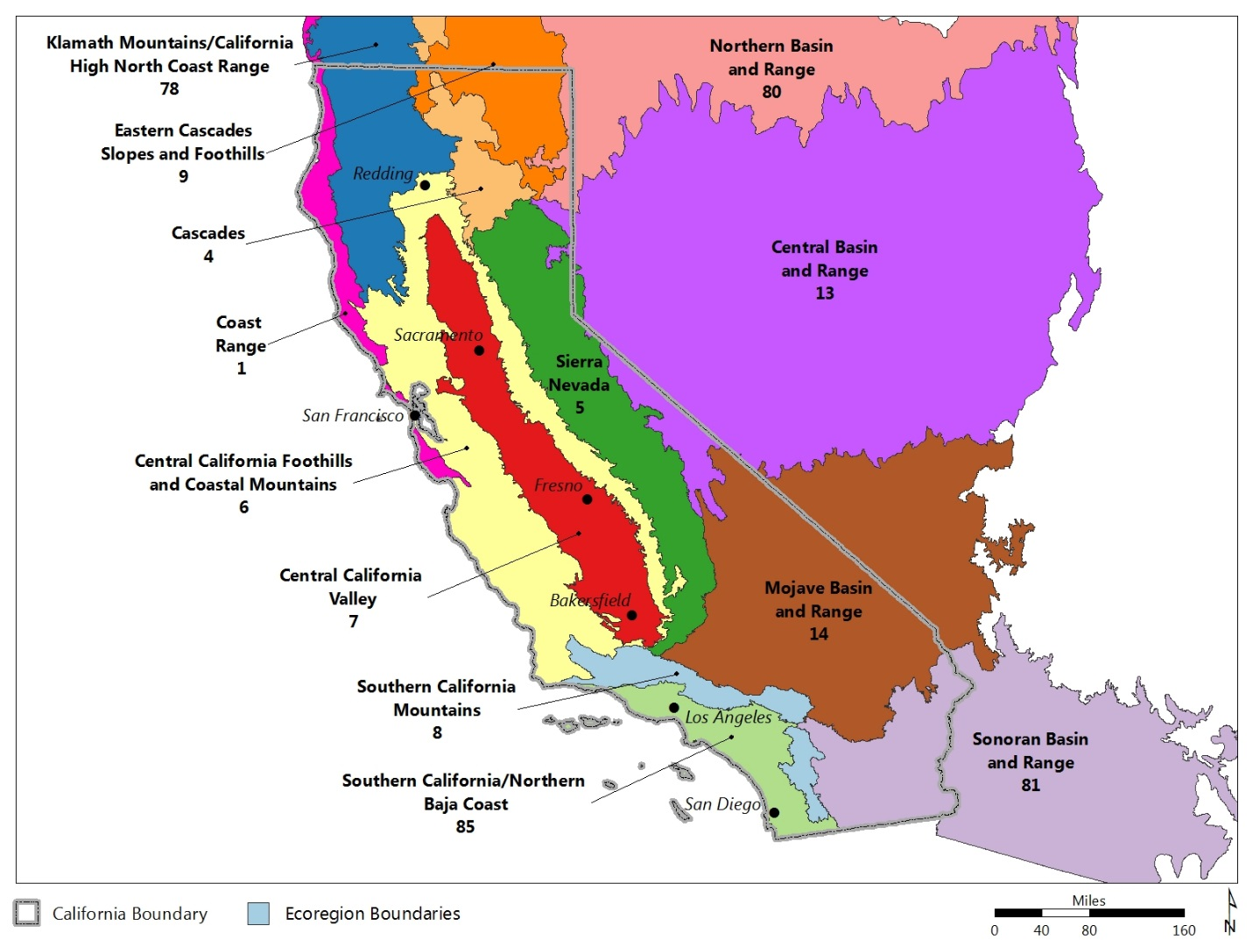

Map 1: State and Level III Omernik Ecoregion (2013) boundaries. The Preliminary Healthy Watersheds Assessment (PHWA) provides watershed health and vulnerability scores at the HUC12 scale (average 36 sq mi in area), both statewide and ecoregion-wide. Major cities are included to help orient map users.

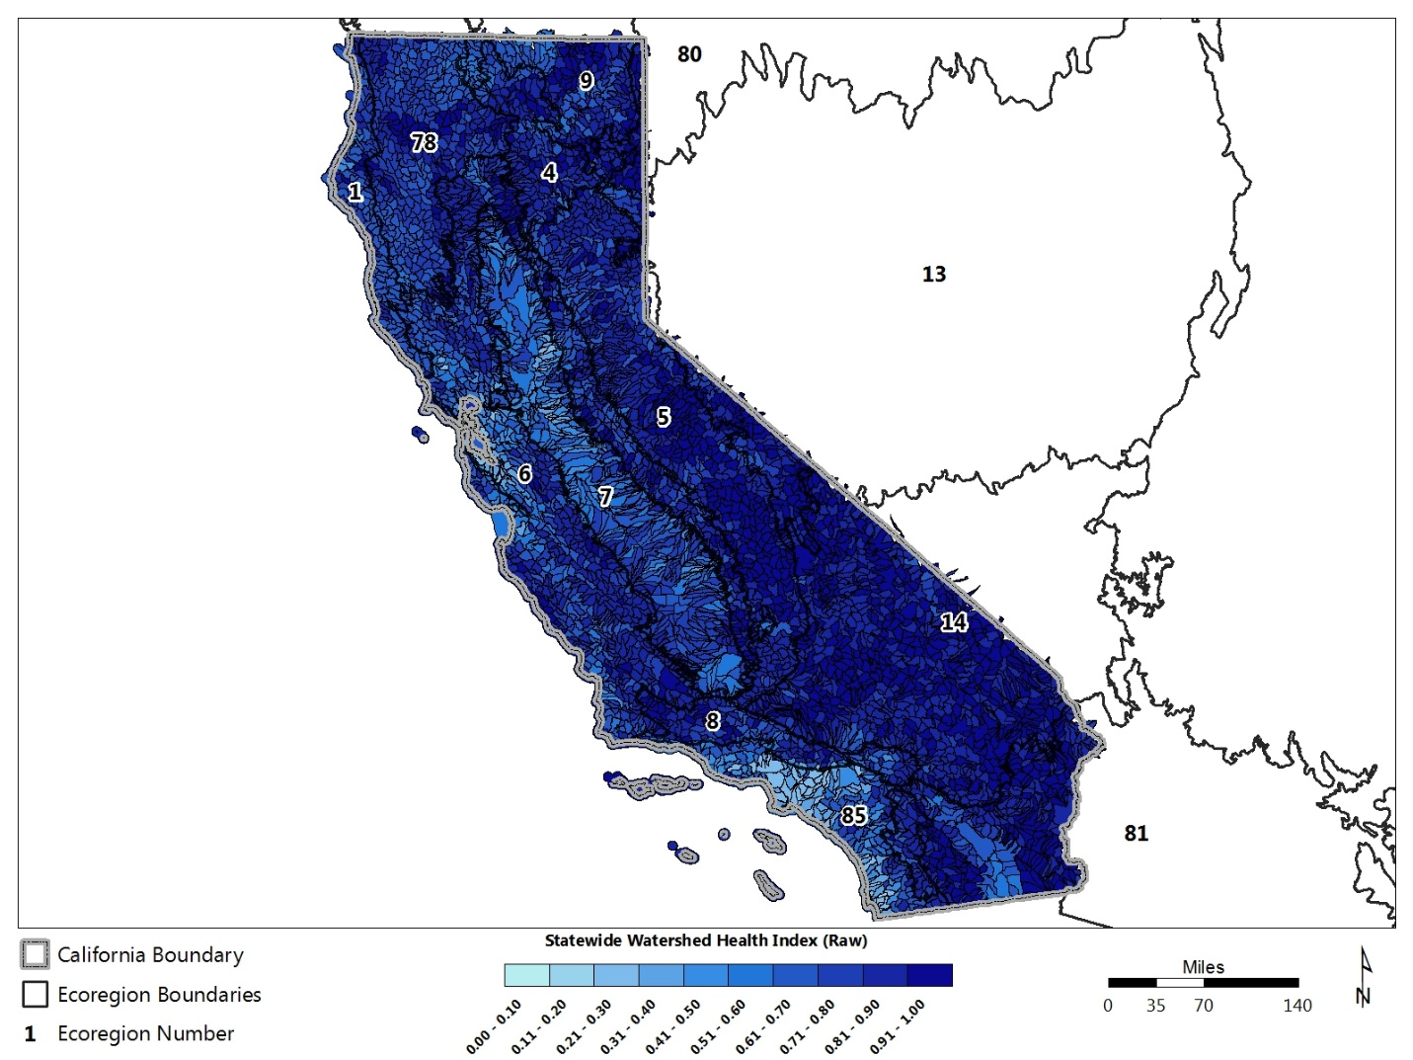

Map 2: Statewide Watershed Health Index raw scores. Each HUC12 is scored relative to all HUC12s statewide within a potential maximum range of 0 to 1. The legend’s color breaks represent 10 equal intervals of the raw score range that contain unequal numbers of HUCs; the histogram shows the distribution of statewide Watershed Health Index scores. Statewide relative scoring is useful for identifying location and relative abundance of healthier watersheds (darker blue areas), but does not specify exact thresholds of condition such as healthy or unhealthy.

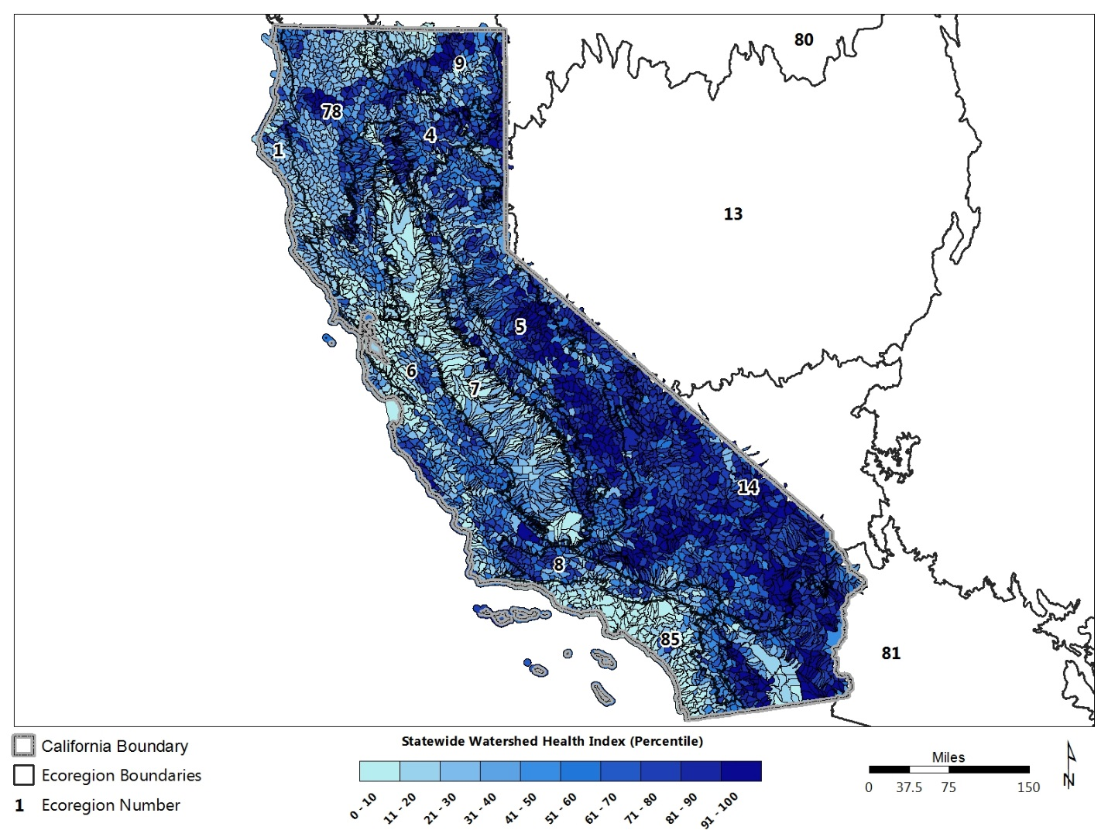

Map 3: Statewide Watershed Health Index HUC12 scores (as in Map 2) plotted using 10 percentile intervals (deciles). Each decile contains the same number of HUC12s. Higher decile values (darker blue) indicate healthier watersheds. Mapping by percentile offers an opportunity to focus on a specific proportion of a state’s relatively healthier watersheds.

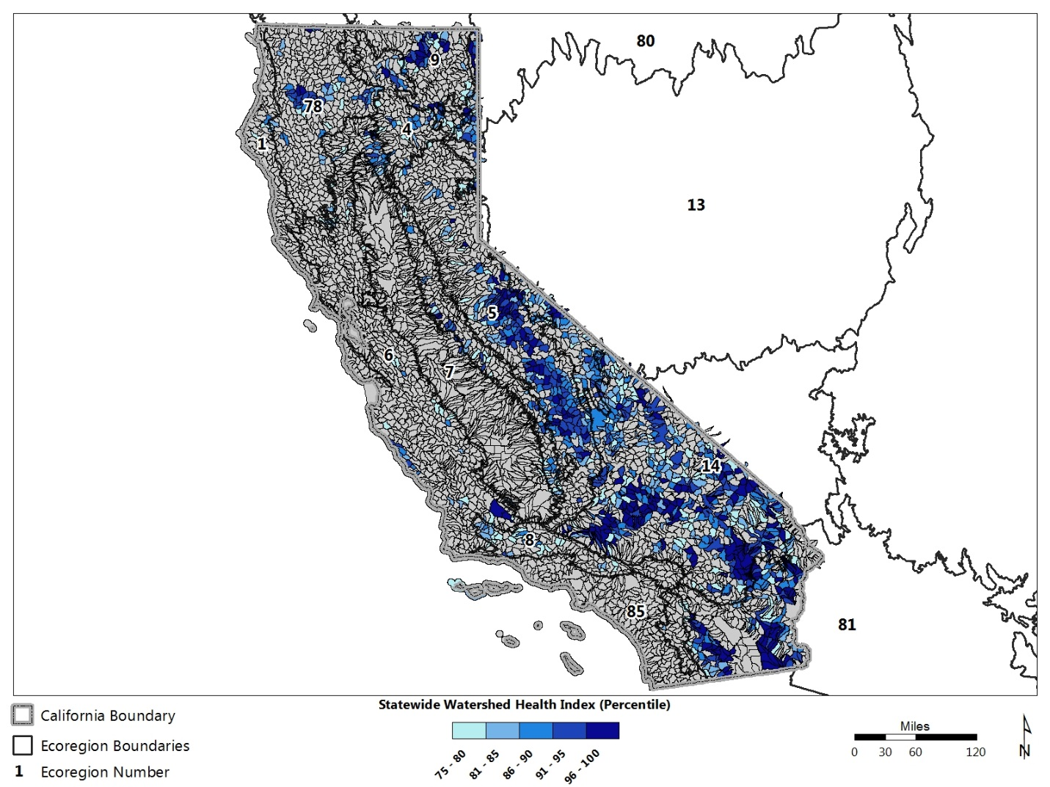

Map 4: HUC12s with statewide Watershed Health Index scores in the top quartile. The legend’s five color breaks represent equal percentile intervals (5%) from the 75th to 100th percentile, relative to all HUC12s statewide. The top quartile was selected to generally focus on a subset of relatively healthier watersheds and does not necessarily denote a healthy or unhealthy threshold.

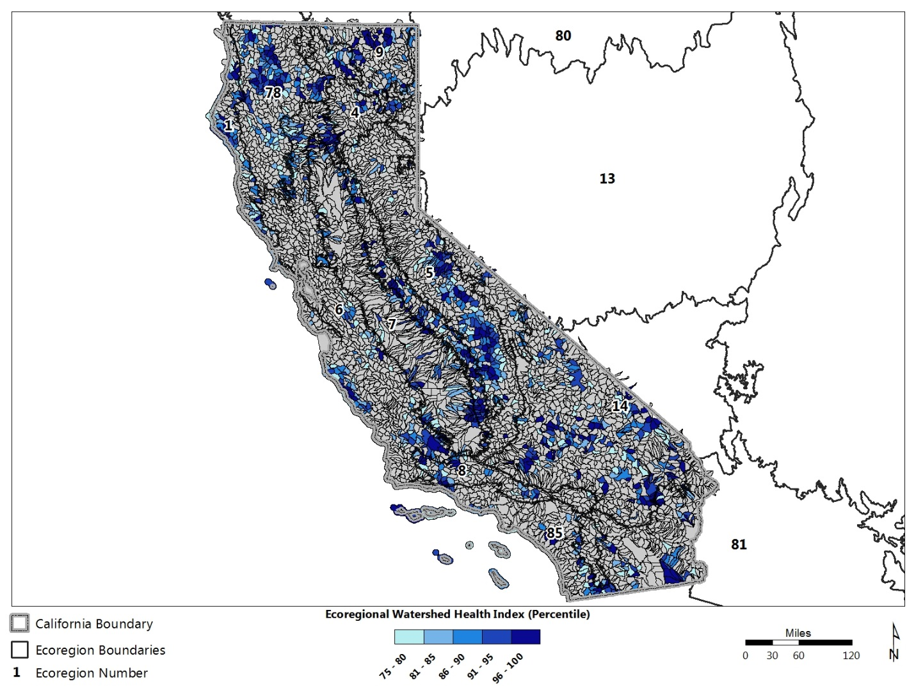

Map 5: Instate HUC12s with ecoregional Watershed Health Index scores that are in the top quartile of all HUC12s in their respective multi-state ecoregion. Ecoregional scoring, in which each HUC12 is scored relative to all HUC12s throughout its majority ecoregion, provides an alternative ranking of relative watershed health to statewide scoring. HUC12s with high ecoregional scores do not necessarily occur in-state due to the multi-state coverage of most ecoregions. The legend’s five color breaks represent equal percentile intervals (5%) from the 75th to 100th percentile. The top quartile was selected to generally focus on a subset of relatively healthier watersheds and does not necessarily denote a healthy or unhealthy threshold.

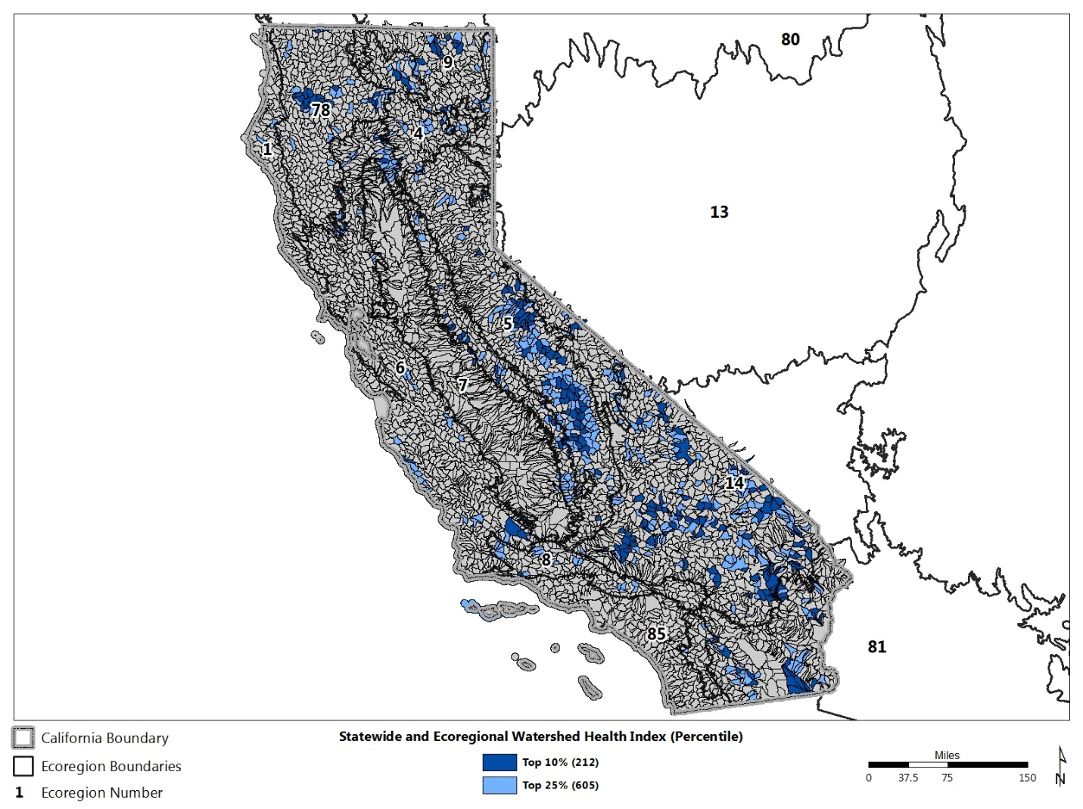

Map 6: HUC12s that scored in the top 10% or top 25% for both statewide and ecoregional Watershed Health Index. Selecting a top-ranking subset of HUC12s based on both scores is a strategic way to focus on relative watershed condition across multi-state ecoregions as well as across the state.

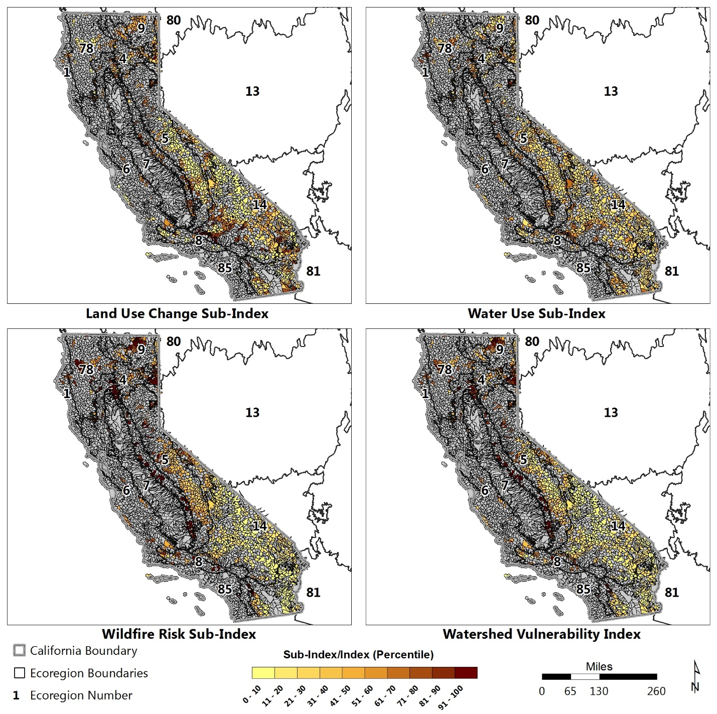

Map 7: Statewide Watershed Vulnerability Index and Sub-Index scores of HUC12s in the top quartile for statewide Watershed Health Index. Maps include Land Use Change Sub-Index (upper left), Water Use Sub-Index (upper right), Wildfire Risk Sub-Index (lower left) and overall statewide Vulnerability Index (lower right). Vulnerability scores provide insights into some of the risks that may affect watershed health. More vulnerability factors likely exist but did not have suitable data available. Looking at vulnerability differences among the healthier watersheds statewide can help PHWA users consider relative urgency for management efforts.

