Maps
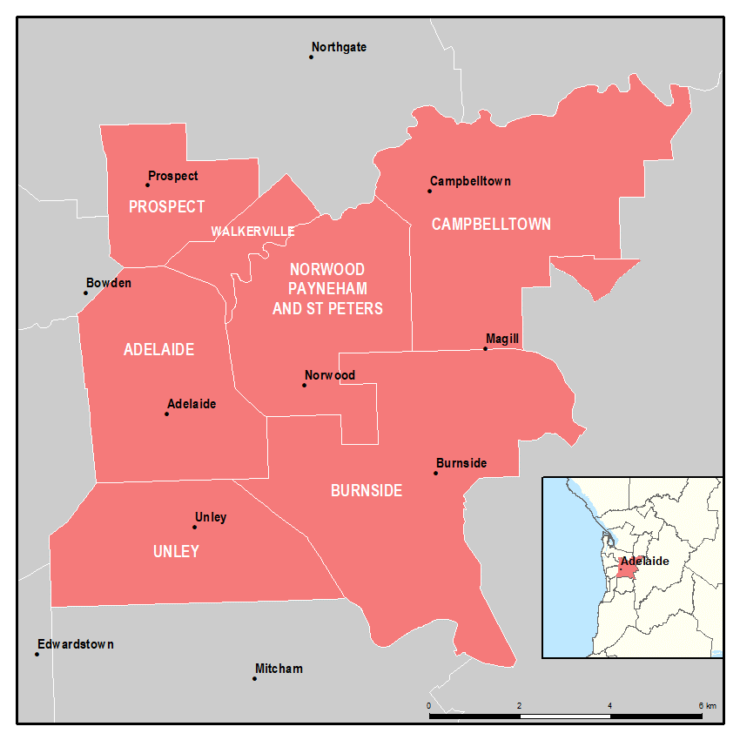
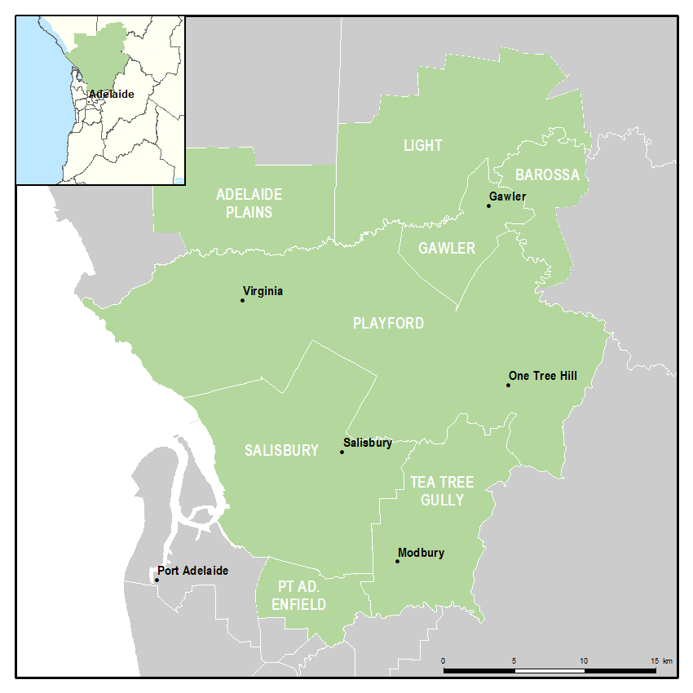
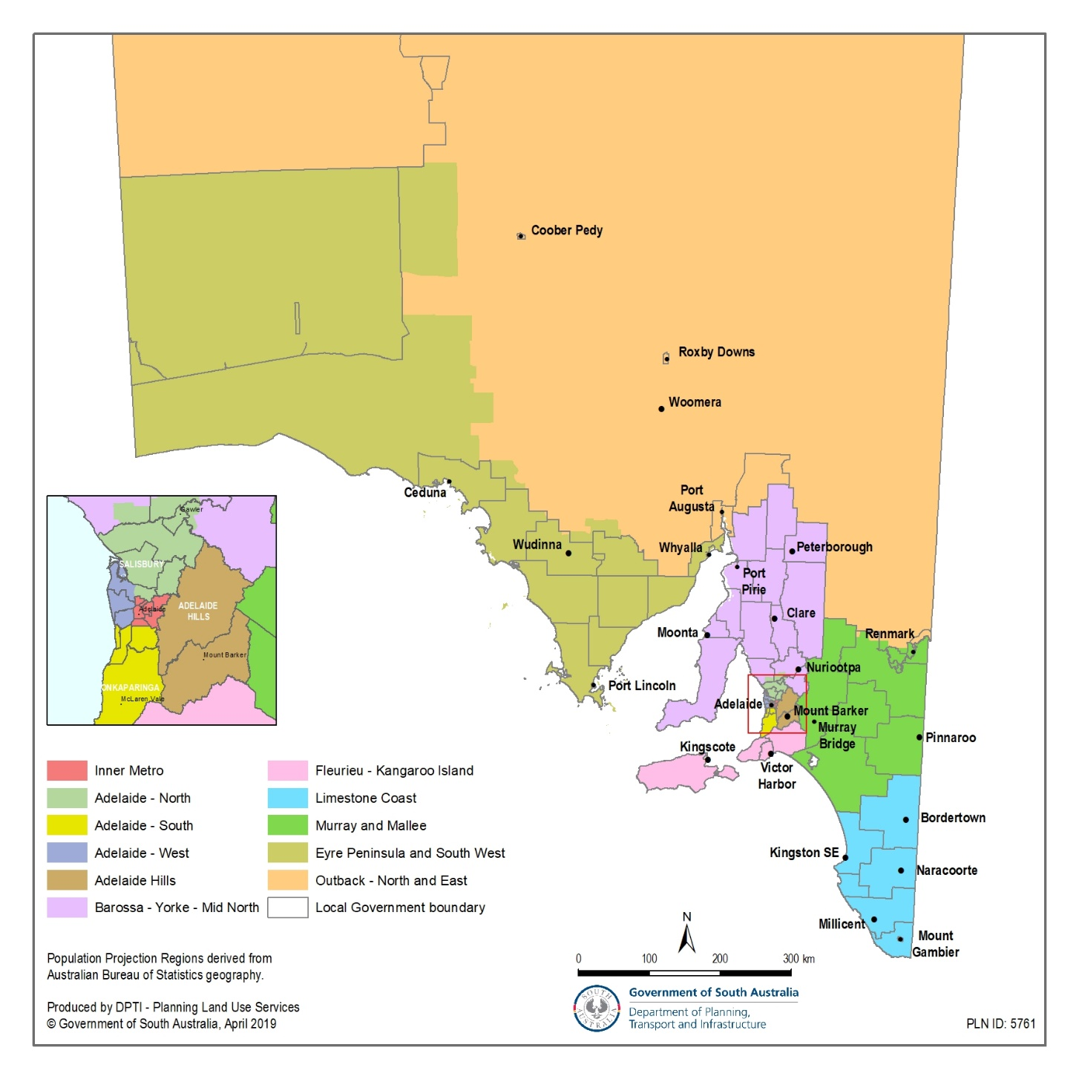
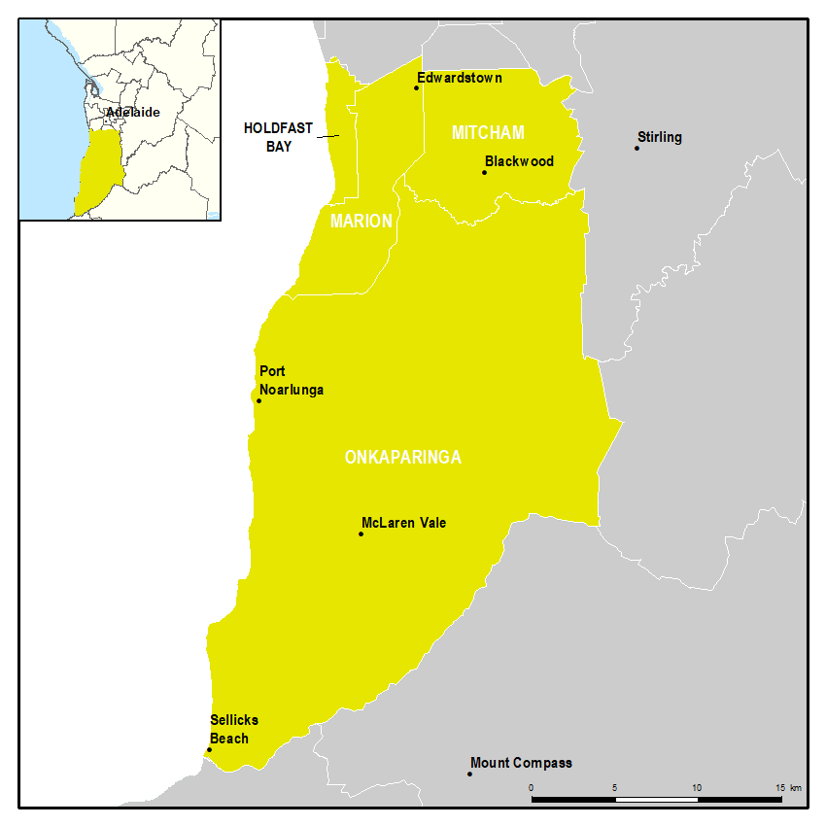
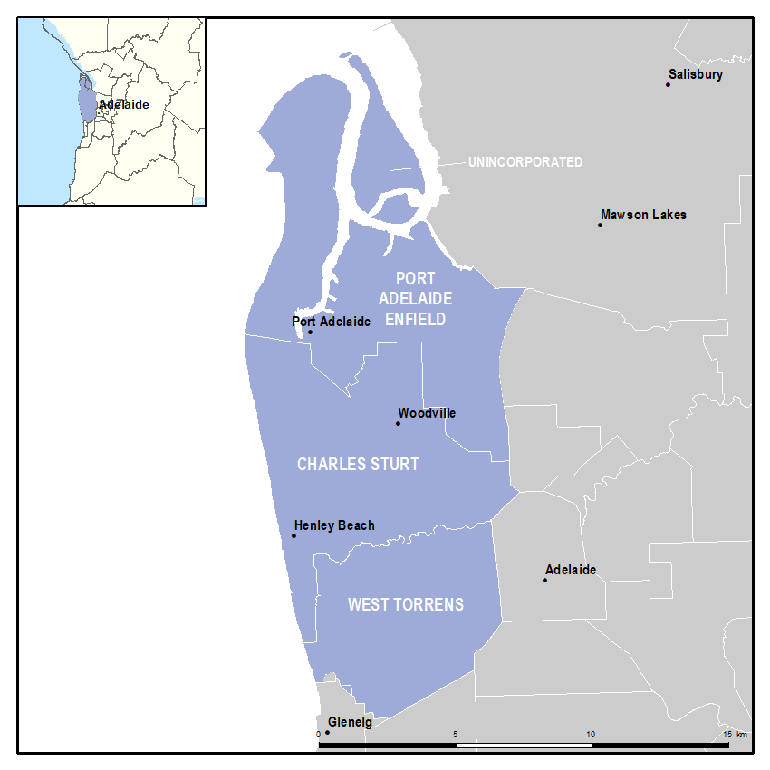
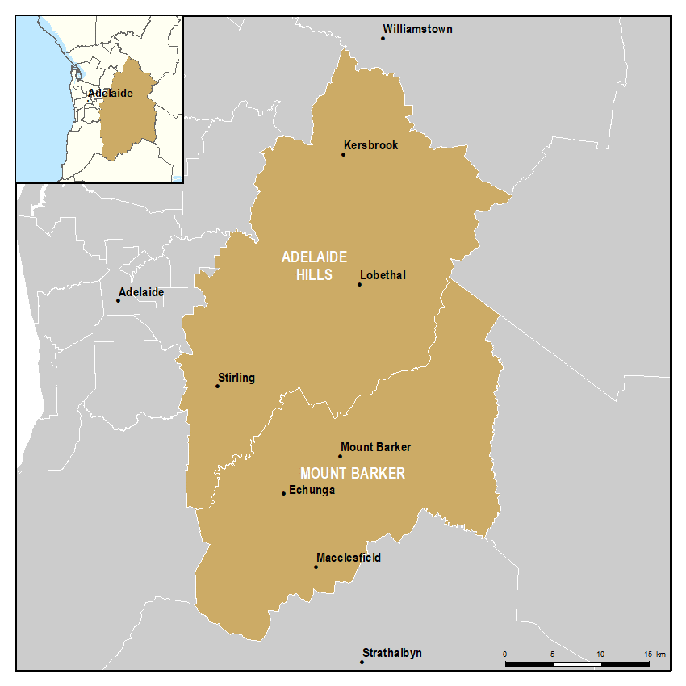
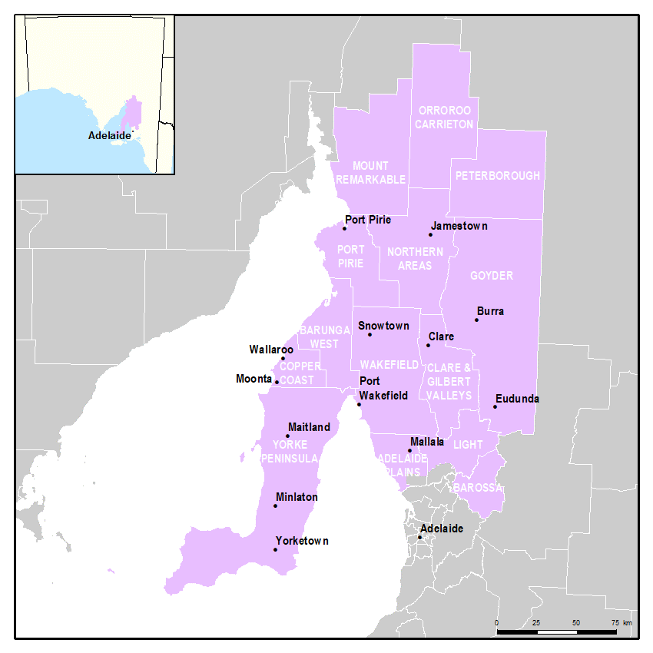
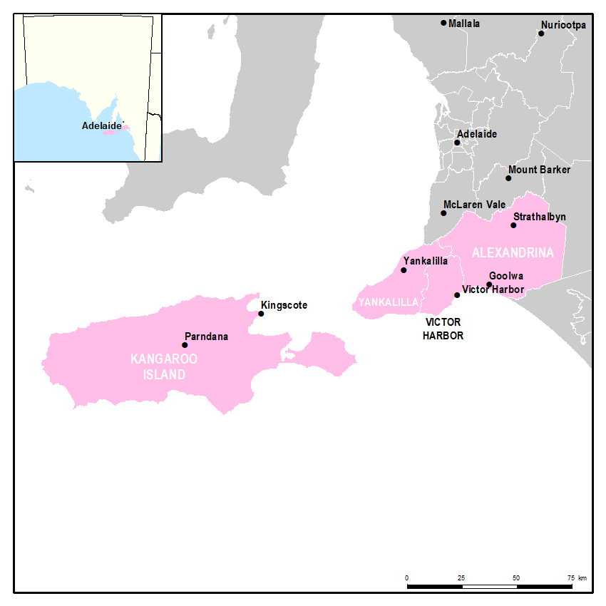
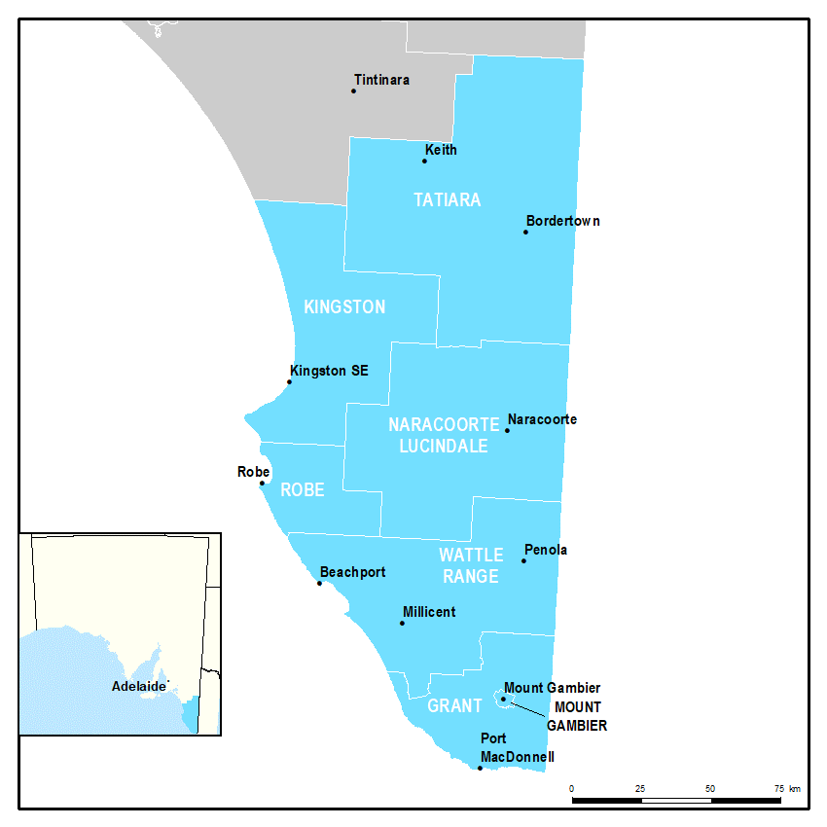
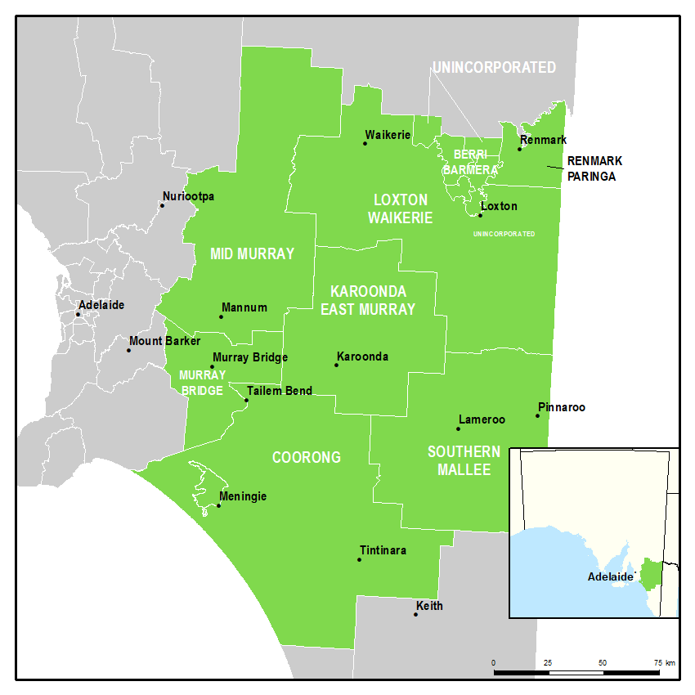
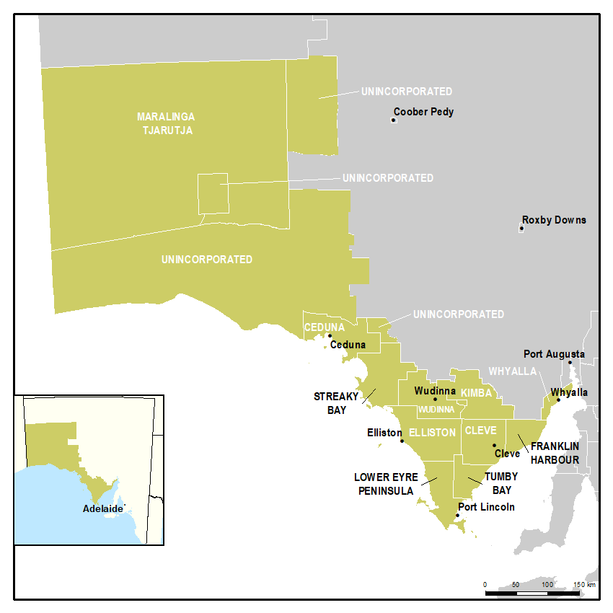
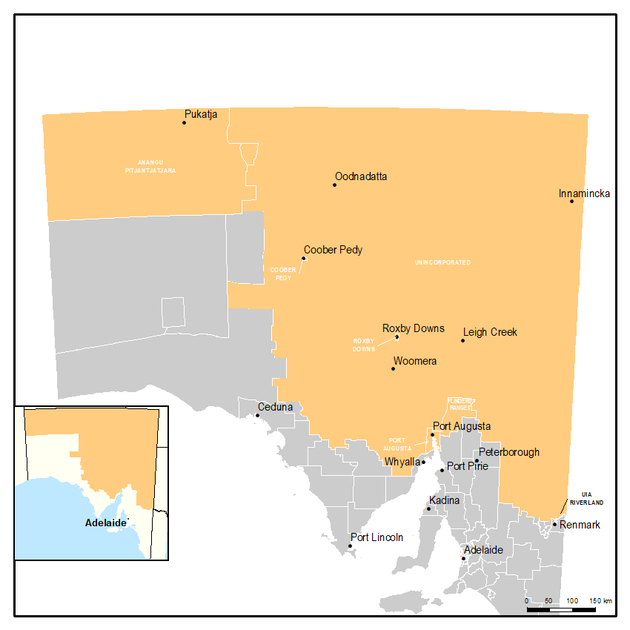
Population Projections for South Australian Local Government Areas, 2016-36, December 2019 release
© Department of Planning, Transport and Infrastructure, Government of South Australia, 2019

Regions used in the population projections

The population projections have been produced for the State and its Local Government Areas (LGAs), as defined in the 2016 Australian Statistical Geography Standard (ASGS). These regions can be seen in the maps below.

To map the projections using GIS software, boundaries of the Local Government Areas can be
downloaded from ABS Cat. 1270.0.55.003 and joined to the projections tables using the Local
Government Area name field from the projections tables.

