Maps
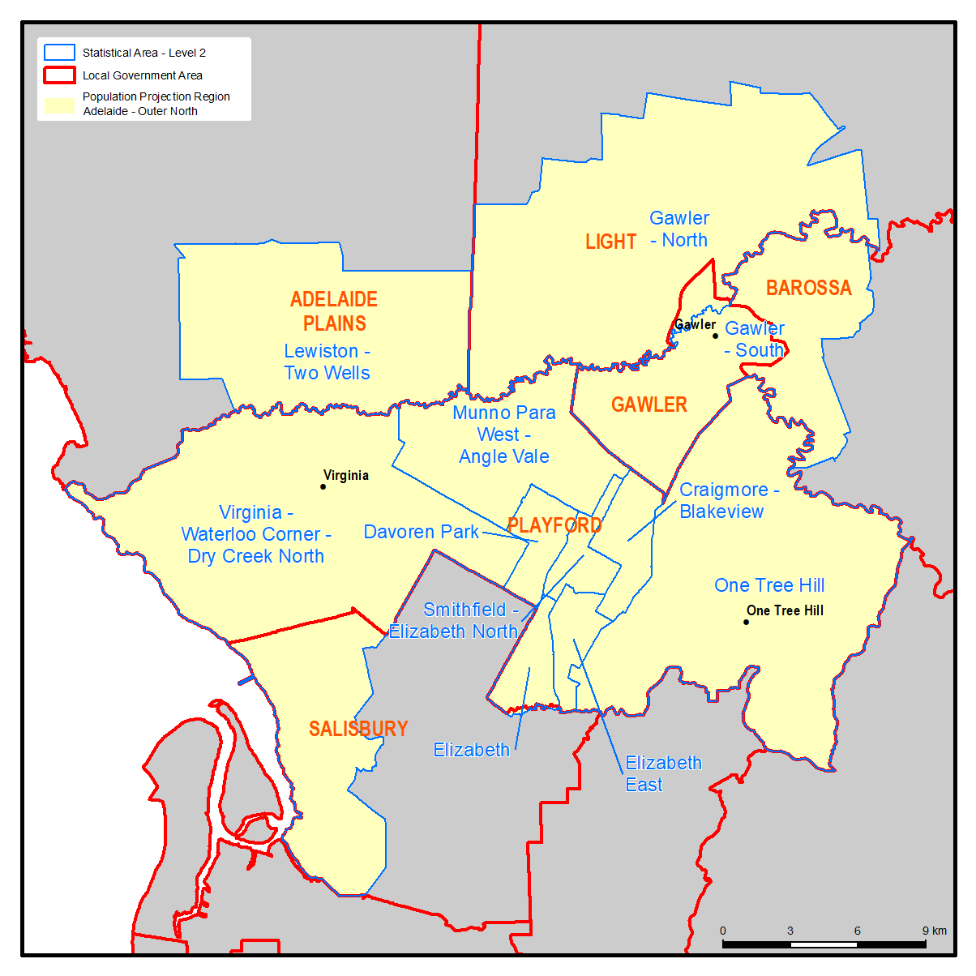
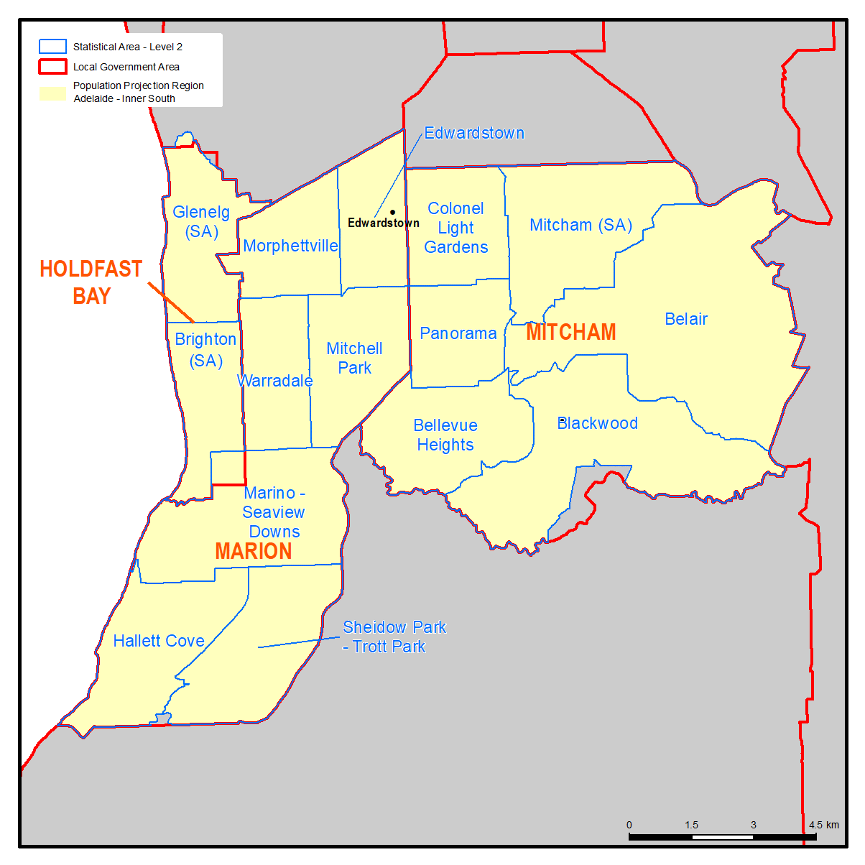
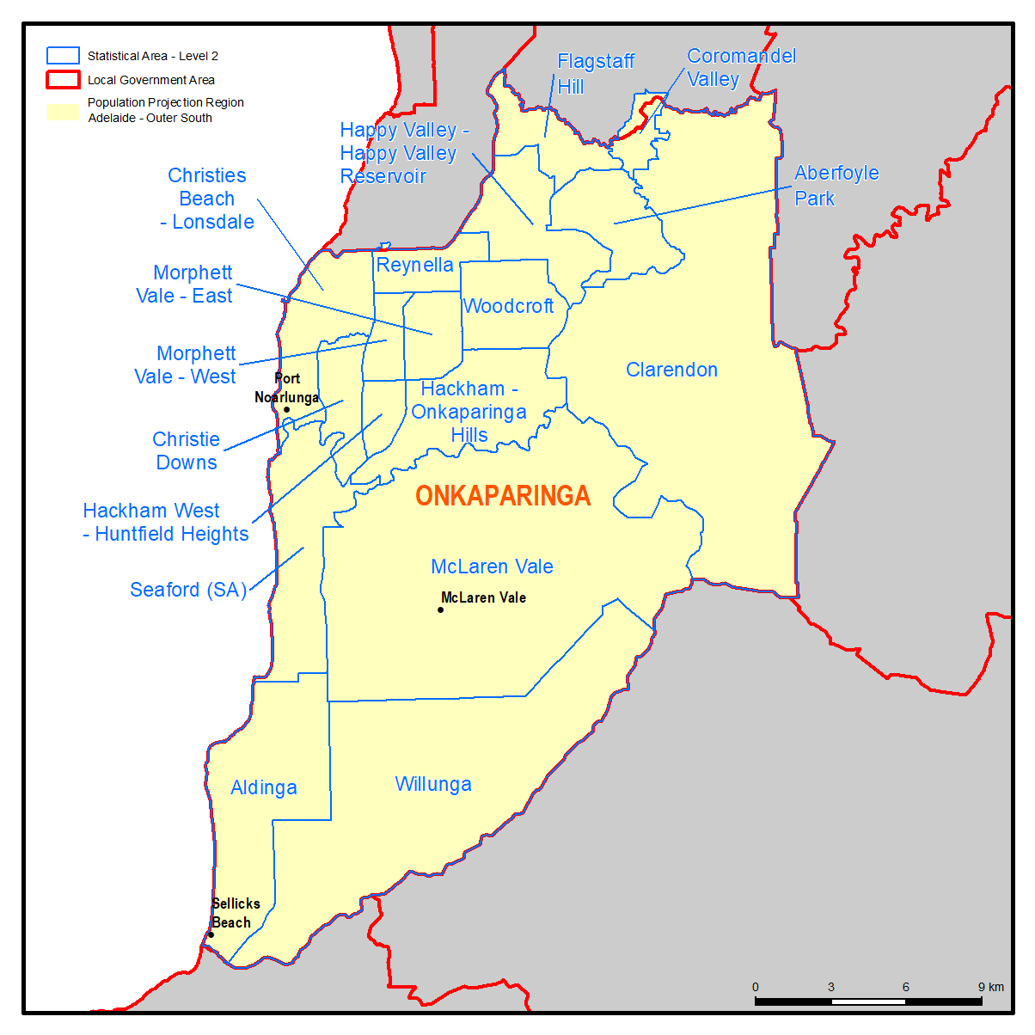
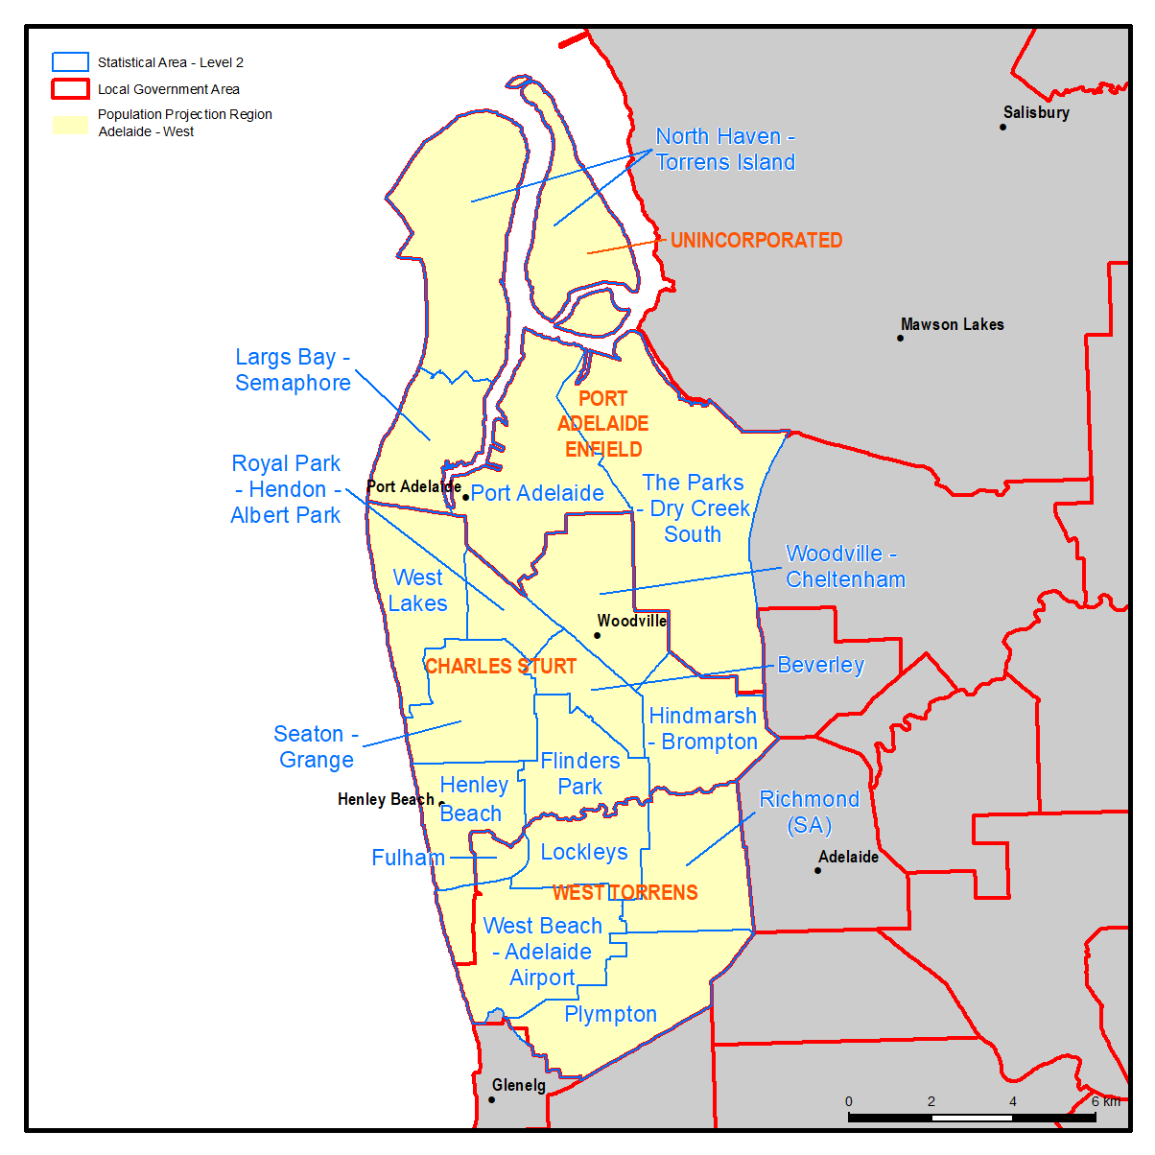
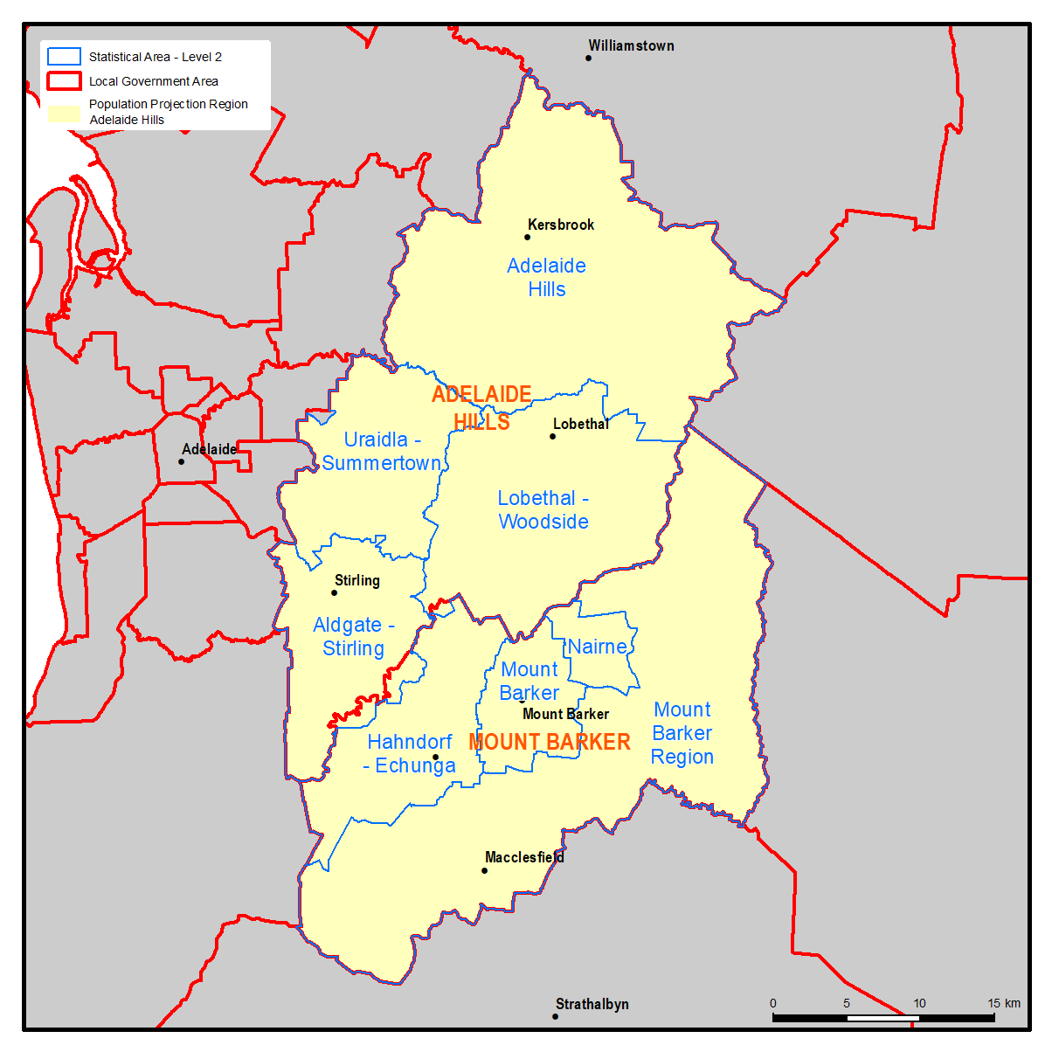
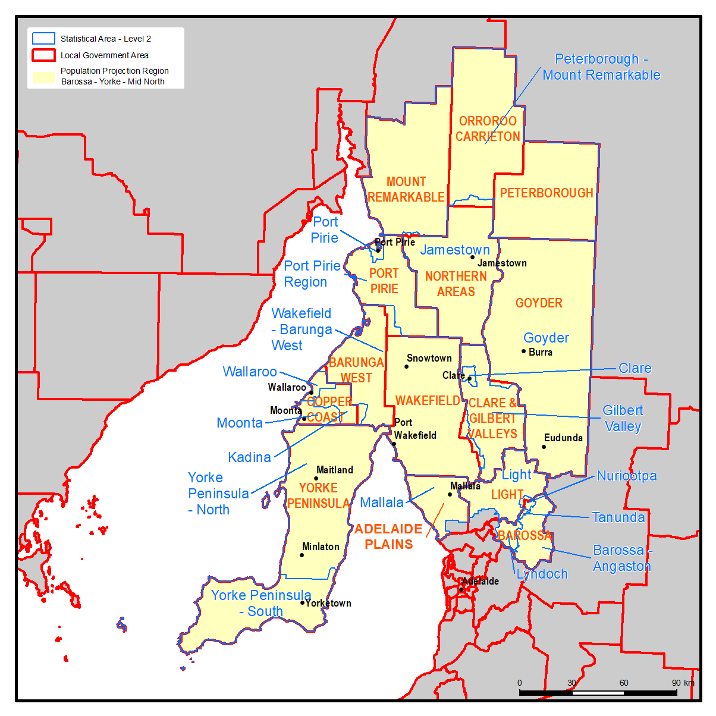
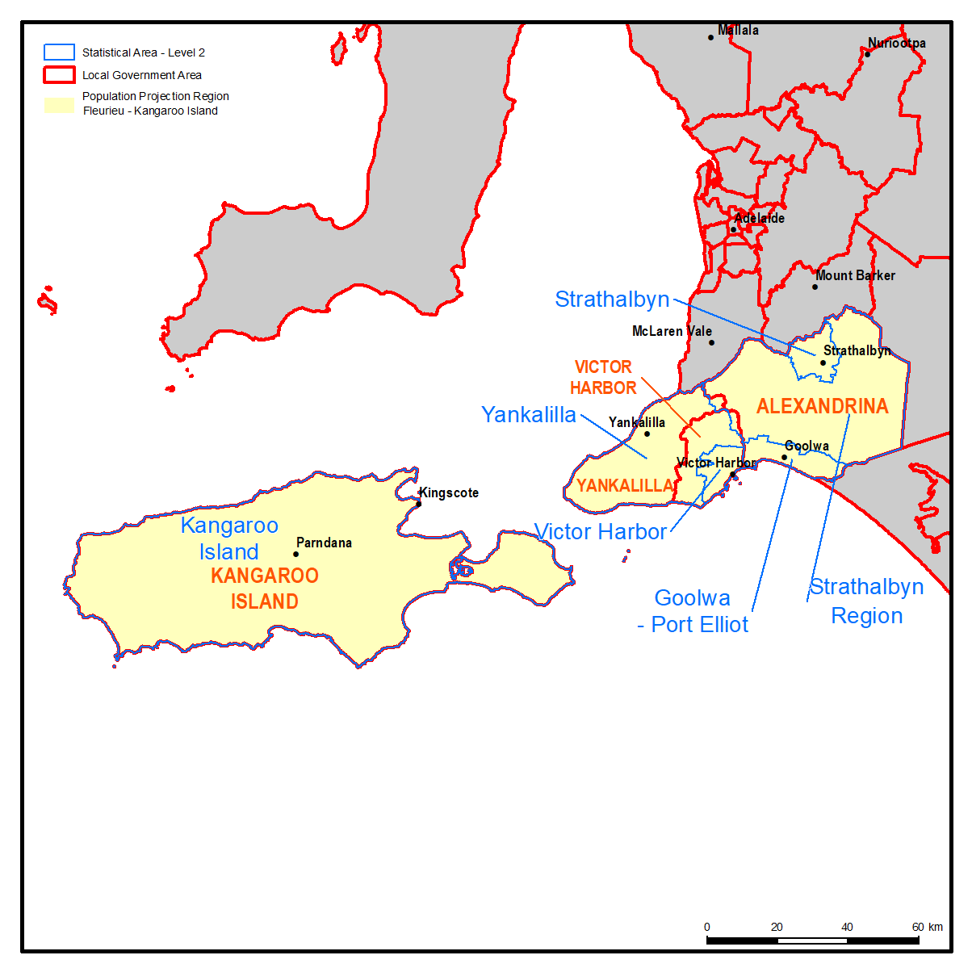
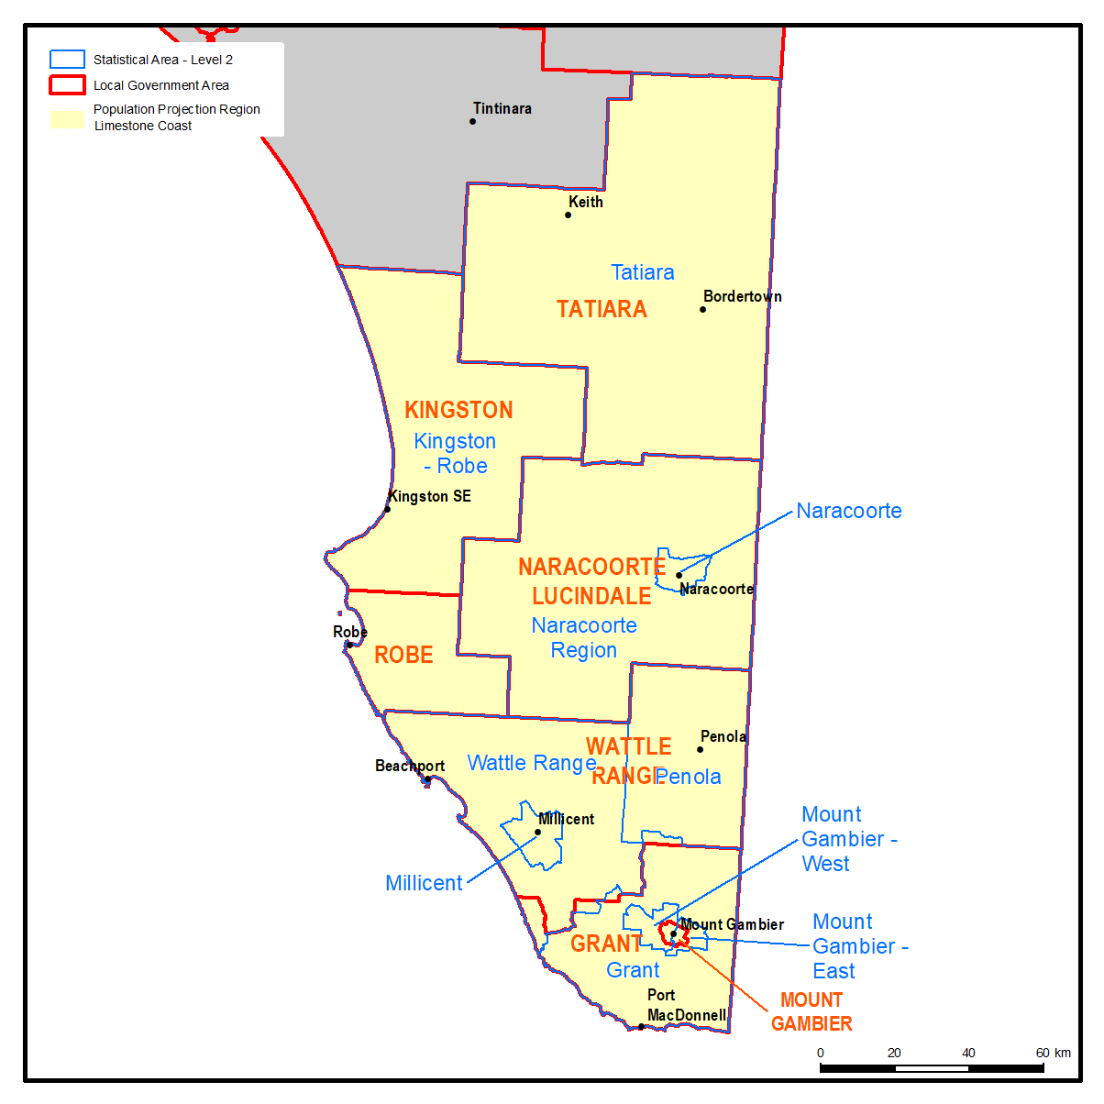
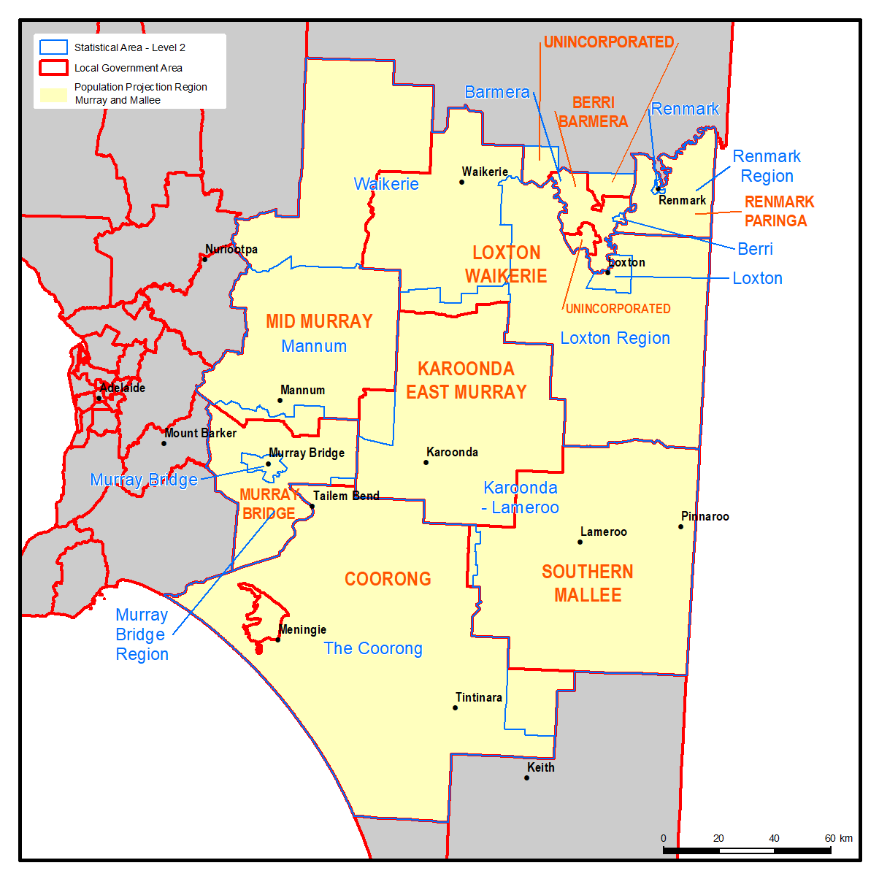
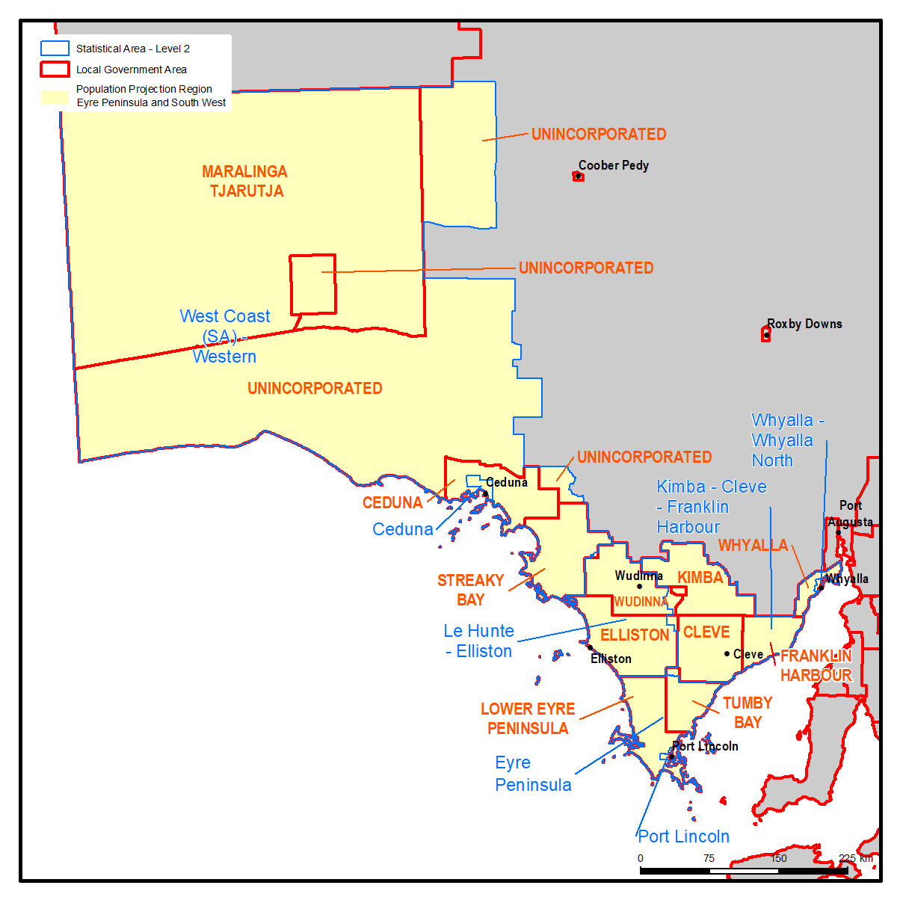
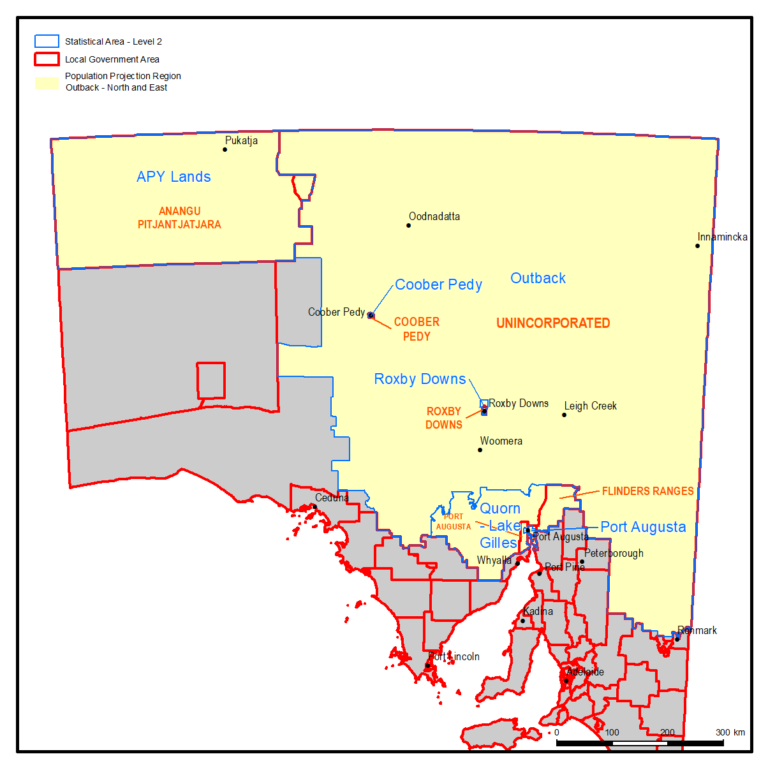
Population Projections for South Australian Statistical Local Areas, 2016-36, December 2019 release
© Department of Planning, Transport and Infrastructure, Government of South Australia, 2019

Regions used in the population projections

The population projections have been produced for the State and its Statistical Areas Level 2 (SA2s), as defined in the 2016 Australian Statistical Geography Standard (ASGS). These regions can be seen in the maps below.

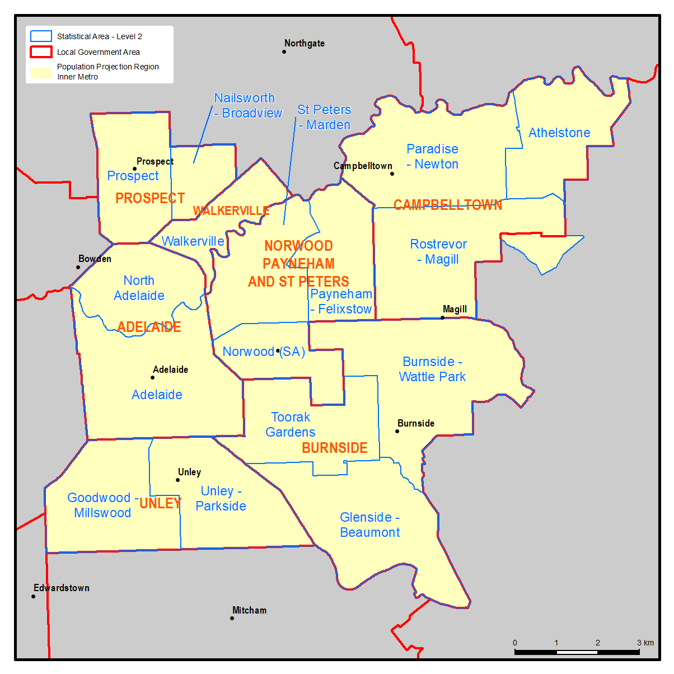
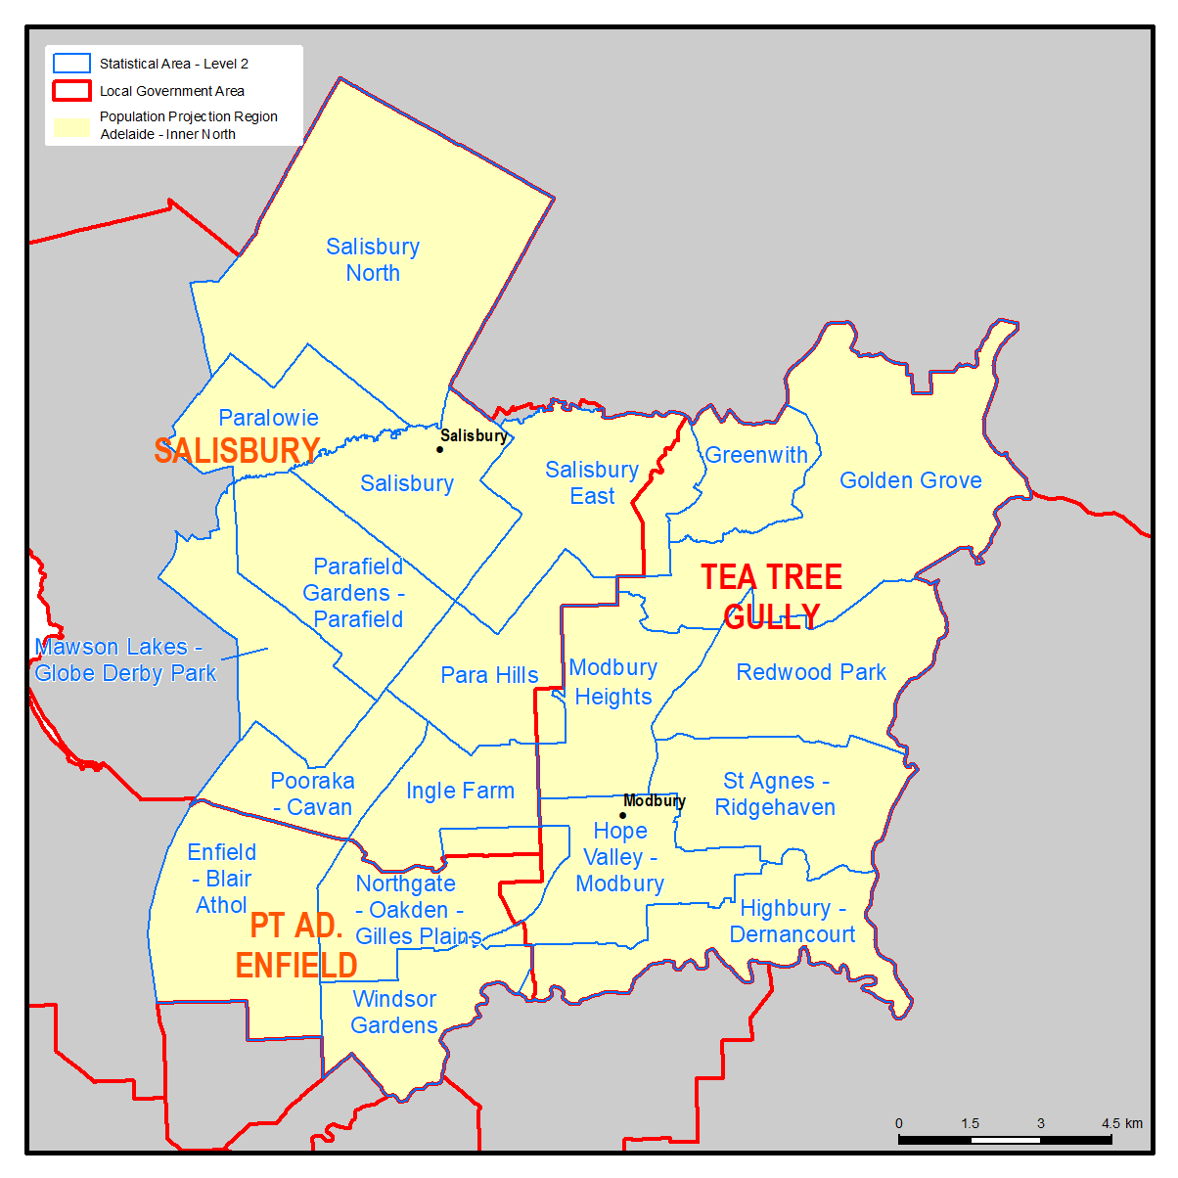
To map the projections using GIS software, boundaries of the SA2s can be downloaded from
ABS Cat. 1270.0.55.001 and joined to the projections tables using the SA2 name from the
projections tables.

