PromoCompress&DownloadPromo
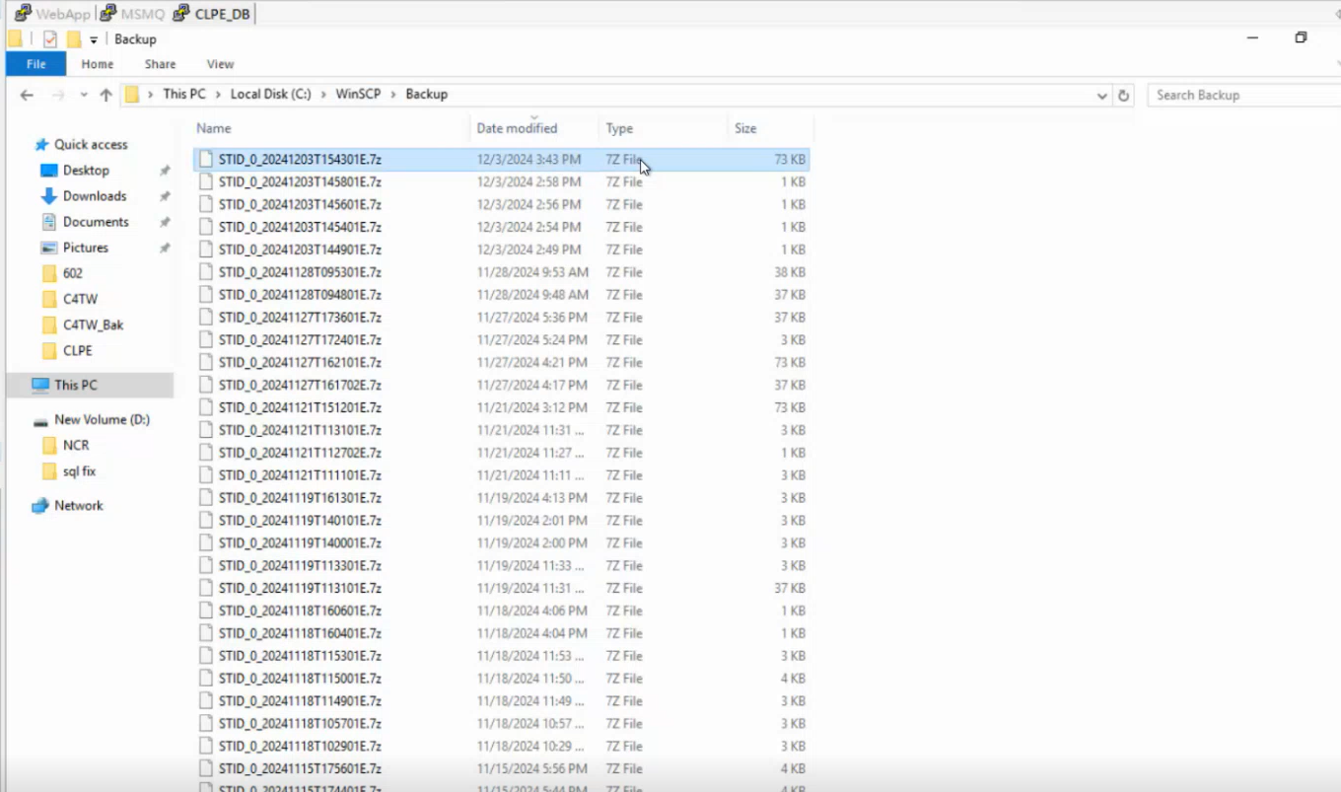
Download Promotions

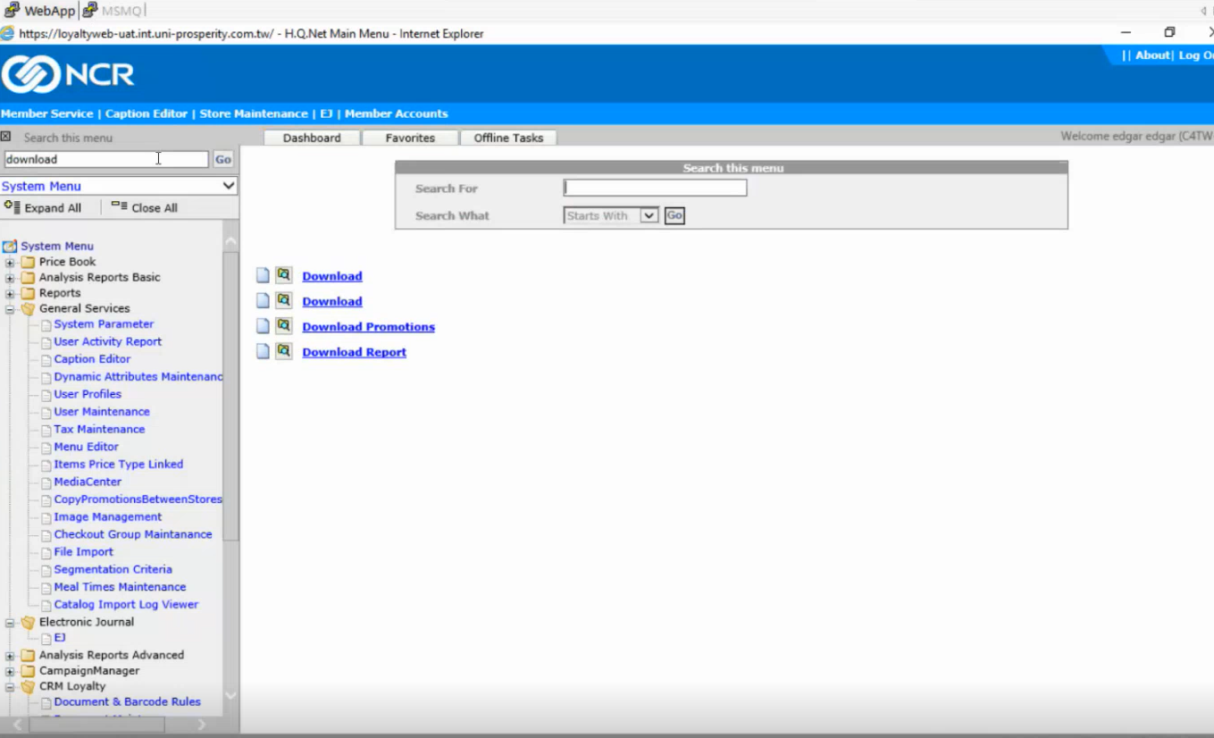

 | After clicking on Download Promotions, the below screen appears and we can choose Full Pricebook
 | We can select all stores or any specific store ( as shown below)
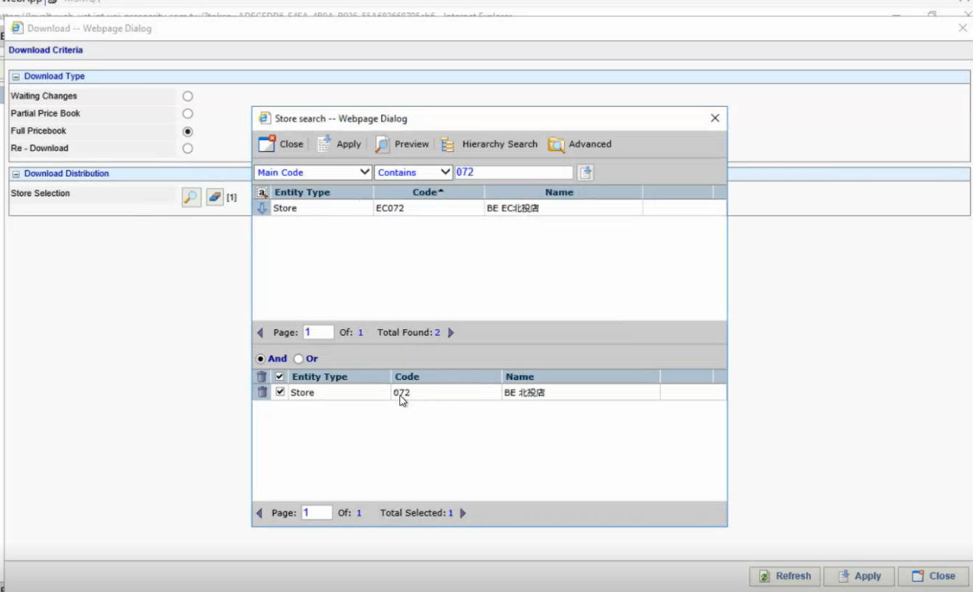

 | we can verify in the below path for the xml files

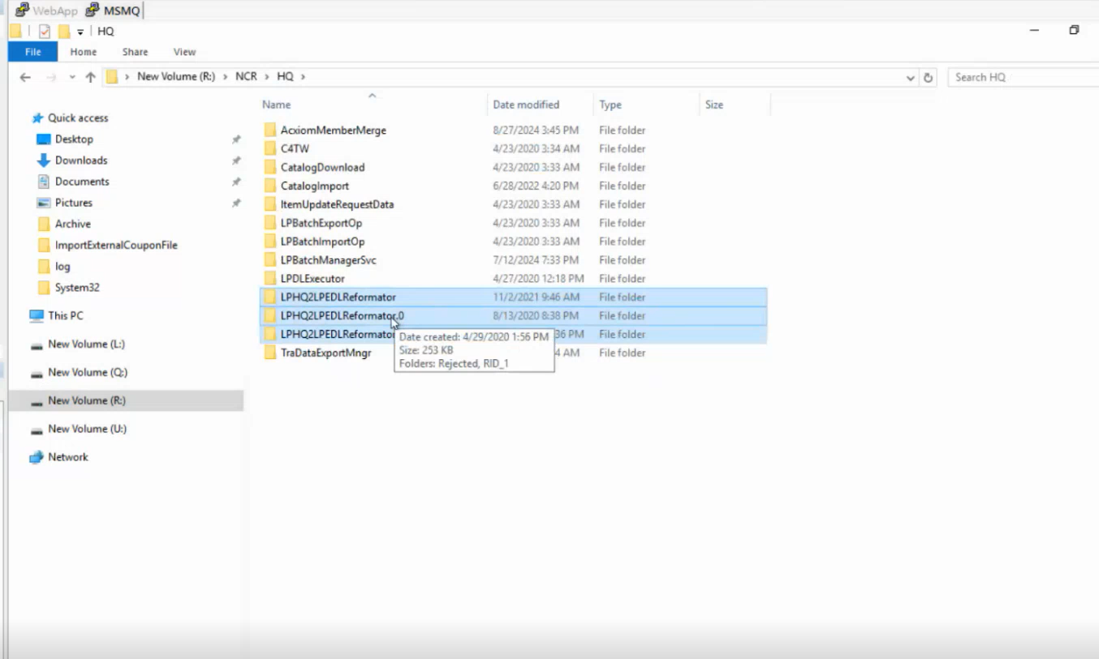

 | As we can see below, the files were not yet downloaded into the below OUT folder path in the Reformator.0 folder path
 | Once we click on the Apply button in the Download promotions, then only the files will be placed here

 | After we click Apply button in the Download promotions screen, the below screen will appear and here, we can Click on Download button to Download them

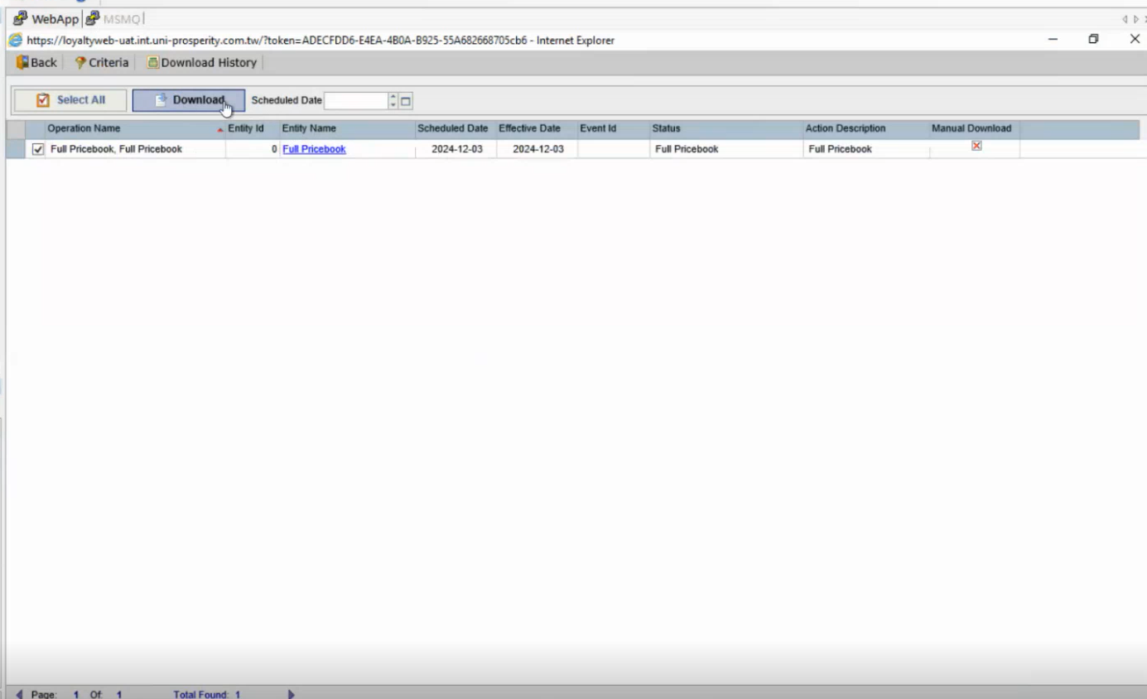

 | Then we can see the below files in the OUT folder path after a few seconds

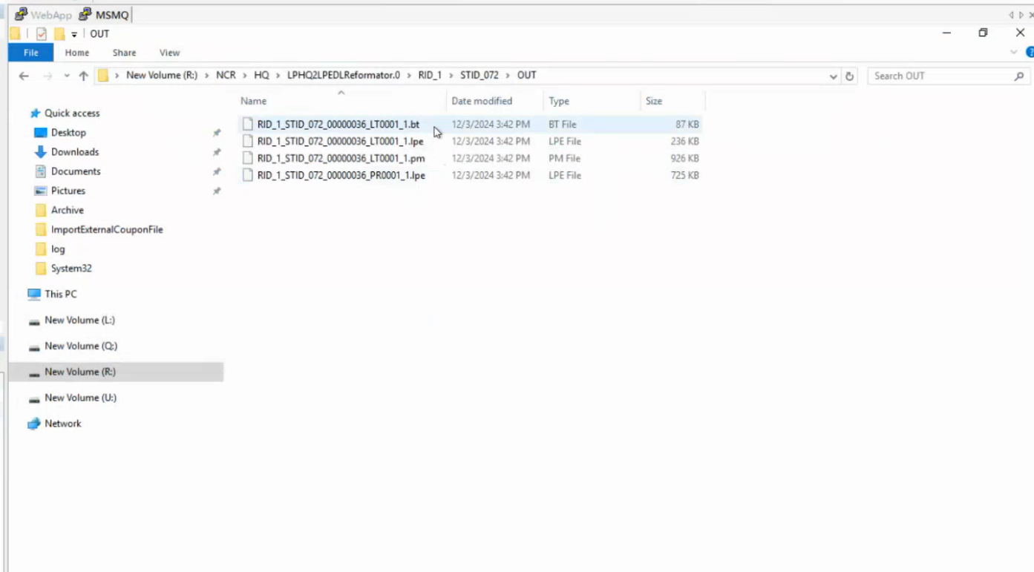

 | As we can see below, after a few seconds, the above files will be zipped and moved to the LPHQ2LPEDLReformator folder in to the specific storeID ( 72 here in this case) as shown below as .7z file
 | The one which we downloaded was the current selected one below
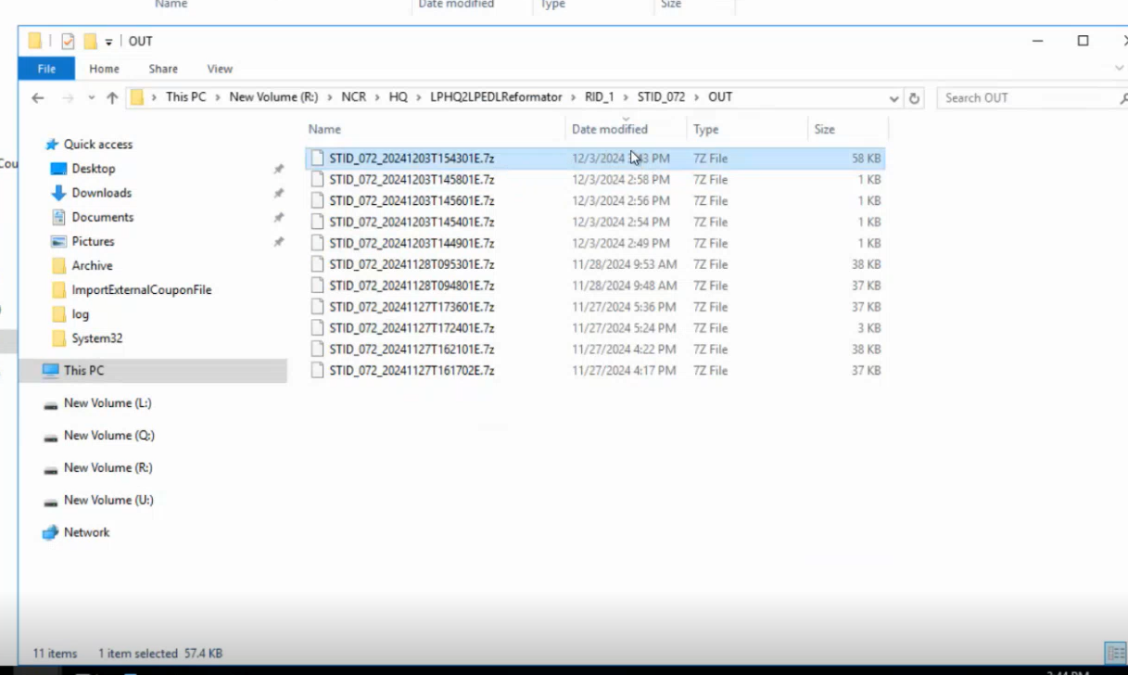

 | All of the above steps were as per the steps in the PromotionCompress_ToLinux.bat file
 | The zip files will be uploaded to a remote server using SFTP protocol and the WinSCP will download these .7z files from the same Remote server using SFTP protocol and then push them to the Backup Folder as shown below
 | The selected file below is the file that we created using Download Promotions as we can check the name of the file and the time stamp of its creation

