Cash Flow Representations
Cash Flow Diagram

 | Cash Flow Table
 | Year | Transaction
Start (Now) | 0 | $25,000
Senior Year | 1 | $0
1st Year Working | 2 | -$6,000
2nd Year Working | 3 | -$6,000
3rd Year Working | 4 | -$6,000
4th Year Working | 5 | -$6,000
5th Year Working | 6 | -$6,000

Future Value (FV)
Future Value -- FV Function

Suppose you invest $100 today in an account that earns 10% per year, how much will it be worth in 5 years?

Investment (PV)
Annual Interest Rate (RATE)
No. of Years (NPER)
Annual Investments (PMT)

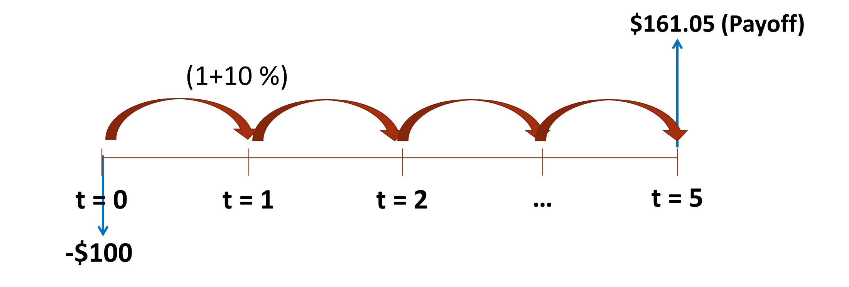

 | Investor | Bank
Future Value (FV)

Present Value (PV)
Present Value -- PV Function

How much is $100 two years from now worth today, if your discount rate (i.e. opportunity cost) is 5% per year?

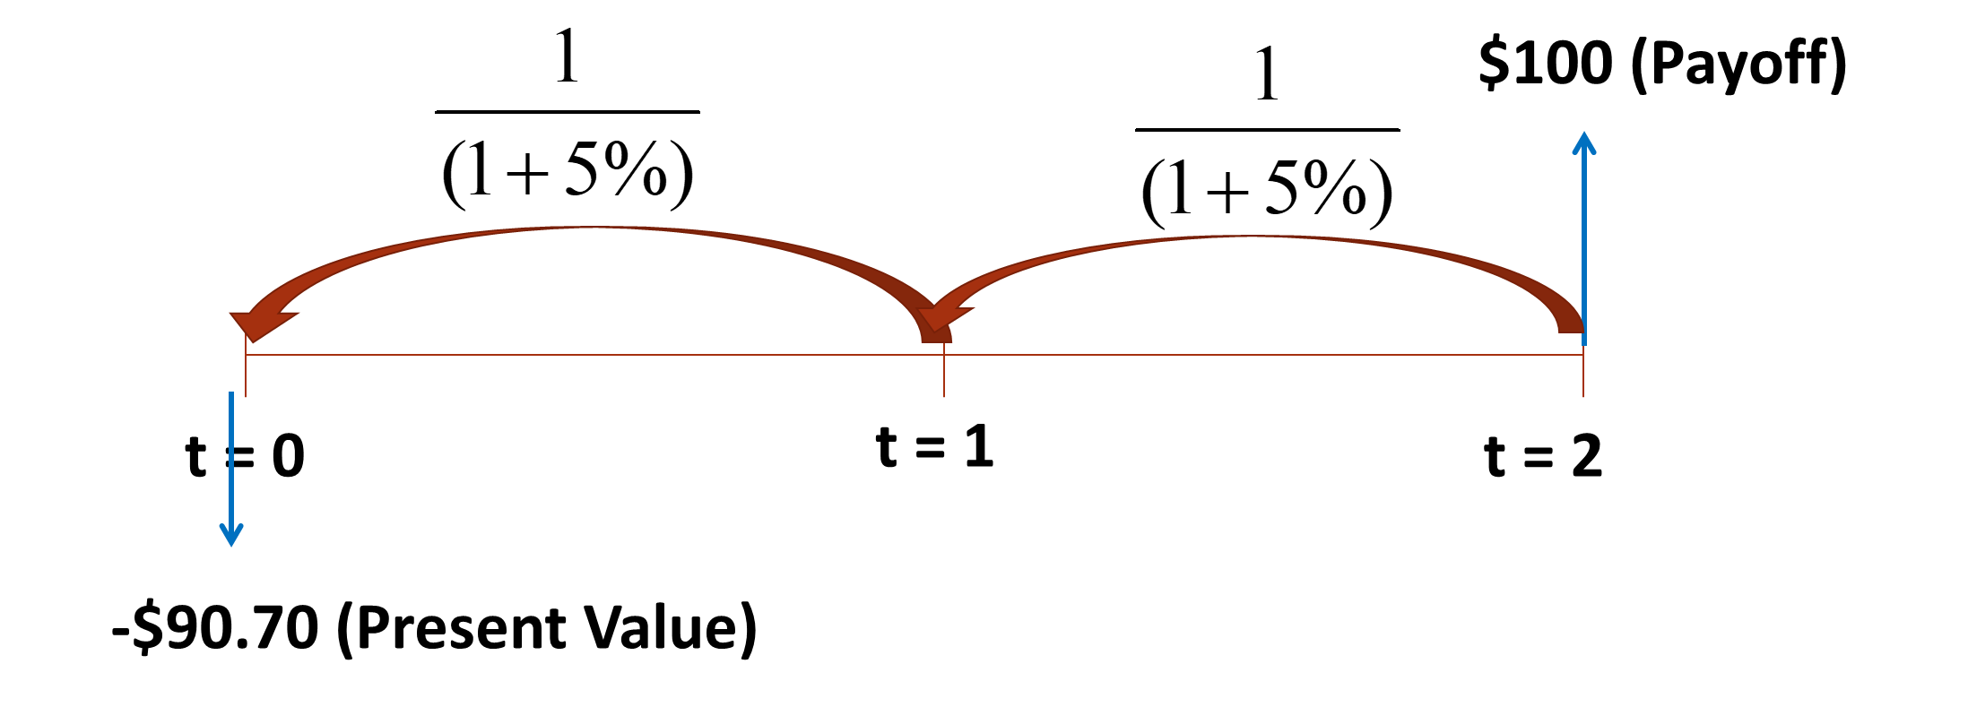
Future Value (FV)
Annual Interest Rate (RATE)
No. of Years (NPER)
Annual Investments (PMT)

Present Value (PV)

Future Value (FV) -- 2
Future Value -- FV Function

Suppose you invest $1,000 today, plus $200 annually in an account that earns 10% per year, how much will it be worth in 5 years?
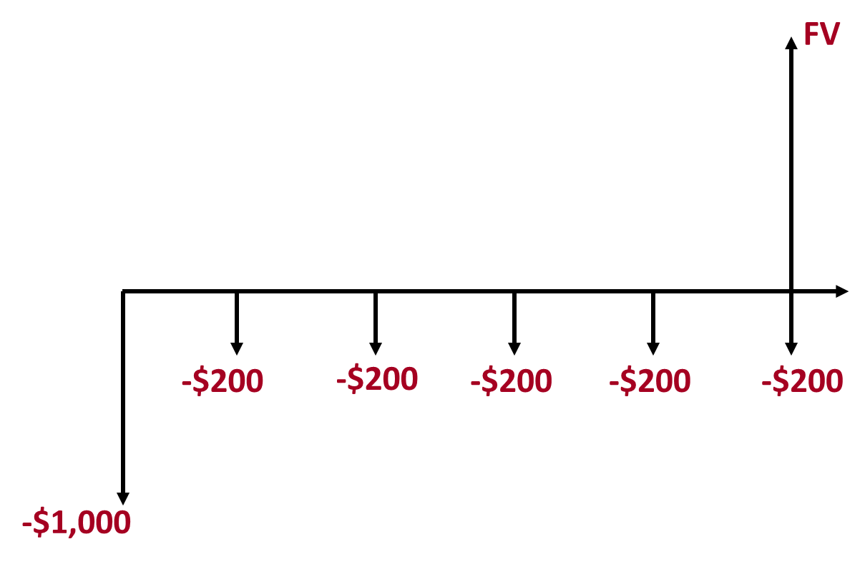
Initial Investment (PV)
Annual Interest Rate (RATE)
No. of Years (NPER)
Annual deposits (PMT)

Future Value (FV)

Quote, EAR, FV Example
EAR and APR Example

Initial Investment | $1,000
i_weekly | 0.15%
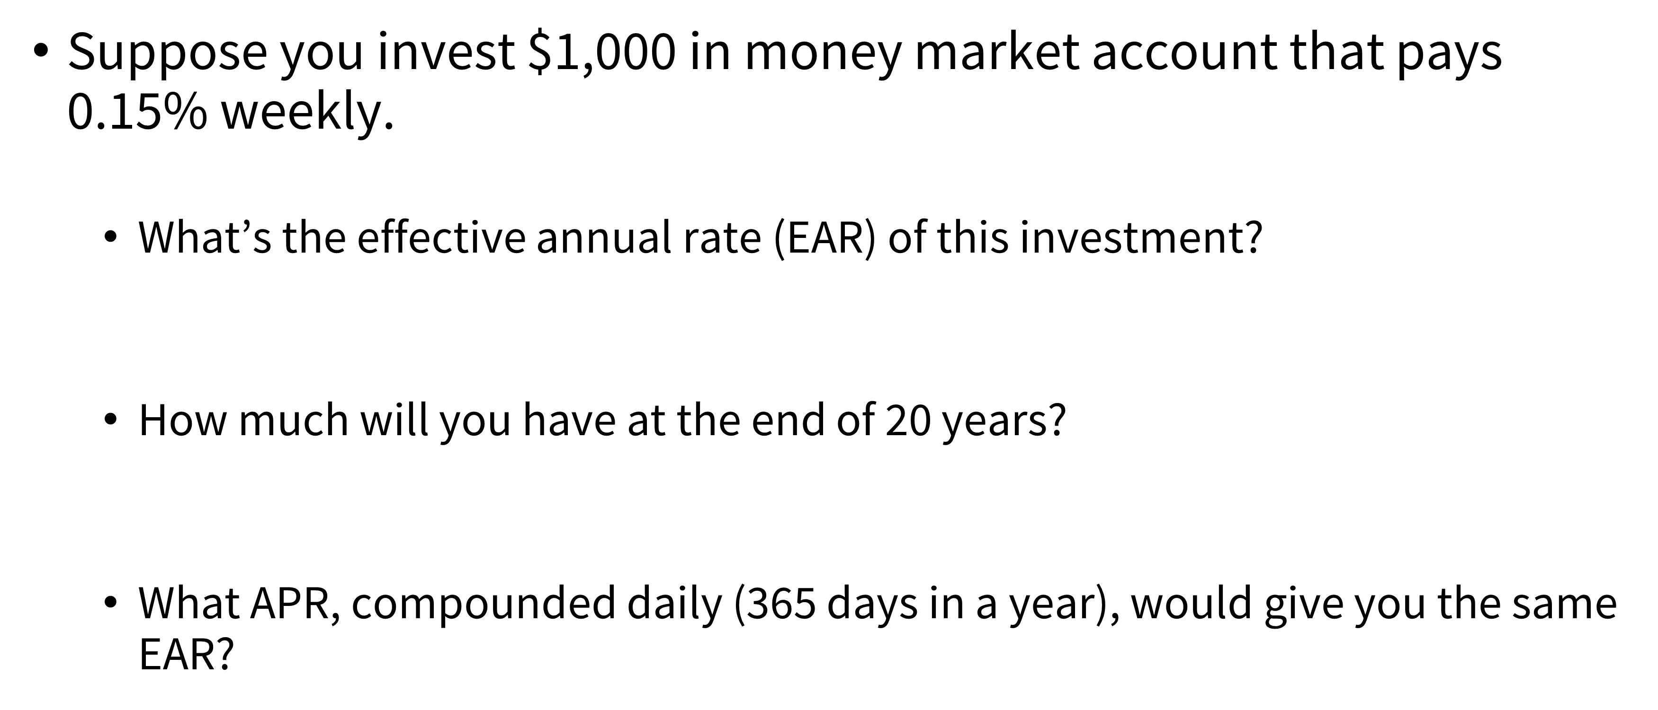
APR |  | i_a | 8.11%

EAR

 |  | Weekly Rate
Future Value_20 |  | $4,753
 |  | No. Periods | 1040

i_daily

APR

Mismatch quoted rate & period
More Complex EAR and FV Example

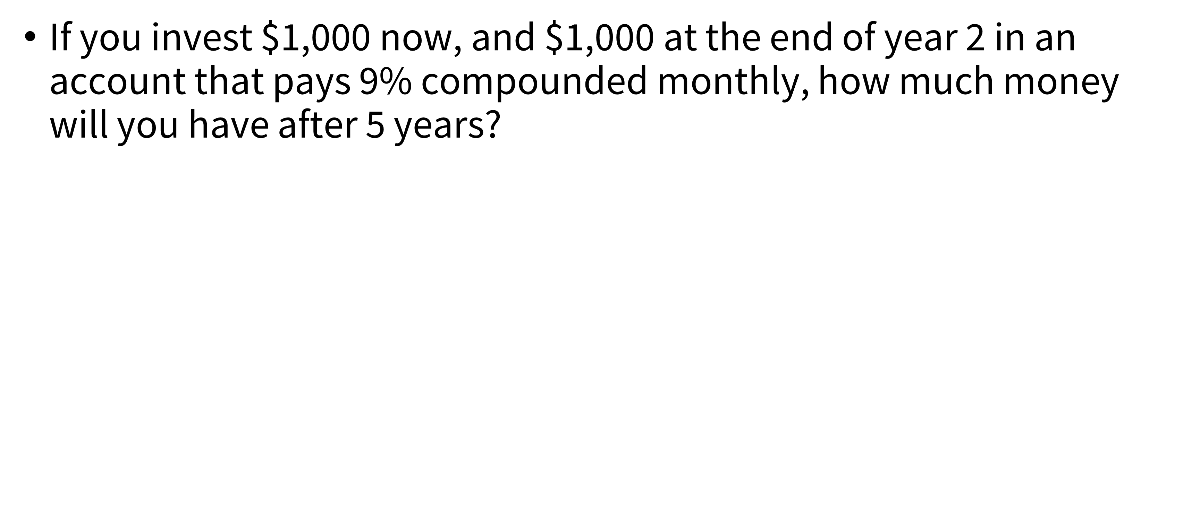
APR
Term
EAR

EOY | Cash Flow | FV_EOY5
0
1
2

XNPV
$$XNPV= \sum_{t=1}^{T}{\frac{{CF}_{t}}{{(1+r_{daily})}^{\left(d_{t}−d_{1}\right)}}}$$
Using Dates for Net Present Value Function (XNPV Function)

Discount Rate | 6% | Discount Rate | 6% | Daily Rate | 0.0160%

Date | Cash Flows | Date | Cash Flows | Day | Cash Flows | Present Value
2023-01-01 | -$85,000 | 2021-12-28 | -$10,000 |  | -$10,000
2023-12-31 | $0 | 2022-02-26 | $2,750 |  | $2,750
2024-12-31 | $21,000 | 2022-10-27 | $4,250 |  | $4,250
2025-12-31 | $30,000 | 2023-02-12 | $3,250 |  | $3,250
2026-12-31 | $42,000 | 2023-03-29 | $2,750 |  | $2,750
NPV |  | NPV |  |  | NPV

Example - Annuity Payout
Annuity Example: Lottery Payout

Lotto PV | $100,000,000
Discount Rate | 5% | $100,000,000

No. Periods | 20

Yearly Disbursements
 |  | 0 1 2 … 19 20 | payments

$A??
...
$A??
$A??

Example - Annuity
Annuity Example: Lottery

Rate | 10%
 |  |  | Finding Present Value using Cash Flow Structure
EOY | Payouts | Present Value | Present Value
0 | $500,000
1 | $500,000
2 | $500,000 |  | PV_brute force
3 | $500,000
4 | $500,000 |  | PV???
5 | $500,000
6 | $500,000 |  |  | ===
7 | $500,000
8 | $500,000 |  |  |  | 0 1 2 … 19 | payments
9 | $500,000
10 | $500,000
$500K
$500K
...
$500K
$500K
11 | $500,000
12 | $500,000
13 | $500,000
14 | $500,000
15 | $500,000
16 | $500,000
17 | $500,000
18 | $500,000
19 | $500,000

