Cover
Task:Append All Excel Tables in Excel Workbook

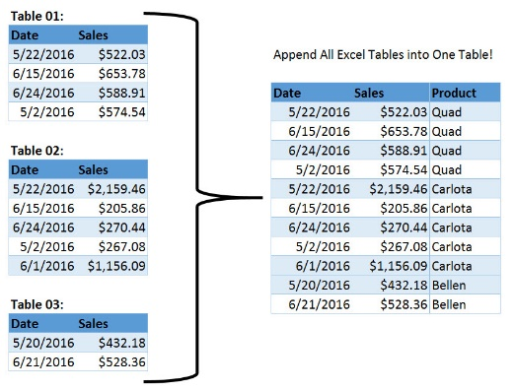
Microsoft Power Tools for Data Analysis
Power Query
Excel.CurrentWorkbook

 | Current Workbook
 | ALL Tables
 | Combine
 | 1 Table

