Bug report
Bug Report
Issue_ID | Description | Steps To Reproduce | Expected Result | Actual Result | Screenshot | Created By | Severity | Priority | Assigned To | Status | Date & Time
ID_01 | Invalid Email Address is allowed for Reset Password | 1. Launch "https://ui.freecrm.com/" 2. Click on "Forgot your password?" link. 3. Enter invalid Email address "automation@ggg.com" 4. Click on Reset password button. | We Should receive error message | Instead of getting any error message, received following text"Thank you. If this account is registered you will receive an email with a password reset link." | 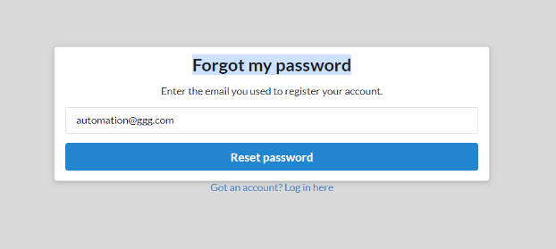 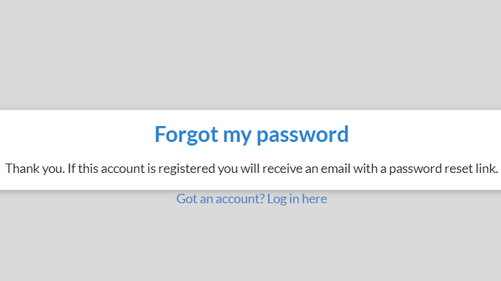 | Rabia | Low | Medium | Dev Representative | Open

Test Summary Report
No. of Test Cases Planned | No. of Test Cases Executed | Pass Test Cases | Fail Test Cases
11 | 9 | 8 | 1

Test cases Pass Vs Fail

