Sheet1
Problem:
From the following data:
X1 | 11 | 10 | 6 | 10 | 8 | 9 | 10 | 7 | 11 | 8
X2 | 60 | 67 | 53 | 56 | 64 | 57 | 71 | 58 | 67 | 57
X3 | 57 | 55 | 49 | 52 | 57 | 48 | 59 | 50 | 62 | 51

Determine all partial correlation coefficients, multiple correlation coefficients.

Working Expression:

Partial Correlation between the variable X1 , X2 and X3 is given by:

Patrial correlation between X1 and X2 keeping the X3 as controlling variable is given by:

Patrial correlation between X1 and X3 keeping the X2 as controlling variable is given by:

Patrial correlation between X2 and X3 keeping the X1 as controlling variable is given by:

Multiple Correlation between the variable X1 , X2 and X3 is given by:

Multiple Correlation of X1 on X2 and X3 is given by:

Multiple Correlation of X2 on X1 and X3 is given by:

Multiple Correlation of X3 on X1 and X2 is given by:

Where;

Calculation Using SPSS:

For the partial correlation:

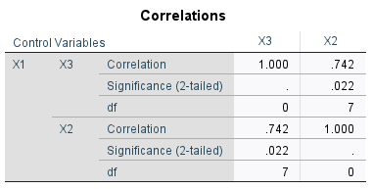

For the multiple correlation:



Conclusion:

For the partial correlation:
From the SPSS;

The partial correlation between X1 and X2 controlling X3 is |  |  |  |  |  | 0.015
The partial correlation between X1 and X3 controlling X2 is |  |  |  |  |  | 0.742
The partial correlation between X2 and X3 controlling X1 is |  |  |  |  |  | 0.447

For the multiple correlation:
From the SPSS;

The multiple correlation of X1 on X2 and X3 is |  |  |  |  | 0.683
The multiple correlation of X2 on X1 and X3 is |  |  |  |  | 0.837
The multiple correlation of X3 on X1 and X2 is |  |  |  |  | 0.872

