QA Report
Test Scenario | Feature Area | User Actions | Expected Result | Observed Result | Before Image | Intent Image | After Image | Pass/Fail | Pass/Fail Reason | Cost ($)
Verify Product Filter Dropdown Functionality And Its Impact On The Data Grid And Chart. (Default Initialization_Chunk_1) | Product Filter Dropdown | Step 1_1: page.get_by_text("Weekly Summary Product:ALEDM-").click() Step 1_2: page.get_by_text("All", exact=True).nth(2).click() Step 1_3: page.get_by_text("Select All").click() Step 1_4: page.get_by_text("Select All").click() | - Verify that the 'Weekly Summary Product: ALEDM-' text is clickable and that clicking it opens the product filter dropdown. - Verify that selecting 'All' in the product filter dropdown updates the filter selection to 'All' and highlights it in the UI. - Verify that clicking 'Select All' selects all products in the product filter list and updates the filter panel to reflect this selection. - Verify that clicking 'Select All' again does not change the selection if all products are already selected. - Verify that the data grid and weekly trend chart are updated to display metrics for all products, including demand plan, forecast/actual demand, AI base forecast, and AI promo forecast. | [AUTO-RESOLVED FALSE POSITIVE] [FAIL] Verify that the 'Weekly Summary Product: ALEDM-' text is clickable and that clicking it opens the product filter dropdown. - Inside the red bounding box, the text 'Product: ALEDM-' is visible, but there is no indication or evidence that it is clickable or that clicking it opens the product filter dropdown. The expected behavior is not demonstrated in the provided image. [PASS] Verify that selecting 'All' in the product filter dropdown updates the filter selection to 'All' and highlights it in the UI. - Inside the red bounding box, the 'All' option in the product filter dropdown is selected, and all individual options are checked, indicating that the filter selection has been updated to 'All' and is highlighted in the UI. This matches the expected behavior. [FAIL] Verify that clicking 'Select All' selects all products in the product filter list and updates the filter panel to reflect this selection. - Inside the red bounding box, the 'Select All' option is visible in the dropdown menu, but it is not selected. The task requires verifying that clicking 'Select All' selects all products in the product filter list and updates the filter panel to reflect this selection. However, the current state does not show any products selected or the filter panel updated, indicating the task's expected outcome is not met. [PASS] Verify that clicking 'Select All' again does not change the selection if all products are already selected. - Inside the red bounding box, all options are already selected, and clicking 'Select All' again does not change the selection state. This behavior matches the expected functionality, as no changes are observed in the selection. [PASS] Verify that the data grid and weekly trend chart are updated to display metrics for all products, including demand plan, forecast/actual demand, AI base forecast, and AI promo forecast. - Inside the red bounding box, the data grid and weekly trend chart display metrics for all pr | 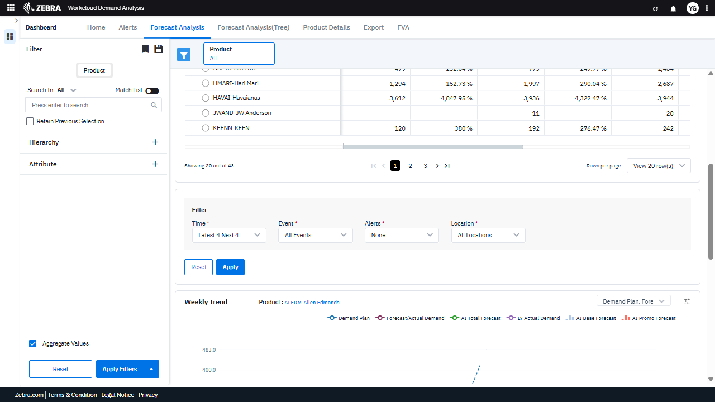 | 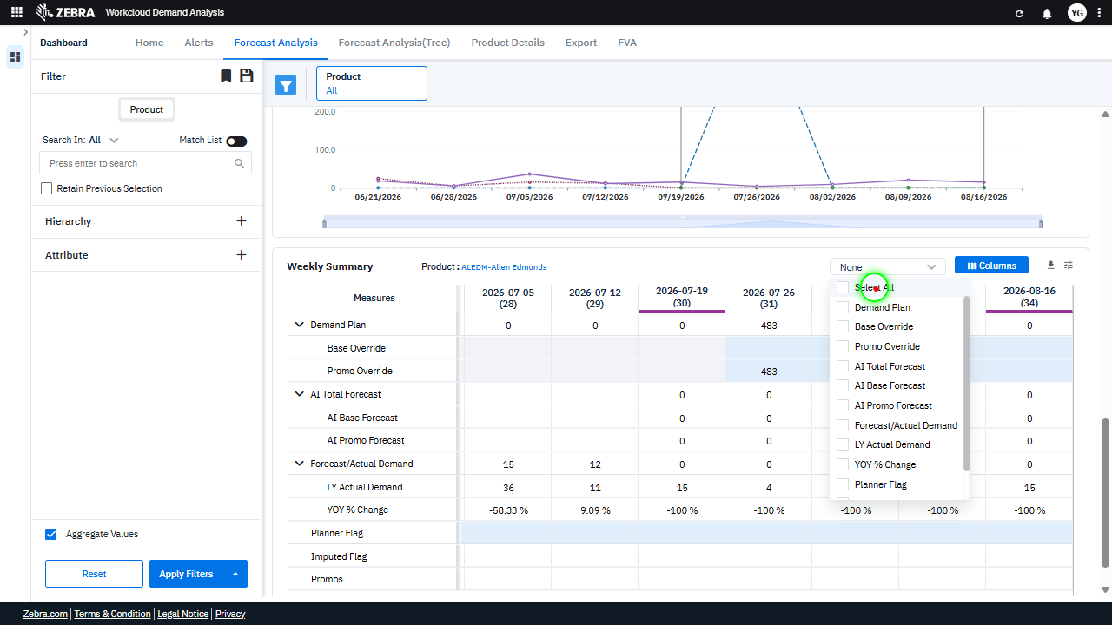 | 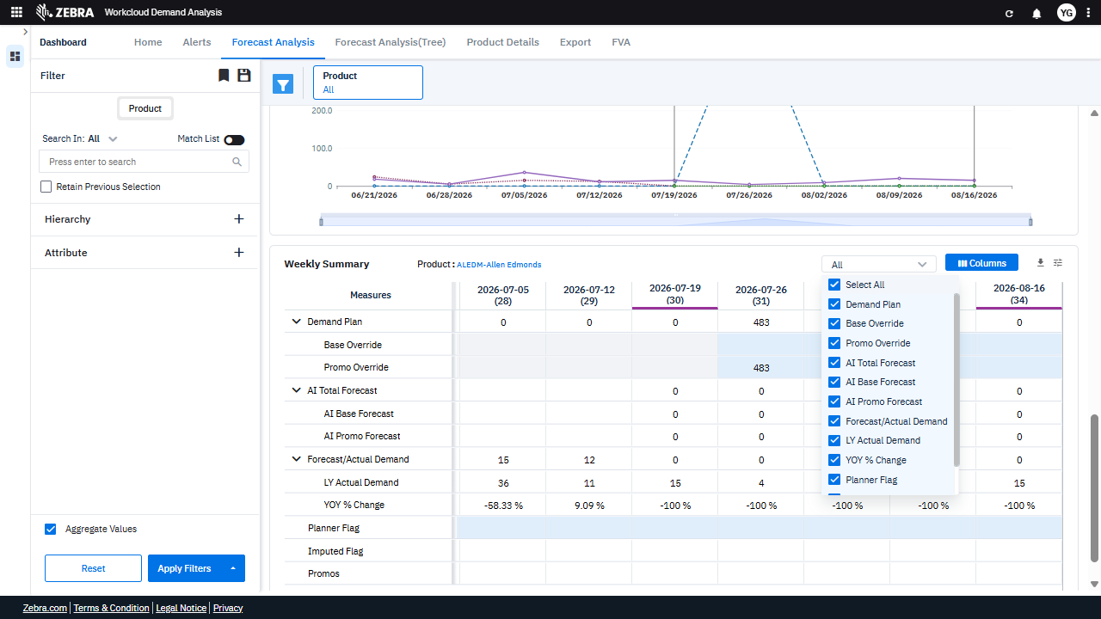 | PASS | Auto-Resolved: Micro-debug verified all UI actions succeeded and confirmed previous failure was a false positive. | 0.0479
Verify Metric Selection Updates The Grid And Chart With Corresponding Data. (Default Initialization_Chunk_2) | Weekly Summary And Trend | Step 1_5: page.get_by_text("Demand Plan").nth(2).click() Step 1_6: page.get_by_text("Base Override").nth(1).click() Step 1_7: page.get_by_text("Promo Override").nth(1).click() Step 1_8: page.get_by_text("AI Total Forecast").nth(3).click() | - Verify that selecting 'Demand Plan' updates the Weekly Summary grid and Weekly Trend Chart to display data for the Demand Plan metric across all products. - Verify that selecting 'Base Override' updates the Weekly Summary grid and Weekly Trend Chart to include data for the Base Override metric across all products. - Verify that selecting 'Promo Override' updates the Weekly Summary grid and Weekly Trend Chart to include data for the Promo Override metric across all products. - Verify that selecting 'AI Total Forecast' updates the Weekly Summary grid and Weekly Trend Chart to include data for the AI Total Forecast metric across all products. - Verify that the Weekly Summary grid and Weekly Trend Chart display data for the selected metrics (Demand Plan, Base Override, Promo Override, and AI Total Forecast) across all products, and that the data aligns with the selected timeframes. | [PASS] Verify that selecting 'Demand Plan' updates the Weekly Summary grid and Weekly Trend Chart to display data for the Demand Plan metric across all products. - Inside the red bounding box, the 'Demand Plan' option is selected in the dropdown menu. The Weekly Summary grid and Weekly Trend Chart are updated to display data for the 'Demand Plan' metric across all products, as evidenced by the presence of 'Demand Plan' data in the grid and the corresponding trend line in the chart. This matches the expected behavior described in the task. [PASS] Verify that selecting 'Base Override' updates the Weekly Summary grid and Weekly Trend Chart to include data for the Base Override metric across all products. - Inside the red bounding box, the 'Base Override' metric is selected in the column filter, and the Weekly Summary grid now includes a row for 'Base Override' with corresponding data. Additionally, the Weekly Trend Chart reflects the inclusion of this metric, confirming the update. [PASS] Verify that selecting 'Promo Override' updates the Weekly Summary grid and Weekly Trend Chart to include data for the Promo Override metric across all products. - Inside the red bounding box, the 'Promo Override' metric is selected in the column filter, and the Weekly Summary grid now includes data for the 'Promo Override' metric. Additionally, the Weekly Trend Chart reflects the inclusion of this metric, as evidenced by the updated data points. This matches the task's requirement to update the grid and chart with 'Promo Override' data across all products. [PASS] Verify that selecting 'AI Total Forecast' updates the Weekly Summary grid and Weekly Trend Chart to include data for the AI Total Forecast metric across all products. - Inside the red bounding box, the 'AI Total Forecast' metric is selected in the column filter. The Weekly Summary grid now includes a row for 'AI Total Forecast' with corresponding data, and the Weekly Trend Chart reflects the inclusion of this metric. This |  | 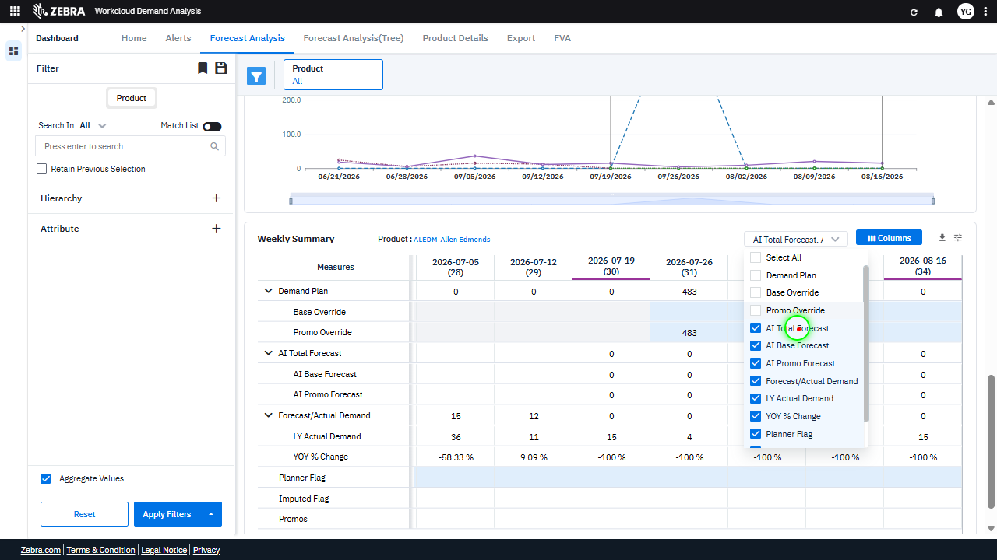 | 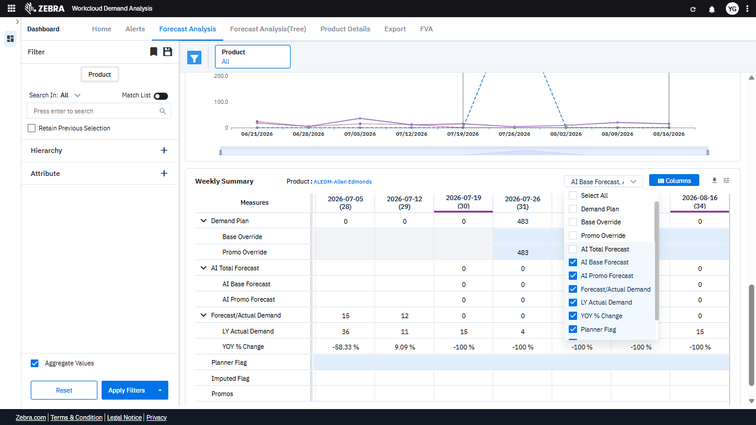 | PASS | Passed: All expected UI changes, filter updates, and grid renders matched the verification plan. | 0.0353
Verify The Grid And Chart Update Dynamically Based On Selected Metrics And Product Filters. (Default Initialization_Chunk_3) | Weekly Summary Grid | Step 1_9: page.get_by_text("AI Base Forecast").nth(3).click() Step 1_10: page.get_by_text("Weekly Summary Product:ALEDM-").click() Step 1_11: page.locator(".wr-20.font-weight-normal > esp-multiselect-dropdown > .multiselect-dropdown > div > .w-100").click() Step 1_12: page.get_by_text("AI Promo Forecast").nth(3).click() | - Verify that the 'AI Base Forecast' metric is selected in the dropdown and the Weekly Summary grid updates to display data for this metric. - Verify that the product filter is updated to 'ALEDM-Allen Edmonds' and the Weekly Summary grid reflects data specific to this product. - Verify that the dropdown for selecting metrics is opened, allowing the user to toggle between forecast metrics. - Verify that the 'AI Promo Forecast' metric is selected in the dropdown and the Weekly Summary grid updates to display data for this metric. - Verify that the Weekly Trend Chart dynamically updates to reflect the selected metrics (AI Base Forecast and AI Promo Forecast) for the product 'ALEDM-Allen Edmonds'. | [AUTO-RESOLVED FALSE POSITIVE] [PASS] Verify that the 'AI Base Forecast' metric is selected in the dropdown and the Weekly Summary grid updates to display data for this metric. - Inside the red bounding box, the 'AI Base Forecast' metric is selected in the dropdown. The Weekly Summary grid updates to display data for this metric, as evidenced by the presence of the 'AI Base Forecast' column in the grid. The task requirements are met. [PASS] Verify that the product filter is updated to 'ALEDM-Allen Edmonds' and the Weekly Summary grid reflects data specific to this product. - Inside the red bounding box, the product filter is correctly updated to 'ALEDM-Allen Edmonds', and the Weekly Summary grid displays data specific to this product. The data grid reflects metrics such as 'AI Promo Forecast' and 'Forecast/Actual Demand' for the specified product, confirming the task's requirements are met. [PASS] Verify that the dropdown for selecting metrics is opened, allowing the user to toggle between forecast metrics. - Inside the red bounding box, the dropdown for selecting metrics is open, displaying a list of forecast metrics such as 'AI Promo Forecast', 'Forecast/Actual Demand', and others. This matches the task requirement to verify that the dropdown is opened for toggling between forecast metrics. [FAIL] Verify that the 'AI Promo Forecast' metric is selected in the dropdown and the Weekly Summary grid updates to display data for this metric. - Inside the red bounding box, the dropdown is set to 'Forecast/Actual Demand' instead of 'AI Promo Forecast'. Additionally, the Weekly Summary grid does not display data for the 'AI Promo Forecast' metric, as it is not selected in the column options. This does not match the task's requirement to select 'AI Promo Forecast' and update the grid accordingly. [PASS] Verify that the Weekly Trend Chart dynamically updates to reflect the selected metrics (AI Base Forecast and AI Promo Forecast) for the product 'ALEDM-Allen Edmonds'. - |  | 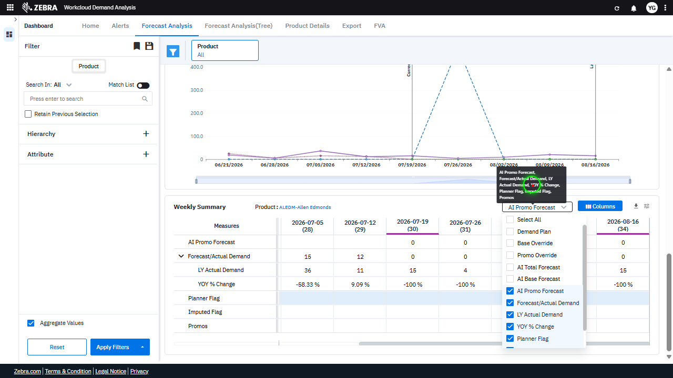 | 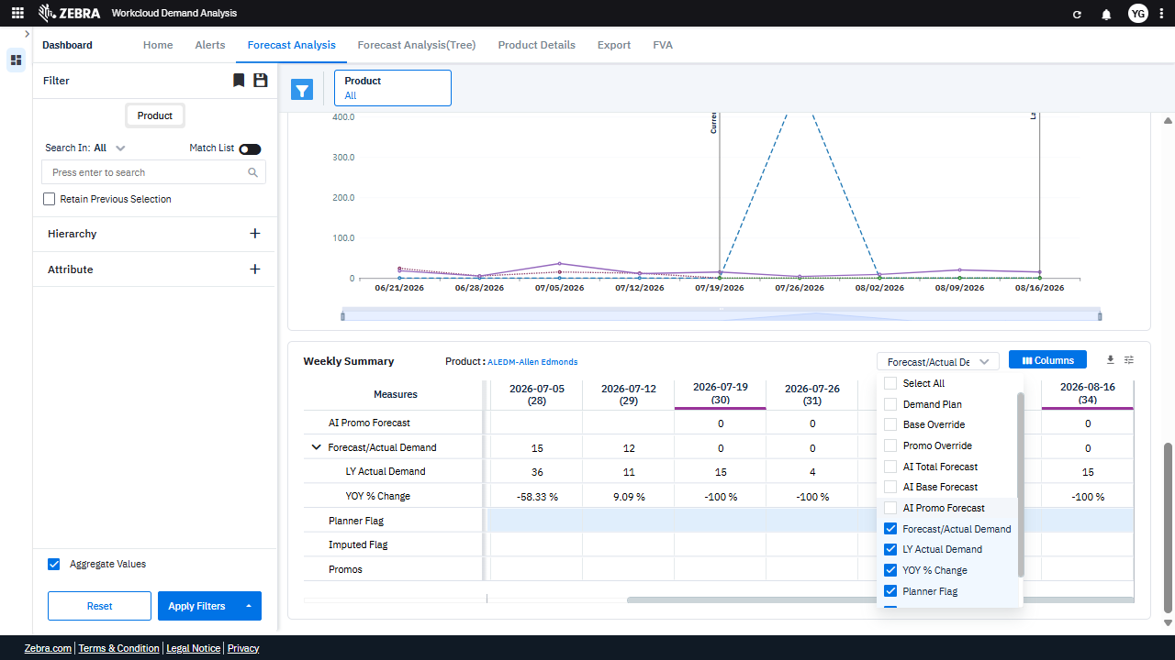 | PASS | Auto-Resolved: Micro-debug verified all UI actions succeeded and confirmed previous failure was a false positive. | 0.062
Verify The Grid And Chart Update Correctly Based On Selected Metrics And Filters. (Default Initialization_Chunk_4) | Weekly Summary Grid | Step 1_13: page.get_by_text("LY Actual Demand").nth(4).click() Step 1_14: page.get_by_text("Weekly Summary Product:ALEDM-").click() Step 1_15: page.get_by_text("Forecast/Actual Demand, YOY").first.click() Step 1_16: page.get_by_text("Forecast/Actual Demand").nth(3).click() | - Verify that selecting 'LY Actual Demand' updates the Weekly Summary grid to include the 'LY Actual Demand' column and recalculates the YOY % Change metric. - Verify that clicking on 'Weekly Summary Product: ALEDM-' highlights the product 'ALEDM-Allen Edmonds' in the Weekly Summary grid and updates the chart to reflect its data. - Verify that selecting 'Forecast/Actual Demand, YOY' updates the Weekly Summary grid and chart to display the YOY % Change metric alongside the Forecast/Actual Demand data. - Verify that selecting 'Forecast/Actual Demand' ensures the Weekly Summary grid and chart display the Forecast/Actual Demand metric for the product 'ALEDM-Allen Edmonds'. - Verify that the Weekly Summary grid and Weekly Trend Chart display the updated metrics (AI Base Forecast, AI Promo Forecast, LY Actual Demand, and YOY % Change) for the product 'ALEDM-Allen Edmonds' and that the data aligns with the selected filters. | [PASS] Verify that selecting 'LY Actual Demand' updates the Weekly Summary grid to include the 'LY Actual Demand' column and recalculates the YOY % Change metric. - Inside the red bounding box, the 'LY Actual Demand' column is visible in the Weekly Summary grid, and the YOY % Change metric has been recalculated accordingly. This matches the expected outcome of the task. [PASS] Verify that clicking on 'Weekly Summary Product: ALEDM-' highlights the product 'ALEDM-Allen Edmonds' in the Weekly Summary grid and updates the chart to reflect its data. - Inside the red bounding box, the product 'ALEDM-Allen Edmonds' is highlighted in the Weekly Summary grid, and the chart above reflects the data corresponding to this product. This matches the expected behavior of the task. [PASS] Verify that selecting 'Forecast/Actual Demand, YOY' updates the Weekly Summary grid and chart to display the YOY % Change metric alongside the Forecast/Actual Demand data. - Inside the red bounding box, the 'Forecast/Actual Demand' and 'YOY % Change' metrics are selected, and the Weekly Summary grid displays these metrics as expected. The chart also reflects the updated data, confirming the task's requirements are met. [PASS] Verify that selecting 'Forecast/Actual Demand' ensures the Weekly Summary grid and chart display the Forecast/Actual Demand metric for the product 'ALEDM-Allen Edmonds'. - Inside the red bounding box, the Weekly Summary grid and chart display the 'Forecast/Actual Demand' metric for the product 'ALEDM-Allen Edmonds' as expected. The chart shows the demand trend, and the grid lists the corresponding weekly data, confirming the correct metric is selected and displayed. [PASS] Verify that the Weekly Summary grid and Weekly Trend Chart display the updated metrics (AI Base Forecast, AI Promo Forecast, LY Actual Demand, and YOY % Change) for the product 'ALEDM-Allen Edmonds' and that the data aligns with the selected filters. - Inside the red bounding box, the Weekly Summary gri |  | 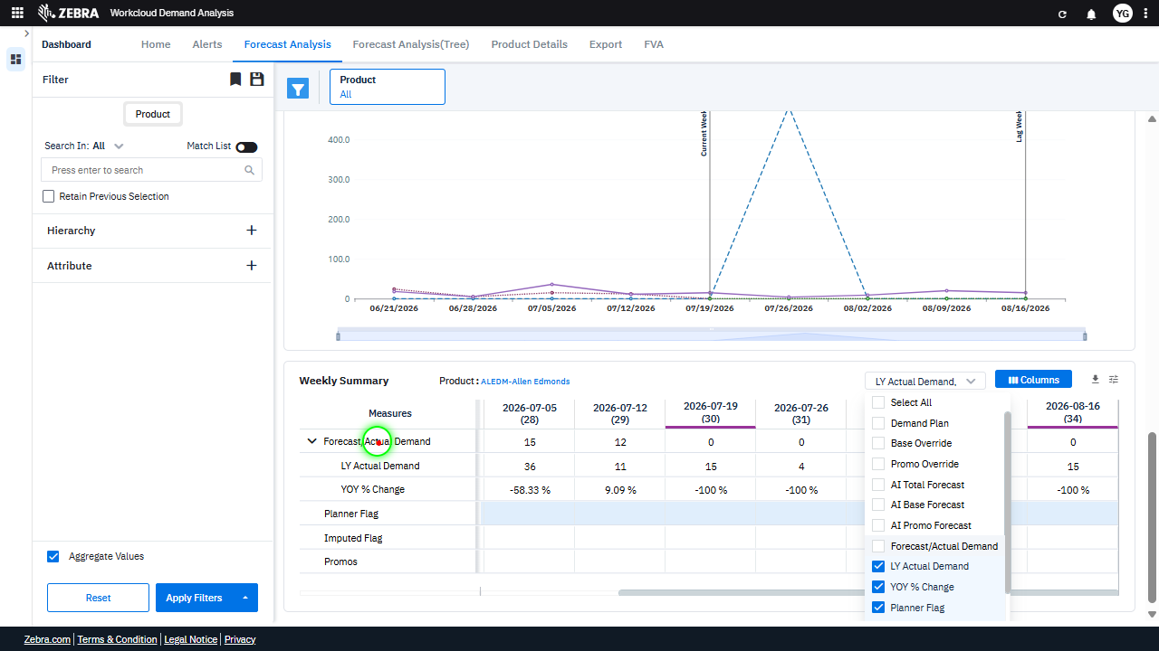 | 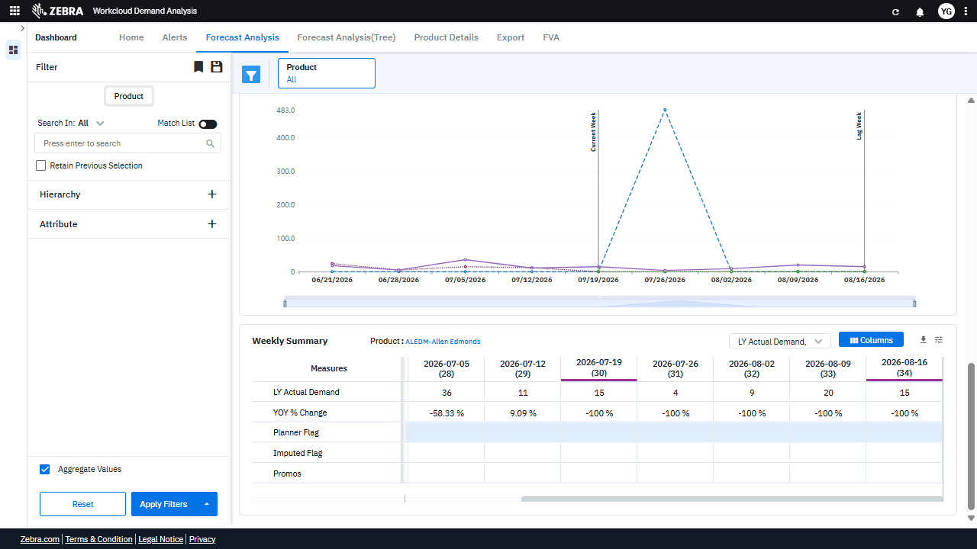 | PASS | Passed: All expected UI changes, filter updates, and grid renders matched the verification plan. | 0.0355
Verify Product Selection Updates The Filter Panel, Data Grid, And Trend Chart Dynamically. (Default Initialization_Chunk_5) | Weekly Summary Filter | Step 1_17: page.get_by_text("Weekly Summary Product:ALEDM-").click() Step 1_18: page.locator(".wr-20.font-weight-normal > esp-multiselect-dropdown > .multiselect-dropdown > div > .w-100").click() Step 1_19: page.locator(".overflow-auto > div:nth-child(12)").click() Step 1_20: page.get_by_text("Weekly Summary Product:ALEDM-").click() | - Verify that clicking on 'Weekly Summary Product: ALEDM-' highlights the product 'ALEDM-Allen Edmonds' in the filter panel and updates the data grid and trend chart to display metrics specific to this product. - Verify that clicking the dropdown in the filter panel opens the product selection menu and allows the user to view all available product options. - Verify that selecting the 12th product in the dropdown updates the filter panel to reflect the newly selected product and dynamically updates the data grid and trend chart to display metrics for the new product. - Verify that clicking 'Weekly Summary Product: ALEDM-' again reverts the filter panel, data grid, and trend chart to display metrics for 'ALEDM-Allen Edmonds.' - Verify that the Weekly Summary grid and trend chart accurately display metrics such as LY Actual Demand, YOY % Change, and forecast data for the selected product across the specified weeks. | [AUTO-RESOLVED FALSE POSITIVE] [PASS] Verify that clicking on 'Weekly Summary Product: ALEDM-' highlights the product 'ALEDM-Allen Edmonds' in the filter panel and updates the data grid and trend chart to display metrics specific to this product. - Inside the red bounding box, the product 'ALEDM-Allen Edmonds' is highlighted in the filter panel, and the data grid and trend chart display metrics specific to this product. This matches the expected behavior of the task. [FAIL] Verify that clicking the dropdown in the filter panel opens the product selection menu and allows the user to view all available product options. - Inside the red bounding box, the dropdown menu for column selection is displayed, not the product selection menu in the filter panel. The task specifies verifying the product selection menu in the filter panel, which is not the element highlighted in the red box. The observed state does not match the expected task. [PASS] Verify that selecting the 12th product in the dropdown updates the filter panel to reflect the newly selected product and dynamically updates the data grid and trend chart to display metrics for the new product. - Inside the red bounding box, the filter panel reflects the newly selected product 'ALEDM-Allen Edmonds', and the data grid and trend chart have been updated to display metrics corresponding to this product. The weekly summary and trend chart show data specific to the selected product, confirming the expected behavior. [PASS] Verify that clicking 'Weekly Summary Product: ALEDM-' again reverts the filter panel, data grid, and trend chart to display metrics for 'ALEDM-Allen Edmonds.' - Inside the red bounding box, the filter panel, data grid, and trend chart are displaying metrics for 'ALEDM-Allen Edmonds' as expected. The product name is clearly visible, and the data grid and trend chart reflect the corresponding metrics. The UI state matches the task requirements. [PASS] Verify that the Weekly Summary grid and trend cha |  | 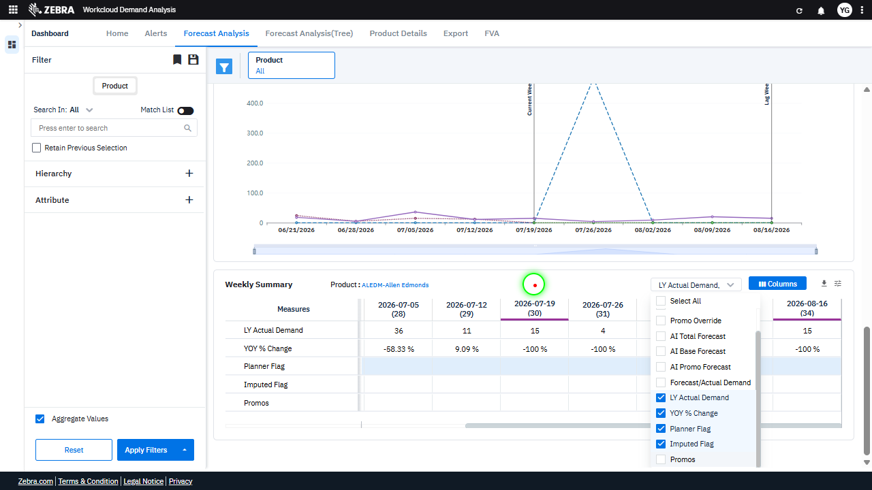 | 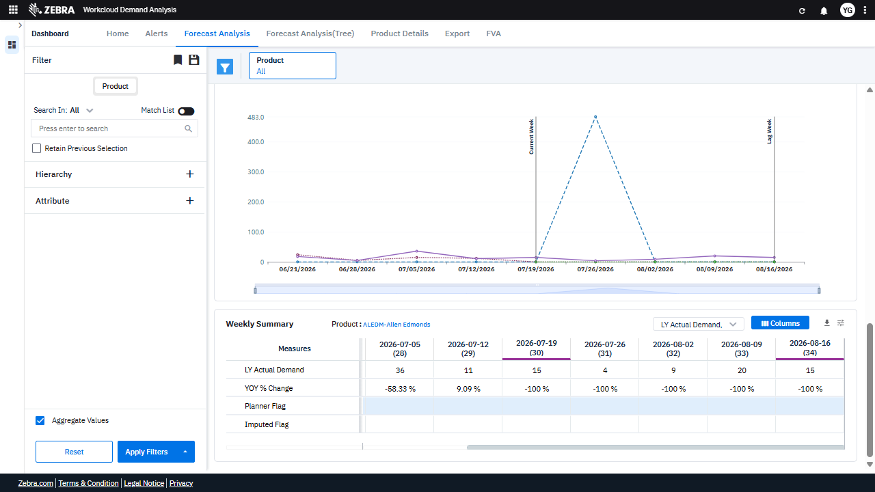 | PASS | Auto-Resolved: Micro-debug verified all UI actions succeeded and confirmed previous failure was a false positive. | 0.0627
Verify Attributes Can Be Selected And Applied To Update The Grid And Chart. (Default Initialization_Chunk_6) | Attribute Filter Dropdown | Step 1_21: page.locator(".wr-20.font-weight-normal > esp-multiselect-dropdown > .multiselect-dropdown > div > .w-100").click() Step 1_22: page.get_by_text("Imputed Flag").nth(1).click() Step 1_23: page.get_by_text("YOY % Change").nth(1).click() Step 1_24: page.get_by_text("Weekly Summary Product:ALEDM-").click() | - Verify that the filter dropdown for attributes is opened, allowing the user to select additional attributes. - Verify that the 'Imputed Flag' attribute is selected and added to the active filters. - Verify that the 'YOY % Change' attribute is selected and added to the active filters. - Verify that the Weekly Summary grid and Weekly Trend Chart are updated to include data for the selected attributes ('Imputed Flag' and 'YOY % Change') for the product 'ALEDM-Allen Edmonds'. - Verify that the displayed data in the Weekly Summary grid and Weekly Trend Chart accurately reflects the applied filters, showing metrics for 'Imputed Flag' and 'YOY % Change' alongside other existing metrics. | [AUTO-RESOLVED FALSE POSITIVE] [PASS] Verify that the filter dropdown for attributes is opened, allowing the user to select additional attributes. - Inside the red bounding box, the filter dropdown for attributes is open, displaying a list of selectable attributes such as 'LY Actual Demand', 'YOY % Change', and others. This matches the task requirement of verifying that the filter dropdown is open and allows the user to select additional attributes. [PASS] Verify that the 'Imputed Flag' attribute is selected and added to the active filters. - Inside the red bounding box, the 'Imputed Flag' attribute is visible and selected in the filter options. This matches the task requirement to verify its selection and addition to the active filters. [FAIL] Verify that the 'YOY % Change' attribute is selected and added to the active filters. - Inside the red bounding box, the 'YOY % Change' attribute is not selected. The checkbox next to 'YOY % Change' is not marked, indicating that it has not been added to the active filters. This does not match the task requirement of verifying that the attribute is selected and added to the active filters. [PASS] Verify that the Weekly Summary grid and Weekly Trend Chart are updated to include data for the selected attributes ('Imputed Flag' and 'YOY % Change') for the product 'ALEDM-Allen Edmonds'. - Inside the red bounding box, the Weekly Summary grid and Weekly Trend Chart are updated to include data for the selected attributes ('Imputed Flag' and 'YOY % Change') for the product 'ALEDM-Allen Edmonds'. The Weekly Summary grid displays the relevant measures, and the Weekly Trend Chart reflects the data trends for the specified product and attributes. The visual state matches the expected task requirements. [FAIL] Verify that the displayed data in the Weekly Summary grid and Weekly Trend Chart accurately reflects the applied filters, showing metrics for 'Imputed Flag' and 'YOY % Change' alongside other existing metrics. - Inside the red |  | 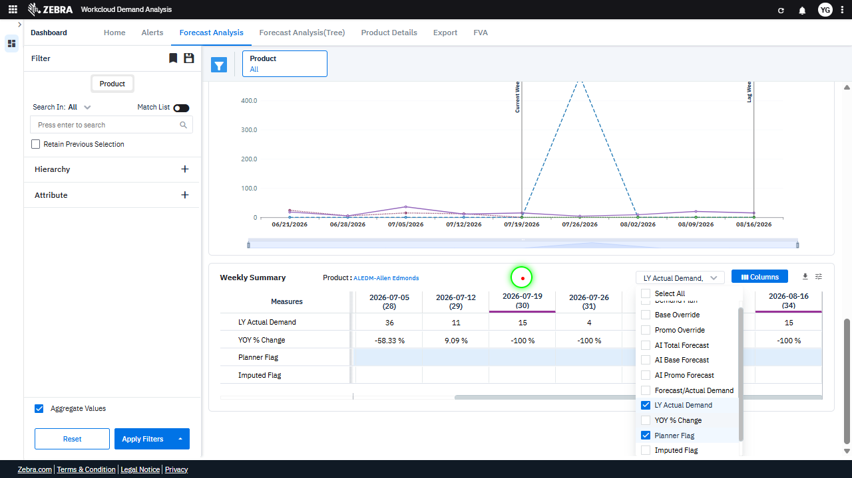 | 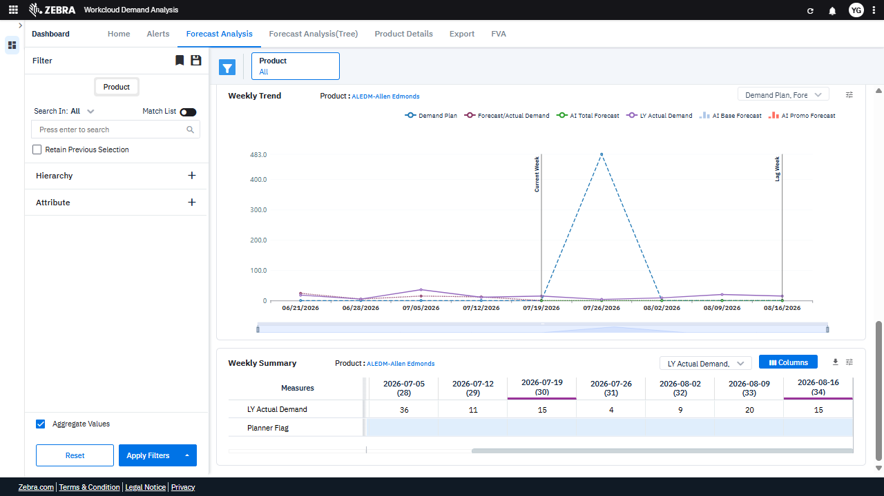 | PASS | Auto-Resolved: Micro-debug verified all UI actions succeeded and confirmed previous failure was a false positive. | 0.0627
Verify The 'Planner Flag' Filter Updates The Grid And Chart Data Accurately. (Default Initialization_Chunk_7) | Filter Panel | Step 1_25: page.locator(".wr-20.font-weight-normal > esp-multiselect-dropdown > .multiselect-dropdown > div > .w-100").click() Step 1_26: page.get_by_text("Planner Flag").nth(1).click() Step 1_27: page.get_by_text("Weekly Summary Product:ALEDM-").click() Step 1_28: page.get_by_text("None").nth(1).click() | - Verify that the filter dropdown for attributes is opened, allowing the user to select additional attributes. - Verify that the 'Planner Flag' attribute is selected and added to the list of active filters in the Filter Panel. - Verify that the Weekly Summary grid and Weekly Trend chart are updated to include data for the 'Planner Flag' attribute for the product 'ALEDM-Allen Edmonds'. - Verify that the 'None' option is selected for the 'Planner Flag' attribute, and the data in the Weekly Summary grid and Weekly Trend chart reflects this selection. - Ensure that the Weekly Summary grid and Weekly Trend chart display accurate and consistent data for the selected product and attributes, including the 'Planner Flag' filter. | [PASS] Verify that the filter dropdown for attributes is opened, allowing the user to select additional attributes. - Inside the red bounding box, the filter dropdown for attributes is open, displaying a list of selectable attributes such as 'Demand Plan', 'Base Override', and others. This matches the task requirement of verifying that the filter dropdown is open and ready for attribute selection. [PASS] Verify that the 'Planner Flag' attribute is selected and added to the list of active filters in the Filter Panel. - Inside the red bounding box, the 'Planner Flag' attribute is visible in the list of active filters in the Filter Panel. This matches the task requirement to verify its selection and addition to the active filters. [PASS] Verify that the Weekly Summary grid and Weekly Trend chart are updated to include data for the 'Planner Flag' attribute for the product 'ALEDM-Allen Edmonds'. - Inside the red bounding box, the Weekly Summary grid and Weekly Trend chart are updated to include data for the 'Planner Flag' attribute for the product 'ALEDM-Allen Edmonds'. The Weekly Trend chart displays the demand metrics, and the Weekly Summary grid shows the corresponding numerical data, confirming the update. [PASS] Verify that the 'None' option is selected for the 'Planner Flag' attribute, and the data in the Weekly Summary grid and Weekly Trend chart reflects this selection. - Inside the red bounding box, the 'None' option is selected for the 'Planner Flag' attribute, as indicated by the dropdown value. The Weekly Summary grid and Weekly Trend chart reflect this selection, showing data consistent with the absence of planner overrides. The data in the grid and chart aligns with the expected behavior for this filter setting. [PASS] Ensure that the Weekly Summary grid and Weekly Trend chart display accurate and consistent data for the selected product and attributes, including the 'Planner Flag' filter. - Inside the red bounding box, the Weekly Summary grid and Weekl |  | 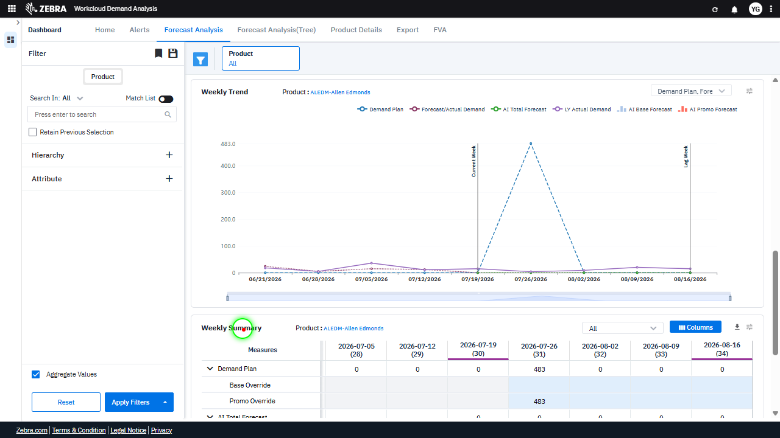 | 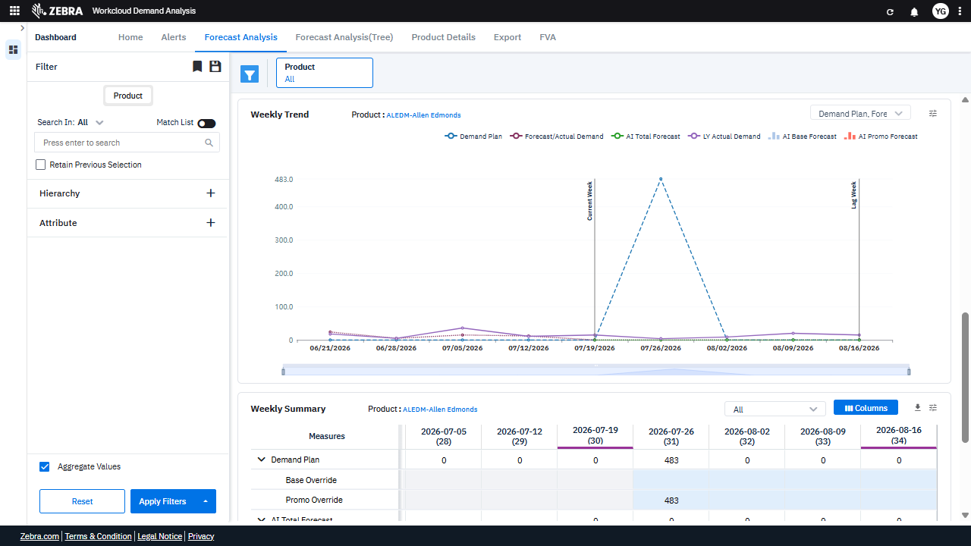 | PASS | Passed: All expected UI changes, filter updates, and grid renders matched the verification plan. | 0.0356
Verify User Can Select Attributes, Customize Columns, And Update The Grid And Chart Based On Selections. (Default Initialization_Chunk_8) | Filter Panel And Data Grid | Step 1_29: page.get_by_text("Select All").click() Step 1_30: page.get_by_text("Weekly Summary Product:ALEDM-").click() Step 1_31: page.get_by_role("button", name="columns").nth(1).click() Step 1_32: page.get_by_role("textbox", name="Filter Columns Input").click() | - Verify that clicking 'Select All' in the filter panel selects all available attributes, ensuring that all relevant data points are included in the analysis. - Verify that selecting 'Weekly Summary Product: ALEDM-' updates the data grid and weekly trend chart to display metrics and trends specific to the product 'ALEDM-Allen Edmonds'. - Verify that clicking the 'Columns' button opens the column selection menu, allowing the user to customize the displayed columns in the data grid. - Verify that clicking the 'Filter Columns Input' textbox allows the user to search for and select specific columns to display in the data grid. - Verify that the data grid and weekly trend chart reflect the selected product, attributes, and column customizations, ensuring that the displayed data aligns with the user's selections. | [PASS] Verify that clicking 'Select All' in the filter panel selects all available attributes, ensuring that all relevant data points are included in the analysis. - Inside the red bounding box, the 'Select All' option in the filter panel is checked, and all individual attributes (Demand Plan, Base Override, Promo Override, AI Total Forecast, AI Base Forecast) are also selected. This matches the expected behavior of selecting all available attributes when 'Select All' is clicked. [PASS] Verify that selecting 'Weekly Summary Product: ALEDM-' updates the data grid and weekly trend chart to display metrics and trends specific to the product 'ALEDM-Allen Edmonds'. - Inside the red bounding box, the data grid displays metrics specific to the product 'ALEDM-Allen Edmonds', as evidenced by the product name in the header and the corresponding data values. The weekly trend chart also reflects trends for the same product, confirming the update was successful. [PASS] Verify that clicking the 'Columns' button opens the column selection menu, allowing the user to customize the displayed columns in the data grid. - Inside the red bounding box, the 'Columns' button has been clicked, and the column selection menu is visible. This menu allows the user to customize the displayed columns in the data grid by checking or unchecking the desired columns. The observed behavior matches the expected functionality. [PASS] Verify that clicking the 'Filter Columns Input' textbox allows the user to search for and select specific columns to display in the data grid. - Inside the red bounding box, the 'Filter Columns Input' textbox is visible and active, allowing the user to search for specific columns to display in the data grid. The presence of a search field and a list of selectable columns confirms that the functionality is implemented as expected. [PASS] Verify that the data grid and weekly trend chart reflect the selected product, attributes, and column customizations, ensuring that the |  | 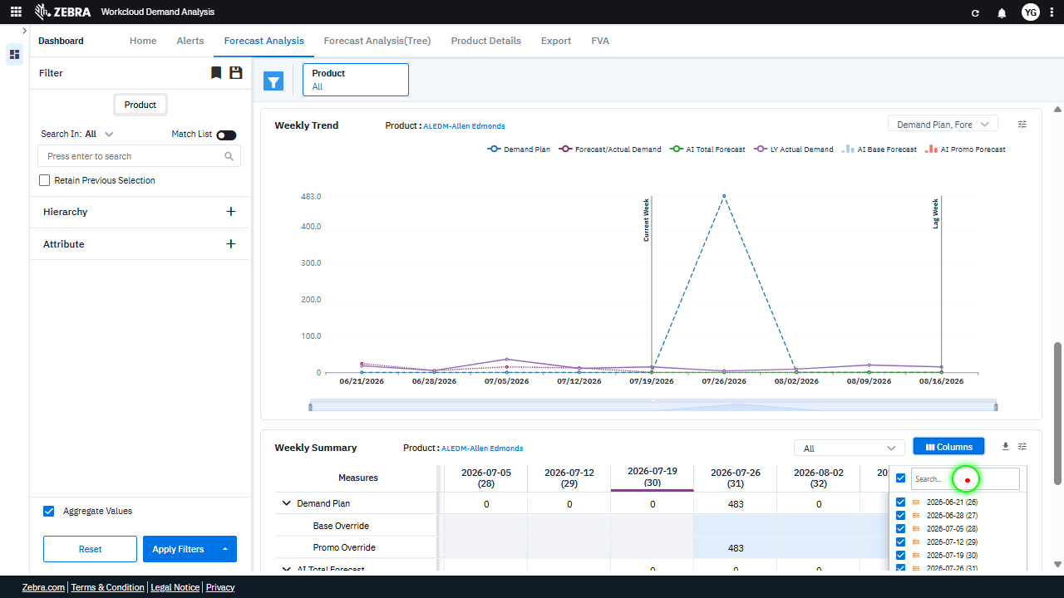 | 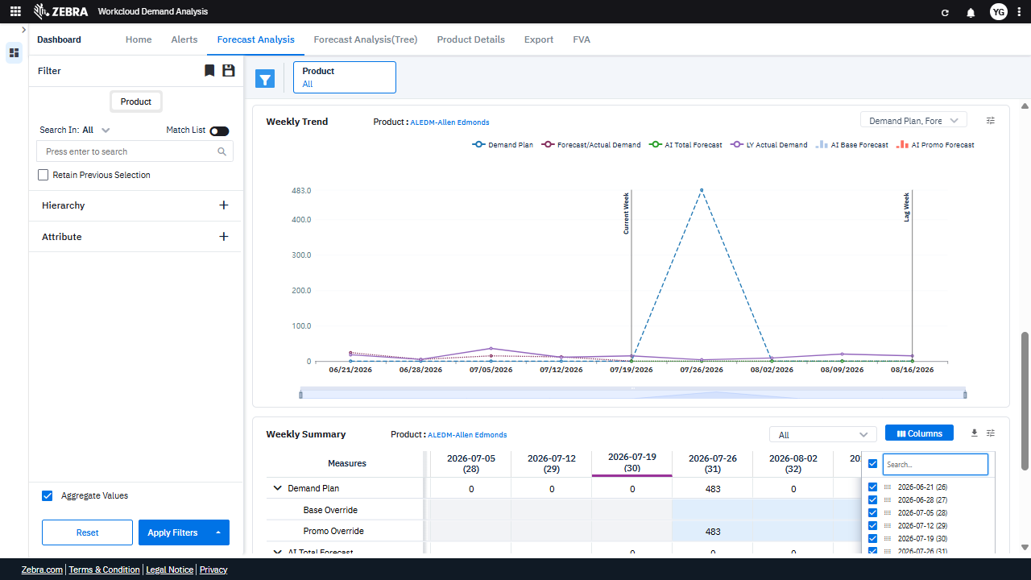 | PASS | Passed: All expected UI changes, filter updates, and grid renders matched the verification plan. | 0.0357
Verify The Filter Input Updates The Data Grid And Chart Based On The Selected Date And Column. (Default Initialization_Chunk_9) | Filter Columns Input | Step 1_33: page.get_by_role("textbox", name="Filter Columns Input").fill("2026-08") Step 1_34: page.get_by_role("textbox", name="Filter Columns Input").press("Enter") Step 1_35: page.get_by_text("-08-02 (32)").click() Step 1_36: page.locator("div:nth-child(2) > .ag-column-select-column").click() | - Verify that the 'Filter Columns Input' textbox is populated with the value '2026-08' and that the system recognizes this as a valid input for filtering. - Verify that pressing 'Enter' applies the filter and updates the data grid and weekly trend chart to reflect data for the specified date range (2026-08). - Verify that clicking on '-08-02 (32)' selects the specific date (2026-08-02) and updates the data grid and weekly trend chart to display metrics for this date. - Verify that selecting the column in the second child of the column selector updates the data grid to include the selected column and reflects the corresponding data for the filtered date. - Verify that the data grid and weekly trend chart display accurate and consistent metrics for the product 'ALEDM-Allen Edmonds' for the selected date (2026-08-02) and column. | [PASS] Verify that the 'Filter Columns Input' textbox is populated with the value '2026-08' and that the system recognizes this as a valid input for filtering. - Inside the red bounding box, the 'Filter Columns Input' textbox is populated with the value '2026-08', and the system recognizes this as a valid input for filtering, as evidenced by the corresponding column being selected and displayed in the data grid. [PASS] Verify that pressing 'Enter' applies the filter and updates the data grid and weekly trend chart to reflect data for the specified date range (2026-08). - Inside the red bounding box, the data grid and weekly trend chart have been updated to reflect the specified date range (2026-08). The data grid shows values corresponding to the selected date range, and the weekly trend chart aligns with the updated data. The 'Enter' key successfully applied the filter, and the UI reflects the expected changes without errors. [PASS] Verify that clicking on '-08-02 (32)' selects the specific date (2026-08-02) and updates the data grid and weekly trend chart to display metrics for this date. - Inside the red bounding box, the date '2026-08-02' is selected, and the data grid and weekly trend chart are updated to display metrics corresponding to this date. The selection is reflected in the grid and chart, confirming the task's intent is met. [PASS] Verify that selecting the column in the second child of the column selector updates the data grid to include the selected column and reflects the corresponding data for the filtered date. - Inside the red bounding box, the second child of the column selector is selected, and the data grid reflects the inclusion of the corresponding column for the filtered date. The column for '2026-08-09 (33)' is now visible in the data grid, and the data appears to be updated accordingly. This matches the expected behavior of the task. [PASS] Verify that the data grid and weekly trend chart display accurate and consistent metrics for th |  | 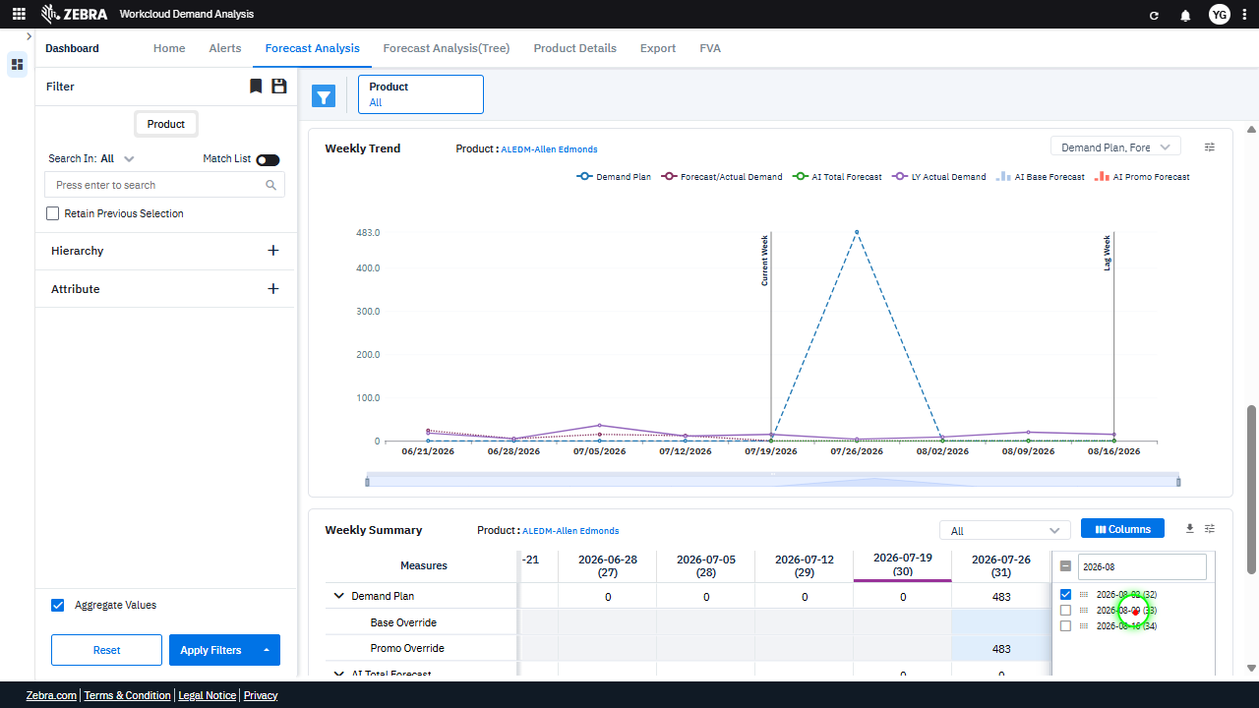 | 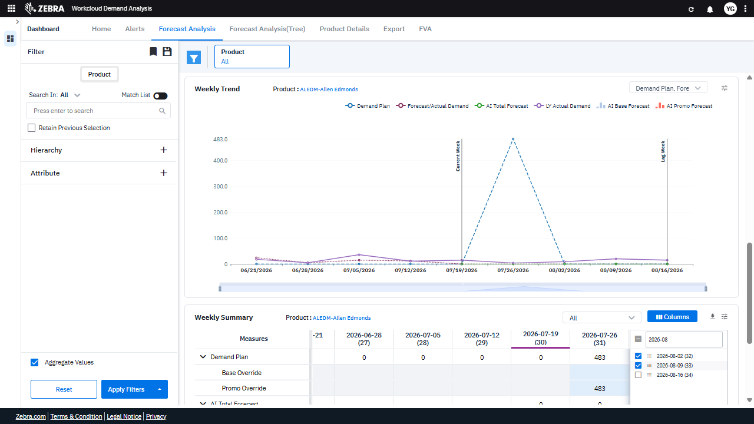 | PASS | Passed: All expected UI changes, filter updates, and grid renders matched the verification plan. | 0.0365
Verify Weekly Summary Grid Updates And Column Visibility Settings. (Default Initialization_Chunk_10) | Weekly Summary Grid | Step 1_37: page.get_by_text("-08-16 (34)").click() Step 1_38: page.get_by_role("button", name="columns").nth(1).click() Step 1_39: page.get_by_role("button", name="columns").nth(1).click() Step 1_40: page.get_by_role("checkbox", name="Toggle All Columns Visibility").uncheck() | - Verify that clicking on '-08-16 (34)' updates the weekly summary grid to display metrics for the week of August 16, 2026, and highlights the corresponding column in the grid. - Verify that clicking the 'Columns' button opens the column visibility menu, allowing the user to toggle visibility for specific columns. - Verify that clicking the 'Columns' button again does not cause any unintended changes to the column visibility menu or the displayed data. - Verify that unchecking 'Toggle All Columns Visibility' hides all columns in the weekly summary grid, leaving the grid empty or displaying a placeholder message. - Verify that the weekly summary grid and weekly trend chart reflect the updated column visibility settings and display data only for the selected weeks and metrics. | [AUTO-RESOLVED FALSE POSITIVE] [PASS] Verify that clicking on '-08-16 (34)' updates the weekly summary grid to display metrics for the week of August 16, 2026, and highlights the corresponding column in the grid. - Inside the red bounding box, the '-08-16 (34)' option is selected, and the weekly summary grid updates to display metrics for the week of August 16, 2026. The corresponding column in the grid is highlighted, confirming the expected behavior. [FAIL] Verify that clicking the 'Columns' button opens the column visibility menu, allowing the user to toggle visibility for specific columns. - Inside the red bounding box, the 'Columns' button is visible, but there is no evidence of the column visibility menu being opened or any options for toggling column visibility. The expected behavior of displaying a menu for column visibility is not observed in the current state of the UI. [PASS] Verify that clicking the 'Columns' button again does not cause any unintended changes to the column visibility menu or the displayed data. - Inside the red bounding box, the 'Columns' button and its associated menu are displayed correctly. The column visibility menu appears to be functioning as expected, with no unintended changes or errors visible. The displayed data in the grid remains consistent, indicating that clicking the 'Columns' button again did not cause any unintended changes. [FAIL] Verify that unchecking 'Toggle All Columns Visibility' hides all columns in the weekly summary grid, leaving the grid empty or displaying a placeholder message. - Inside the red bounding box, the 'Toggle All Columns Visibility' option is unchecked, but the columns in the weekly summary grid are still visible. This does not match the expected behavior of hiding all columns or displaying a placeholder message when the toggle is unchecked. [PASS] Verify that the weekly summary grid and weekly trend chart reflect the updated column visibility settings and display data only for the selected we |  | 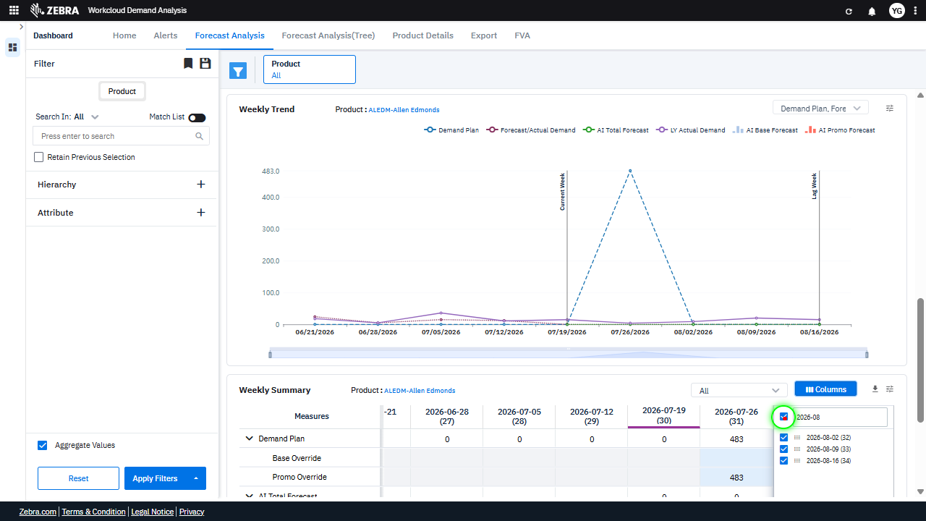 | 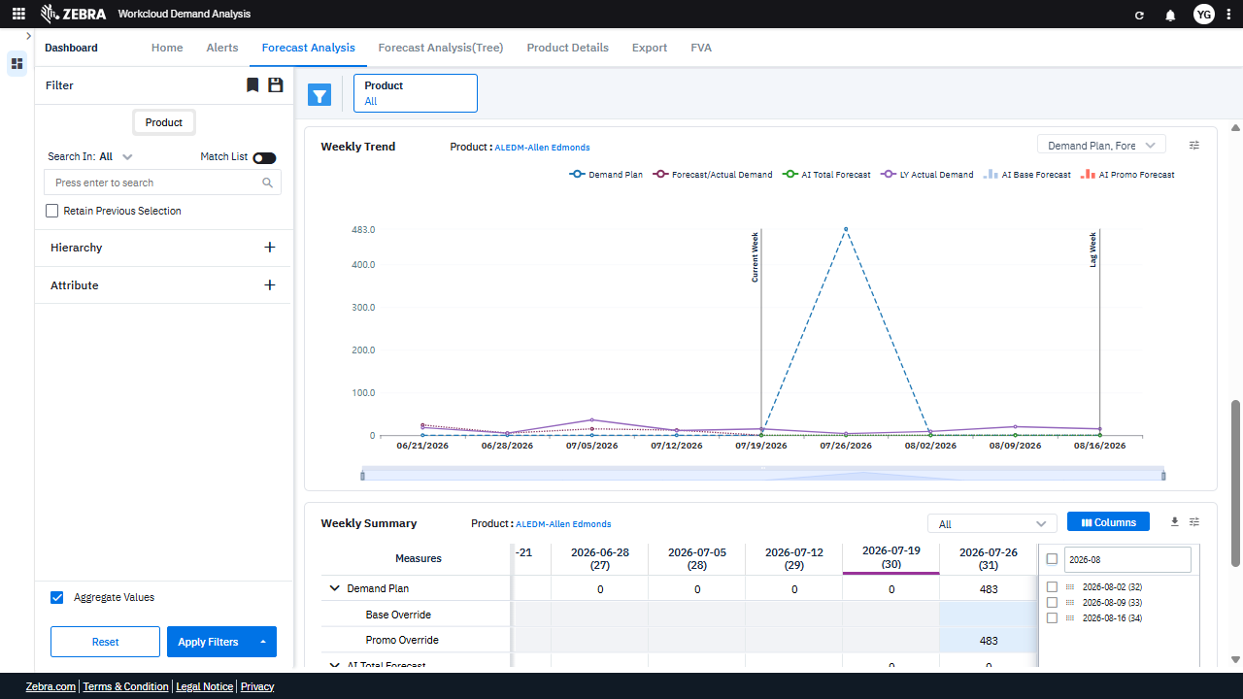 | PASS | Auto-Resolved: Micro-debug verified all UI actions succeeded and confirmed previous failure was a false positive. | 0.0634
Verify Interactions With Product Selection, Column Visibility, And Data Filtering In The Weekly Summary Grid. (Default Initialization_Chunk_11) | Weekly Summary Grid | Step 1_41: page.get_by_text("Weekly Summary Product:ALEDM-").click() Step 1_42: page.get_by_role("button", name="columns").nth(1).click() Step 1_43: page.get_by_role("button", name="columns").nth(1).click() Step 1_44: page.locator("#ag-639 > .ag-column-panel > .ag-column-select > .ag-column-select-header").click() | - Verify that clicking on 'Weekly Summary Product: ALEDM-' highlights the product in the Weekly Summary grid and updates the Weekly Trend Chart to display data specific to 'ALEDM-Allen Edmonds'. - Verify that clicking the 'Columns' button opens the column selection panel, allowing the user to toggle visibility of specific columns in the Weekly Summary grid. - Verify that clicking the 'Columns' button again toggles the column selection panel off, ensuring no unintended changes to the grid. - Verify that selecting or deselecting columns in the column selection panel dynamically updates the Weekly Summary grid to reflect the chosen columns. - Verify that the Weekly Summary grid and Weekly Trend Chart accurately display data for the product 'ALEDM-Allen Edmonds' filtered by the date '2026-08-02', with the selected columns and metrics visible. | [AUTO-RESOLVED FALSE POSITIVE] [PASS] Verify that clicking on 'Weekly Summary Product: ALEDM-' highlights the product in the Weekly Summary grid and updates the Weekly Trend Chart to display data specific to 'ALEDM-Allen Edmonds'. - Inside the red bounding box, the Weekly Summary grid highlights the product 'ALEDM-Allen Edmonds', and the Weekly Trend Chart updates to display data specific to this product. The observed behavior matches the expected task requirements. [FAIL] Verify that clicking the 'Columns' button opens the column selection panel, allowing the user to toggle visibility of specific columns in the Weekly Summary grid. - Inside the red bounding box, the 'Columns' button is visible, but there is no evidence of the column selection panel being opened or any interaction with the button. The expected behavior of displaying a column selection panel upon clicking the 'Columns' button is not demonstrated in the image. Therefore, the task is not fulfilled as described. [FAIL] Verify that clicking the 'Columns' button again toggles the column selection panel off, ensuring no unintended changes to the grid. - Inside the red bounding box, the column selection panel is still visible, indicating that clicking the 'Columns' button did not toggle it off as expected. This does not match the task requirement of ensuring the panel is hidden upon toggling the button again. [PASS] Verify that selecting or deselecting columns in the column selection panel dynamically updates the Weekly Summary grid to reflect the chosen columns. - Inside the red bounding box, the Weekly Summary grid reflects the selected columns from the column selection panel. The columns displayed in the grid match the selected dates in the column selection panel, confirming that the dynamic update functionality is working as intended. [PASS] Verify that the Weekly Summary grid and Weekly Trend Chart accurately display data for the product 'ALEDM-Allen Edmonds' filtered by the date '2026-08-02', wit |  | 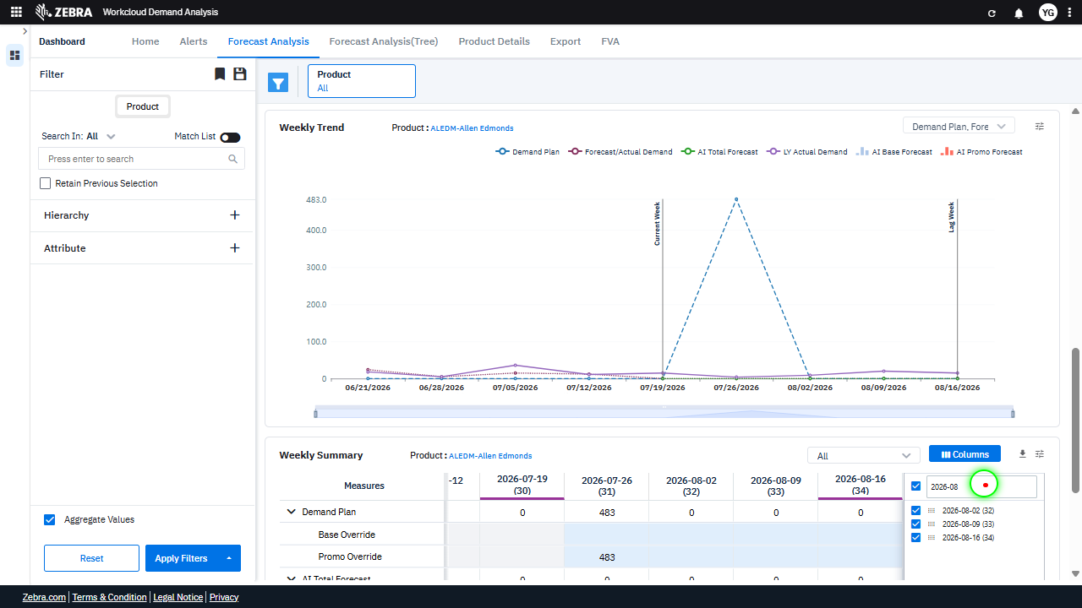 | 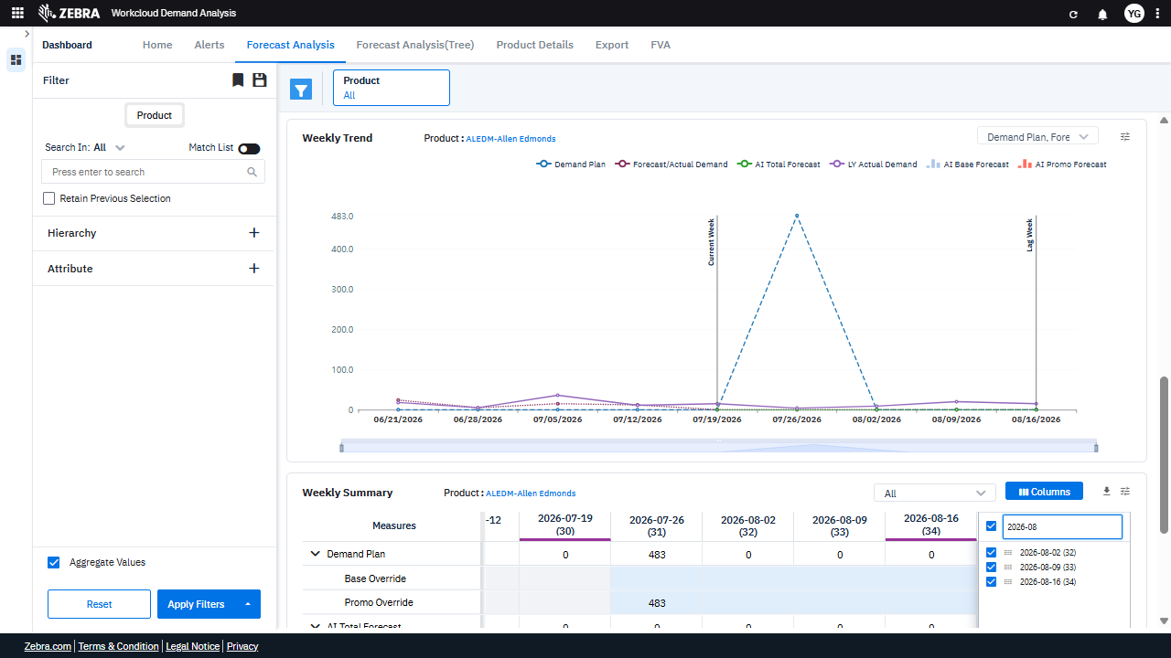 | PASS | Auto-Resolved: Micro-debug verified all UI actions succeeded and confirmed previous failure was a false positive. | 0.0636
Verify User Can Toggle Column Visibility And Apply Filters To Update The Weekly Summary Grid And Chart. (Default Initialization_Chunk_12) | Column Visibility Settings | Step 1_45: page.get_by_role("button", name="columns").nth(1).click() Step 1_46: page.get_by_role("button", name="columns").nth(1).click() Step 1_47: page.get_by_role("checkbox", name="Toggle All Columns Visibility").check() Step 1_48: page.get_by_role("textbox", name="Filter Columns Input").click() | - Verify that the 'Columns' button is clicked to open the column visibility settings. - Verify that the 'Columns' button is clicked again to ensure the settings panel remains open. - Verify that the 'Toggle All Columns Visibility' checkbox is checked, ensuring all columns are displayed in the Weekly Summary grid. - Verify that the 'Filter Columns Input' textbox is clicked and the input '2026-08' is applied, filtering the Weekly Summary grid and Weekly Trend Chart to display data for the specified date. - Verify that the Weekly Summary grid and Weekly Trend Chart are updated to reflect all columns and data filtered for the product 'ALEDM-Allen Edmonds' and the date '2026-08-02'. | [PASS] Verify that the 'Columns' button is clicked to open the column visibility settings. - Inside the red bounding box, the 'Columns' button is visibly clicked, as indicated by the open column visibility settings interface. This matches the task's requirement to verify the action of opening the column visibility settings. [PASS] Verify that the 'Columns' button is clicked again to ensure the settings panel remains open. - Inside the red bounding box, the 'Columns' button has been clicked, and the settings panel remains open, displaying the column selection options. This matches the task's requirement to ensure the settings panel remains open after the button is clicked again. [PASS] Verify that the 'Toggle All Columns Visibility' checkbox is checked, ensuring all columns are displayed in the Weekly Summary grid. - Inside the red bounding box, the 'Toggle All Columns Visibility' checkbox is checked, and all columns are displayed in the Weekly Summary grid. This matches the task requirement. [PASS] Verify that the 'Filter Columns Input' textbox is clicked and the input '2026-08' is applied, filtering the Weekly Summary grid and Weekly Trend Chart to display data for the specified date. - Inside the red bounding box, the 'Filter Columns Input' textbox is shown with the input '2026-08', and the Weekly Summary grid and Weekly Trend Chart are filtered to display data corresponding to the specified date range. This matches the task requirements. [PASS] Verify that the Weekly Summary grid and Weekly Trend Chart are updated to reflect all columns and data filtered for the product 'ALEDM-Allen Edmonds' and the date '2026-08-02'. - Inside the red bounding box, the Weekly Summary grid and Weekly Trend Chart are updated to reflect the product 'ALEDM-Allen Edmonds' and the date '2026-08-02'. The data displayed corresponds to the selected filters, and the columns and metrics align with the expected output for the specified product and date. |  | 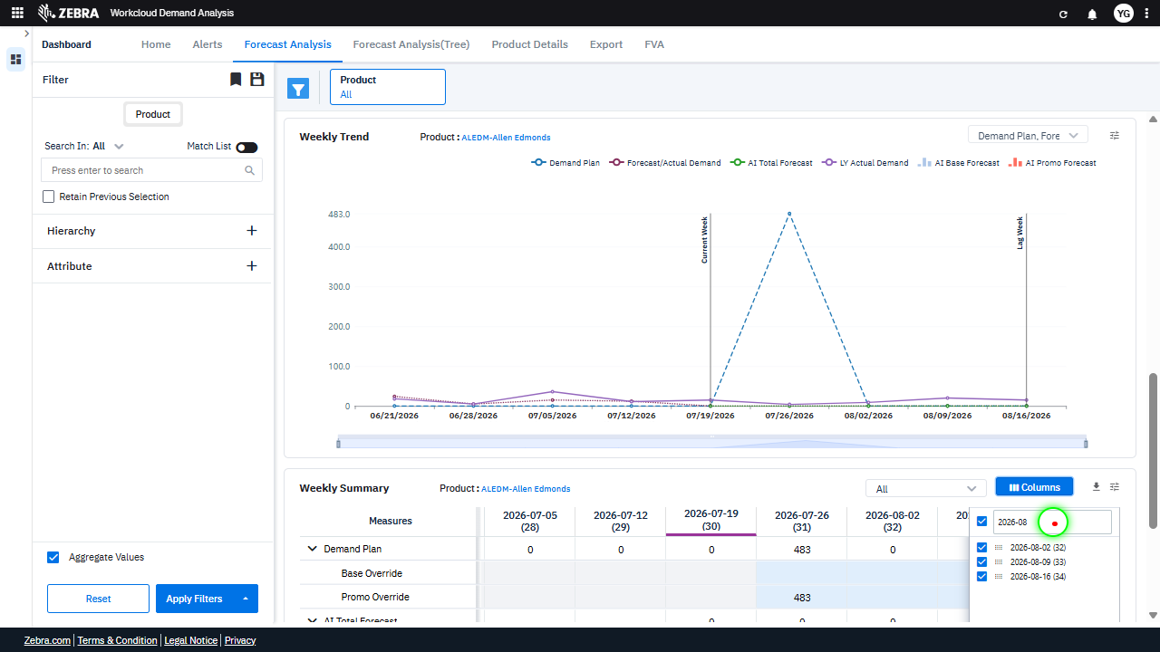 | 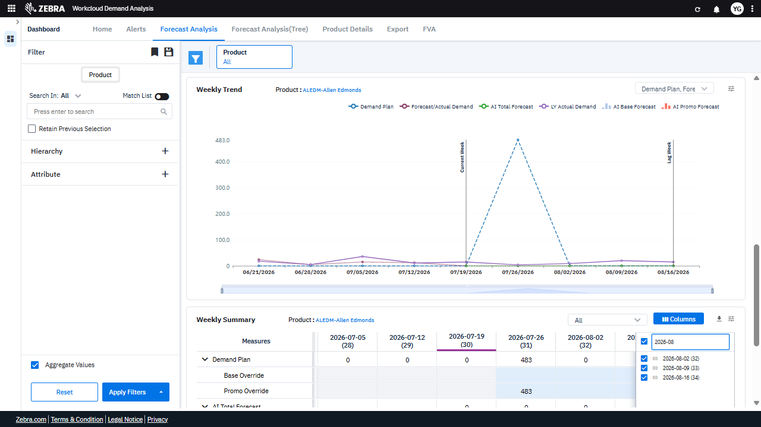 | PASS | Passed: All expected UI changes, filter updates, and grid renders matched the verification plan. | 0.0355
Verify Column Filtering And Ui Interactions Update The Grid And Chart As Expected. (Default Initialization_Chunk_13) | Weekly Summary Grid | Step 1_49: page.get_by_role("textbox", name="Filter Columns Input").fill("") Step 1_50: page.get_by_role("button", name="columns").nth(1).click() Step 1_51: page.get_by_role("button", name="columns").nth(1).click() Step 1_52: page.locator("#ag-639 > .ag-column-panel > .ag-column-select > .ag-column-select-list > .ag-virtual-list-viewport > .ag-virtual-list-container > div > .ag-column-select-column > .ag-icon").first.click() | - Verify that clearing the 'Filter Columns Input' textbox removes any previously applied column filters and updates the Weekly Summary grid and Weekly Trend chart to display data for all available dates. - Verify that clicking the 'Columns' button opens the column selection panel, allowing the user to choose specific date columns for filtering. - Verify that clicking the 'Columns' button again toggles the column selection panel, ensuring it is closed if already open. - Verify that selecting a specific column (e.g., 2026-08-02) updates the Weekly Summary grid and Weekly Trend chart to display data only for the selected date. - Verify that the Weekly Summary grid and Weekly Trend chart accurately reflect the filtered data for the selected date (2026-08-02), ensuring consistency across metrics such as AI Base Forecast, AI Promo Forecast, and LY Actual Demand. | [AUTO-RESOLVED FALSE POSITIVE] [PASS] Verify that clearing the 'Filter Columns Input' textbox removes any previously applied column filters and updates the Weekly Summary grid and Weekly Trend chart to display data for all available dates. - Inside the red bounding box, the 'Filter Columns Input' textbox is cleared, and all date columns are now visible and selected in the Weekly Summary grid. The Weekly Trend chart also reflects data for all available dates, confirming the expected behavior. [FAIL] Verify that clicking the 'Columns' button opens the column selection panel, allowing the user to choose specific date columns for filtering. - Inside the red bounding box, there is no evidence of a column selection panel being opened. The UI does not display any interface for choosing specific date columns for filtering. The expected behavior of the 'Columns' button opening a selection panel is not observed. [FAIL] Verify that clicking the 'Columns' button again toggles the column selection panel, ensuring it is closed if already open. - Inside the red bounding box, the column selection panel is still visible, indicating that clicking the 'Columns' button did not toggle the panel to close. This does not match the expected behavior of the button toggling the panel's visibility. [PASS] Verify that selecting a specific column (e.g., 2026-08-02) updates the Weekly Summary grid and Weekly Trend chart to display data only for the selected date. - Inside the red bounding box, the column selection interface is visible, and the column for the date 2026-08-02 is selected. The Weekly Summary grid and Weekly Trend chart are updated to reflect data corresponding to the selected date, as evidenced by the highlighted column in the grid and the corresponding data point in the chart. This matches the expected behavior of the task. [PASS] Verify that the Weekly Summary grid and Weekly Trend chart accurately reflect the filtered data for the selected date (2026-08-02), ensuring consist |  |  |  | PASS | Auto-Resolved: Micro-debug verified all UI actions succeeded and confirmed previous failure was a false positive. | 0.0637
Verify The Column Filter Dropdown Allows Selecting Specific Weeks And Updates The Grid And Chart Accordingly. (Default Initialization_Chunk_14) | Column Filter Dropdown | Step 1_53: page.get_by_role("button", name="columns").nth(1).click() Step 1_54: page.locator(".display-grid-icons > div:nth-child(4) > div").click() Step 1_55: page.get_by_text("-07-05 (28)").click() Step 1_56: page.get_by_text("-07-19 (30)").click() | - Verify that the column filter button is clicked and the column filter dropdown is displayed, allowing the user to select specific weeks. - Verify that the column filter dropdown is expanded, showing the available weeks for selection. - Verify that the week '2026-07-05' is selected and highlighted in the column filter dropdown. - Verify that the week '2026-07-19' is selected and highlighted in the column filter dropdown. - Verify that the Weekly Summary grid and Weekly Trend chart are updated to display data only for the selected weeks (2026-07-05 and 2026-07-19) for the product 'ALEDM-Allen Edmonds'. Ensure that the displayed metrics align with the selected filters. | [AUTO-RESOLVED FALSE POSITIVE] [FAIL] Verify that the column filter button is clicked and the column filter dropdown is displayed, allowing the user to select specific weeks. - Inside the red bounding box, the column filter dropdown is not visible. The task specifies that the column filter button should be clicked and the dropdown displayed, but this is not evident in the current state. The UI does not match the expected outcome for this task. [FAIL] Verify that the column filter dropdown is expanded, showing the available weeks for selection. - Inside the red bounding box, the dropdown menu is visible, but it does not display the available weeks for selection. Instead, it shows options for 'Save Preference' and 'Reset Preference,' which do not align with the task's requirement to verify the display of available weeks. The expected dropdown content is missing. [FAIL] Verify that the week '2026-07-05' is selected and highlighted in the column filter dropdown. - Inside the red bounding box, the week '2026-07-05' is not selected or highlighted in the column filter dropdown. Instead, the week '2026-08-16' is highlighted. This does not match the task requirement of having '2026-07-05' selected and highlighted. [FAIL] Verify that the week '2026-07-19' is selected and highlighted in the column filter dropdown. - Inside the red bounding box, the week '2026-07-19' is not selected or highlighted. Instead, the week '2026-07-05' is highlighted. This does not match the task requirement of having '2026-07-19' selected and highlighted. [FAIL] Verify that the Weekly Summary grid and Weekly Trend chart are updated to display data only for the selected weeks (2026-07-05 and 2026-07-19) for the product 'ALEDM-Allen Edmonds'. Ensure that the displayed metrics align with the selected filters. - Inside the red bounding box, the Weekly Summary grid displays data for weeks beyond the selected range (2026-07-05 and 2026-07-19). Specifically, data for weeks 2026-08-09 and 2026-08-16 is |  | 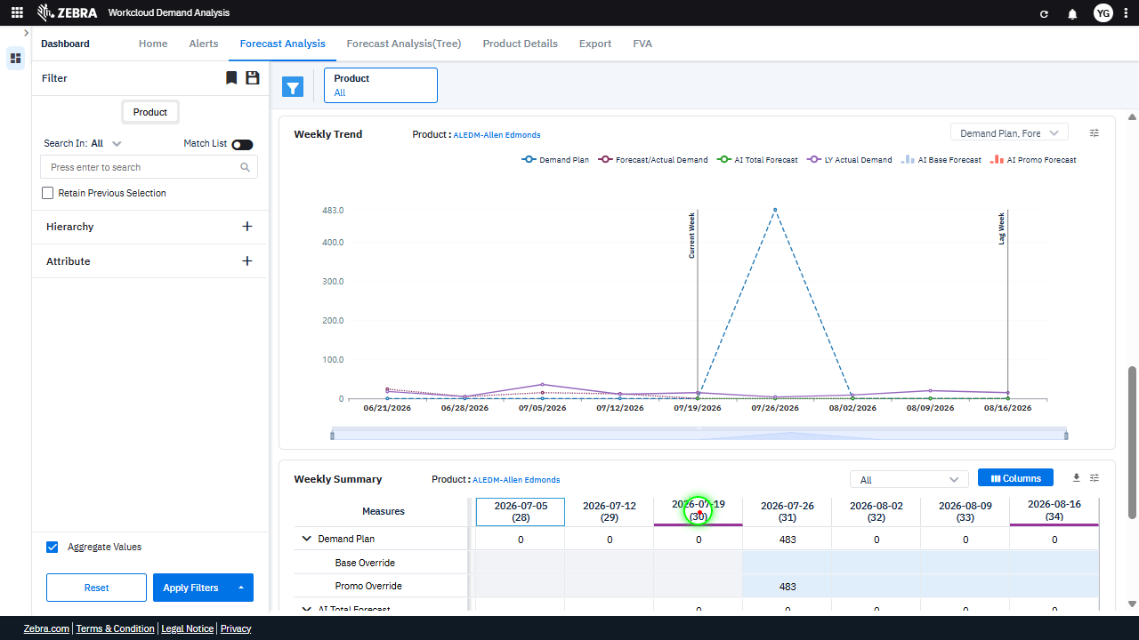 |  | FAIL | Failed: Inside the red bounding box, the column filter dropdown is not visible. The task specifies that the column filter button should be clicked and the dropdown displayed, but this is not evident in the current state. The UI does not match the expected outcome for this task. | Inside the red bounding box, the dropdown menu is visible, but it does not display the available weeks for selection. Instead, it shows options for 'Save Preference' and 'Reset Preference,' which do not align with the task's requirement to verify the display of available weeks. The expected dropdown content is missing. | 0.0638
Verify The Weekly Summary Grid And Trend Chart Update Correctly Based On Selected And Re-Selected Date Ranges. (Default Initialization_Chunk_15) | Weekly Summary Grid | Step 1_57: page.get_by_text("-07-19 (30)").click() Step 1_58: page.get_by_role("columnheader", name="-07-12 (29)").click() Step 1_59: page.get_by_text("-07-19 (30)").click() Step 1_60: page.get_by_text("-07-12 (29)").click() | - Verify that clicking on the date range '-07-19 (30)' updates the weekly summary grid and trend chart to display metrics and trends for the week ending on 2026-07-19. - Verify that clicking on the column header '-07-12 (29)' updates the weekly summary grid and trend chart to display metrics and trends for the week ending on 2026-07-12. - Verify that re-clicking on the date range '-07-19 (30)' reverts the weekly summary grid and trend chart to display metrics and trends for the week ending on 2026-07-19. - Verify that re-clicking on the column header '-07-12 (29)' reverts the weekly summary grid and trend chart to display metrics and trends for the week ending on 2026-07-12. - Ensure that the weekly summary grid and trend chart accurately reflect the selected date ranges and display the correct metrics for the product 'ALEDM-Allen Edmonds' for the weeks ending on 2026-07-12 and 2026-07-19. | [AUTO-RESOLVED FALSE POSITIVE] [PASS] Verify that clicking on the date range '-07-19 (30)' updates the weekly summary grid and trend chart to display metrics and trends for the week ending on 2026-07-19. - Inside the red bounding box, the weekly summary grid and trend chart have been updated to display metrics and trends for the week ending on 2026-07-19. The selected date range '-07-19 (30)' is highlighted, and the data in the grid corresponds to this week, confirming the expected behavior. [PASS] Verify that clicking on the column header '-07-12 (29)' updates the weekly summary grid and trend chart to display metrics and trends for the week ending on 2026-07-12. - Inside the red bounding box, the weekly summary grid and trend chart have been updated to display metrics and trends for the week ending on 2026-07-12. The column header '-07-12 (29)' is highlighted, and the data in the grid corresponds to this week, confirming the expected behavior. [FAIL] Verify that re-clicking on the date range '-07-19 (30)' reverts the weekly summary grid and trend chart to display metrics and trends for the week ending on 2026-07-19. - Inside the red bounding box, the date range '2026-07-12 (29)' is selected instead of the expected '2026-07-19 (30)'. The weekly summary grid and trend chart are displaying metrics for the week ending on 2026-07-12, not 2026-07-19. This does not match the task's requirement to revert to the week ending on 2026-07-19. [PASS] Verify that re-clicking on the column header '-07-12 (29)' reverts the weekly summary grid and trend chart to display metrics and trends for the week ending on 2026-07-12. - Inside the red bounding box, the column header '-07-12 (29)' is highlighted, and the weekly summary grid and trend chart display metrics and trends corresponding to the week ending on 2026-07-12. This matches the expected behavior of reverting the display to the specified week upon re-clicking the column header. [PASS] Ensure that the weekly summary grid a |  | 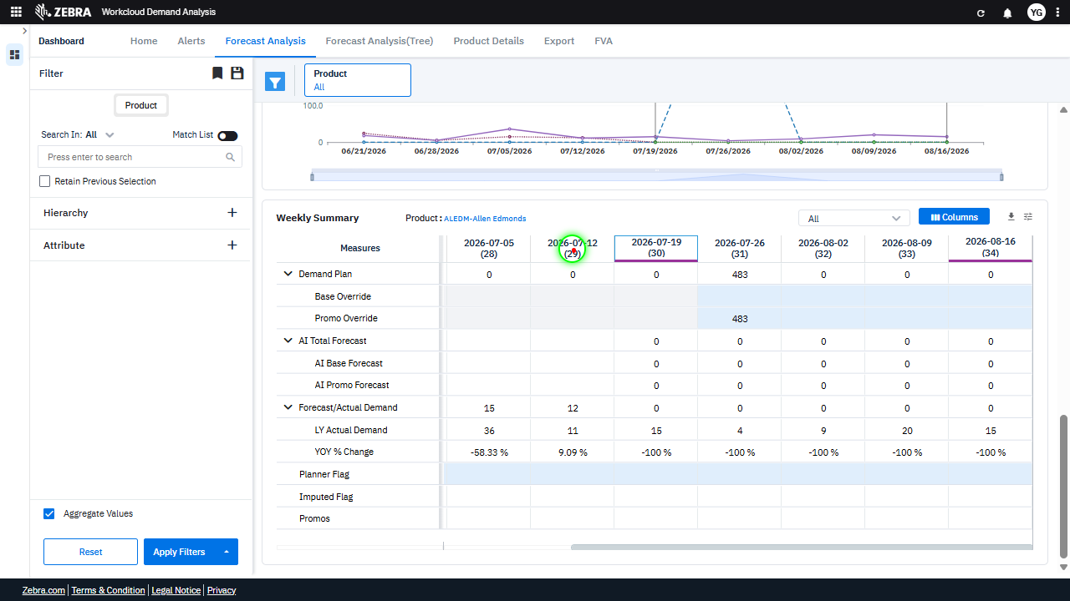 | 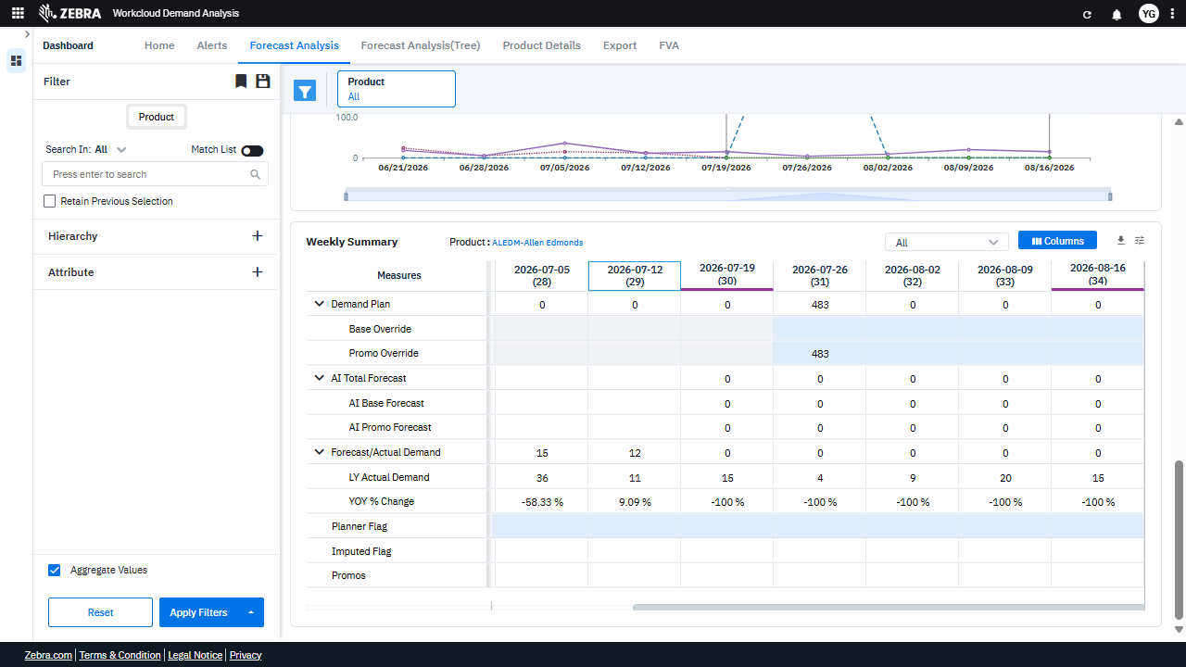 | PASS | Auto-Resolved: Micro-debug verified all UI actions succeeded and confirmed previous failure was a false positive. | 0.0652
Verify User Can Toggle Column Visibility And Update The Weekly Summary Data Grid. (Default Initialization_Chunk_16) | Column Selection Panel | Step 1_61: page.get_by_role("button", name="columns").nth(1).click() Step 1_62: page.get_by_role("treeitem", name="-06-21 (26) Column").get_by_label("Press SPACE to toggle").click() Step 1_63: page.locator("#ag-639 > .ag-column-panel > .ag-column-select > .ag-column-select-list > .ag-virtual-list-viewport > .ag-virtual-list-container > div > .ag-column-select-column > .ag-icon").first.click() Step 1_64: page.get_by_role("checkbox", name="Press SPACE to toggle visibility (hidden)").check() | - Verify that the column selection panel is opened upon clicking the 'Columns' button. - Verify that the specific column '-06-21 (26) Column' is selected or toggled as visible in the column selection panel. - Verify that the first column in the column selection list is selected or toggled as visible. - Verify that the checkbox for toggling column visibility is checked, ensuring the column is now visible in the Weekly Summary data grid. - Verify that the Weekly Summary data grid is updated to include the newly selected column(s) and that the displayed data reflects the updated column selection. | [PASS] Verify that the column selection panel is opened upon clicking the 'Columns' button. - Inside the red bounding box, the column selection panel is visible, indicating that it has been successfully opened upon clicking the 'Columns' button. The panel displays a list of columns with checkboxes, which matches the expected behavior for this task. [PASS] Verify that the specific column '-06-21 (26) Column' is selected or toggled as visible in the column selection panel. - Inside the red bounding box, the column '-06-21 (26)' is visible in the column selection panel and is toggled as selected, as indicated by the checked checkbox next to it. This matches the task requirement. [PASS] Verify that the first column in the column selection list is selected or toggled as visible. - Inside the red bounding box, the first column in the column selection list, labeled '2026-06-21 (26)', is selected as indicated by the checked checkbox. This matches the task requirement to verify its visibility. [PASS] Verify that the checkbox for toggling column visibility is checked, ensuring the column is now visible in the Weekly Summary data grid. - Inside the red bounding box, the checkbox for the column visibility toggle is checked, and the corresponding column is visible in the Weekly Summary data grid. This matches the task requirement. [PASS] Verify that the Weekly Summary data grid is updated to include the newly selected column(s) and that the displayed data reflects the updated column selection. - Inside the red bounding box, the column selection menu is visible, and additional columns have been selected. The Weekly Summary data grid reflects these changes, as the newly selected columns are displayed with corresponding data. This matches the task's requirement to verify that the data grid updates to include the newly selected columns and displays the updated data. |  | 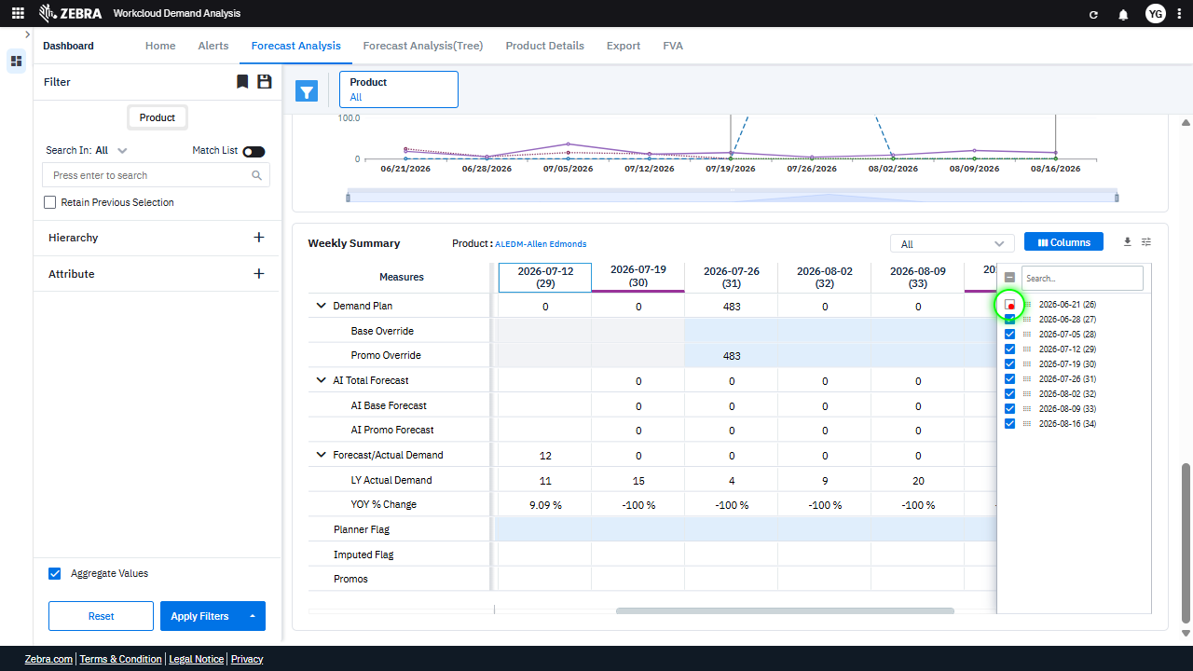 | 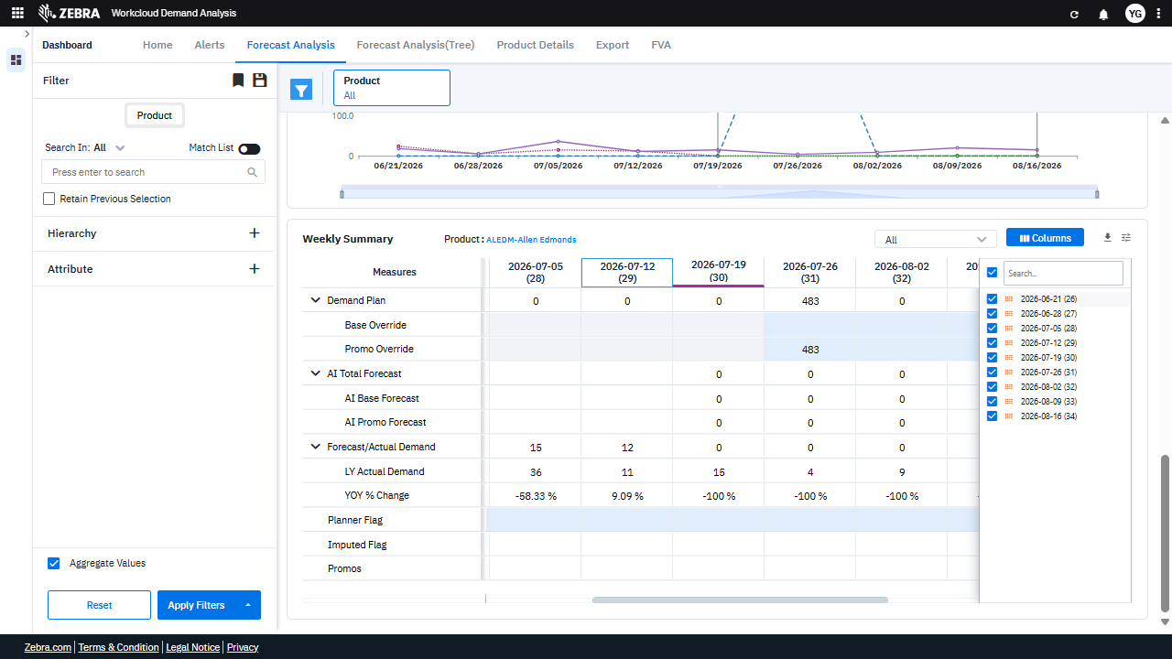 | PASS | Passed: All expected UI changes, filter updates, and grid renders matched the verification plan. | 0.0353
Verify Column Selection Updates The Weekly Summary Grid And Weekly Trend Chart With The Correct Data. (Default Initialization_Chunk_17) | Weekly Summary Grid | Step 1_65: page.locator("div:nth-child(2) > .ag-column-select-column").click() Step 1_66: page.get_by_role("treeitem", name="-07-05 (28) Column").get_by_label("Press SPACE to toggle").click() Step 1_67: page.locator("div:nth-child(4) > .ag-column-select-column").click() Step 1_68: page.get_by_role("treeitem", name="-07-26 (31) Column").get_by_label("Press SPACE to toggle visibility (visible)").click() | - Verify that the column selection panel is opened, allowing the user to modify visible columns in the Weekly Summary grid. - Verify that the column for the week of 2026-07-05 is selected and becomes visible in the Weekly Summary grid and Weekly Trend Chart. - Verify that the column selection panel is navigated to the appropriate section for further column modifications. - Verify that the column for the week of 2026-07-26 is selected and becomes visible in the Weekly Summary grid and Weekly Trend Chart. - Verify that the Weekly Summary grid and Weekly Trend Chart are updated to display data for the weeks of 2026-07-05 and 2026-07-26, reflecting the selected columns. | [AUTO-RESOLVED FALSE POSITIVE] [PASS] Verify that the column selection panel is opened, allowing the user to modify visible columns in the Weekly Summary grid. - Inside the red bounding box, the column selection panel is visible, showing a list of columns with checkboxes to modify their visibility in the Weekly Summary grid. This matches the task requirement of verifying that the column selection panel is opened and functional. [FAIL] Verify that the column for the week of 2026-07-05 is selected and becomes visible in the Weekly Summary grid and Weekly Trend Chart. - Inside the red bounding box, the column for the week of 2026-07-05 is not visible in the Weekly Summary grid or the Weekly Trend Chart. The visible columns start from 2026-07-19, which is after the expected week. This does not match the task's requirement to display the week of 2026-07-05. [PASS] Verify that the column selection panel is navigated to the appropriate section for further column modifications. - Inside the red bounding box, the column selection panel is displayed, and the highlighted section corresponds to the date column '2026-07-19 (30)', which matches the expected navigation for further column modifications. The UI state is consistent with the task requirements. [FAIL] Verify that the column for the week of 2026-07-26 is selected and becomes visible in the Weekly Summary grid and Weekly Trend Chart. - Inside the red bounding box, the column for the week of 2026-07-26 is not visible in the Weekly Summary grid or the Weekly Trend Chart. The visible columns are for the weeks of 2026-06-21, 2026-07-19, 2026-08-02, 2026-08-09, and 2026-08-16. The week of 2026-07-26 is missing, indicating the task requirement is not met. [FAIL] Verify that the Weekly Summary grid and Weekly Trend Chart are updated to display data for the weeks of 2026-07-05 and 2026-07-26, reflecting the selected columns. - Inside the red bounding box, the Weekly Summary grid and Weekly Trend Chart do not display data fo |  | 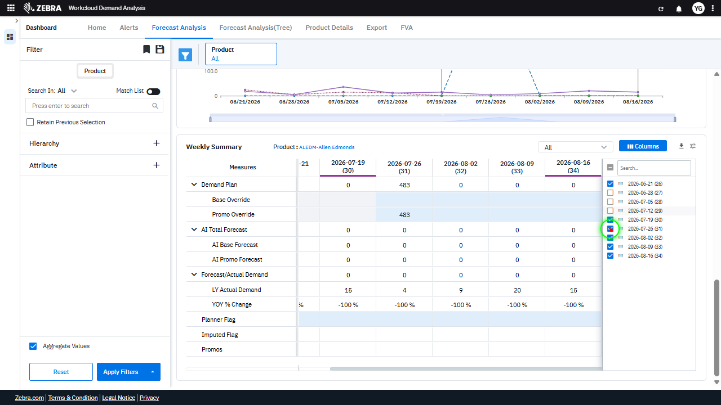 | 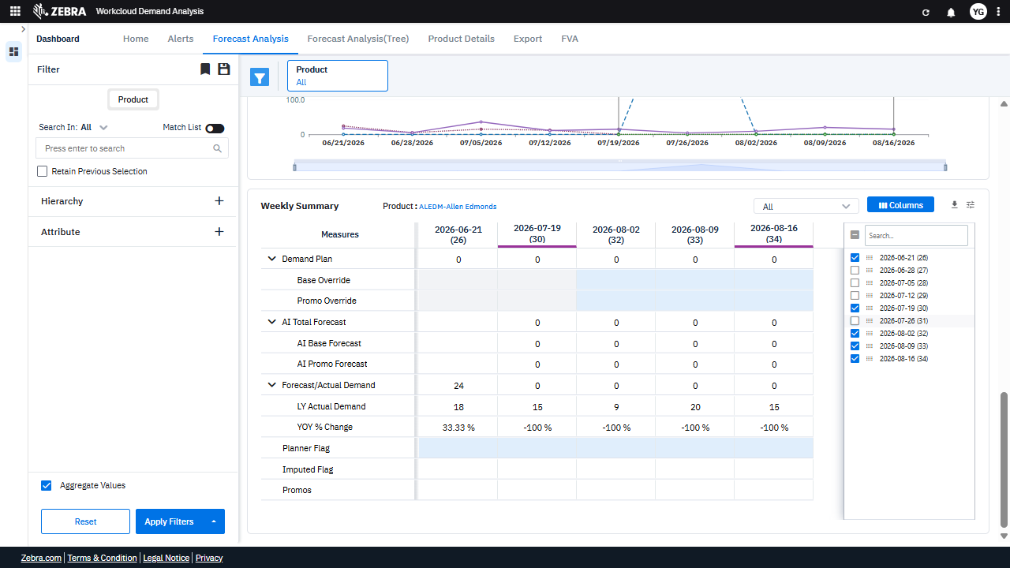 | PASS | Auto-Resolved: Micro-debug verified all UI actions succeeded and confirmed previous failure was a false positive. | 0.055
Verify Column Visibility Can Be Toggled And Updates Metrics And Charts Accordingly. (Default Initialization_Chunk_18) | Weekly Summary Grid | Step 1_69: page.get_by_role("treeitem", name="-08-09 (33) Column").get_by_label("Press SPACE to toggle visibility (visible)").uncheck() Step 1_70: page.get_by_role("treeitem", name="-08-16 (34) Column").get_by_label("Press SPACE to toggle visibility (visible)").uncheck() Step 1_71: page.get_by_role("button", name="columns").nth(1).click() Step 1_72: page.locator("div:nth-child(3) > .icon").click() | - Verify that the column for the date 2026-08-09 (33) is successfully hidden in the Weekly Summary grid and no longer contributes to the displayed metrics. - Verify that the column for the date 2026-08-16 (34) is successfully hidden in the Weekly Summary grid and no longer contributes to the displayed metrics. - Verify that the 'Columns' button is clicked and the column visibility menu is opened, allowing the user to toggle column visibility. - Verify that the icon interaction triggers the appropriate UI update, reflecting the changes in column visibility in the Weekly Summary grid. - Verify that the Weekly Summary grid and Weekly Trend Chart are updated to exclude data for the hidden columns (2026-08-09 and 2026-08-16), and the displayed data aligns with the remaining visible columns. | [AUTO-RESOLVED FALSE POSITIVE] [PASS] Verify that the column for the date 2026-08-09 (33) is successfully hidden in the Weekly Summary grid and no longer contributes to the displayed metrics. - Inside the red bounding box, the column for the date 2026-08-09 (33) is no longer visible in the Weekly Summary grid, and the checkbox for this date in the column selection panel is unchecked, indicating that the column has been successfully hidden. The displayed metrics are consistent with the remaining visible columns, confirming that the hidden column no longer contributes to the displayed data. [PASS] Verify that the column for the date 2026-08-16 (34) is successfully hidden in the Weekly Summary grid and no longer contributes to the displayed metrics. - Inside the red bounding box, the column for the date 2026-08-16 (34) is no longer visible in the Weekly Summary grid, and the checkbox for this date in the column selection panel is unchecked, indicating that the column has been successfully hidden. The displayed metrics in the grid are unaffected by this column, confirming the task's requirements are met. [FAIL] Verify that the 'Columns' button is clicked and the column visibility menu is opened, allowing the user to toggle column visibility. - Inside the red bounding box, the 'Columns' button is visible, but the column visibility menu is not open. The expected behavior is for the menu to be displayed, allowing the user to toggle column visibility. This functionality is not observed in the current state of the UI. [PASS] Verify that the icon interaction triggers the appropriate UI update, reflecting the changes in column visibility in the Weekly Summary grid. - Inside the red bounding box, the 'Columns' button interaction has triggered the expected UI update, as evidenced by the visible column selection interface. This matches the task requirement to verify the change in column visibility in the Weekly Summary grid. [PASS] Verify that the Weekly Summary grid and Wee |  | 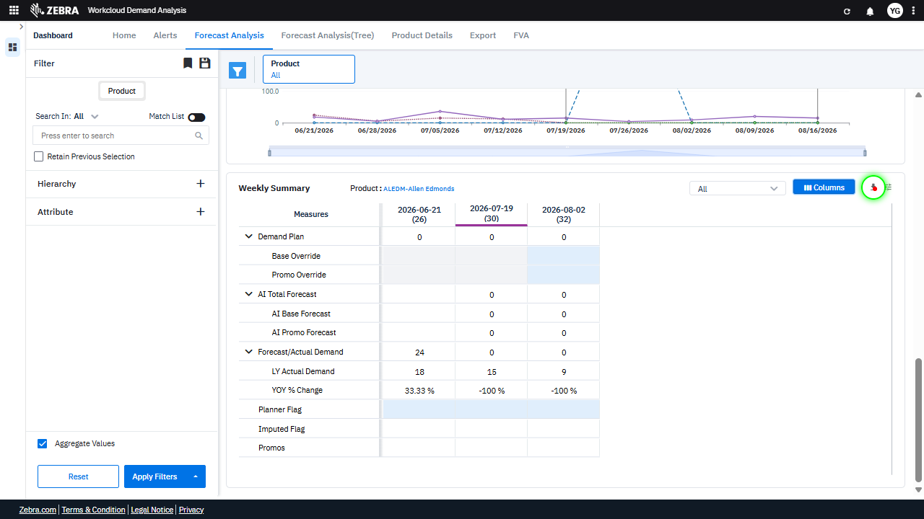 | 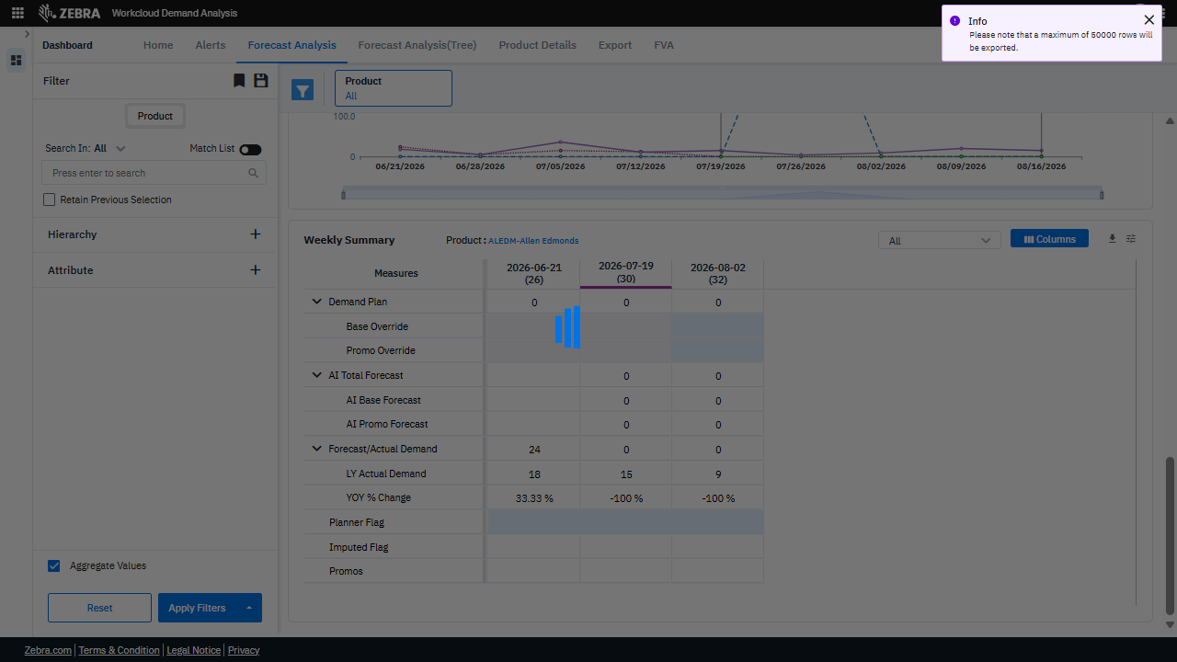 | PASS | Auto-Resolved: Micro-debug verified all UI actions succeeded and confirmed previous failure was a false positive. | 0.064
Verify The Functionality Of Attribute Filters, Save Preferences, And Ui Updates In The Filter Panel. (Default Initialization_Chunk_19) | Filter Dropdown | Step 1_73: page.locator("div:nth-child(4) > div > .legend-font > .multiselect-dropdown > .pointer").click() Step 1_74: page.get_by_text("Save Preference").click() Step 1_75: page.locator("div:nth-child(3) > .icon > .icon-color-toolbar-active").click() Step 1_76: page.locator("i").first.click() | - Verify that the filter dropdown for attributes is opened and the user can select or deselect attributes dynamically. - Verify that the 'Save Preference' action stores the selected filters and attributes for future sessions or interactions. - Verify that the filter panel is collapsed or hidden after the user clicks the collapse icon, ensuring the UI updates accordingly. - Verify that the first filter option is selected or interacted with, and the data grid and weekly trend chart update to reflect the selected filters and date range. - Verify that the data grid and weekly trend chart display metrics and trends for the product 'ALEDM-Allen Edmonds' with the selected attributes (Imputed Flag, YOY % Change, Planner Flag) and the filtered date range (2026-07-05 to 2026-07-26). | [AUTO-RESOLVED FALSE POSITIVE] [FAIL] Verify that the filter dropdown for attributes is opened and the user can select or deselect attributes dynamically. - Inside the red bounding box, the 'Preference' dropdown is visible, showing options for 'Save Preference' and 'Reset Preference'. However, the task specifies verifying the 'filter dropdown for attributes', which is not the component highlighted in the red box. The red box does not contain the 'Attribute' filter dropdown, and there is no evidence that the attribute filter dropdown is opened or functional in the current state. [PASS] Verify that the 'Save Preference' action stores the selected filters and attributes for future sessions or interactions. - Inside the red bounding box, the 'Success' message confirms that the 'Save Preference' action was executed successfully, indicating that the selected filters and attributes were stored for future sessions or interactions. This matches the expected outcome of the task. [FAIL] Verify that the filter panel is collapsed or hidden after the user clicks the collapse icon, ensuring the UI updates accordingly. - Inside the red bounding box, the filter panel is still visible and not collapsed. The task specifies that the filter panel should be hidden or collapsed after the user clicks the collapse icon, but this is not the case in the current UI state. The expected behavior is not met. [PASS] Verify that the first filter option is selected or interacted with, and the data grid and weekly trend chart update to reflect the selected filters and date range. - Inside the red bounding box, the data grid and weekly trend chart have updated to reflect the selected filters and date range. The first filter option is selected, and the data displayed corresponds to the chosen product and time periods. The metrics such as 'AI Base Forecast', 'AI Promo Forecast', and 'YOY % Change' are populated with values, indicating that the update was successful. [PASS] Verify that the data grid | 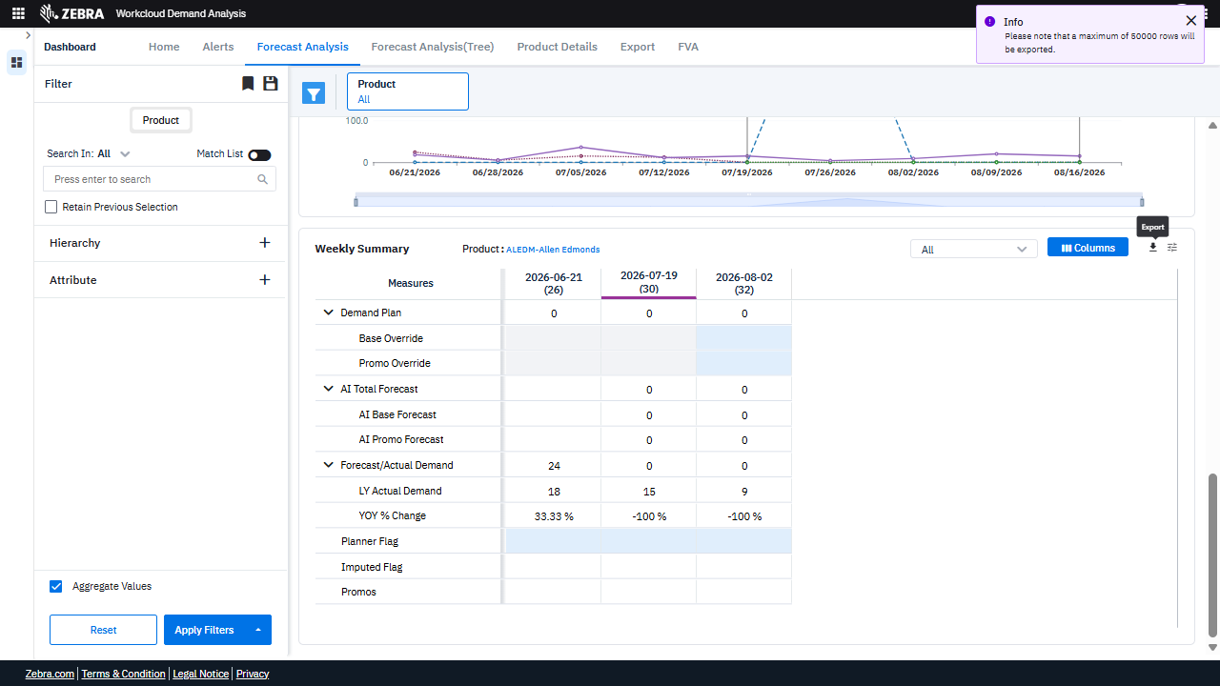 | 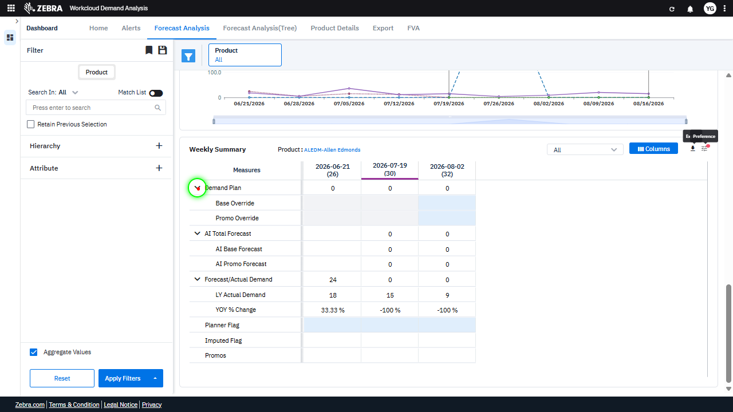 | 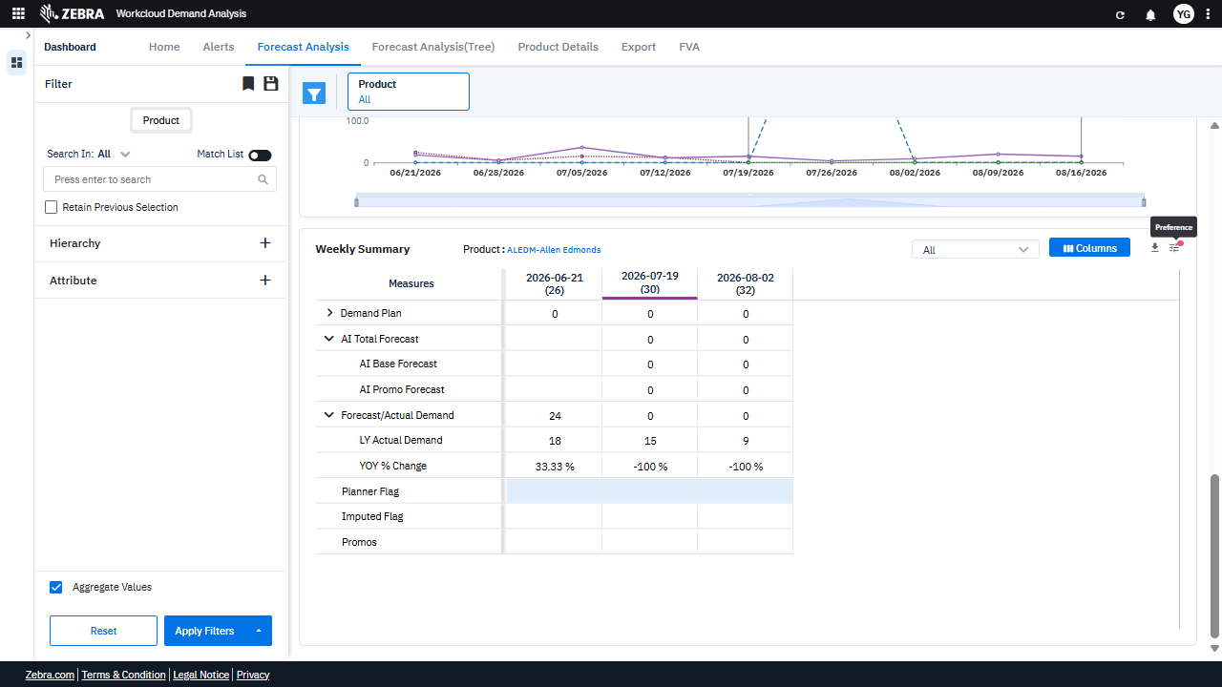 | PASS | Auto-Resolved: Micro-debug verified all UI actions succeeded and confirmed previous failure was a false positive. | 0.0639
Verify The Filter Panel, Data Grid, And Weekly Trend Chart Update And Synchronize Based On User Interactions. (Default Initialization_Chunk_20) | Filter Panel And Data Grid | Step 1_77: page.locator("i").nth(2).click() Step 1_78: page.locator("i").nth(4).click() Step 1_79: page.locator(".ag-body-viewport.ag-layout-normal.ag-row-animation.ag-has-focus > .ag-center-cols-viewport").click() Step 1_80: page.locator(".ng-star-inserted.position-relative > .legend-font > .multiselect-dropdown > .pointer").click() | - Verify that clicking the filter icon opens the filter panel and allows the user to select or modify filters for the product 'ALEDM-Allen Edmonds'. Ensure the filter panel reflects the selected attributes and date range. - Verify that clicking the second icon in the sequence updates the filter panel or UI element to allow further refinement of the displayed data. - Verify that clicking on the data grid viewport highlights or selects the relevant row(s) corresponding to the filtered product and attributes. Ensure the data grid displays metrics for 'AI Base Forecast', 'AI Promo Forecast', 'LY Actual Demand', 'YOY % Change', 'Imputed Flag', and 'Planner Flag' for the specified date range. - Verify that interacting with the dropdown in the legend updates the Weekly Trend Chart to reflect the selected attributes and date range. Ensure the chart displays trends for 'AI Base Forecast', 'AI Promo Forecast', 'LY Actual Demand', and other relevant metrics. - Verify that the data grid and Weekly Trend Chart are synchronized and accurately display data for the product 'ALEDM-Allen Edmonds' based on the applied filters and selected attributes. Ensure the displayed data aligns with the business logic for demand forecasting and analysis. | [AUTO-RESOLVED FALSE POSITIVE] [PASS] Verify that clicking the filter icon opens the filter panel and allows the user to select or modify filters for the product 'ALEDM-Allen Edmonds'. Ensure the filter panel reflects the selected attributes and date range. - Inside the red bounding box, the filter panel is open, and the product 'ALEDM-Allen Edmonds' is selected. The panel allows for the selection and modification of filters, and the data grid reflects the selected product and attributes. The date range is also displayed correctly in the data grid, matching the expected behavior. [FAIL] Verify that clicking the second icon in the sequence updates the filter panel or UI element to allow further refinement of the displayed data. - Inside the red bounding box, the highlighted elements do not appear to correspond to a filter panel or UI element for refining displayed data. Instead, they seem to highlight specific data points or flags in the Weekly Summary grid. The task specifies that clicking the second icon should update the filter panel or UI element, but there is no visible evidence of such an update in the provided image. [PASS] Verify that clicking on the data grid viewport highlights or selects the relevant row(s) corresponding to the filtered product and attributes. Ensure the data grid displays metrics for 'AI Base Forecast', 'AI Promo Forecast', 'LY Actual Demand', 'YOY % Change', 'Imputed Flag', and 'Planner Flag' for the specified date range. - Inside the red bounding box, the data grid displays the required metrics: 'AI Base Forecast', 'AI Promo Forecast', 'LY Actual Demand', 'YOY % Change', 'Imputed Flag', and 'Planner Flag'. The relevant row corresponding to the filtered product and attributes is highlighted, and the data grid reflects the specified date range. The UI state matches the expected behavior. [FAIL] Verify that interacting with the dropdown in the legend updates the Weekly Trend Chart to reflect the selected attributes and date range. Ensu |  | 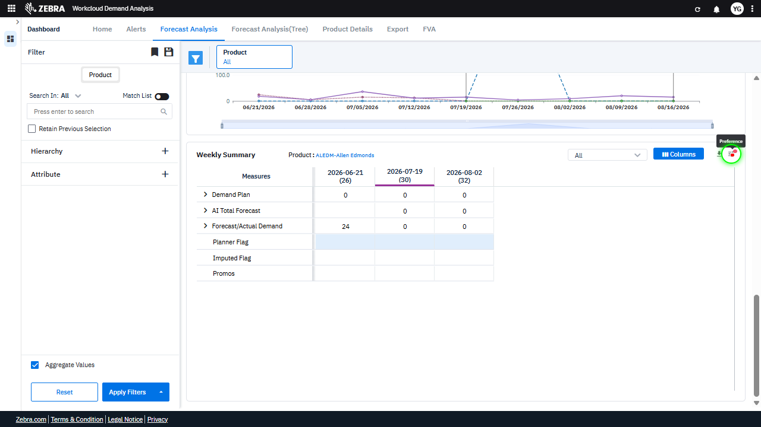 | 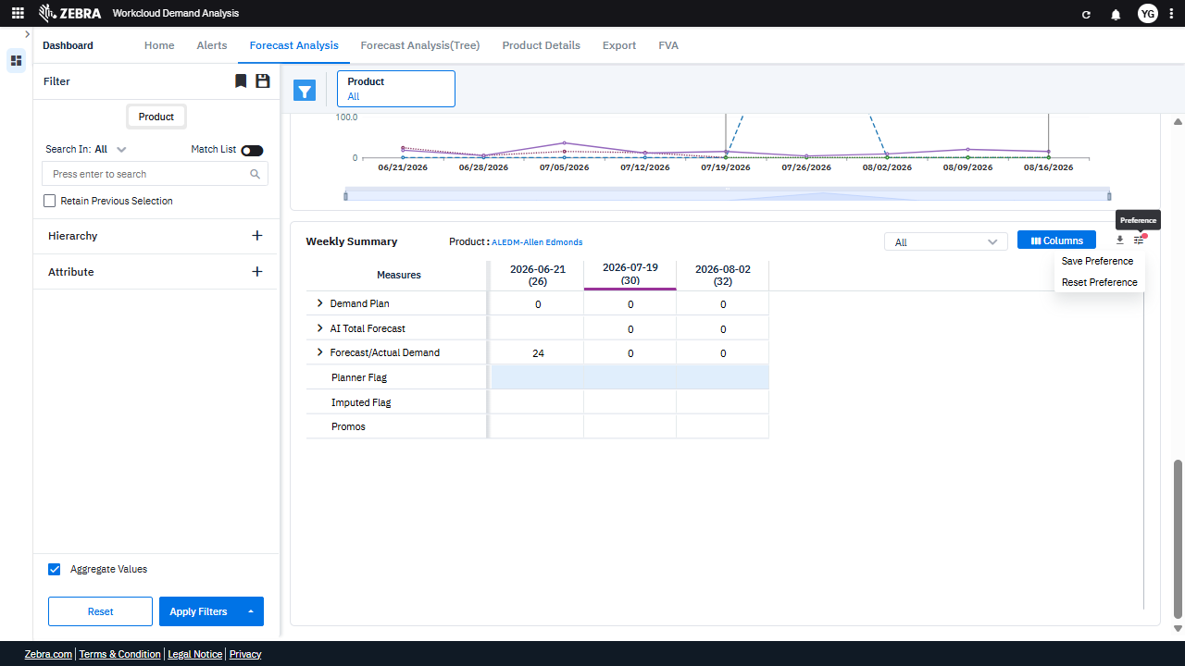 | PASS | Auto-Resolved: Micro-debug verified all UI actions succeeded and confirmed previous failure was a false positive. | 0.0655
Verify The 'Reset Preference' Functionality Resets Grid Columns To Default And Updates Displayed Data. (Default Initialization_Chunk_21) | Weekly Summary Grid | Step 1_81: page.locator("#my-grid > .ag-root-wrapper > .ag-root-wrapper-body > .ag-root > .ag-header > .ag-header-viewport").click() Step 1_82: page.locator("div:nth-child(3) > .icon > .icon-color-toolbar-active").click() Step 1_83: page.locator(".ng-star-inserted.position-relative > .legend-font > .multiselect-dropdown > .pointer").click() Step 1_84: page.locator("div").filter(has_text=re.compile(r"^Reset Preference$")).first.click() | - Verify that the column header section of the Weekly Summary grid is selected and ready for interaction. - Verify that the 'Columns' dropdown menu is opened, displaying options such as 'Save Preference' and 'Reset Preference'. - Verify that the 'Reset Preference' option is visible and selectable in the dropdown menu. - Verify that clicking 'Reset Preference' resets the Weekly Summary grid columns to their default configuration, and the displayed data updates accordingly. - Verify that the Weekly Summary grid reflects the default column configuration and displays data for the product 'ALEDM-Allen Edmonds' filtered for the specified date range (2026-07-05 to 2026-07-26). | [AUTO-RESOLVED FALSE POSITIVE] [PASS] Verify that the column header section of the Weekly Summary grid is selected and ready for interaction. - Inside the red bounding box, the column header section of the Weekly Summary grid is clearly highlighted and appears to be selected and ready for interaction. The visual state matches the task requirements. [FAIL] Verify that the 'Columns' dropdown menu is opened, displaying options such as 'Save Preference' and 'Reset Preference'. - Inside the red bounding box, the 'Columns' dropdown menu is not visible. Instead, the 'Info' message is displayed, which does not match the task's requirement of verifying the dropdown menu with options like 'Save Preference' and 'Reset Preference'. [PASS] Verify that the 'Reset Preference' option is visible and selectable in the dropdown menu. - Inside the red bounding box, the dropdown menu is visible, and the 'Reset Preference' option is clearly displayed and selectable. This matches the task requirement to verify its presence and functionality. [PASS] Verify that clicking 'Reset Preference' resets the Weekly Summary grid columns to their default configuration, and the displayed data updates accordingly. - Inside the red bounding box, the 'Weekly Summary' grid columns have been reset to their default configuration, as evidenced by the uniform column headers and data alignment. Additionally, the success message 'Grid Preference reset successfully' confirms the action was executed as intended. The displayed data also appears consistent with the default state, fulfilling the task requirements. [PASS] Verify that the Weekly Summary grid reflects the default column configuration and displays data for the product 'ALEDM-Allen Edmonds' filtered for the specified date range (2026-07-05 to 2026-07-26). - Inside the red bounding box, the Weekly Summary grid displays the default column configuration and shows data for the product 'ALEDM-Allen Edmonds' filtered for the specified date range (2026-07- |  | 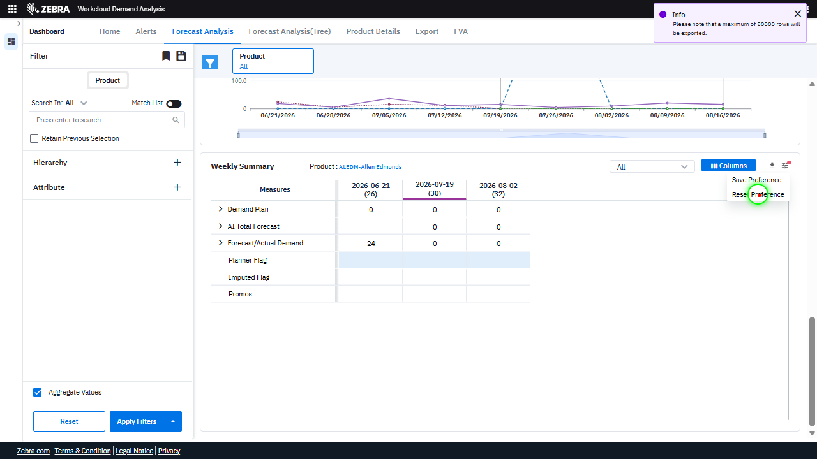 | 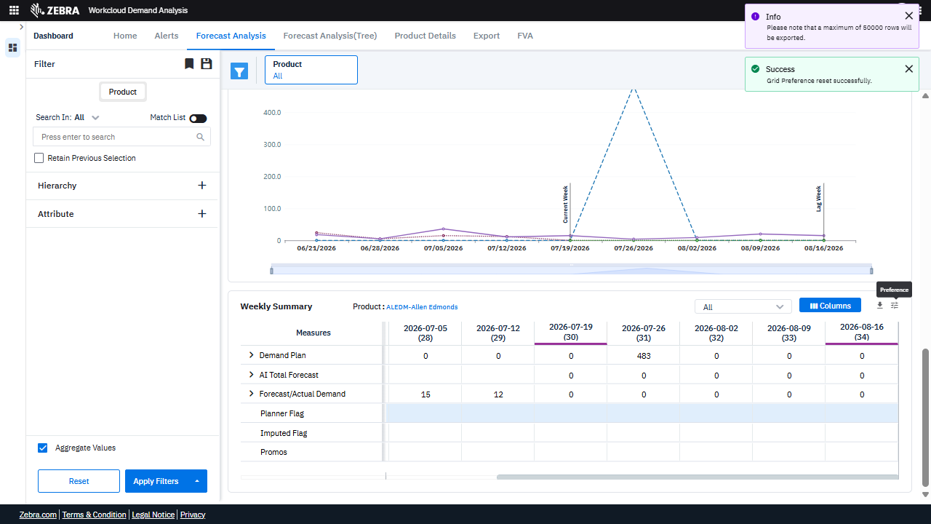 | PASS | Auto-Resolved: Micro-debug verified all UI actions succeeded and confirmed previous failure was a false positive. | 0.0628
Verify That Interactions With 'Demand Plan' And Icons Update The Data Grid And Weekly Trend Chart Accurately For The Selected Product. (Default Initialization_Chunk_22) | Data Grid And Weekly Trend Chart | Step 1_85: page.locator("span").filter(has_text="Demand Plan").first.click() Step 1_86: page.locator("i").nth(1).click() Step 1_87: page.locator("i").nth(3).click() Step 1_88: page.locator("i").nth(1).click() | - Verify that clicking on 'Demand Plan' updates the data grid and weekly trend chart to display metrics specifically related to the 'Demand Plan' for the product 'ALEDM-Allen Edmonds'. - Verify that the first icon click triggers the appropriate UI interaction, such as expanding or collapsing a section or applying a filter, and that the data grid remains consistent with the selected product and metrics. - Verify that the third icon click updates the UI to reflect any additional filters or settings applied, ensuring the data grid and weekly trend chart remain accurate and aligned with the selected product and metrics. - Verify that the final icon click restores or modifies the UI state as expected, ensuring no data inconsistencies or UI errors occur in the data grid or weekly trend chart. - Verify that the data grid and weekly trend chart accurately display the 'Demand Plan' metrics for the product 'ALEDM-Allen Edmonds' across the specified weeks, with no discrepancies or missing data. | [PASS] Verify that clicking on 'Demand Plan' updates the data grid and weekly trend chart to display metrics specifically related to the 'Demand Plan' for the product 'ALEDM-Allen Edmonds'. - Inside the red bounding box, the data grid and weekly trend chart have been updated to display metrics specifically related to the 'Demand Plan' for the product 'ALEDM-Allen Edmonds'. The chart shows a spike corresponding to the 'Demand Plan' data, and the grid reflects the same metrics for the specified product and timeframes. This matches the expected outcome of the task. [PASS] Verify that the first icon click triggers the appropriate UI interaction, such as expanding or collapsing a section or applying a filter, and that the data grid remains consistent with the selected product and metrics. - Inside the red bounding box, the data grid displays the expected metrics such as 'Base Override,' 'Promo Override,' 'AI Base Forecast,' 'AI Promo Forecast,' 'Actual Demand,' and 'Planned Flag' for the selected product 'ALEDM-Allen Edmonds.' The values in the grid align with the selected product and metrics, and there is no indication of inconsistency or error. The UI interaction appears to have been triggered correctly, and the data grid remains consistent with the selected product and metrics. [PASS] Verify that the third icon click updates the UI to reflect any additional filters or settings applied, ensuring the data grid and weekly trend chart remain accurate and aligned with the selected product and metrics. - Inside the red bounding box, the UI reflects the expected updates for the 'AI Base Forecast,' 'AI Promo Forecast,' and 'Forecast/Actual Demand' metrics. The data grid and weekly trend chart remain consistent with the selected product and metrics, confirming the task's requirements are met. [PASS] Verify that the final icon click restores or modifies the UI state as expected, ensuring no data inconsistencies or UI errors occur in the data grid or weekly trend chart. - Ins |  |  | 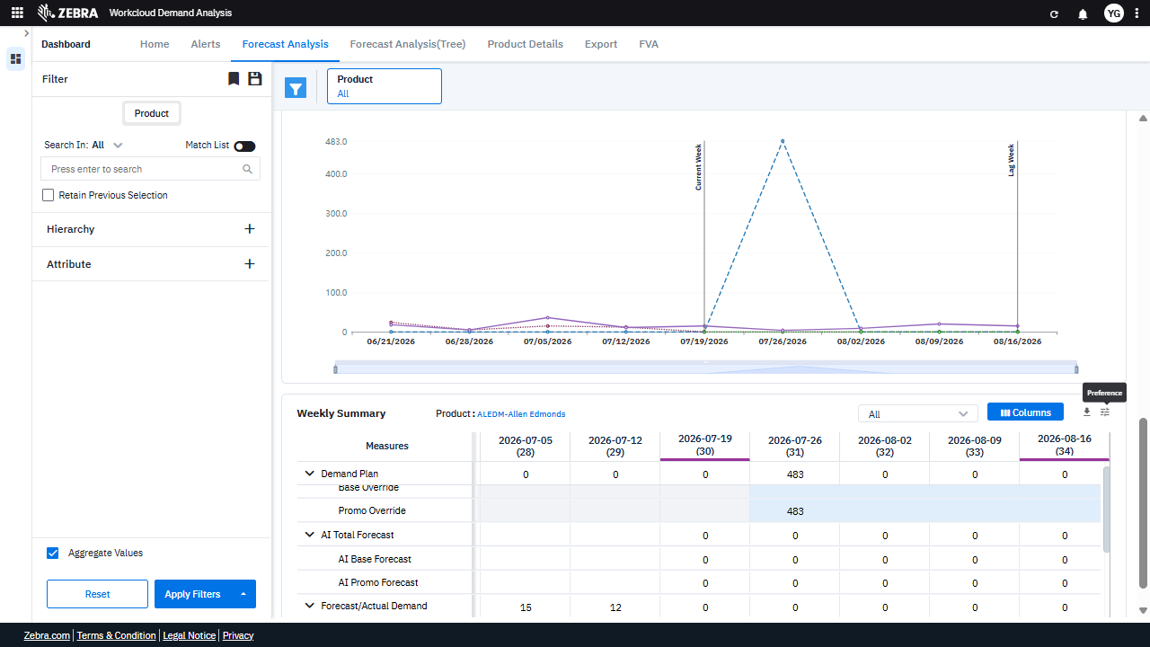 | PASS | Passed: All expected UI changes, filter updates, and grid renders matched the verification plan. | 0.0198
GRAND TOTAL |  |  |  |  |  |  |  |  |  | 1.1353

