3 marks
This sheet is for 3 Mark questions
S.r No | Question | Image | a | b | c | d | Correct Answer
1 | Which of the following should be replaced with the question mark in the following figure? |  | Abstraction | Virtualization | Mobility Pattern | All of the mentioned | B
2 | Which type of Hypervisor is shown in the following figure ? |  | Type 1 | Type 2 | Type 3 | All of the mentioned | B
3 | _____________________where a VM can be moved from one physical machine to another even as it continues to execute. |  | Load Balancing | Migration | Live Migration | Server consolidation | C
4 | Which type of Hypervisor is shown in the following figure ? | 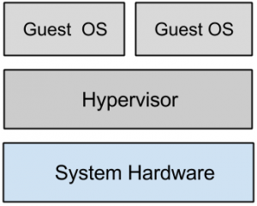 | Type 1 | Type 2 | Type 3 | All of the mentioned | A
5 | Point out the wrong statement : |  | Load balancing virtualizes systems and resources by mapping a logical address to a physical address | Multiple instances of various Google applications are running on different hosts | Google uses hardware virtualization | All of the mentioned | C
6 | Which of the following should be placed in second lowermost layer for the following figure ? | 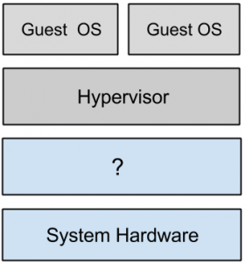 | Host Operating System | Software | VM | None of the mentioned | A
7 | Point out the wrong statement : |  | Some hypervisors are installed over an operating system and are referred to as Type 2 or hosted VM | All CPUs support virtual machines | On a Type 2 VM, a software interface is created that emulates the devices with which a system would normally interact | All of the mentioned | B
8 | Which of the following type of virtualization is found in hypervisor such as Microsoft’s Hyper-V ? |  | paravirtualization | full virtualization | emulation | none of the mentioned | A
9 | Point out the wrong statement : |  | Full virtualization requires that the host operating system provide a virtual machine interface for the guest operating system and that the guest access hardware through that host VM | Guest operating systems in full virtualization systems are generally faster than other virtualization schemes | A process virtual machine instantiates when a command begins a process | All of the mentioned | A
10 | Which of the following operating system support operating system virtualization ? |  | Windows NT | Sun Solaris | Windows XP | Compliance | B
11 | _________ is a service that creates and manages virtual network interfaces. |  | VMware vStorage | VMware vNetwork | VMware vCompute | Application services | B
12 | Which of the following allows a virtual machine to run on two or more physical processors at the same time ? |  | Virtual SMP | Distributed Resource Scheduler | vNetwork Distributed Switch | Storage Vmotion | A
13 | VMM is |  | A virtual machine | Hardware | Host OS | A layer of software | D
14 | VMM facilitates sharing of |  | Memory & I/O | CPU, memory & I/O | CPU & memory | I/O & CPU | B
15 | The BEST way to define Virtualization in cloud computing is |  | Virtualization enables simulating compute, network, and storage service platforms from the underlying virtual hardware | Virtualization enables abstracting compute, network, and storage service platforms from the underlying physical hardware | Virtualization enables realization of compute, network, and storage service platforms from the underlying virtual hardware | Virtualization enables emulating compute, network, and storage service platforms from the underlying virtual hardware | B
16 | Which one is NOT generally a change after Virtualization? |  | Virtual machines can be provisioned to any system | Hardware-independence of operating system and applications | Can manage OS and application as a single unit by encapsulating them into virtual machines. | Software and hardware tightly coupled | D
17 | Which one of the statement is generally NOT correct for Microkernelized Hypervisor? |  | Drivers run within guests | Simple partitioning functionality | Increase reliability and minimize lowest level of the TCB | Contains its own drivers model | D
18 | In multiple VM processing, CPU is alloted to the different processes in form of: |  | Space slices by the OS | Different CPUs are allocated to different processes | Time slices by the OS | Frequecy slices by the OS | A
19 | Appear IQ, Mendix, Amazon Web Services (AWS) Elastic Beanstalk, Google App Engine and Heroku, are some of the example of providing services for: |  | IaaS | SaaS | PaaS | None | C
20 | Which one of the cases not impacting major system availability |  | Service performance degrade | Service outage by unplanned downtime | Live migration of VM for load balancing | Service outage by planned downtime | C

