Sheet1
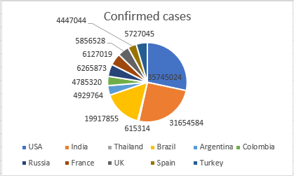
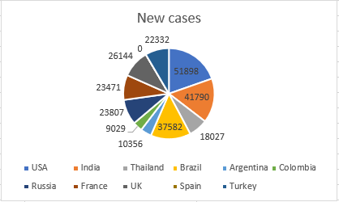
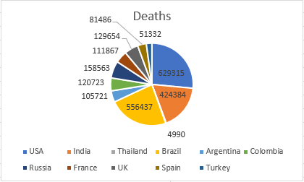
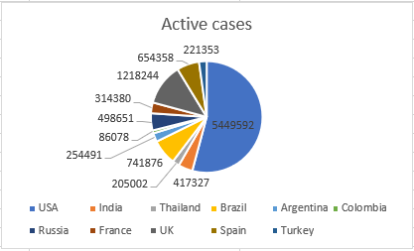
Country | Confirmed cases | New cases | Deaths | Active cases
USA | 35745024 | 51898 | 629315 | 5449592
India | 31654584 | 41790 | 424384 | 417327
Thailand | 615314 | 18027 | 4990 | 205002
Brazil | 19917855 | 37582 | 556437 | 741876
Argentina | 4929764 | 10356 | 105721 | 254491
Colombia | 4785320 | 9029 | 120723 | 86078
Russia | 6265873 | 23807 | 158563 | 498651
France | 6127019 | 23471 | 111867 | 314380
UK | 5856528 | 26144 | 129654 | 1218244
Spain | 4447044 | 0 | 81486 | 654358
Turkey | 5727045 | 22332 | 51332 | 221353
TOTAL | 126071370 | 264436 | 2374472 | 10061352

