Sheet1
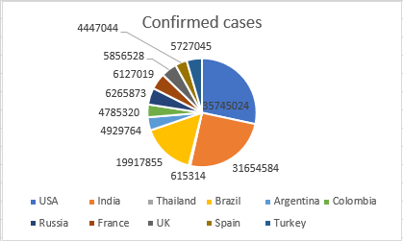
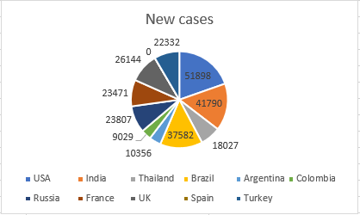
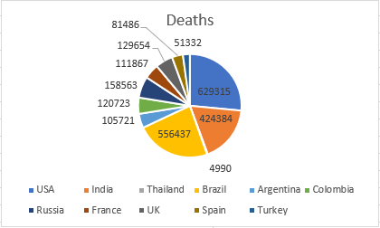
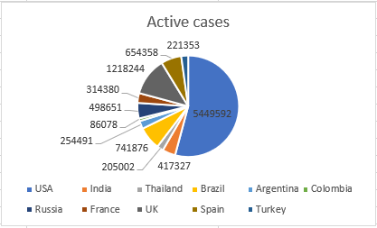
Country | Confirmed cases | New cases | Deaths | Active cases
{d.table[i].country} | {d.table[i].confirmed:formatN()} | {d.table[i].newcases:formatN()} | {d.table[i].deaths:formatN()} | {d.table[i].activeCases:formatN()}
{d.table[i+1].country}
TOTAL | {d.total.confirmed:formatN()} | {d.total.newcases:formatN()} | {d.total.deaths:formatN()} | {d.total.activeCases:formatN()}

