notes
The Altoona City Authority was created by the City of Altoona in 1946 for the purpose of financing capital improvement projects. | The Authority assumed operational responsibility of the water system from the City in 1981 and of the wastewater system in 1986. | In 2009, our name was officially changed to the Altoona Water Authority.

As such - there are three separate websites to search for bond documents.
The budget for the water authority changes dramatically after 2004 - I think water and sewer were reporting funds as separate and not whole? Or something major happened between 2004 and 2007.

The Altoona City Authority / Water Division was originally created as a Municipal Financing Authority to handle financing of water and wastewater.
In 1953, the Authority was also given the power and responsibility of financing the construction of the Mill Run Dam, as well as other capital improvements with $1,100,000 Water Revenue Bonds.
In 1981, the Water Division of the Authority was restructured to operate both as a financing and an operating authority and took over the operations of the City of Altoona Water Department.
In 1981, the Authority pruchased the Blair Gap Water System from the General Waterworks Company and made provisions for the defeasance of two outsanding water revenue bonds.

They provide a TON of information on their reservoir systems, treatment plants, water quality, storage and distribution facilities. Have year of infrastructure and capacity data.
Their water distribution system map has been entirely digitized into an arcview database (2007).
They have the percentage of distrubiton and transmission system by pipe size, number of meters, hydrants, and gate valves.
The majority of water lines were installed between 1888 and 1953.

Net Yield from reservoirs is lower because of PADEP water allocation requests for conservation.
The Altoona City Authority constructed 6 new water treatment facilities in the 1990s (all the Pennvest loans)
Had to add filters for previously unfiltered surface reservoirs (Plane Nine, Tipton, Bellwood, Mill Run, Kettle, and homer Gap). I wonder if EPA changed legislation requirements because another utility mentioned the filtration problem… maybe GJWA.
In 1993 Hollidaysburg and Bellwood Borough were added to the authority service as bulk customers. The authority aquired their rights to surface sources with the Plane Nine and Bellwood reservoir systems.

In 2007 they provide a comparison of utilities with metered consumption (up, down, flat, etc. and revenues… where did they get data….)

In 2007 they compare 1982 to 2002… but the revenue doesn't add up with the fiscal documents. Much more revenue reported here than there. Not sure what to do with that.
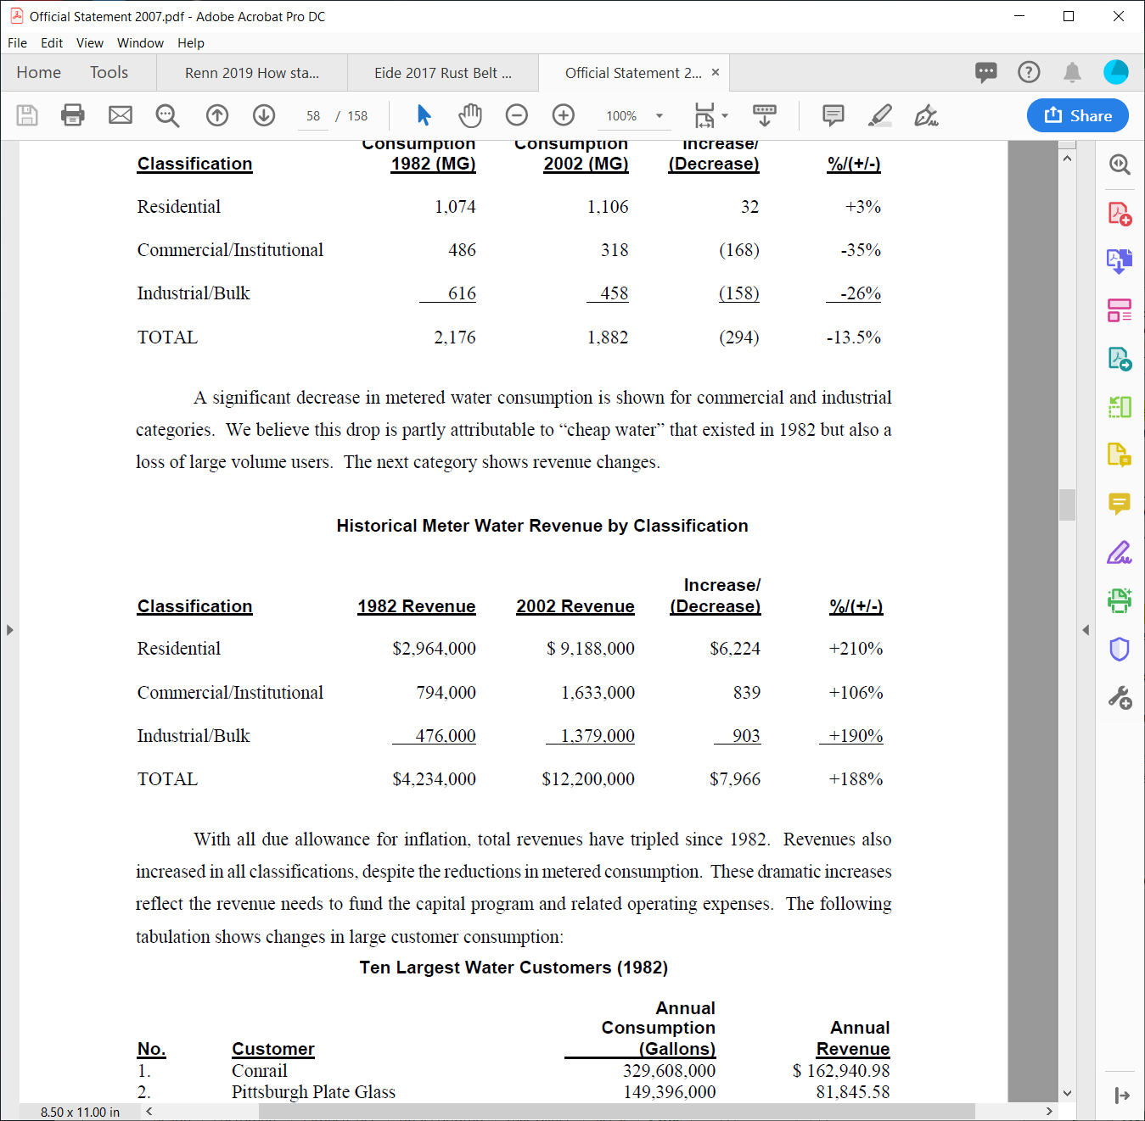

On March 23, 2017 the Authority entered into a series of agreements with the City of Altoona (the "City"). Pursuant to the Water and Sewer System Asset Conveyance Agreement, the Authority transferred to the City all right, title and interest in and to the water system and sewer system owned and operated by the Authority. Concurrently, the city leased the water and sewer systems to the Authority, giving it lawful possession to operate and set rates for the systems. The lease terms extend throughout the remaining term of all PENNVEST loans, provided that either party may terminate the lease after twenty years, with the consent of PENNVEST. In addition, the City guaranteed all the Authority's outstanding PENNVEST loans and bonds

Page 10 of Official Statement 2010 document.
On March 19, 2009, the Altoona City Authority amended its Articles of Incorporation changing its name
to the Altoona Water Authority and extending its term of existence to January 21, 2059, which amendments
were filed with the Pennsylvania Department of State on April 8, 2009.
For financing purposes the Water System and the Sanitary Sewer System comprise totally separate
and independent enterprises, the pledged revenues of which benefit only the one system and not the other.
The operations of Sanitary Sewer System are supported, in part, by administrative, personal and
equipment services provided by the Water System. The cost of these administrative, personal and equipment
charges are charged back to the Sanitary Sewer System and are shown under “Payment for Water Division
Services” in Appendix C “Financial Information Pertaining to the Authority—Altoona City Authority Wastewater
Division Sewer Operating Fund Budget 2007—Payment for Water Division Service

The Authority is a party to an Amended and Restated Cooperation Agreement dated as of October 27,
2004 (the “Cooperation Agreement”) with the City of Altoona (the “City”). Pursuant to the Cooperation
Agreement, the Authority makes annual payments to the City on November 5th of each year in an amount
equal to the lesser of (i) $2,800,000 or (ii) an amount permitted to be paid by applicable state law in effect on
the date such payment is made. The Authority payments are for City Services (as defined in the Cooperation
Agreement), including, but not limited to, the City furnishing or causing to be furnished to the Authority all
public services and facilities of the same nature as furnished to similar authorities and projects in the City,
provide drafting services, office space and utilities, computerized mapping system, coordination with land
development and subdivision and engineering and survey needs. City Services also include the amortization
of certain sewer lines not previously conveyed to the Authority. During the term of the Cooperation
Agreement, the Authority shall continue to possess, operate and control the Sanitary Sewer System. The
Cooperation Agreement expires on October 27, 2010 unless otherwise extended pursuant to its terms. The
expiration of the Cooperation Agreement, in and of itself, will not effect the ownership and operation of the
Sanitary Sewer System or the pledge of revenues securing the 2010 Bonds.

Because of CWA the NPDES permits have gotten more strict. Estimates are that it will take $20-40 million in upgrades to meet effluent requirements.
They also have CSO challenges - no consent decrees yet but the combined system is over 100 years old and may need to replace system in next 25 years.
They have one project that is likely to be mandated. The rest are not currently mandated. In general their sewer system is 60-90 years old.
PG 24 of Official statement 2010 document.
The authority substantially improved the system in 1987-1990 for $85 million. To meet more stringent effluent limits, both treatment plants need to be upgraded.

In 2019 Altoona "Defeased" their 2010 bonds - does that mean they no longer need to pay those bonds?

