Result Analysis
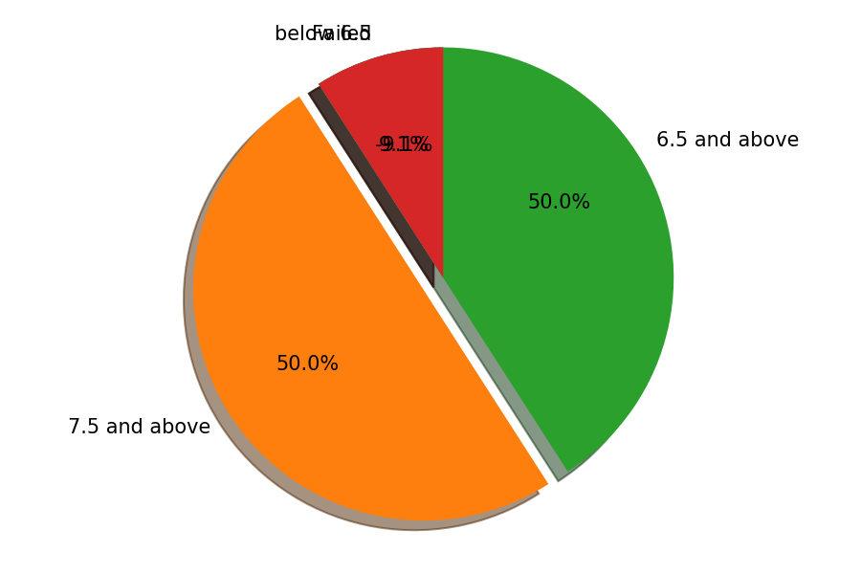
 |  | K.J.Somaiya Institute of Engineering and Information Technology
 |  |  | NAAC Accredited Institute with “A” Grade
 | NBA Accredited 3 Programs (Computer Engineering, Electronics &Telecommunication
 |  |  | Engineering & Electronics Engineering)
 |  | Permanently Affiliated to University of Mumbai
 |  | DEPARTMENT OF INFORMATION TECHNOLOGY

THIRD YEAR I.T. ENGINEERING SEMESTER VI (CHOICE BASED) (CBCGS) Examination held in MAY 2019

 | Result Analysis

 | Class |  |  |  | S.E.I.T
 | No. of Student Appeared |  |  |  | 22
 | No. of Student passed |  |  |  | 20
 | No. of Student failed |  |  |  | 2
 | No. of Student having SGPA 7.75 and above (Distinction) |  |  |  | 11
 | No. of Student having SGPA 6.75 and above (First) |  |  |  | 11
 | No. of Student having SGPA below 6.75 (Second ) |  |  |  | -2
 | % of passing |  |  |  | 90.909090909

 | Subject Wise Analysis

SR No | Subject |  |  | Appeared | Passed | % of passing subject
1 | Software Engineering With Project Management |  |  | 22 | 22 | 100
2 | Data Mining And Business Intelligence |  |  | 22 | 22 | 100
3 | Cloud Computing & Services |  |  | 22 | 22 | 100
4 | Wireless Networks |  |  | 22 | 20 | 90.909090909
5 | Digital Forensics |  |  | 22 | 22 | 100
6 | Software Design Lab |  |  | 22 | 22 | 100
7 | Business Intelligence Lab |  |  | 22 | 22 | 100
8 | Cloud Service Design Lab |  |  | 22 | 22 | 100
9 | Sensor Network Lab |  |  | 22 | 22 | 100
10 | Mini - Project |  |  | 22 | 22 | 100

