Sheet1
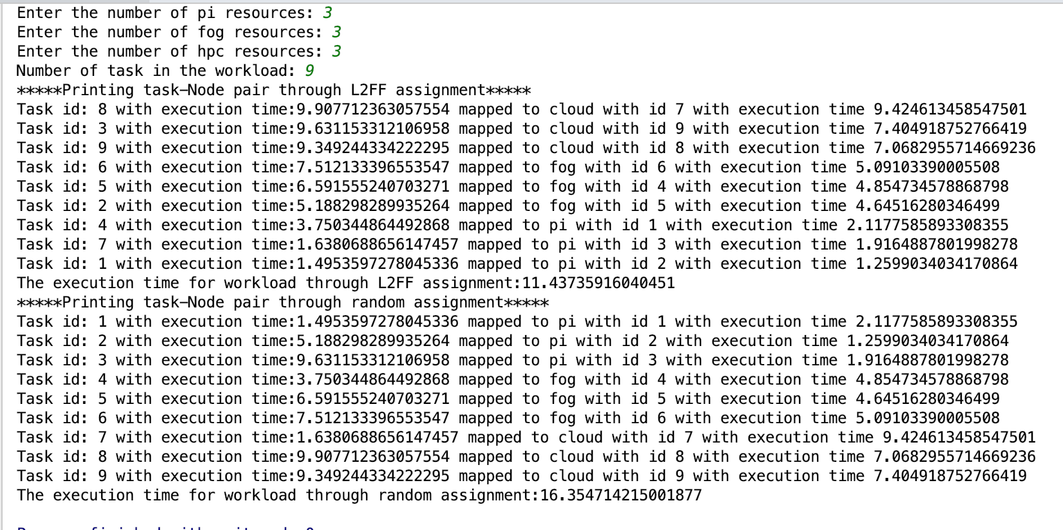
Task Exec Time | Comp Power | TTX(i) = task_exec_time / comp power | Resource type
9.9077123631 | 9.4246134585 | 1.05125928 | cloud
9.6311533121 | 7.4049187528 | 1.300642672 | cloud
9.3492443342 | 7.0682955715 | 1.322701384 | cloud
7.5121333966 | 5.0910339001 | 1.475561456 | fog
6.5915552407 | 4.8547345789 | 1.357758109 | fog
5.1882982899 | 4.6451628035 | 1.116924962 | fog
3.7503448645 | 2.1177585893 | 1.770902918 | pi
1.6380688656 | 1.9164887802 | 0.8547239528 | pi
1.4953597278 | 1.2599034034 | 1.186884426 | pi
 |  | 11.43735916

Task Exec Time | Comp Power | TTX(i) = task_exec_time / comp power | Resource type
1.4953597278 | 2.1177585893 | 0.7061049051 | pi
5.1882982899 | 1.2599034034 | 4.118012759 | pi
9.6311533121 | 1.9164887802 | 5.025415965 | pi
3.7503448645 | 4.8547345789 | 0.7725128539 | fog
6.5915552407 | 4.6451628035 | 1.419014902 | fog
7.5121333966 | 5.0910339001 | 1.475561456 | fog
1.6380688656 | 9.4246134585 | 0.1738075384 | cloud
9.9077123631 | 7.0682955715 | 1.401711666 | cloud
9.3492443342 | 7.4049187528 | 1.262572169 | cloud
 |  | 16.35471422

