全局接口参数说明
各业务系统在通过统一认证平台，实现成功登录后，后续方法访问，必须在HTTP报文头带上如下两个参数: systemId 各业务系统的唯一标识名 token 登录成功后统一认证平台返回的token串 例如: -H "systemId=YWXT1" -H "token=ebfa0ff547c3e65ceb5e0ca5b08eb0bb" -H "Content-Type=application/json" 如果后续rest访问方法头部不包含这两个字段，或者字段内容非法，则不容许调用对应方法

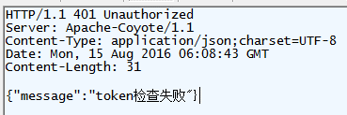 正常响应，HTTP头的状态码200，HTTP体为业务数据，报文结构不固定。 异常响应，HTTP头的状态码非200(包括401，404，406，500等)，HTTP体为固定结构报文，如：{"message":"token检查失败"}。

