Pivot Tables
 |  |  | City | (All) | Region | (All)
Storewise Sales |  |  | Payment mode / Total sales |  | Category and Store type wise Total Amount |  | Row Labels | Sum of Total_Amount
Row Labels | Sum of Total_Amount |  | Row Labels | Sum of Total_Amount | Row Labels | Sum of Total_Amount | Female | 1231444.2298
STORE0 | 85138.5552 |  | COD | 702459.4157 | Flagship | 848576.6661 | East | 325668.359
STORE1 | 101060.6092 |  | Credit Card | 715180.711 | Online | 914253.5237 | North | 341217.5528
STORE10 | 109791.7152 |  | PayPal | 756754.5716 | Outlet | 411564.5085 | South | 399580.1989
STORE11 | 93048.1405 |  | Grand Total | 2174394.6983 | (blank) |  | West | 164978.1191
 | Total
Flagship | 848576.6661
Online | 914253.5237
Outlet | 411564.5085
(blank)
STORE12 | 116829.2206 |  |  |  | Grand Total | 2174394.6983 | Male | 942950.4685
STORE13 | 114401.4715 |  |  |  |  |  | East | 296735.9573
STORE14 | 106248.2833 |  |  |  |  |  | North | 304883.3275
STORE15 | 99679.086 |  |  |  |  |  | South | 235632.8968
STORE16 | 111704.9436 |  |  |  |  |  | West | 105698.2869
STORE17 | 122176.5471 |  |  |  |  |  | (blank)
STORE18 | 104313.0545 |  |  |  |  |  | (blank)
STORE19 | 94225.7233 |  |  |  |  |  | Grand Total | 2174394.6983
STORE2 | 98960.8078
STORE3 | 125011.8285
STORE4 | 118814.1157
STORE5 | 81343.5889
STORE6 | 114533.7966
STORE7 | 108039.3494
STORE8 | 158971.4624
STORE9 | 110102.399
Grand Total | 2174394.6983

 | Total
Flagship | 848576.6661
Online | 914253.5237
Outlet | 411564.5085
(blank)
Stock by Category Store type
Row Labels | Sum of Stock
Beauty | 96495
Flagship | 40192
Online | 37909
Outlet | 18394
Clothing | 91924
Flagship | 38664
Online | 34911
Outlet | 18349
Electronics | 123247.24419
Flagship | 50206.825581
Online | 51330.011628
Outlet | 21710.406977
Home | 94329.681818
Flagship | 36808.431818
Online | 40420.045455
Outlet | 17101.204545
Sports | 141429.33333
Flagship | 49564.166667
Online | 62148.666667
Outlet | 29716.5
(blank)
(blank)
Grand Total | 547425.25934

Row Labels | Sum of Stock
Beauty | 96495
Flagship | 40192
Online | 37909
Outlet | 18394
Clothing | 91924
Flagship | 38664
Online | 34911
Outlet | 18349
Electronics | 123247.24419
Flagship | 50206.825581
Online | 51330.011628
Outlet | 21710.406977
Home | 94329.681818
Flagship | 36808.431818
Online | 40420.045455
Outlet | 17101.204545 | 4434
Sports | 141429.33333
Flagship | 49564.166667
Online | 62148.666667
Outlet | 29716.5
(blank)
(blank)
Grand Total | 547425.25934

Row Labels | Sum of Total_Amount |  | Total Revenue
USA | 2174394.6983 |  | $2,174,394.70
(blank)
Grand Total | 2174394.6983

Row Labels | Sum of Quantity
USA | 4964 |  | 4964
(blank)
Grand Total | 4964

Dasboard
ECOM SALES REPORT DASHBOARD

Total Sales by store
 | Total
STORE0 | 85138.5552
STORE1 | 101060.6092
STORE10 | 109791.7152
STORE11 | 93048.1405
STORE12 | 116829.2206
STORE13 | 114401.4715
STORE14 | 106248.2833
STORE15 | 99679.086
STORE16 | 111704.9436
STORE17 | 122176.5471
STORE18 | 104313.0545
STORE19 | 94225.7233
STORE2 | 98960.8078
STORE3 | 125011.8285
STORE4 | 118814.1157
STORE5 | 81343.5889
STORE6 | 114533.7966
STORE7 | 108039.3494
STORE8 | 158971.4624
STORE9 | 110102.399
Mode Paymet
 | Total
COD | 702459.4157
Credit Card | 715180.711
PayPal | 756754.5716
 | Total Revenue
 | $2,174,394.70

 | Total Quantity Sold
 | 4964

Total Sales by store type VS Category
 | Total
Flagship | 848576.6661
Online | 914253.5237
Outlet | 411564.5085
(blank)
Total Sales by store type
 | Total
Flagship | 848576.6661
Online | 914253.5237
Outlet | 411564.5085
(blank)

Documentation
Worksheet Name | Column Name | Issue/Task | Steps and Functions used to solve the issue or to dot he task | Screen shot
Customer Dim | Customer_ID | Inconsistent data format in the colomn | 4 customer ID has been edited using Find and replace funtion
Customer Dim | Name | incorrect name format , space, Capital Letter missing and Prefix (Mr and Dr.) | Used PROPER and TRIM function by creating a new column and pasted the value in Name column Find and Replace to handle Prefix Mr and Dr | 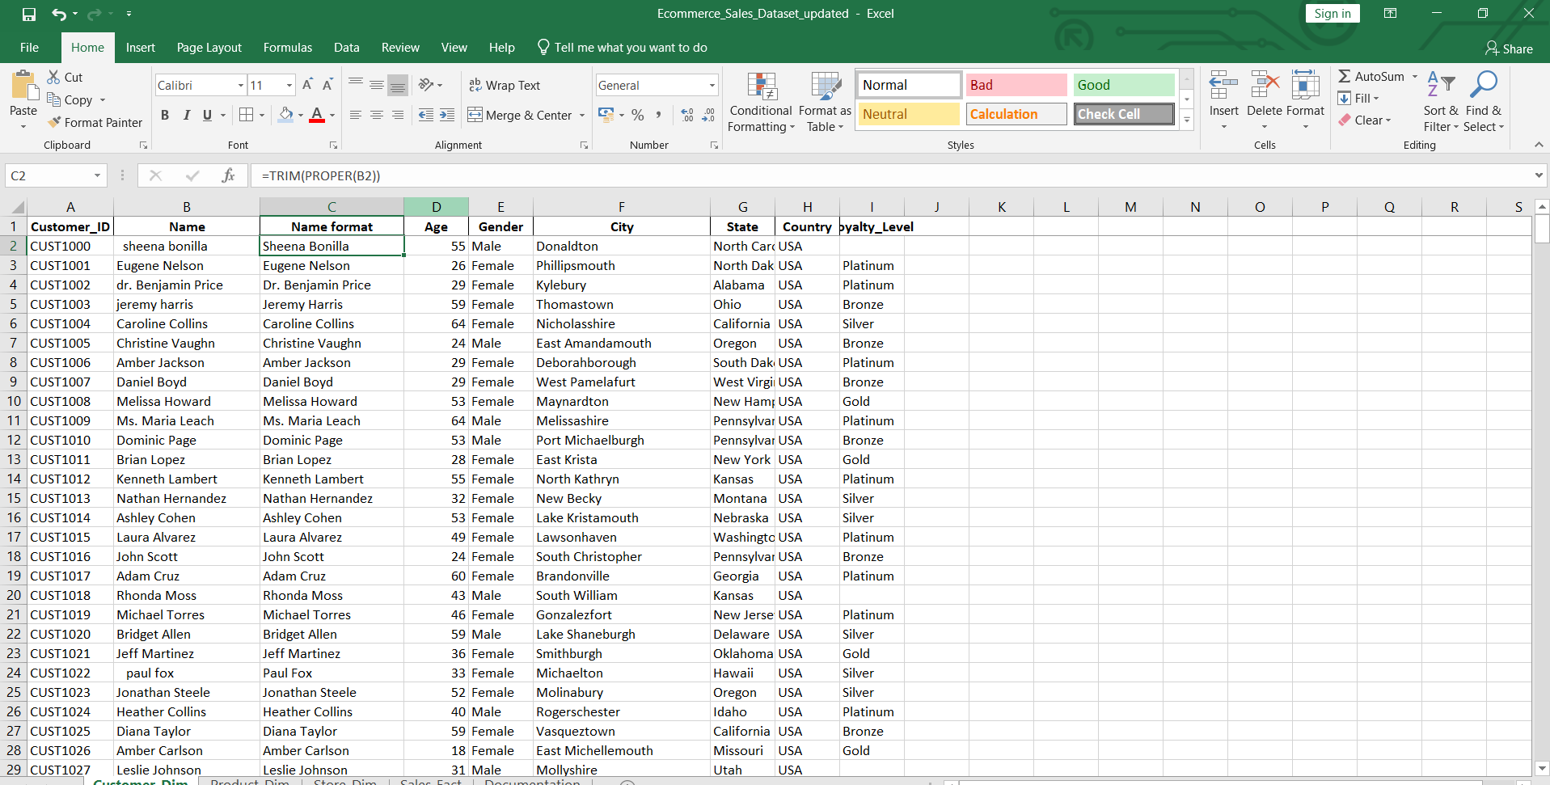
Customer Dim | Age | Checked missing value | Used is blank funtion | 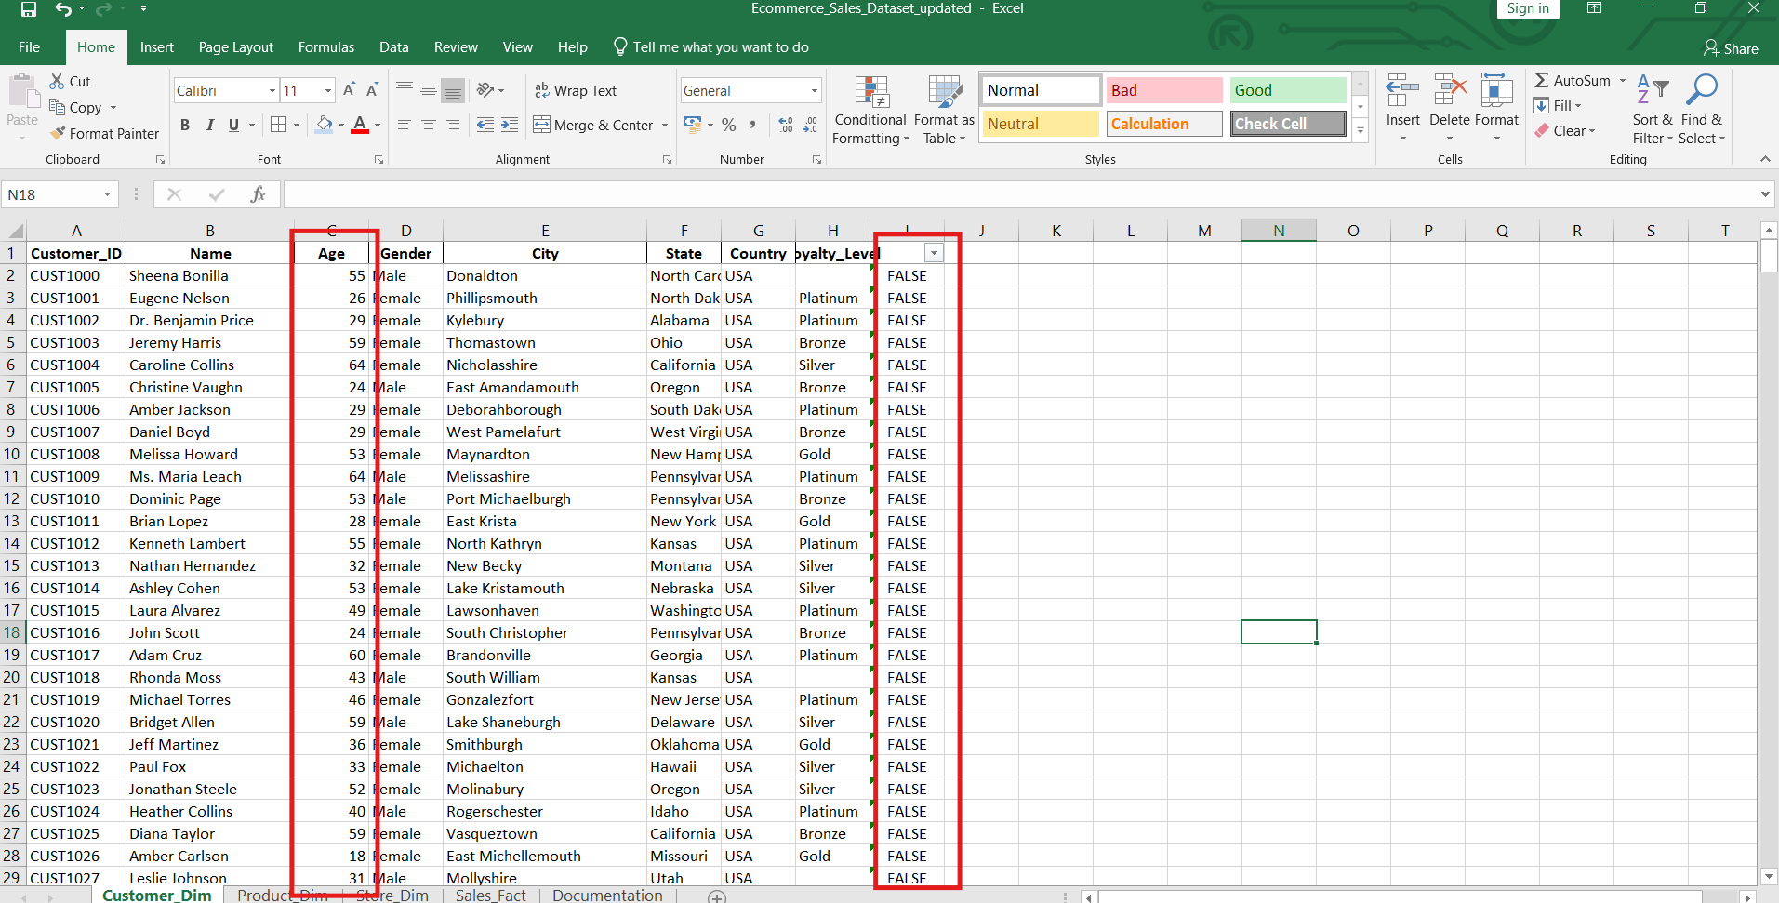
Customer Dim | Loyalty_Level | Handling missing value | Used if>isblank with Index Match function to add MODE value | 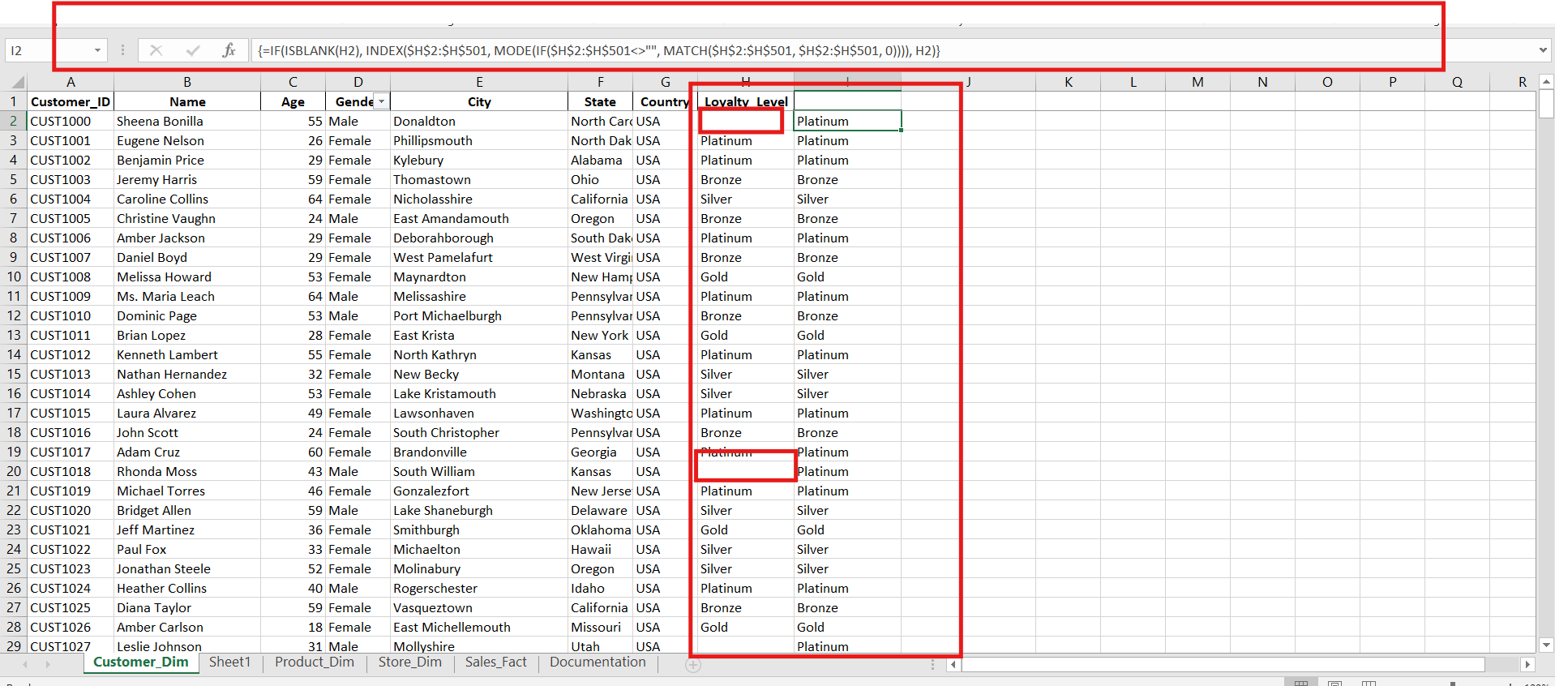
Customer Dim | Country | inconsistet data format | United state replacted with USA using find repleace | 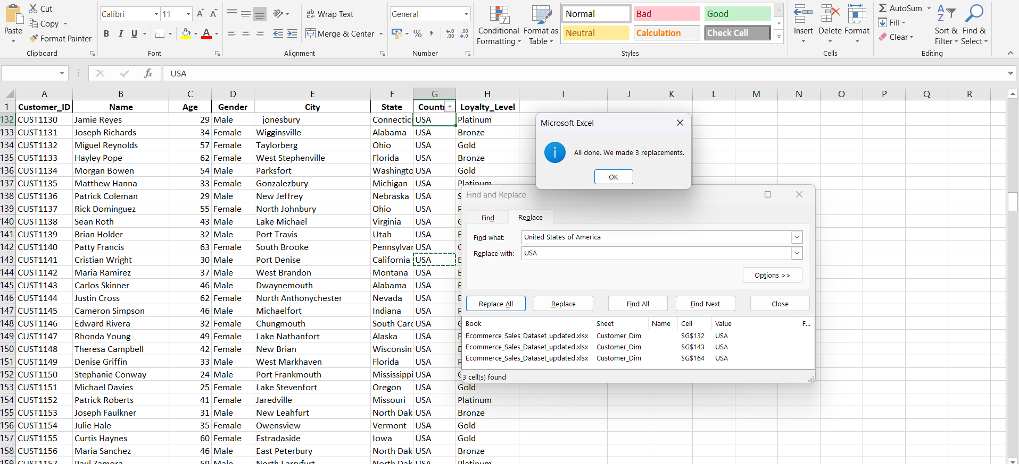
Product Dim | Product_ID | inconsistet data format | Used Find and Replace | 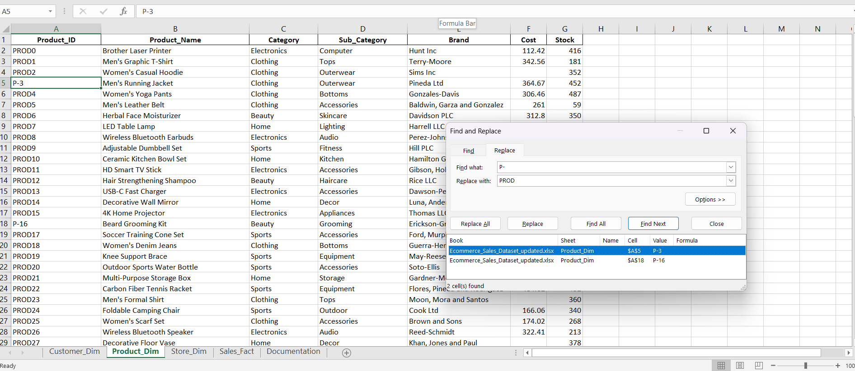
Product Dim | Cost | Missing value | Missing value handled by using IF and ISBLANK funtion by adding mean value of the cost | 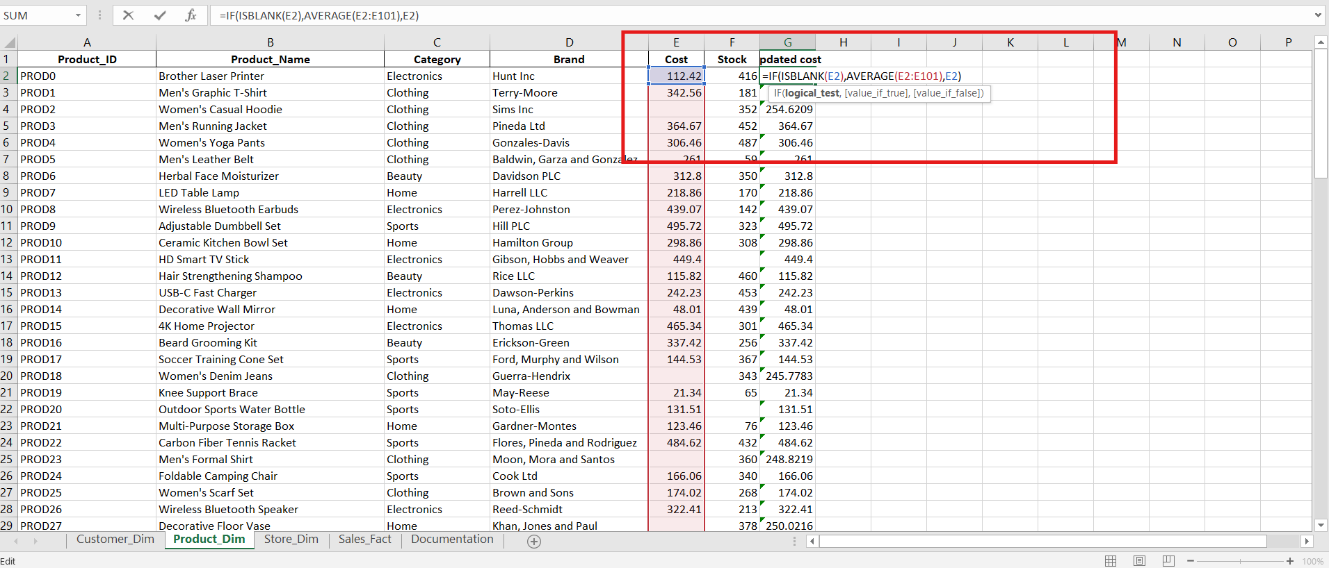
Product Dim | Stock | Missing value | Missing value handled by using IF and ISBLANK funtion by adding mean value of the cost | 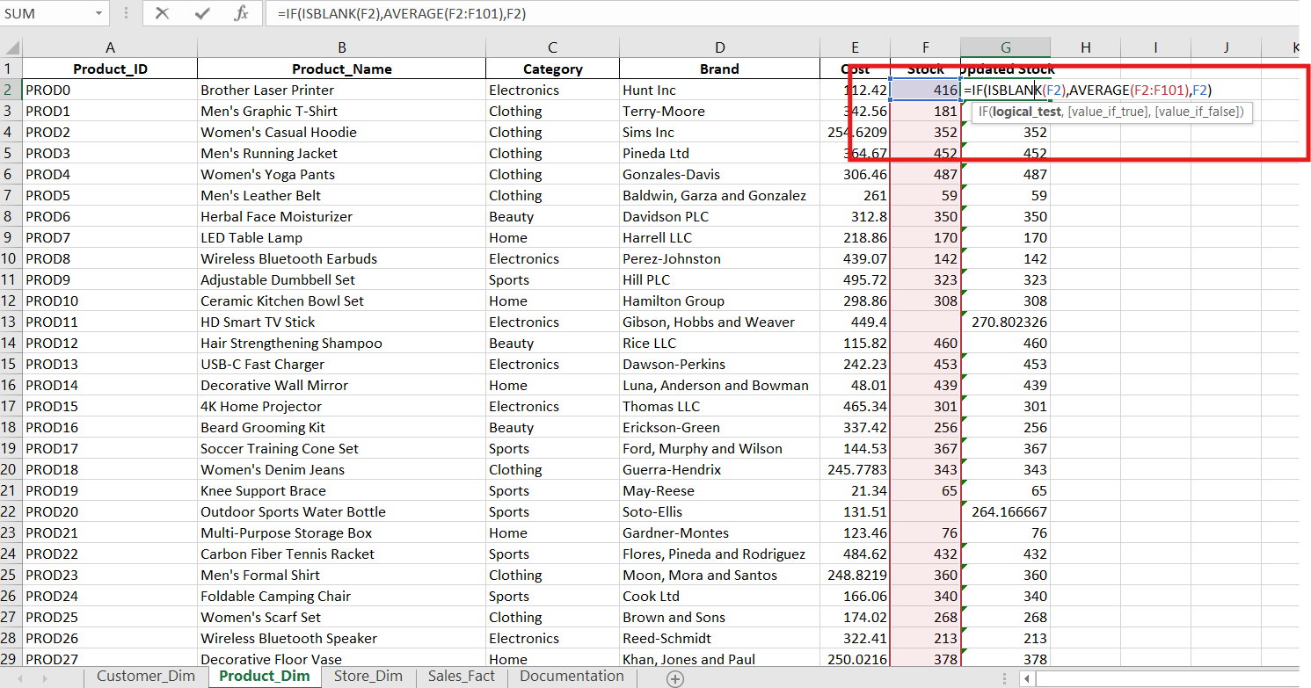
Sales Fact | Quantity | Missing value | Missing value handled by using IF and ISBLANK funtion and cunstomised formula to find quantity from given information | 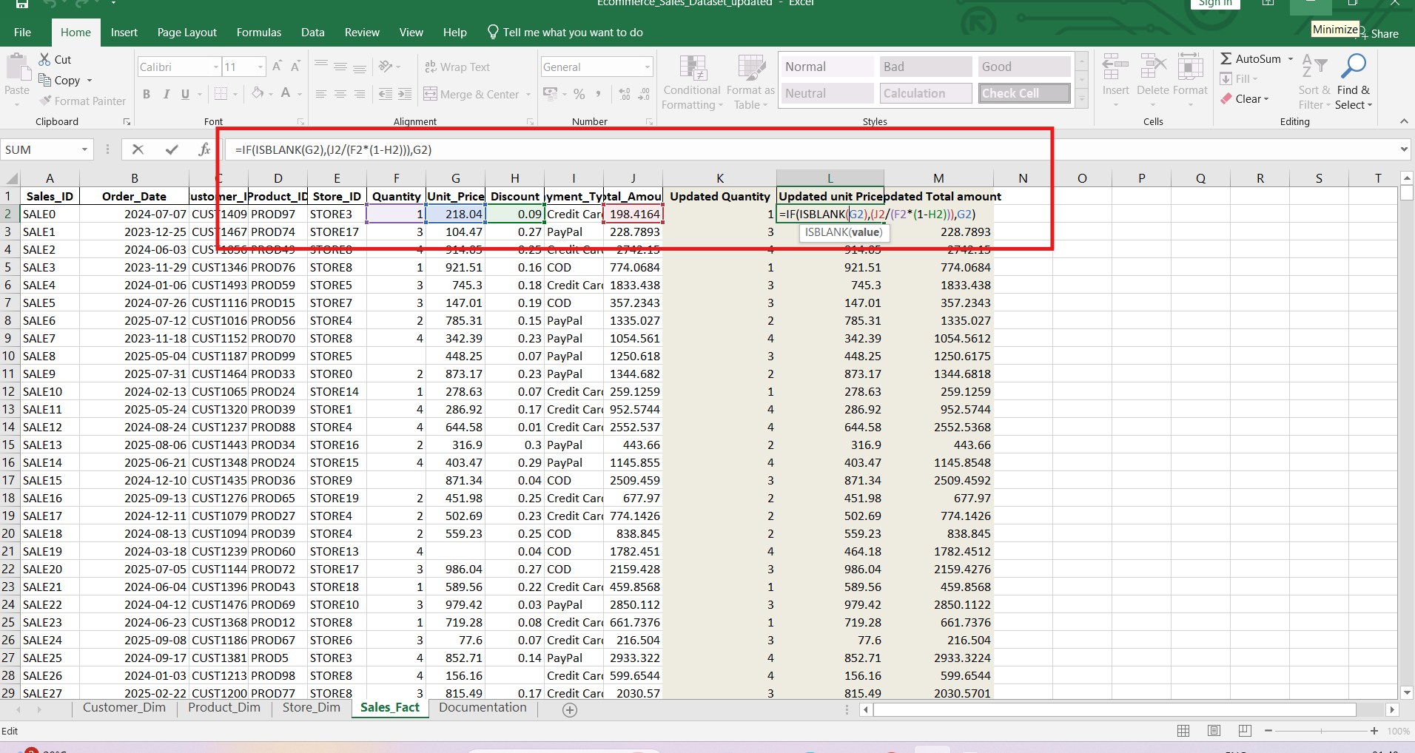
Sales Fact | Unit Price | Missing value | Missing value handled by using IF and ISBLANK funtion and cunstomised formula to find quantity from given information
Sales Fact | Total Price | Missing value | Missing value handled by using IF and ISBLANK funtion and cunstomised formula to find quantity from given information
Sales Fact | Discount | Missing value | Missing value handled by using IF and ISBLANK funtion and cunstomised formula to find quantity from given information | 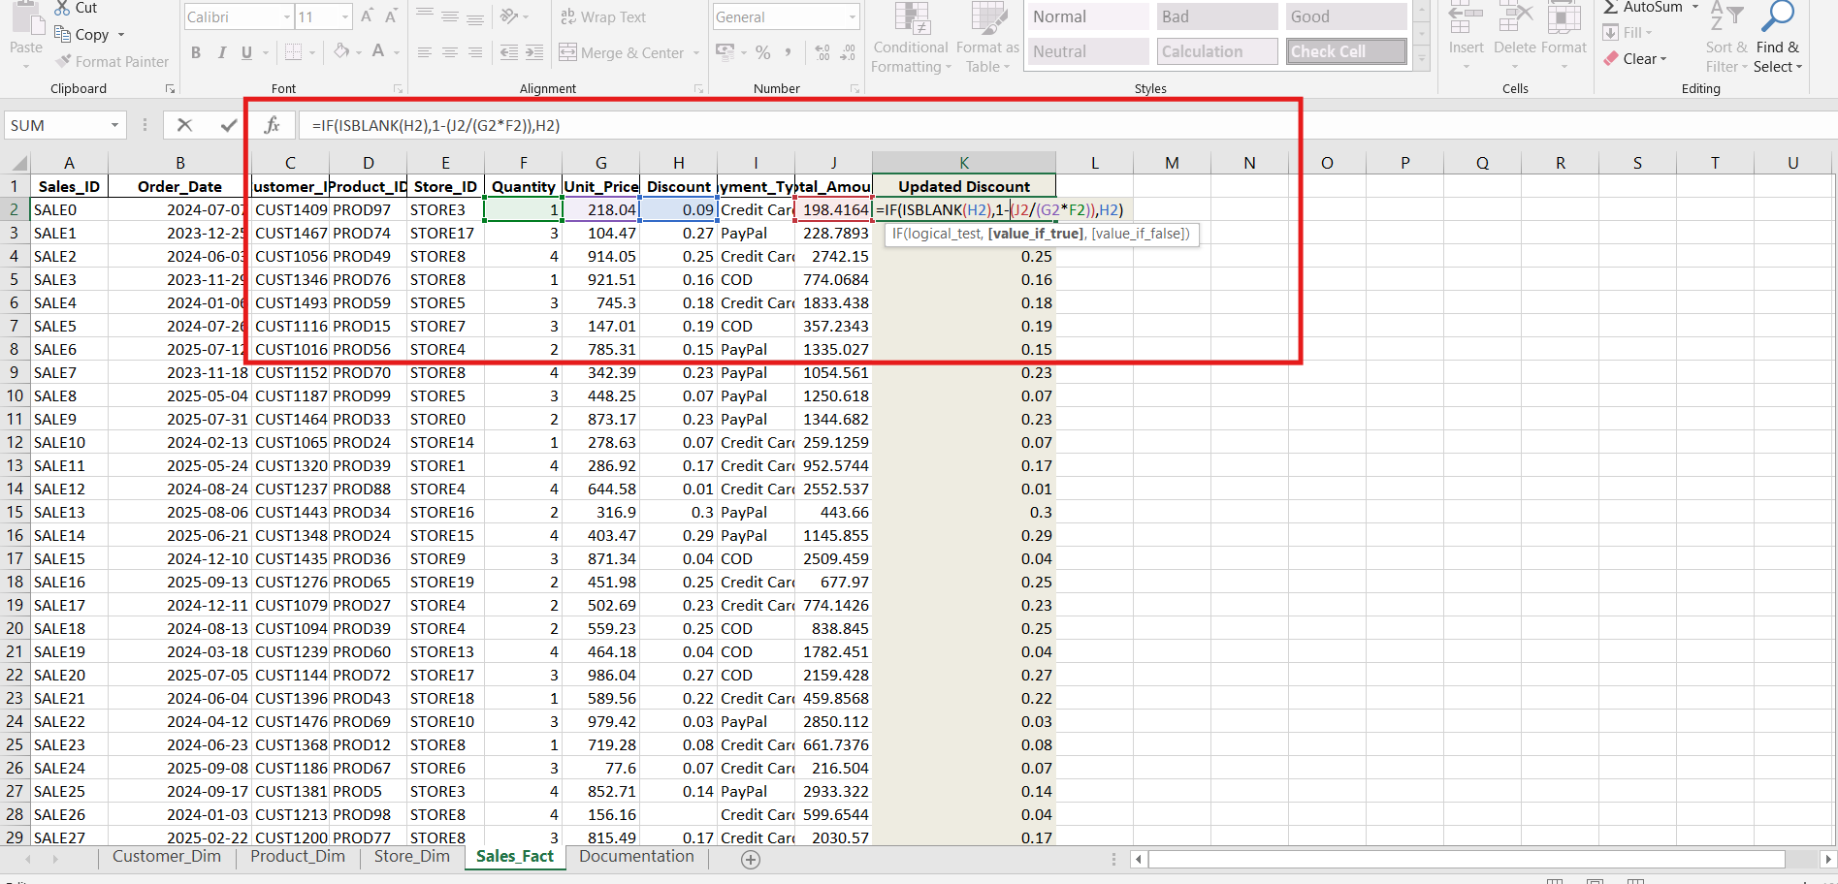
Merged the tables with Vlookup and in new worksheet | Column K-Z | Merge tables | Used Vloook up , Xlook up is not supporting in excel version | 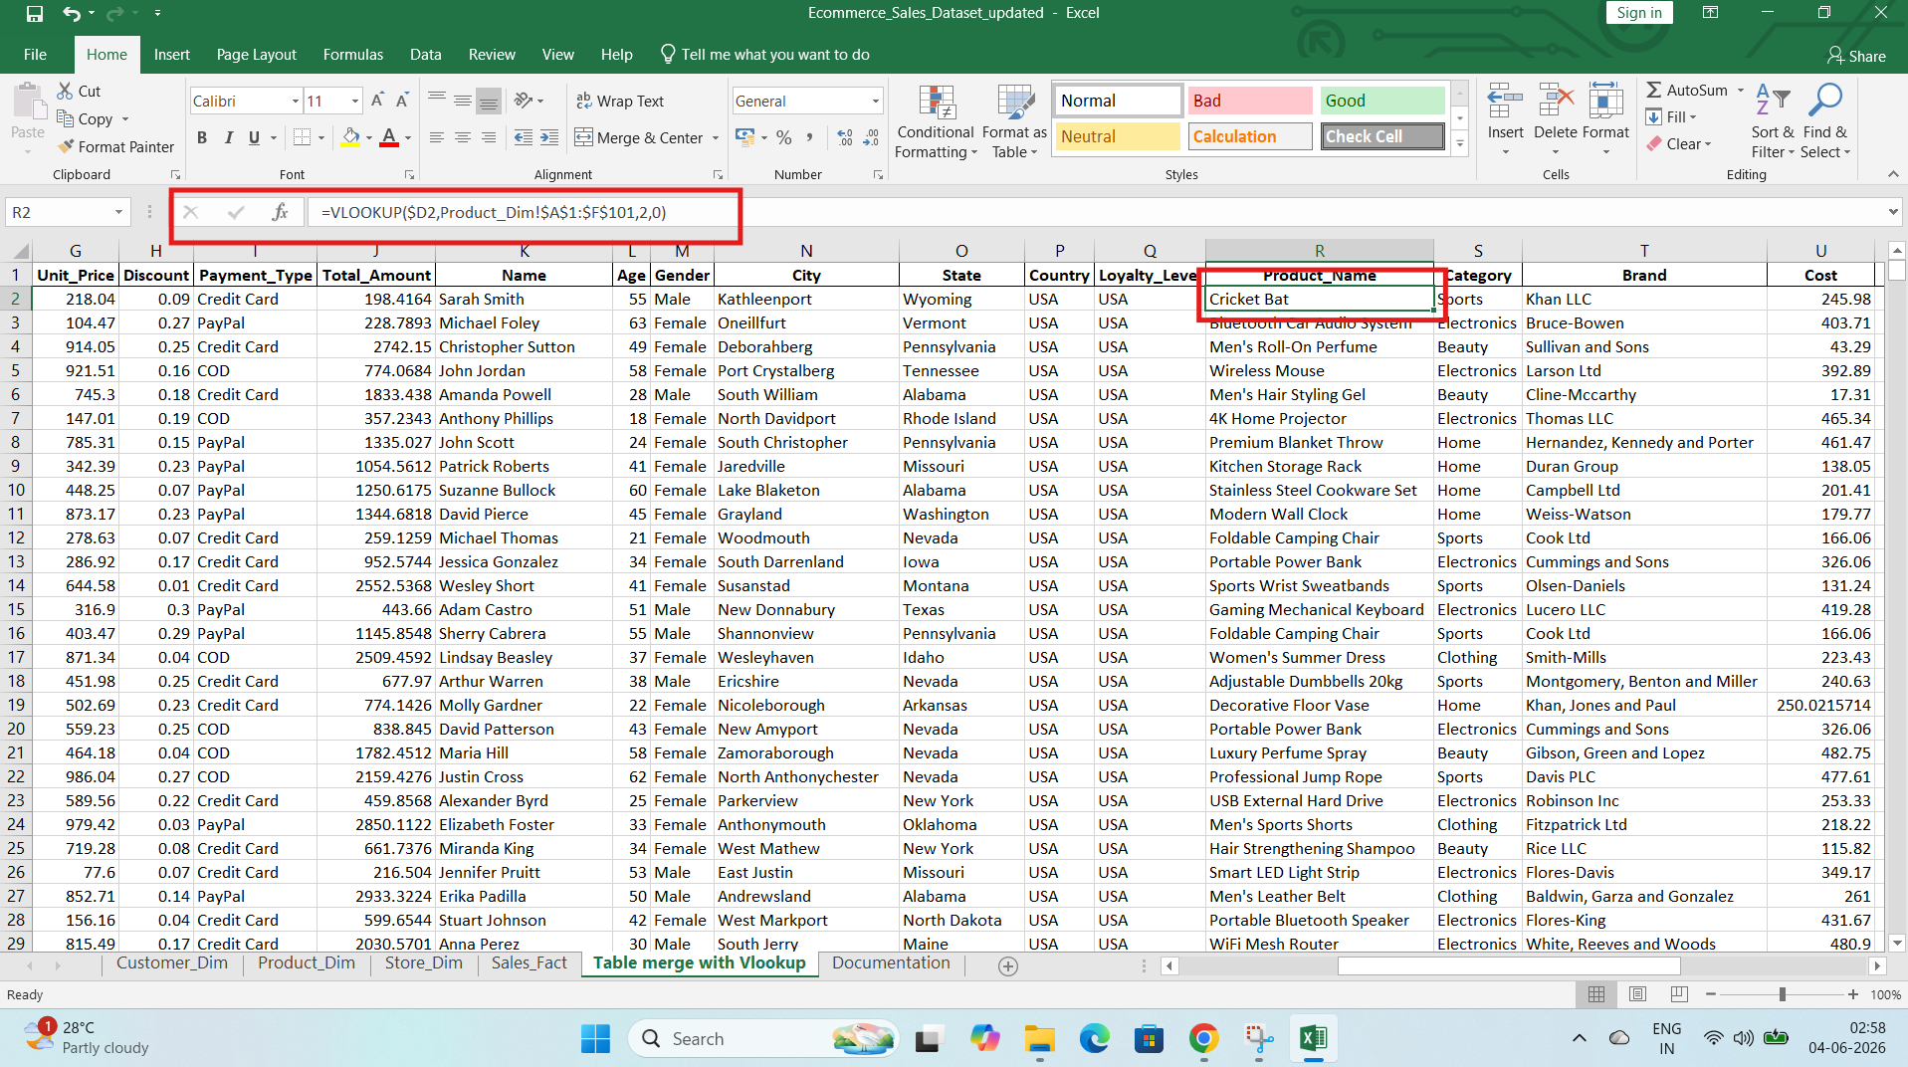
Pivot Tables | Pivot Tables |  | Pivot tables and Pivt charts prepared | 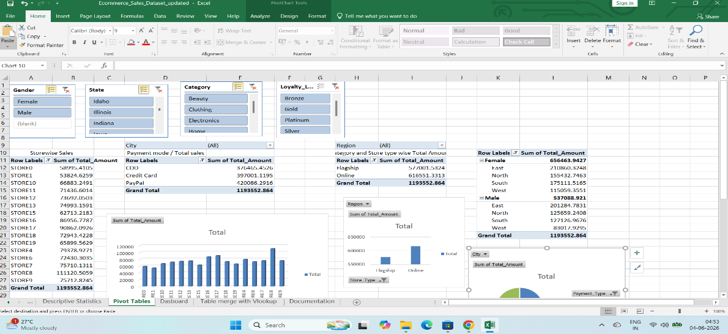
Dashboard | DB |  | Dashboard prepared with Pivot chart and Slicers | 